Sales_Dashboard
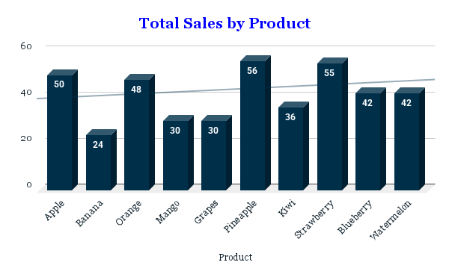
Product | Units Sold | Price | Total Sales
Apple | 10 | 5 | 50
Banana | 8 | 3 | 24
Orange | 12 | 4 | 48
Mango | 5 | 6 | 30
Grapes | 15 | 2 | 30
Pineapple | 7 | 8 | 56
Kiwi | 9 | 4 | 36
Strawberry | 11 | 5 | 55
Blueberry | 6 | 7 | 42
Watermelon | 14 | 3 | 42
Total | 97 |  | 413

