V0
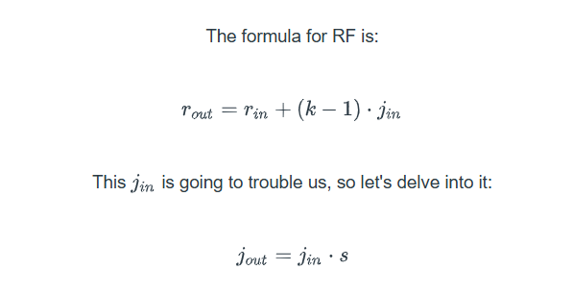
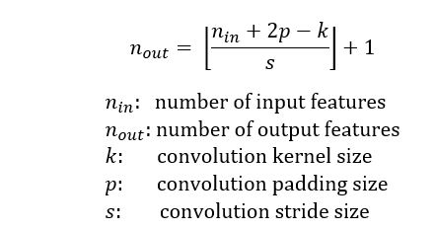
Step | r-in | j-in | Input Channels | Outut Channels | n-in: Input Features | p:Padding | k: Kernel Size | s: Stride | n-out: Output Features | r-out | j-out | Parameters
1 | 1 | 1 | 1 | 8 | 28 | 1 | 3 | 1 | 28 | 3 | 1 | 80
2 | 3 | 1 | 8 | 16 | 28 | 1 | 3 | 1 | 28 | 5 | 1 | 1168
3 | 5 | 1 | 16 | 32 | 28 | 1 | 3 | 1 | 28 | 7 | 1 | 4640
4 | 7 | 1 | 0 | 0 | 28 | 0 | 2 | 2 | 14 | 8 | 2 | 0
5 | 8 | 2 | 32 | 8 | 14 | 0 | 1 | 1 | 14 | 8 | 2 | 264
6 | 8 | 2 | 8 | 16 | 16 | 1 | 3 | 1 | 16 | 12 | 2 | 1168
7 | 12 | 2 | 16 | 32 | 16 | 1 | 3 | 1 | 16 | 16 | 2 | 4640
8 | 16 | 2 | 0 | 0 | 16 | 0 | 2 | 2 | 8 | 18 | 4 | 0
9 | 18 | 4 | 32 | 8 | 8 | 0 | 1 | 1 | 8 | 18 | 4 | 264
10 | 18 | 4 | 8 | 16 | 8 | 0 | 3 | 1 | 6 | 26 | 4 | 1168
11 | 26 | 4 | 16 | 10 | 6 | 0 | 3 | 1 | 4 | 34 | 4 | 1450
12 | 34 | 4 | 0 | 0 | 4 | 0 | 2 | 2 | 2 | 38 | 8 | 0

 |  |  |  |  |  |  |  |  |  |  |  | 14842

