Executive Summary
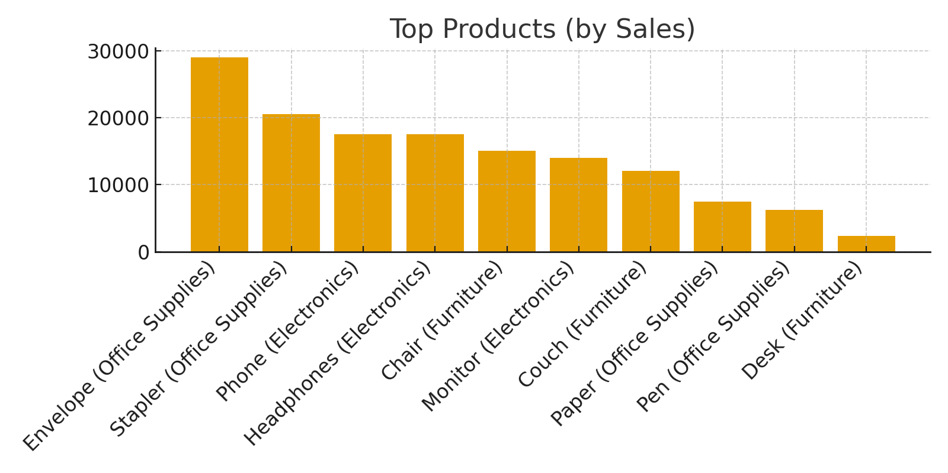
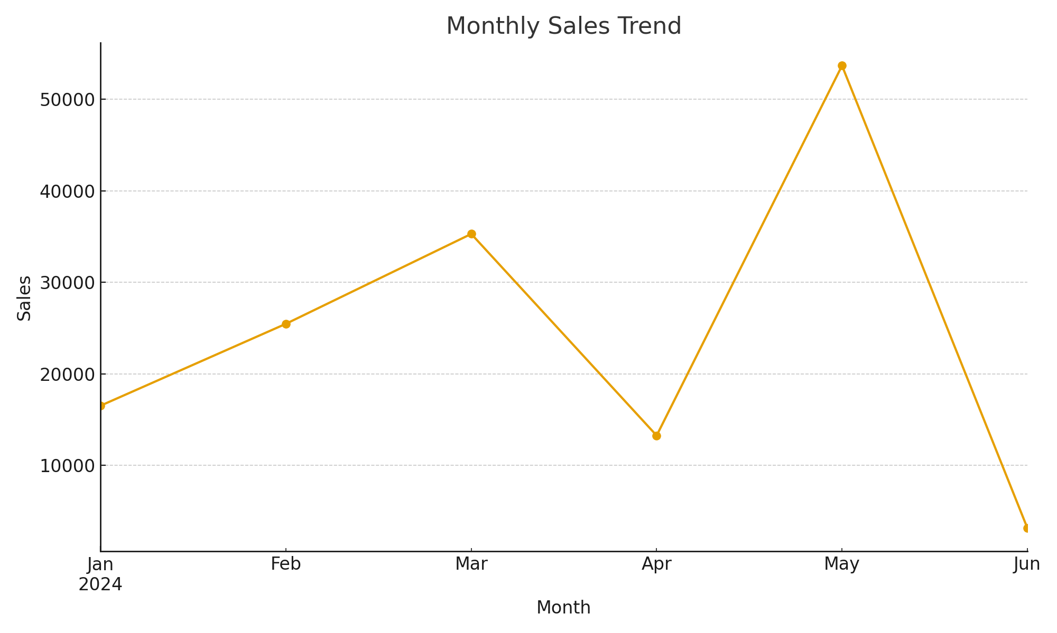
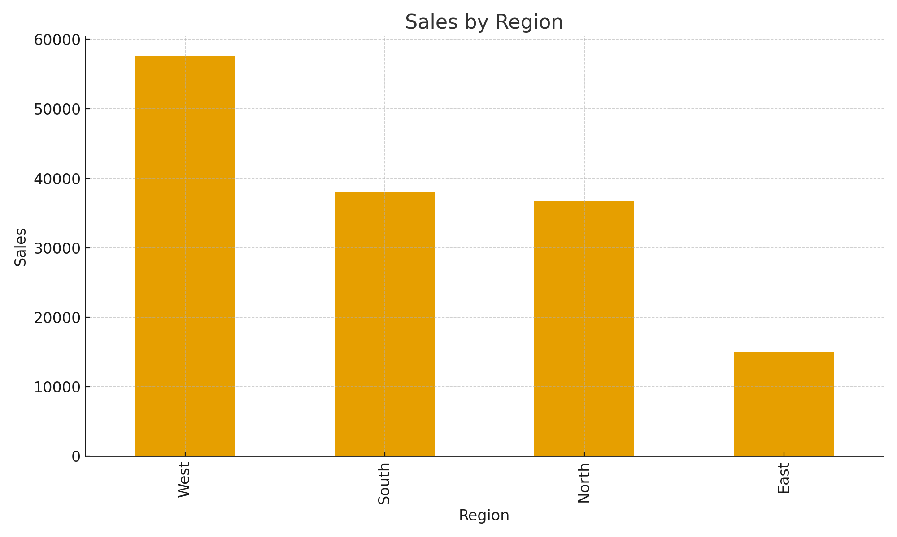
Excel Report
Totals
Total Sales | 147312
Total Rows | 45

Summary Statistics
index | Quantity | UnitPrice | Sales
count | 45 | 45 | 45
mean | 4.89 | 646.24 | 3273.6
std | 2.58 | 349.18 | 2694.58
min | 1 | 11 | 11
25% | 3 | 395 | 1200
50% | 5 | 693 | 2384
75% | 7 | 991 | 5733
max | 9 | 1193 | 9198

