CandleStick Patterns
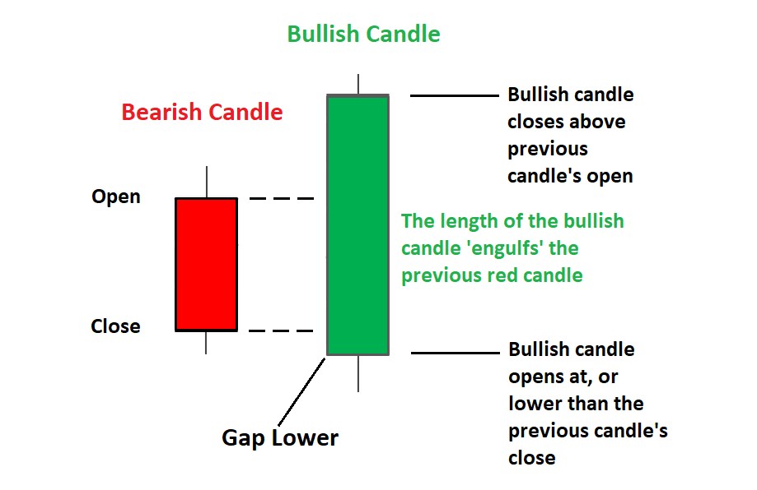


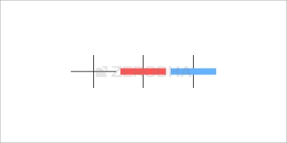
Candlestick Patterns | Bullish Engulfing CandleStick Pattern | Bearish Engulfing Engulfing CandleStick Pattern | Marubozu | The Spinning Top | Doji
Long Body - Depicts strong buying or selling activity & hence High price movements
Short Body - Depicts less trading activity & hence less price movement
Buy strength & sell weekness
Be flexible with patthers - verfy & quatify
Look for the prior trend

 |  |  | It can appear anywhere in the chart irrespective of prior trend. | Unlike the Marubuzo, it does not give the trader a trading signal with specific entry or an exit poin | The Doji’s are very similar to the spinning tops, except that it does not have a real body. This means the open and close prices are equal.
 |  |  | It has no upper or lower shadow. Its just the body without the wick | The candles have a small real body. | Doji’s provide crucial information about the market sentiments and is an important candlestick pattern.
 | Appears at the bottom of the downward trend |  |  | The upper and lower shadow is almost equal. | The upper and lower wicks can be of any length.
 | The prior trend should be a downtrend |  | Bullish Marubozu | Small Real Body - Open price & Close price are near to oneanother. Open could be 210 & close could be 213. Or the open could be 210 & close at 207 | the colour of the candle does not matter in case of a wafer-thin real body.
 | The 1st candle should be a red candle reconfirming the bearishness in the market |  | Open = low & high = Closs | Color of the candle does not matter much as prices are close to eachother | In fact, more often than not, the dojis and spinning tops appear in a cluster indicating indecision in the market.
 | The 2nd candle should be blue, long enough to engulf the red candle |  | A bullish marubozu indicates that there is so much buying interest in the stock that the market participants were willing to buy the stock at every price point during the day, so much so that the stock closed near its high point for the day. It does not matter what the prior trend has been, the action on the marubozu day suggests that the sentiment has changed and the stock is now bullish. | The upper shadow – The upper shadow connects the real body to the high point of the day. If it is a red candle, the high and open are connected. If it is a blue candle, the high and close are connected. If you think about the real body in conjunction with the upper shadow ignoring the lower shadow, what do you think had happened? The presence of the upper shadow tells us that the bulls did attempt to take the market higher. However, they were not really successful in their endeavour. If the bulls were truly successful, then the real body would have been a long blue candle and not really a short candle. Hence this can be treated as an attempt by the bulls to take the markets higher, but they were not really successful at it. | So the next time you see either a Spinning top or a Doji individually or in a cluster, remember there is indecision in the market. The market could swing either way, and you need to build a stance that adapts to the expected movement in the market.
 |  |  | The expectation is that with this sudden change in sentiment, there is a surge of bullishness, and this bullish sentiment will continue over the next few trading sessions. Hence a trader should look at buying opportunities with the occurrence of a bullish marubozu. The buying price should be around the closing price of the marubozu. | The lower shadow – The lower shadow connects the real body to the low point of the day. If it is a red candle, the low and close are connected. If it is a blue candle, the low and open are connected. What do you think had happened if you think about the real body in conjunction with the lower shadow ignoring the upper shadow? This is pretty much the same thing that happened with the bulls. The presence of the lower shadow tells us that the bears did attempt to take the market lower. However, they were not really successful in their endeavour. If the bears were truly successful, then the real body would have been long red candle and not really a short candle. Hence, the bears’ attempt to take the markets lower can be treated as an attempt, but they were not really successful. | 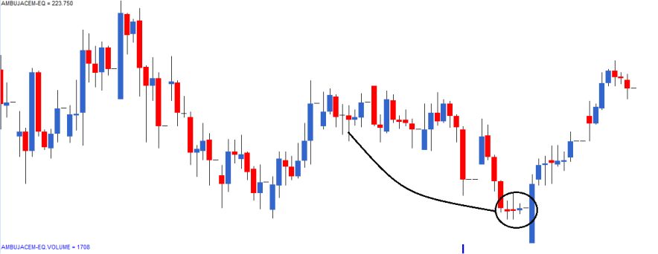
 | The thought process behind the bullish engulfing pattern is as follows: |  | With this occurrence of a marubozu the expectation has turned bullish, and hence one would be a buyer of the stock. | Now think about the spinning top as a whole along with all its components, i.e. real body, upper shadow, and lower shadow. The bulls made a futile attempt to take the market higher. The bears tried to take the markets lower, and it did not work either. Neither the bulls nor the bears could establish any influence on the market as this is evident with the small real body. Thus Spinning tops are indicative of a market where indecision and uncertainty prevails. | 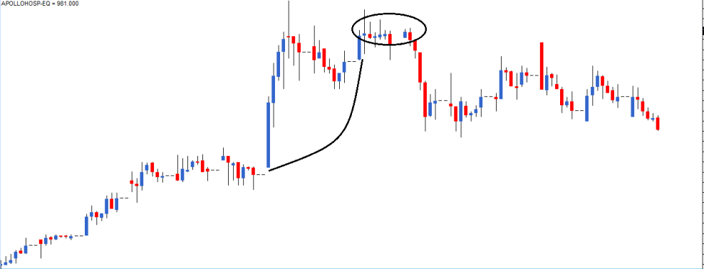
 | 1. The market is in a downtrend with prices steadily moving down
 | 2. On the first day of the pattern (P1), the market opens low and makes a new low. This forms a red candle in the process |  |  | Spinning tops in a downtrend
 | 3. On the second day of the pattern (P2), the stock opens near the closing prices of P1 and attempts to make a new low. However, there is a sudden buying interest at this low point of the day, which drives the prices to close higher than the previous day’s open. This price action forms a blue candle |  | 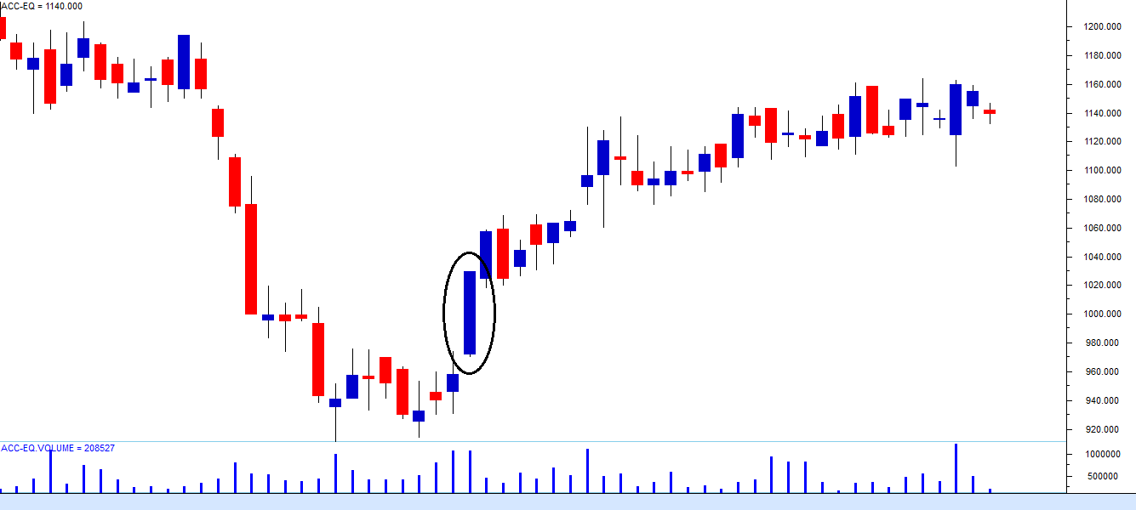 | In a downtrend, the bears are in absolute control as they manage to grind the prices lower. With the spinning top in the downtrend, the bears could be consolidating their position before resuming another bout of selling. The bulls have also attempted to arrest the price fall and have tried to hold on to their position, though not successfully
 | 4. The price action on P2 also suggests that bulls made a very sudden and strong attempt to break the bearish trend, and they did so quite successfully. This is evident by the long blue candle on P2 |  |  | Clearly, there are two foreseeable situations with an equal probability: Either there will be another round of selling. Or the markets could reverse its directions, and the prices could increase. Clearly, with no clarity on what is likely to happen, the trader needs to be prepared for both the situations, i.e. reversal and continuation.
 | 5. The bears would not have expected the bull’s sudden action on P2 and hence the bull’s action kind of rattles the bears causing them some amount of nervousness |  | The risk-taker would buy the stock on the same day as the marubozu is being formed. However, the trader needs to validate the occurrence of a marubozu. Validating is quite simple. Indian markets close at 3:30 PM. So, around 3:20 PM one needs to check if the current market price (CMP) is approximately equal to the high price for the day, and the opening price of the day is approximately equal to the low price the day. If this condition is satisfied, you know the day is forming a marubozu, you can buy the stock around the closing price. It is also essential to note that the risk-taker is buying on a bullish/blue candle day, thereby following rule 1, i.e., buying on strength and selling on weakness. The risk-averse trader would buy the stock on the next day, i.e. the day after the pattern has been formed. However, before buying the trader, ensure that the day is a bullish day to comply with rule number 1. This means the risk-averse buyer can buy the stock only around the close of the day. The disadvantage of buying the next day is that the buy price is way above the suggested buy price, and therefore the stoploss is quite deep. However, as a trade-off, the risk-averse trader is buying only after doubly confirming that the bullishness is indeed established. | If the trader has been waiting for an opportunity to go long on the stock, probably this could be his opportunity to do so. However, to play safe, he could test the waters with only half the quantity. If the trader wants to buy 500 shares, he could probably enter the trade with 250 shares and wait and watch the market. If the market reverses its direction, and the prices start going up, then the trader can average up by buying again. If the prices reverse, the trader would most likely have bought the stocks at the lowest prices. If the stock starts to fall, the trader can exit the trade and book a loss. At least the loss is just on half the quantity and not really on the entire quantity. Here is a chart, which shows the downtrend followed by a set of spinning tops. The stock rallied post the occurrence of the spinning top.
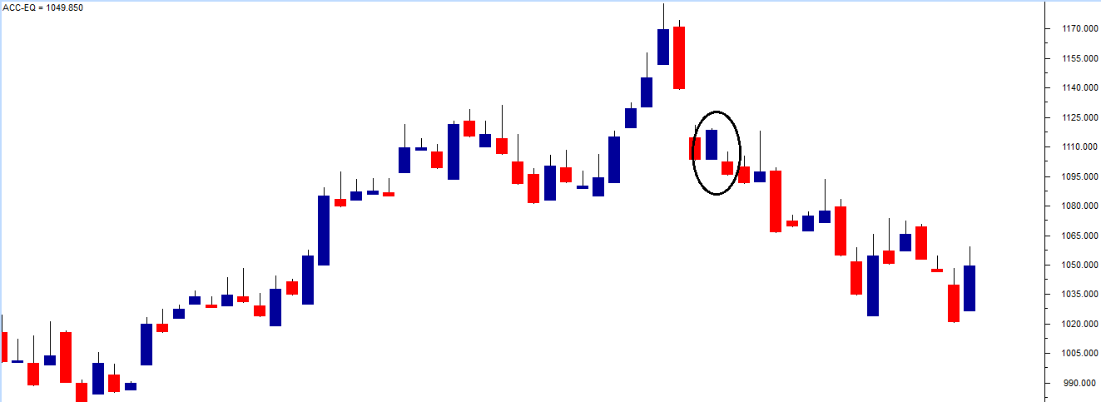
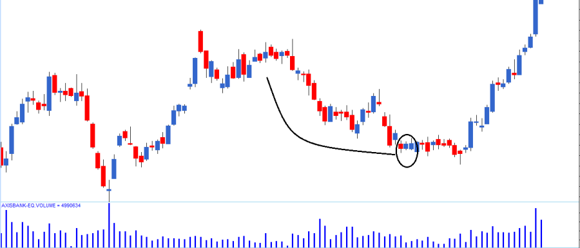
 | 6. The bullishness is expected to continue over the next few successive trading sessions, driving the prices higher and hence the trader should look for buying opportunities

 | The trade set up for the bullish engulfing pattern is as follows:
 | 1. The bullish engulfing pattern evolves over two days
 | 2. The suggested buy price is around the close price of the blue candle, i.e. on P2
 | Risk-taker initiates the trade on P2 itself after ensuring P2 is engulfing P1 |  | Here is an example where the risk-averse trader would have benefited : | Here is another chart which shows the continuation of a downtrend after the occurrence of spinning tops.
 | The risk-averse initiates the trade on the next day, i.e. the day after P2 around the closing price, after confirming the day is forming a blue candle |  | Notice in the chart above, a bullish marubozu has been encircled. The risk-taker would have initiated a trade to buy the stock on the same day around the close, only to book a loss on the next day. However, the risk-averse would have avoided buying the stock entirely because the next day happened to be a red candle day. Going by the rule, we should buy only on a blue candle day and sell on a red candle day. | 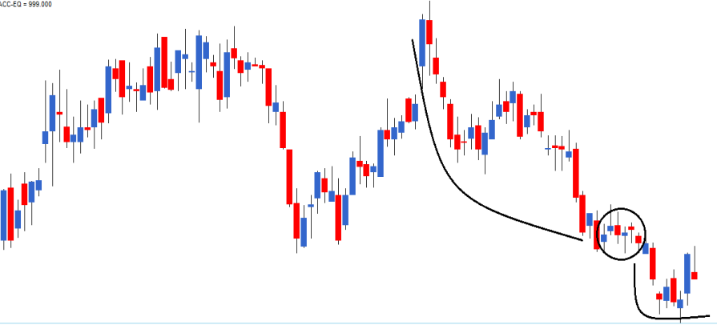
 | If the day after P2 is a red candle day, the risk-averse trader will ignore the trade, owing to rule 1 of candlesticks (Buy strength and Sell weakness) |  | Stoploss - So after you initiate a buy trade, if the markets move in the opposite direction, you should exit the stock if price breaches the low of the marubozu. | Spinning tops in an uptrend
 | On a personal note, in multiple candlestick patterns where the trade evolves over 2 or more days, it is worth to be a risk-taker as opposed to a risk-averse trader |  | The trade trap Earlier in this chapter, we did discuss the length of the candle. One should avoid trading during a minimal (below 1% range) or long candle (above 10% range). A small candle indicates subdued trading activity, and hence it would be difficult to identify the direction of the trade. On the other hand, a long candle indicates extreme activity. The problem with lengthy candles would be the placement of stoploss. The stoploss would be deep, and in case the trade goes wrong, the penalty for paying would be painful. For this reason, one should avoid trading on candles that are either too short or too long.
 | 3. The stop loss for the trade would be at the lowest low between P1 and P2 |  | Key takeaways from this chapter Remember the rules based on which candlesticks work. Marubozu is the only pattern which violates rule number 3, i.e. Look for the prior trend. A bullish marubozu indicates bullishness. Buy around the closing price of a bullish marubozu Keep the low of the marubozu as the stoploss A bearish marubozu indicates bearishness. Sell around the closing price of a bearish marubozu Keep the high of the marubozu as the stoploss An aggressive trader can place the trade on the same day as the pattern forms. Risk-averse traders can place the trade on the next day after ensuring that it obeys rule number 1, i.e. Buy strength, and Sell weakness. Abnormal candle lengths should not be traded. Short candle indicates subdued activity. Long candle indicates extreme activity; however, placing stoploss becomes an issue.
 | Needless to say, once the trade has been initiated, you will have to wait until the target has been hit or the stoploss has been breached. Of course, one can always trail the stop loss to lock in profits.

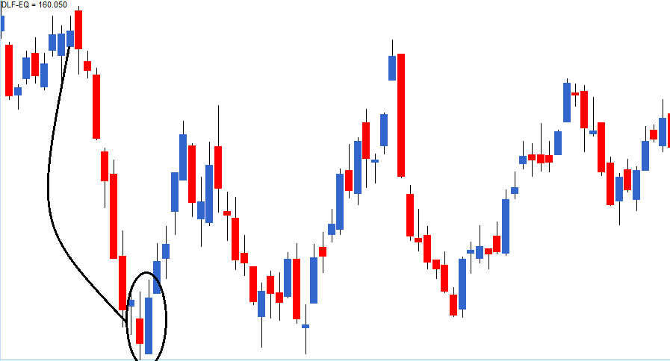

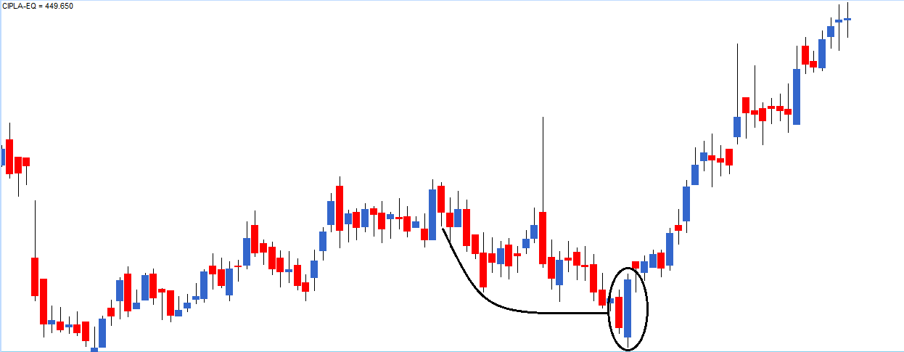

 | Here is an example of a perfect bullish engulfing pattern formed on Cipla Ltd, the risk-averse trader would have completely missed out a great trading opportunity.

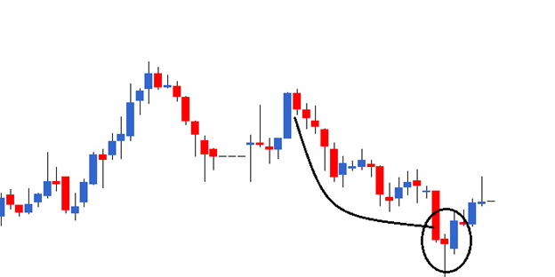

 | So going by that thought, I’d be happy to classify the following pattern as a bullish engulfing pattern, even though the shadows are not engulfed.

