CheckList
Checklist for Fixing Rows Delete summary rows: Total, Subtotal rows Delete incorrect rows: Header rows, Footer rows Delete extra rows: Column number, indicators, Blank rows, Page No. Checklist for Fixing Columns Merge columns for creating unique identifiers if needed: E.g. Merge State, City into Full address Split columns for more data: Split address to get State and City to analyse each separately Add column names: Add column names if missing Rename columns consistently: Abbreviations, encoded columns Delete columns: Delete unnecessary columns Align misaligned columns: Dataset may have shifted columns | deal with missing values: Set values as missing values: Identify values that indicate missing data, and yet are not recognised by the software as such, e.g treat blank strings, "NA", "XX", "999", etc. as missing. Adding is good, exaggerating is bad: You should try to get information from reliable external sources as much as possible, but if you can’t, then it is better to keep missing values as such rather than exaggerating the existing rows/columns. Delete rows, columns: Rows could be deleted if the number of missing values are insignificant in number, as this would not impact the analysis. Columns could be removed if the missing values are quite significant in number. Fill partial missing values using business judgement: Missing time zone, century, etc. These values are easily identifiable. | 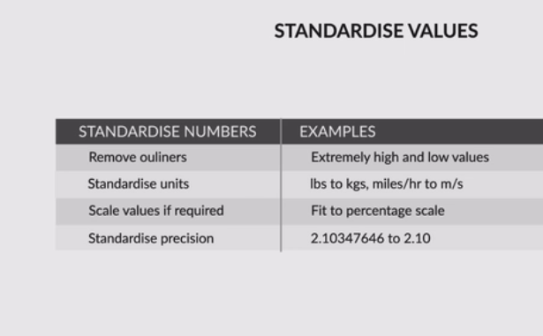 | 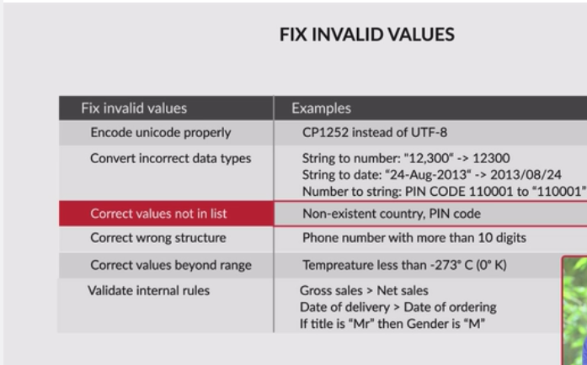 | Filtering Data Deduplicate data: Remove identical rows, remove rows where some columns are identical Filter rows: Filter by segment, filter by date period to get only the rows relevant to the analysis Filter columns: Pick columns relevant to the analysis Aggregate data: Group by required keys, aggregate the rest

 |  | Checklist for standardising text Remove extra characters like such as common prefix/suffix, leading/trailing/multiple spaces, etc. These are irrelevant to analysis. Standardise case: There are various cases that string variables may take, e.g. UPPERCASE, lowercase, Title Case, Sentence case, etc. Since R is case sensitive, ensure that all the observations under a variable have the same case. Standardise format: E.g. 23/10/16 to 2016/10/20, “Modi, Narendra" to “Narendra Modi", etc. | If you have an invalid value problem, and you do not know what accurate values could replace the invalid values, it is recommended to treat these values as missing. Encode unicode properly: In case the data is being read as junk characters, try to change encoding, E.g. CP1252 instead of UTF-8. Convert incorrect data types: Correct the incorrect data types to the correct data types for ease of analysis. E.g. if numeric values are stored as strings, it would not be possible to calculate metrics such as mean, median, etc. Some of the common data type corrections are — string to number: "12,300" to “12300”; string to date: "2013-Aug" to “2013/08”; number to string: “PIN Code 110001” to "110001"; etc. Correct values that go beyond range: If some of the values are beyond logical range, e.g. temperature less than -273° C (0° K), you would need to correct them as required. A close look would help you check if there is scope for correction, or if the value needs to be removed. Correct values not in the list: Remove values that don’t belong to a list. E.g. In a data set containing blood groups of individuals, strings “E” or “F” are invalid values and can be removed. Correct wrong structure: Values that don’t follow a defined structure can be removed. E.g. In a data set containing pin codes of Indian cities, a pin code of 12 digits would be an invalid value and needs to be removed. Similarly, a phone number of 12 digits would be an invalid value. Validate internal rules: If there are internal rules such as a date of a product’s delivery must definitely be after the date of the order, they should be correct and consistent.

Univariate
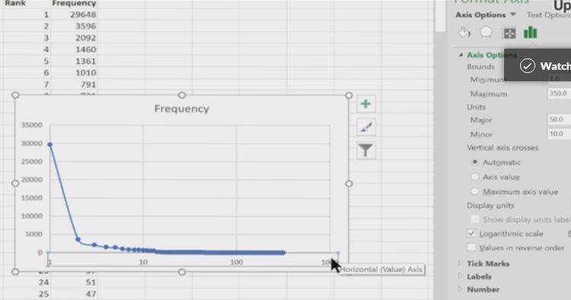
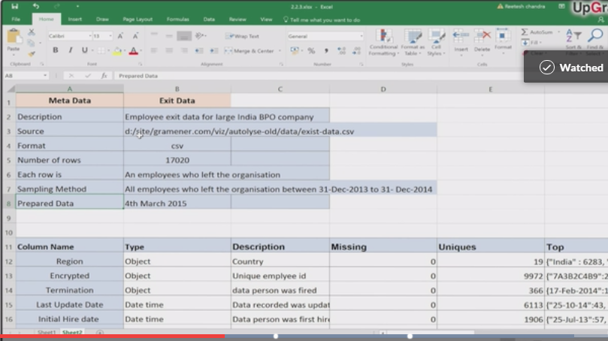
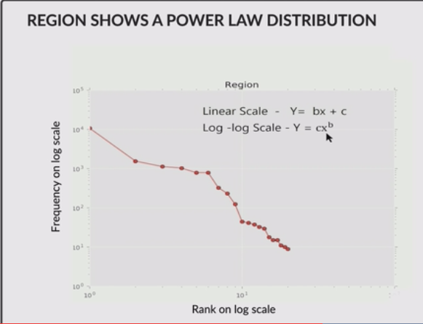
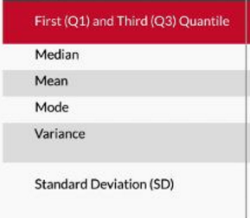
Meta Data Description | Unordered Categorical Variables - Univariate Analysis | Ordered Categorical Variables - Univariate Analysis | Quantitative Variables - Univariate Analysis
 |  | whenever you have a continuous or an ordered categorical variable, make sure you plot a histogram or a bar chart and observe any unexpected trends in it. | median is almost always a better measure of ‘representativeness’.
 |  |  | mea

 |  |  | mode for categorical data

 |  |  | SD = sqrt(variance)

ordered and unordered categorical variables - Ordered ones have some kind of ordering. Some examples are Salary = High-Medium-low Month = Jan-Feb-Mar etc. Unordered ones do not have the notion of high-low, more-less etc. Example: Type of loan taken by a person = home, personal, auto etc. Organisation of a person = Sales, marketing, HR etc. quantitative variables. These are simply numeric variables which can be added up, multiplied, divided etc. For example, salary, number of bank accounts, runs scored by a batsman, the mileage of a car etc. | rank-frequency plots enable you to extract meaning even from seemingly trivial unordered categorical variables such as country, name of an artist, name of a github user etc. non-trivial analysis is possible even on unordered categorical variables, and that plots can help you out in that process. Rank-frequency plots of unordered categorical variables, when plotted on a log-log scale, typically result in a power law distribution |  | Standard deviation and interquartile difference are both used to represent the spread of the data. Interquartile difference is a much better metric than standard deviation if there are outliers in the data. This is because the standard deviation will be influenced by outliers while the interquartile difference will simply ignore them. Spread should be communicated by quartiles. Q1 -> 25%; Q3 -> 75% (box plots)
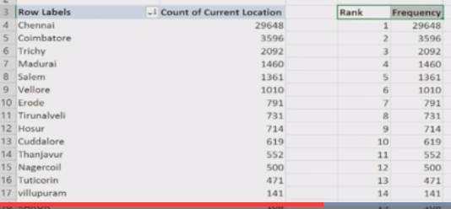

 | Plotting on a log scale compresses the values to a smaller scale which makes the plot easy to read

