ER
ER-Diagram
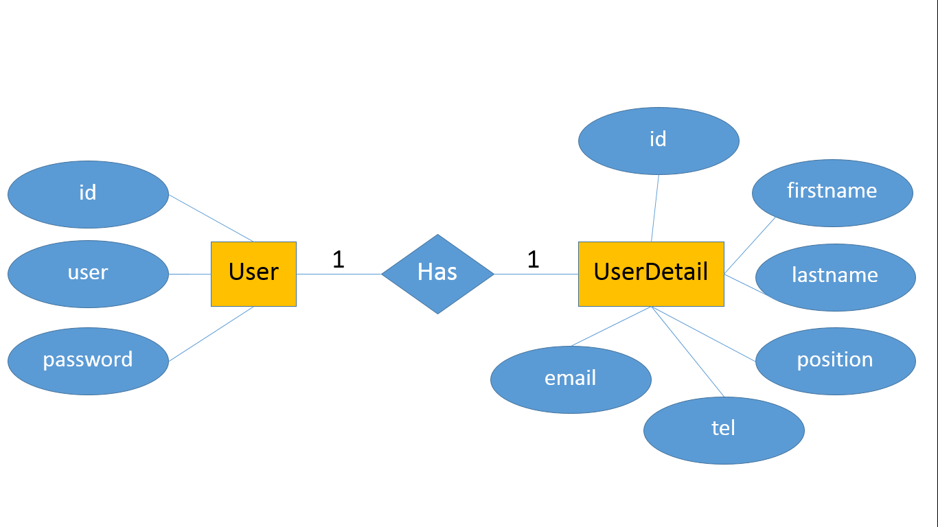
User | UserDetail
Field Name | Field Name
ID PK | ID PK
User | FirstName
Password | LastName
 | Position
 | Tel
 | Email

