Summary
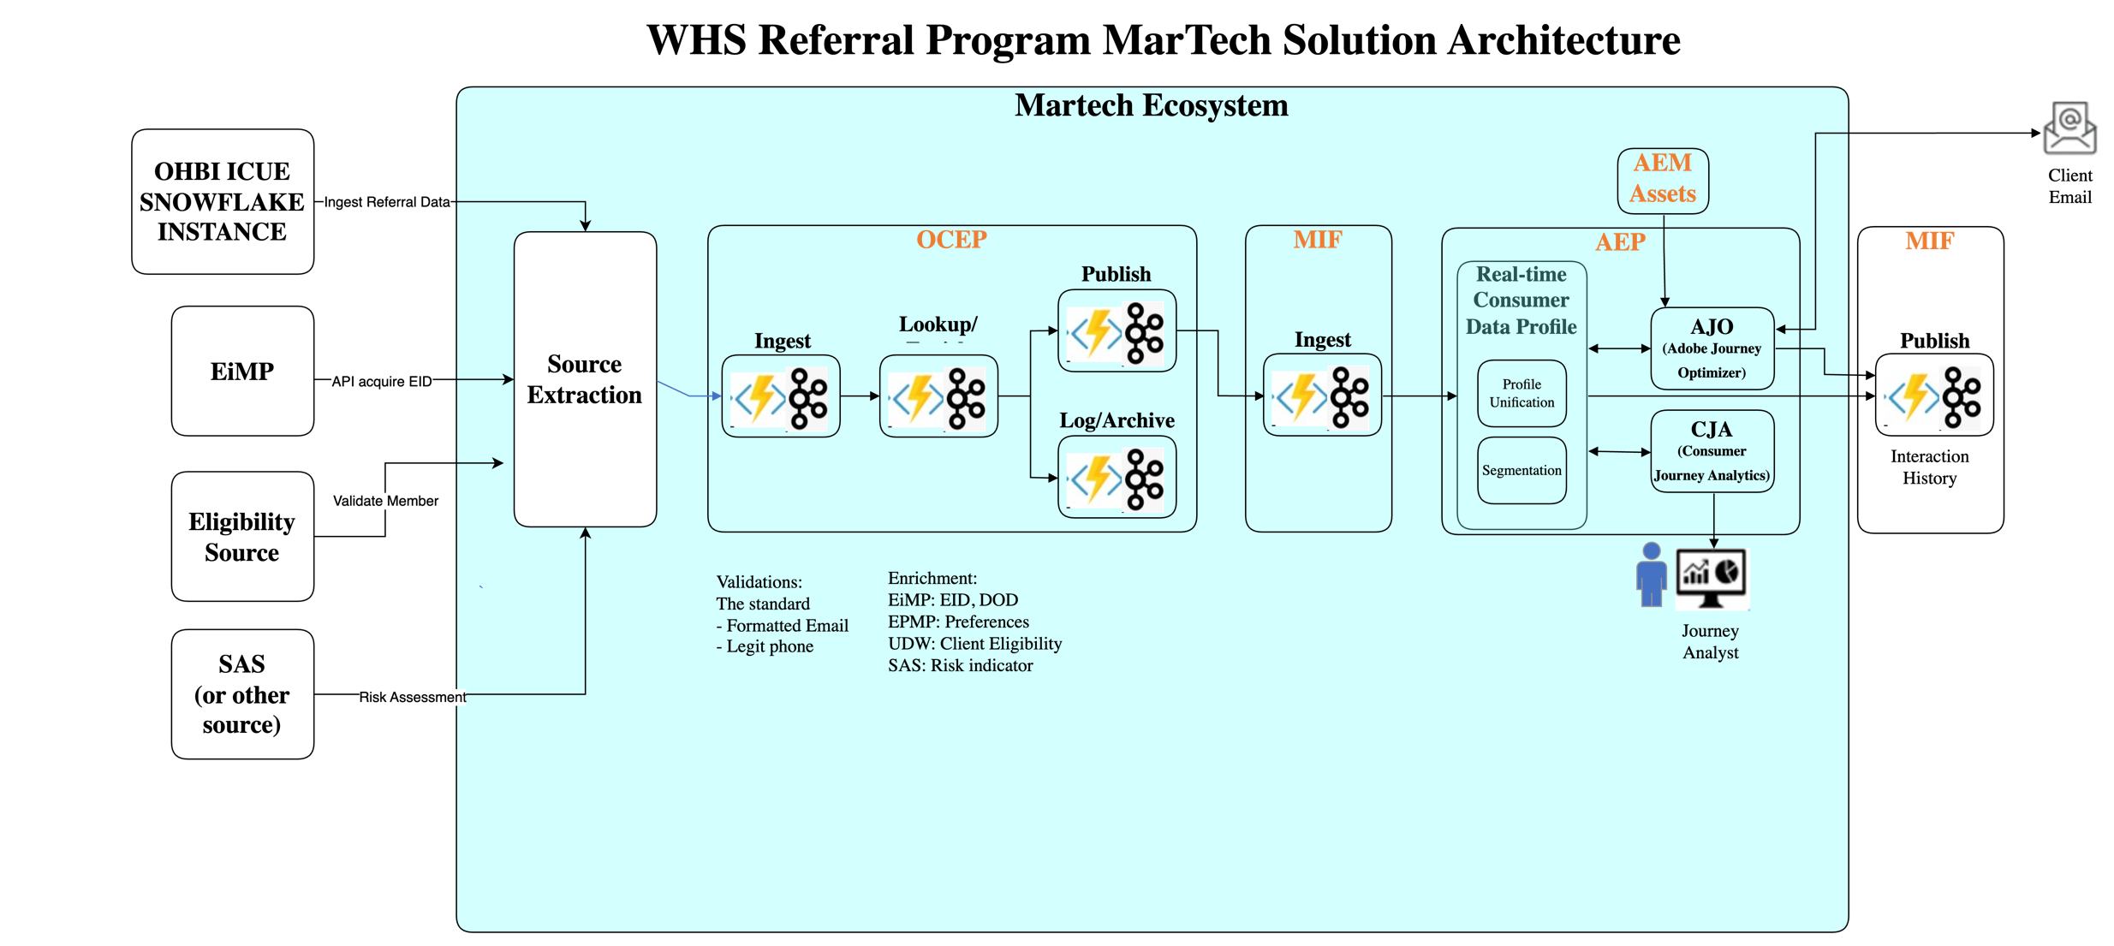
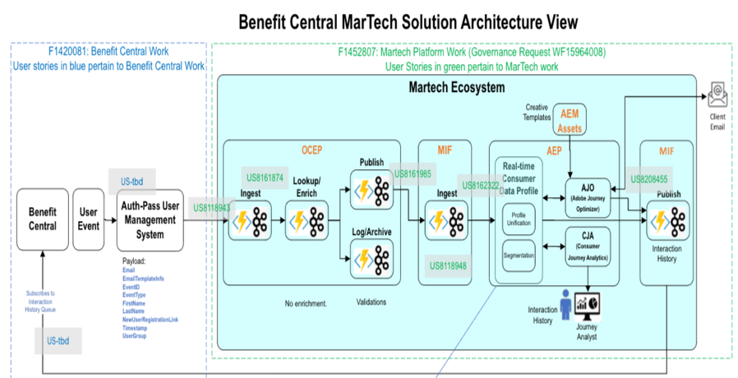
Project Name: | Whole Health Solutions -- Member Referral | This excel will cover the mapping from source to target OCEP/MIF/AEP/AJO with all the enrichment/filter/transformation needed being captured with business rules for validation wherever applicable.
Summary: | The purpose of this project is provide AEP datasets that will allow AJO Journey builders to constuct pipelines which will ultimately deliver notifications regarding Whole Health Solutions prodcuts and services to UHC/OPTUM members who are determined eligibile.

ERD
