Cover
Statistical Analysis Sample Workbook


 | Sample study: mentoring, study habits, and academic performance

 | Prepared as an Excel-based sample deliverable for RE4U Research Edit4u Solutions

 | Research objective | Determine whether a structured mentoring program improves final exam performance and identify the behavioural factors linked to scores.

 | Dataset | 120 anonymized student records with variables that directly match the objective: group, study hours, attendance, sleep, pre-test, post-test, and final exam score.

 | Tests included | Descriptive statistics, independent t-test, paired t-test, Pearson correlation, simple linear regression, and one-way ANOVA.

 | Outputs | Raw data, dictionary, data quality screen, formula-driven analysis tables, dashboard charts, and detailed interpretation notes.

Workbook flow: Cover → Read Me → Data Dictionary → Raw Data → Data Quality → Descriptive Stats → Test Results → Interpretation Notes → Dashboard

Use this sample as a template and replace the objective, variables, and narrative with the client’s actual study scope.

Dashboard
Visual dashboard

Overall mean final score | Mentored mean final score | Control mean final score | Study-hours correlation (r)

77.6 | 80.0 | 75.2 | 0.521

#NAME?

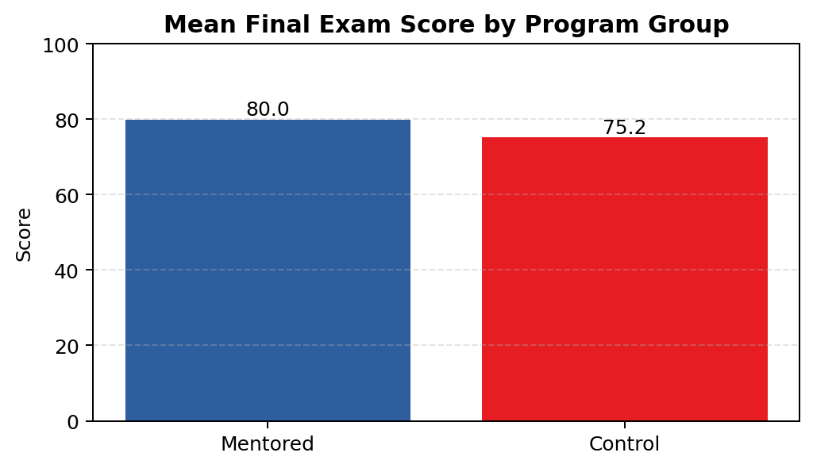
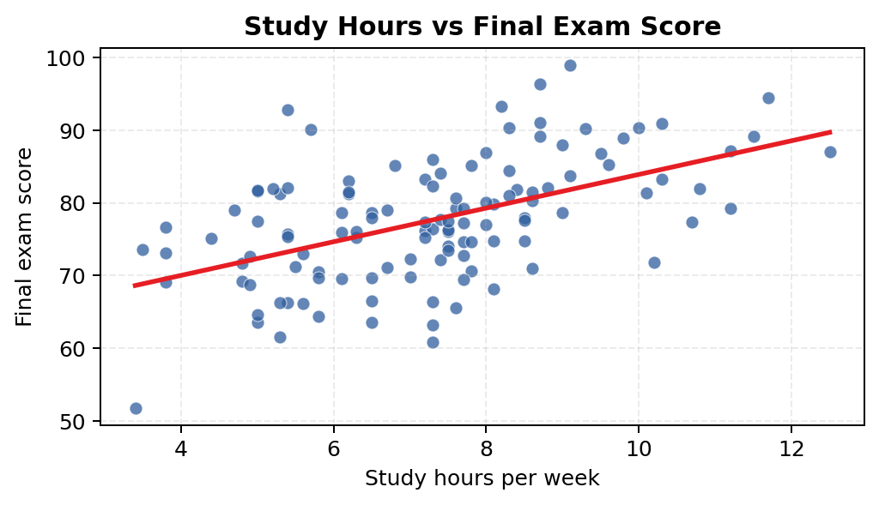

Interpretation: the mentored group has the higher average final score, consistent with the t-test. |  | Interpretation: the upward trend line indicates a positive study-hours relationship with performance.

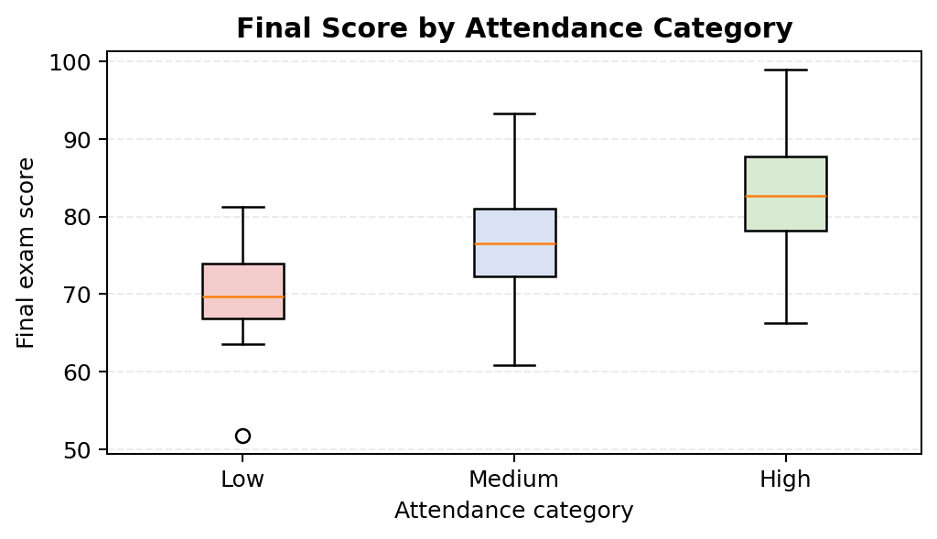
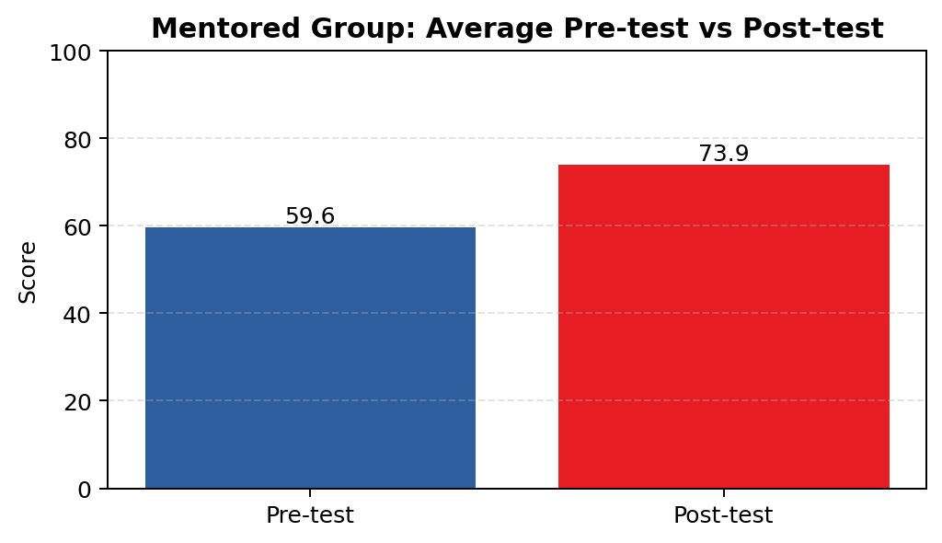

Interpretation: students with higher attendance tend to have higher median and average final scores. |  | Interpretation: the mentored group improved materially from baseline to post-test.

