Sheet1
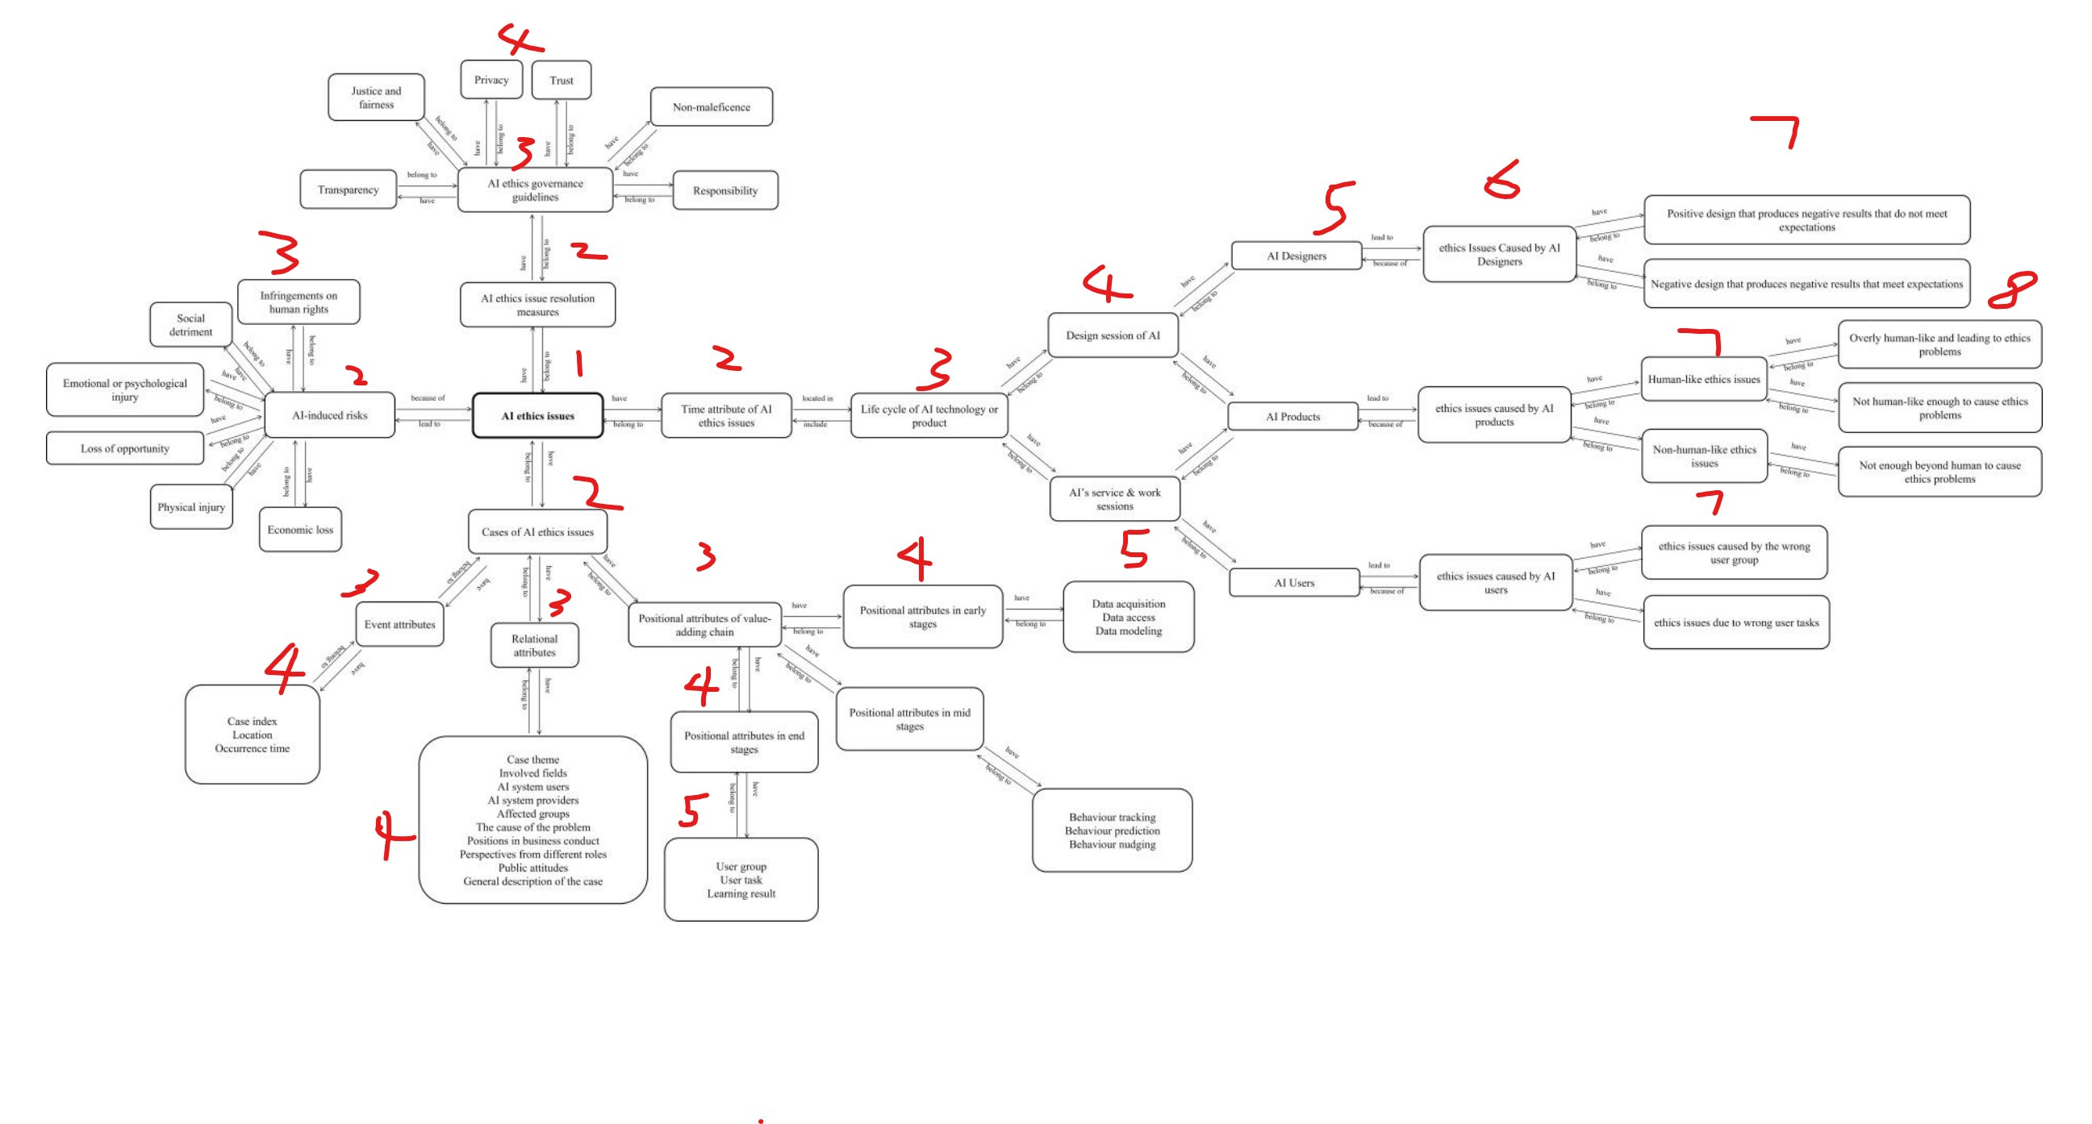
AI ethics issues | Time attributes of AI ethical issues | Life cycle of Al technology or product | Design session of Al | AI Designers | ethics Issues Caused by Al Designers | Positive design that produces negative results that do not meet expectations | Negative design that produces negative results that meet expectations | AI Products | ethics issues caused by Al products | Human-like ethics issues | Overly human-like and leading to ethics problems | Not human-like enough to cause ethics problems | Non-human-like ethics issues | Not enough beyond human to cause ethics problems | AI's service & work sessions | Users | ethics issues caused by Al users | ethics issues caused by the wrong user group | ethics issues due to wrong user tasks | AI ethics issue resolution measures | AI ethics governance guidelines | Transparency | Justice and fairness | degree of influence | Privacy | Trust | Non-maleficence | Responsibility | AI-induced risks | Infringements on human rights | Social detriment | Emotional or psychological injury | Loss of opportunity | Physical injury | Economic loss | Cases of AI ethics issues | Event attributes | Index | Place | Time | Relational attributes | Case theme | Influencer | Results | Reason | Opinion | Response | URL | Fields | Provider | The cause of the problem | Positions in business conduct | Attitude | Description | Positional attribute | Positional attributes in early stages | Data_acquisition | Data_access | Data_modeling | Positional attributes in mid stages | Behavior_tracking | Behavior_prediction | Behaviour_nudging | Positional attributes in end stages | Wrong_user_group | Wrong_user_task | Surprising_learning_result
1 | 2 | 3 | 4 | 5 | 6 | 7 | 7 | 5 | 6 | 7 | 8 | 8 | 7 | 8 | 4 | 5 | 6 | 7 | 7 | 2 | 3 | 4 | 4 | 4 | 4 | 4 | 4 | 4 | 2 | 3 | 3 | 3 | 3 | 3 | 3 | 2 | 3 | 4 | 4 | 4 | 3 | 4 | 4 | 4 | 4 | 4 | 4 | 4 | 4 | 4 | 4 | 4 | 4 | 4 | 3 | 4 | 5 | 5 | 5 | 4 | 5 | 5 | 5 | 4 | 5 | 5 | 5
 |  |  |  |  |  | 1 | 1 |  |  |  | 1 | 1 |  | 1 |  |  |  | 1 | 1 |  |  | 1 | 1 |  | 1 | 1 | 1 | 1 |  | 1 | 1 | 1 | 1 | 1 | 1 |  |  |  |  |  |  |  |  |  |  |  |  |  |  |  |  |  |  |  |  | 1 | 1 | 1 | 1 | 1 | 1 | 1 | 1 | 1 | 1 | 1 | 1
SS | DD | DD | D | D | D | D | D | D | D | D | D | D | D | D | D | D | D | D | D | CC | CC | C | C | C | C | C | C | C | BB | B | B | B | B | B | B | AA | AA | A | A | A | AA | A | A | A | A | A | A | A | A | A | A | A | A | A | AA | A | A | A | A | A | A | A | A | A | A | A | A

