Лист1
№ | Модель | Фото | Цена за 1 пару в рублях |  | № | Модель | Фото | Цена за 1 пару в рублях
1 | Jordan Flight Flex Trainer 2 | 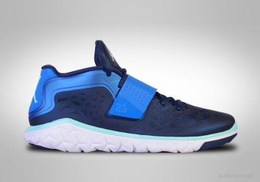 | 2269 | ЛЮБЫЕ цвета - ЛЮБЫЕ размеры, минимальная партия от 20 штук | 53 | Asics Gel Lyte | 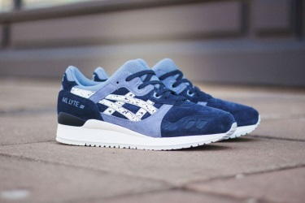 | 2501
2 | Nike Air Max 95 Sneakerboot | 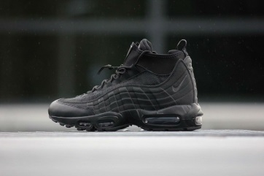 | 2675 | Доставка 6$ за кг - 10-14 дней, 3$ за кг - 21-10 дней | 54 | Adidas x |  | 2501
3 | Nike Air Max 95 Sneakerboot | 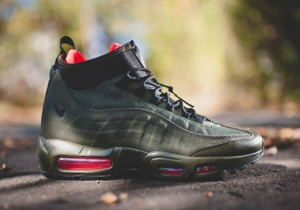 | 2675 | Качество фабричное А+, копии, идеальное 1:1 | 55 | Jordan | 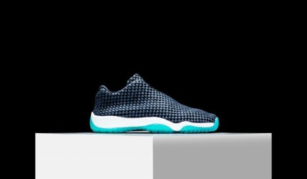 | 2501
4 | Adidas Tubular Instinct | 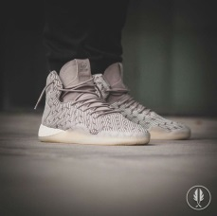 | 2559 |  | 56 | Asics Gel Lyte |  | 2501
5 | Adidas Yezzy | 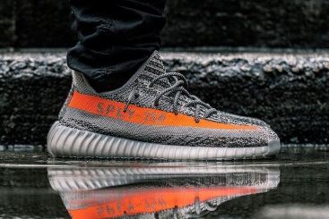 | 2559 |  | 57 | Adidas Y-3 | 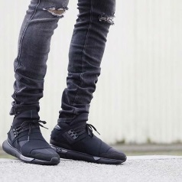 | 2617
6 | Jordan |  | 2501 |  | 58 | Adidas YEZZY |  | 2617
7 | Nike Air Force Suede | 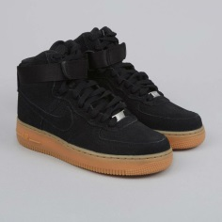 | 2095 |  | 59 | Asics Gel Lyte |  | 2327
8 | Nike Air Force Suede | 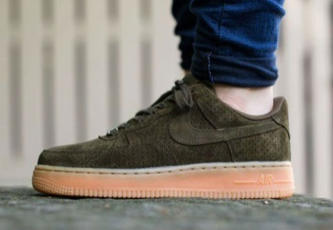 | 2095 |  | 60 | Nike Air Force | 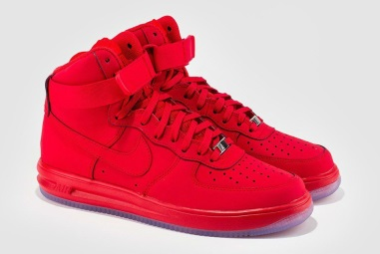 | 2327
9 | Nike Air Force Suede | 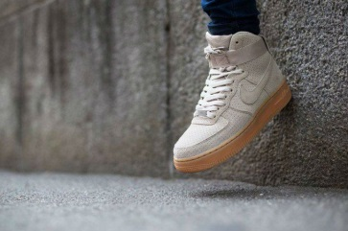 | 2095 |  | 61 | Nike Air Max 2017 | 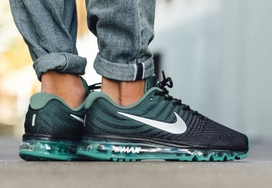 | 2559
10 | Nike Air Force Suede | 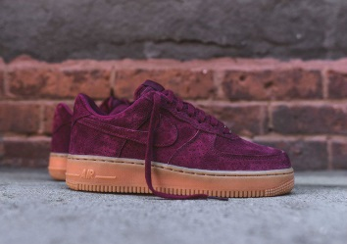 | 2095 |  | 62 | Nike Air Max | 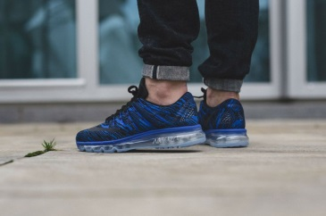 | 2385
11 | Adidas Tubular Invaider | 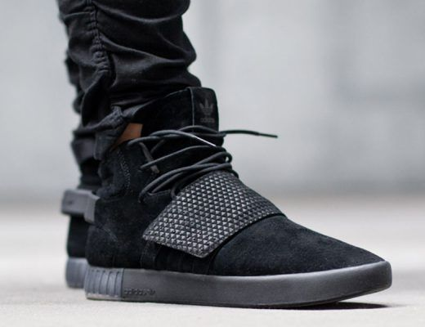 | 2443 |  | 63 | Nike Air x | 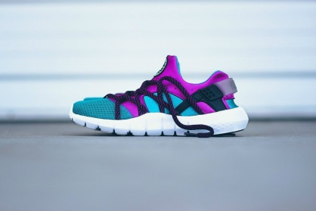 | 2385
12 | Nike Air Max 95 | 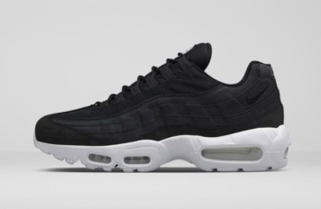 | 2385 |  | 64 | Native Boot | 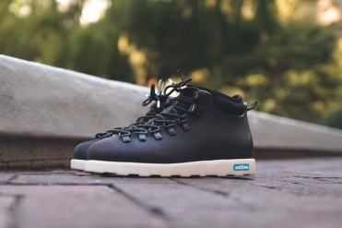 | 2211
13 | Nike Air Max 95 | 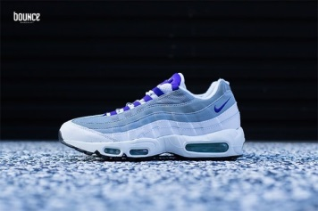 | 2385 |  | 65 | Asics Gel Lyte Leather | 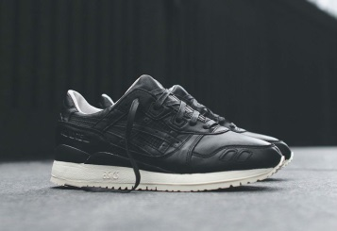 | 2501
14 | Puma x Disc Blaze x | 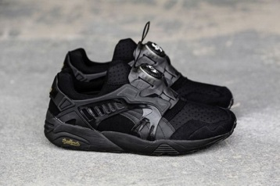 | 2327 |  | 66 | New Balance | 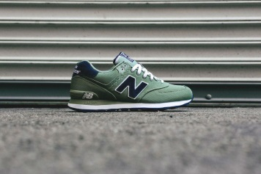 | 2385
15 | Jordan 4 | 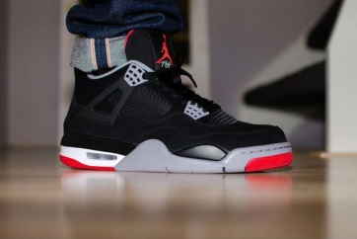 | 2269 |  | 67 | Puma Disc Blaze | 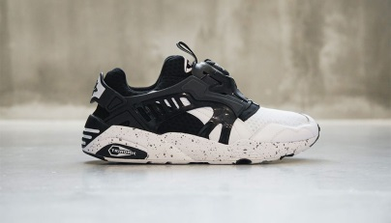 | 2327
16 | Vans | 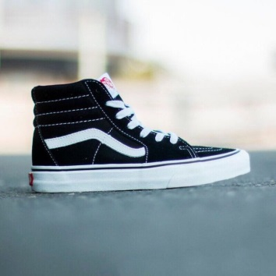 | 1979 |  | 68 | Nike Air Foamposite Pro "BEN GORDON" | 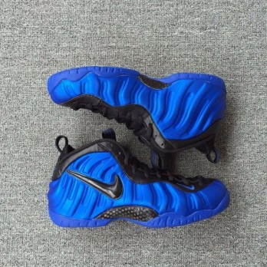 | 3081
17 | Jordan Westbrook | 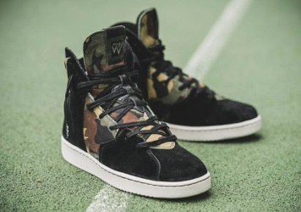 | 2849 |  | 69 | Adidas Tubular Shadow | 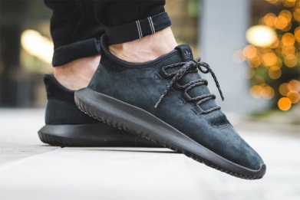 | 2501
18 | Adidas Tubular Invaider | 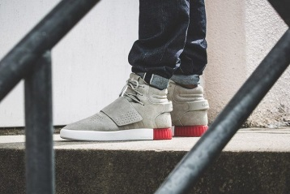 | 2443 |  | 70 | Puma Trinomic | 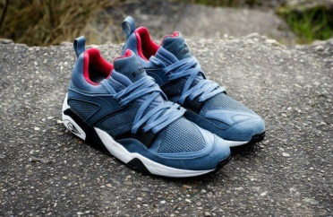 | 2443
19 | Vans | 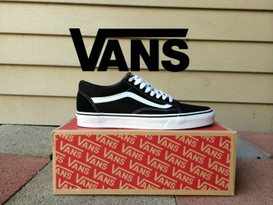 | 1921 |  | 71 | Nike Special Field Air Force 1 | 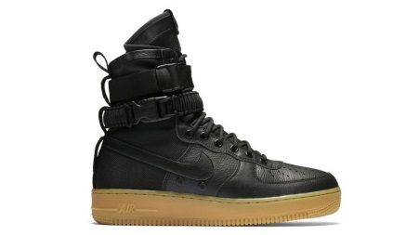 | 3023
20 | Nike Sock Dart | 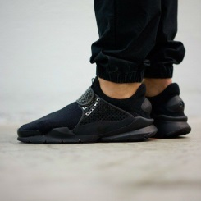 | 2095 |  | 72 | Puma Sakura | 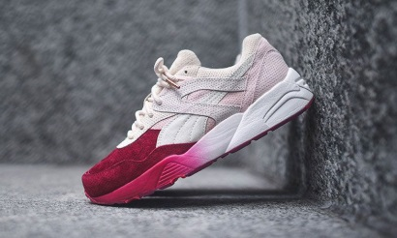 | 2501
21 | Puma x Ronnie Fieg x | 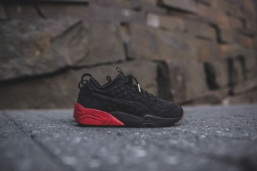 | 2385 |  | 73 | Puma x Ronnie Fieg x | 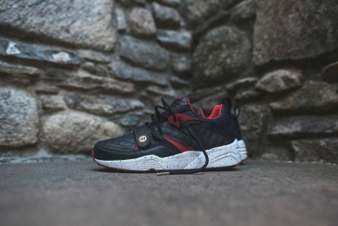 | 2443
22 | Asics Gel | 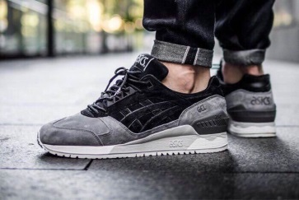 | 2501 |  | 74 | Adidas Trimm Star | 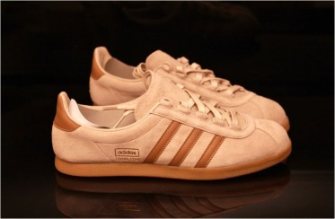 | 2443
23 | Asics Gel Lyte | 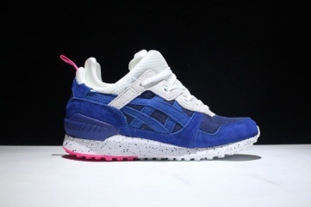 | 2559 |  | 75 | Adidas Ultra Boost | 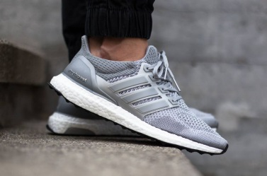 | 2501
24 | Asics Gel Lyte | 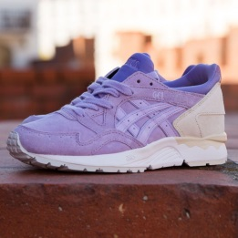 | 2501 |  | 76 | Puma Trinomic | 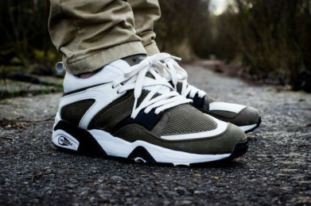 | 2443
25 | Nike Air Max 97 | 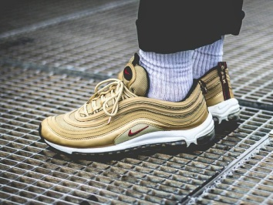 | 2385 |  | 77 | Nike Air Force | 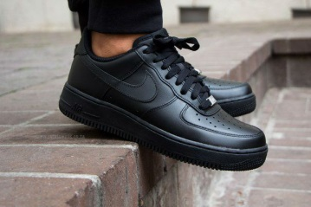 | 2211
26 | Nike Lunar Force Duckboot | 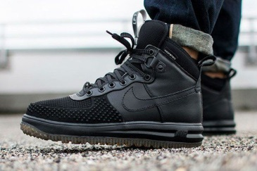 | 2907 |  | 78 | Nike Huarache |  | 2095
27 | Adidas EQT | 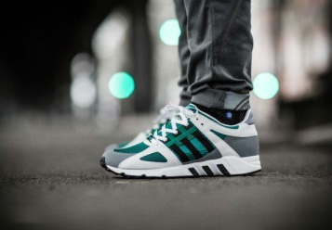 | 2327 |  | 79 | Nike Air Force | 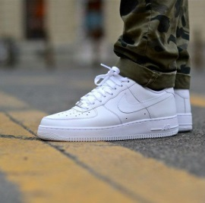 | 2211
28 | Adidas EQT x Blackout x | 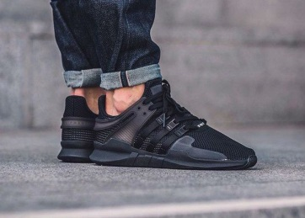 | 2327 |  | 80 | Nike Air Force | 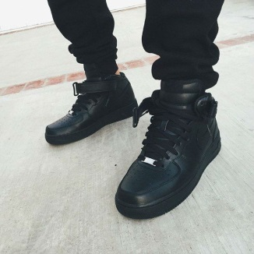 | 2211
29 | Adidas NMD |  | 2269 |  | 81 | Asics Gel Lyte |  | 2327
30 | Adidas Tubular |  | 2211 |  | 82 | Nike Roshe Run |  | 2095
31 | Adidas Yezzy |  | 2211 |  | 83 | Nike Air Force Suede |  | 2095
32 | Adidas Ultra Boost |  | 2095 |  | 84 | Nike Air Max |  | 2269
33 | Adidas Hamburg |  | 2269 |  | 85 | Nike Air Max |  | 2269
34 |  |  | 2443 |  | 86 | Asics Gel Lyte |  | 2501
35 | Puma Rihanna |  | 2211 |  | 87 | Nike Air Force |  | 2211
36 | Adidas Superstar |  | 2327 |  | 88 | Asics Gel Lyte |  | 2327
37 | Adidas Tubular Invaider |  | 2443 |  | 89 | Adidas Gazelle OG |  | 2269
38 | Adidas Race |  | 2211 |  | 90 | Nike Air Force |  | 2153
39 | Jordan |  | 2501 |  | 91 | Adidas Gazelle OG |  | 2269
40 | Nike Free Run |  | 2095 |  | 92 | Nike Air Force |  | 2211
41 | Reebok Classic |  | 2501 |  | 93 | Adidas x Stan Smith x |  | 2269
42 | Reebok Classic leather White |  | 2385 |  | 94 | Nike Huarache |  | 2095
43 | Adidas Dublin |  | 2327 |  | 95 | Nike Huarache |  | 2095
44 | Adidas NMD |  | 2269 |  | 96 | Nike Huarache |  | 2095
45 | Nike Presto |  | 2095 |  | 97 | Nike Huarache |  | 2095
46 | Nike Air Presto |  | 2095 |  | 98 | Nike Air Force |  | 2211
47 | Adidas Gazelle OG |  | 2269 |  | 99 | Puma Suede |  | 2385
48 | Nike Air Presto |  | 2211 |  | 100 | Puma Suede |  | 2385
49 | Adidas New-York Superstar |  | 2501 |  | 101 | Jordan |  | 2501
50 | Jordan |  | 2559 |  | 102 | Jordan |  | 2443
51 | Jordan |  | 2443 |  | 103 | Jordan |  | 2559
52 | Nike Air |  | 2327 |  | 104 | Jordan |  | 2559

