Лист1
№ | Модель | Фото | Цена за 1 пару в рублях | http://krossovkiopt.genlid.com
1 | Jordan Flight Flex Trainer 2 | 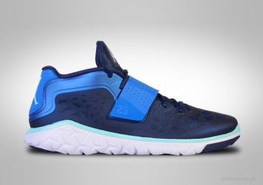 | 2269 | +7 929 116 85 65 Павел
2 | Nike Air Max 95 Sneakerboot | 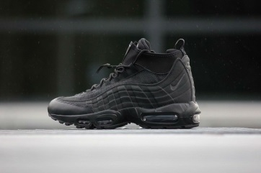 | 2675 | info@genlid.com
3 | Nike Air Max 95 Sneakerboot | 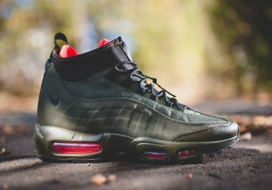 | 2675 | ЛЮБЫЕ цвета - ЛЮБЫЕ размеры, минимальная партия от 20 штук
4 | Adidas Tubular Instinct | 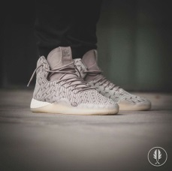 | 2559 | Доставка 6$ за кг - 10-14 дней, 3$ за кг - 21-10 дней
5 | Adidas Yezzy | 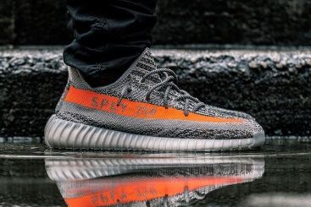 | 2559 | Качество фабричное А+, копии, идеальное 1:1
6 | Jordan |  | 2501
7 | Nike Air Force Suede | 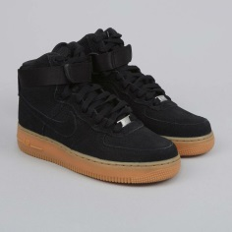 | 2095
8 | Nike Air Force Suede | 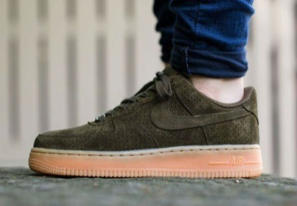 | 2095
9 | Nike Air Force Suede | 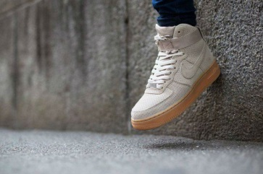 | 2095
10 | Nike Air Force Suede | 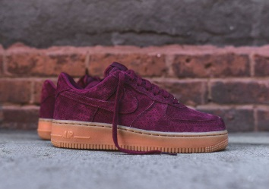 | 2095
11 | Adidas Tubular Invaider | 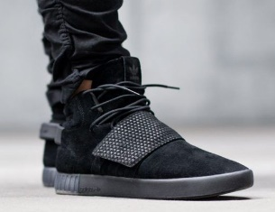 | 2443
12 | Nike Air Max 95 | 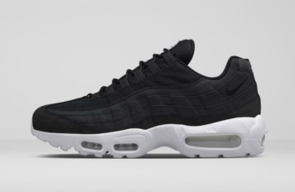 | 2385
13 | Nike Air Max 95 | 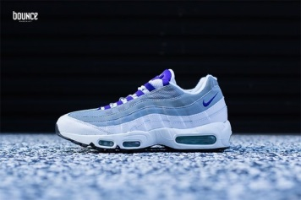 | 2385
14 | Puma x Disc Blaze x | 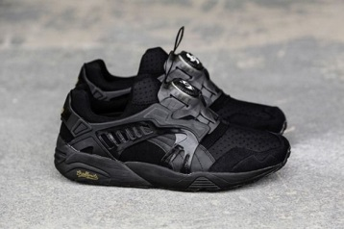 | 2327
15 | Jordan 4 | 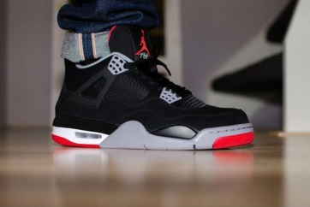 | 2269
16 | Vans | 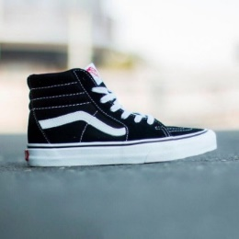 | 1979
17 | Jordan Westbrook | 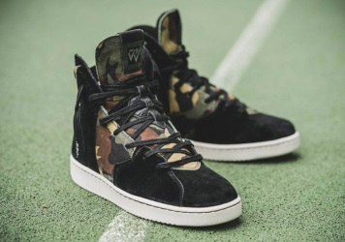 | 2849
18 | Adidas Tubular Invaider | 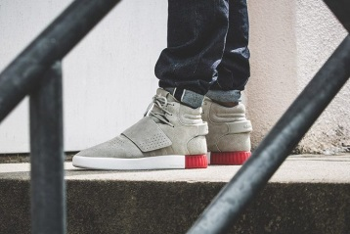 | 2443
19 | Vans | 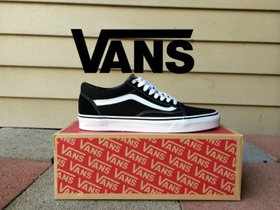 | 1921
20 | Nike Sock Dart | 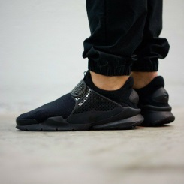 | 2095
21 | Puma x Ronnie Fieg x | 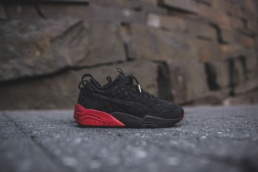 | 2385
22 | Asics Gel | 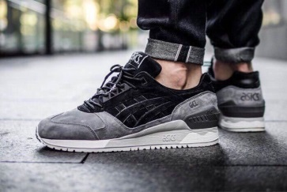 | 2501
23 | Asics Gel Lyte | 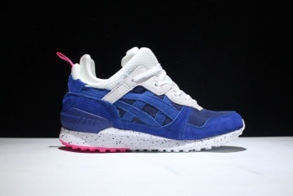 | 2559
24 | Asics Gel Lyte | 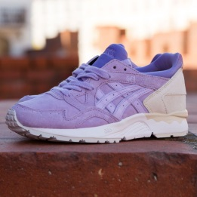 | 2501
25 | Nike Air Max 97 | 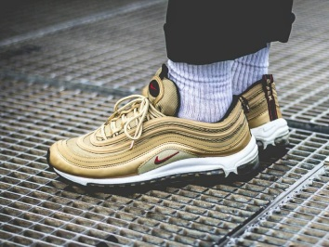 | 2385
26 | Nike Lunar Force Duckboot | 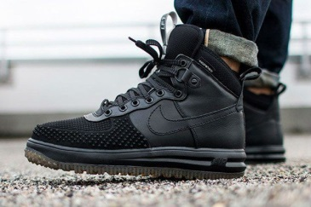 | 2907
27 | Adidas EQT | 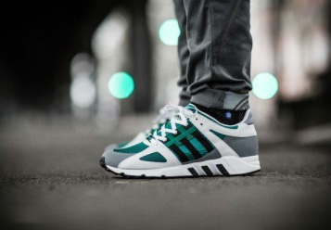 | 2327
28 | Adidas EQT x Blackout x | 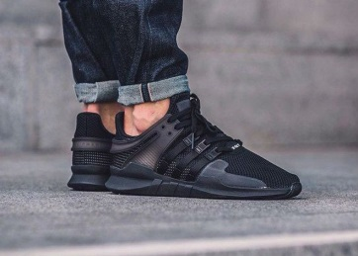 | 2327
29 | Adidas NMD | 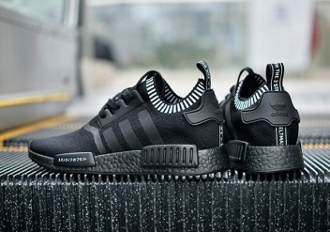 | 2269
30 | Adidas Tubular | 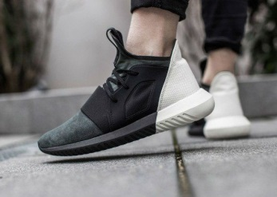 | 2211
31 | Adidas Yezzy | 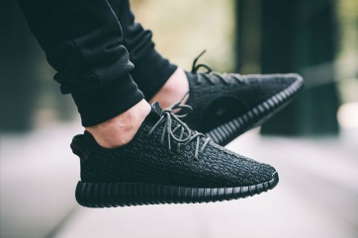 | 2211
32 | Adidas Ultra Boost | 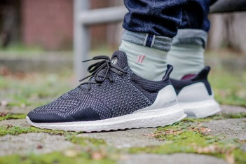 | 2095
33 | Adidas Hamburg |  | 2269
34 |  | 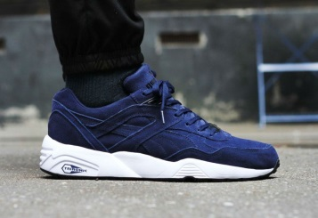 | 2443
35 | Puma Rihanna | 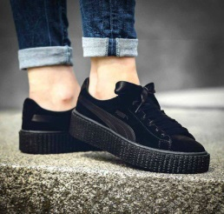 | 2211
36 | Adidas Superstar | 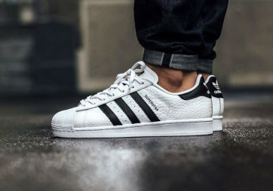 | 2327
37 | Adidas Tubular Invaider | 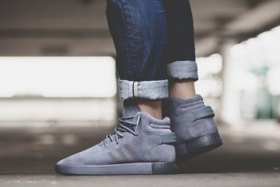 | 2443
38 | Adidas Race | 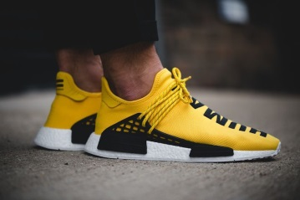 | 2211
39 | Jordan | 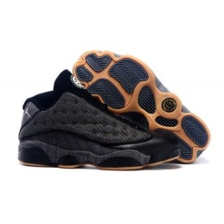 | 2501
40 | Nike Free Run | 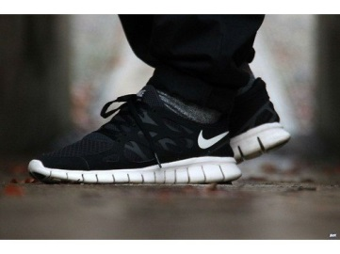 | 2095
41 | Reebok Classic | 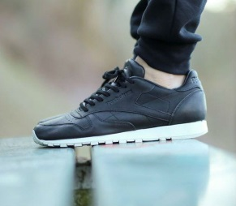 | 2501
42 | Reebok Classic leather White | 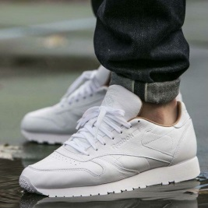 | 2385
43 | Adidas Dublin | 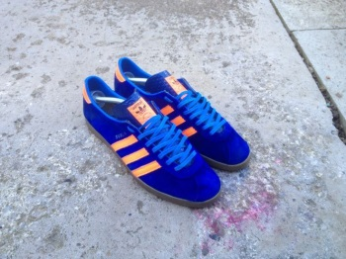 | 2327
44 | Adidas NMD |  | 2269
45 | Nike Presto | 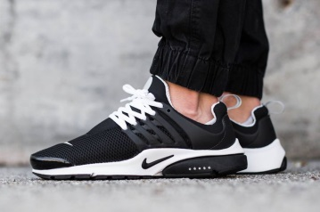 | 2095
46 | Nike Air Presto | 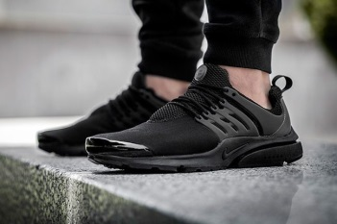 | 2095
47 | Adidas Gazelle OG | 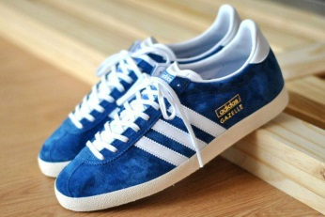 | 2269
48 | Nike Air Presto |  | 2211
49 | Adidas New-York Superstar |  | 2501
50 | Jordan | 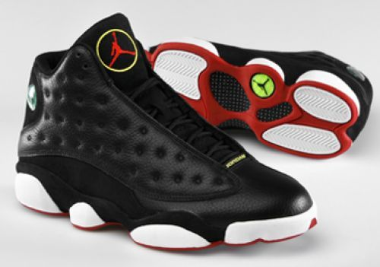 | 2559
51 | Jordan | 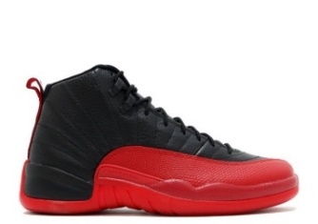 | 2443
52 | Nike Air | 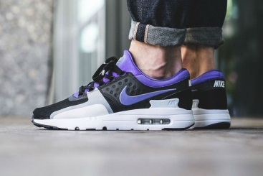 | 2327
53 | Asics Gel Lyte | 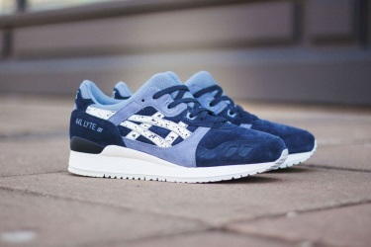 | 2501
54 | Adidas x |  | 2501
55 | Jordan |  | 2501
56 | Asics Gel Lyte |  | 2501
57 | Adidas Y-3 | 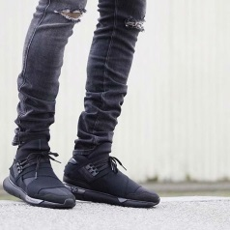 | 2617
58 | Adidas YEZZY |  | 2617
59 | Asics Gel Lyte |  | 2327
60 | Nike Air Force | 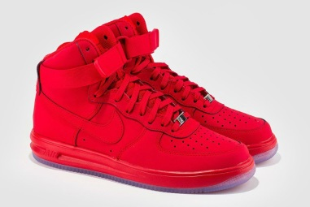 | 2327
61 | Nike Air Max 2017 |  | 2559
62 | Nike Air Max |  | 2385
63 | Nike Air x |  | 2385
64 | Native Boot |  | 2211
65 | Asics Gel Lyte Leather |  | 2501
66 | New Balance |  | 2385
67 | Puma Disc Blaze |  | 2327
68 | Nike Air Foamposite Pro "BEN GORDON" |  | 3081
69 | Adidas Tubular Shadow |  | 2501
70 | Puma Trinomic |  | 2443
71 | Nike Special Field Air Force 1 |  | 3023
72 | Puma Sakura |  | 2501
73 | Puma x Ronnie Fieg x |  | 2443
74 | Adidas Trimm Star |  | 2443
75 | Adidas Ultra Boost |  | 2501
76 | Puma Trinomic |  | 2443
77 | Nike Air Force |  | 2211
78 | Nike Huarache |  | 2095
79 | Nike Air Force |  | 2211
80 | Nike Air Force |  | 2211
81 | Asics Gel Lyte |  | 2327
82 | Nike Roshe Run |  | 2095
83 | Nike Air Force Suede |  | 2095
84 | Nike Air Max |  | 2269
85 | Nike Air Max |  | 2269
86 | Asics Gel Lyte |  | 2501
87 | Nike Air Force |  | 2211
88 | Asics Gel Lyte |  | 2327
89 | Adidas Gazelle OG |  | 2269
90 | Nike Air Force |  | 2153
91 | Adidas Gazelle OG |  | 2269
92 | Nike Air Force |  | 2211
93 | Adidas x Stan Smith x |  | 2269
94 | Nike Huarache |  | 2095
95 | Nike Huarache |  | 2095
96 | Nike Huarache |  | 2095
97 | Nike Huarache |  | 2095
98 | Nike Air Force |  | 2211
99 | Puma Suede |  | 2385
100 | Puma Suede |  | 2385
101 | Jordan |  | 2501
102 | Jordan |  | 2443
103 | Jordan |  | 2559
104 | Jordan |  | 2559

