CategorizingFeedback
asas | Feedback | Feedback Type | Desktop/iFrame Size | Orientation | Type | Priority | Browser | SS, might helpul | Status | Dev Team Comments | QC status R2 (11/7/21)
a | Styling is not as per Zeplin e.g. text font style, Submit button alignment, bottom Category boxes size, card placement at dropping area. | Earlier Feedback by Latika |  |  |  |  |  |  | Open | Fixed
a | Text is dithered please refer below screenshot: | Earlier Feedback by Latika |  |  |  |  |  |  | Open | Fixed
a | Incorrect title added. | Earlier Feedback by Latika |  |  |  |  |  |  | Verified and closed. | Fixed
a | Hand cursor is not appearing on interactive elements. | Earlier Feedback by Latika |  |  |  |  |  |  | Verified and closed. | Fixed
a | Snap back and replacing card functionality. | Earlier Feedback by Latika |  |  |  |  |  |  | Open | Fixed
a | Wave tool showing one error: | Earlier Feedback by Latika |  |  |  |  |  |  | Open | Fixed
a | Please make sure Zeplin design and production note, manuscript and accessibility guidelines should be implemented. If in case something in-progress, then please share the note with the build. | Earlier Feedback by Latika |  |  |  |  |  |  | Open | Fixed
a
a | Correct the template title Composition Category Interactive instead Summary or Evaluation? | Global | All Iframe sizes |  | Naming Convention | Medium |  |  | Open | Fixed | Not Fixed
a | Cards Functionality is not working properly. Refer to the video link: https://www.screencast.com/t/JKpKlsgIn | Global | All Iframe sizes |  | Functional | High |  |  | Open | Fixed | Not Fixed: Sometime user unable to place card in drop zone.
a | Replace the tool tip text showText with Instruction Text. | Global | All Iframe sizes |  | Accessibility | Medium |  |  | Open | Fixed | verified and closed
a | Replace the tool tip text setting with Color Contrast Settings. | Global | All Iframe sizes |  | Accessibility | Low |  |  | Open | Fixed | verified and closed
a | Top card changes it's positon. Please refer to the video link: https://www.screencast.com/t/DualrWQcVanE | Global | All Iframe sizes |  | UI + Functional | Medium |  |  | Open | Fixed | verified and closed
a | Category card should always be in the center. Currently, when user moves many cards in any of the category; position is incorrect. Please refer to the screenshot. | Global | All Iframe sizes |  | UI + Functional | Low |  | 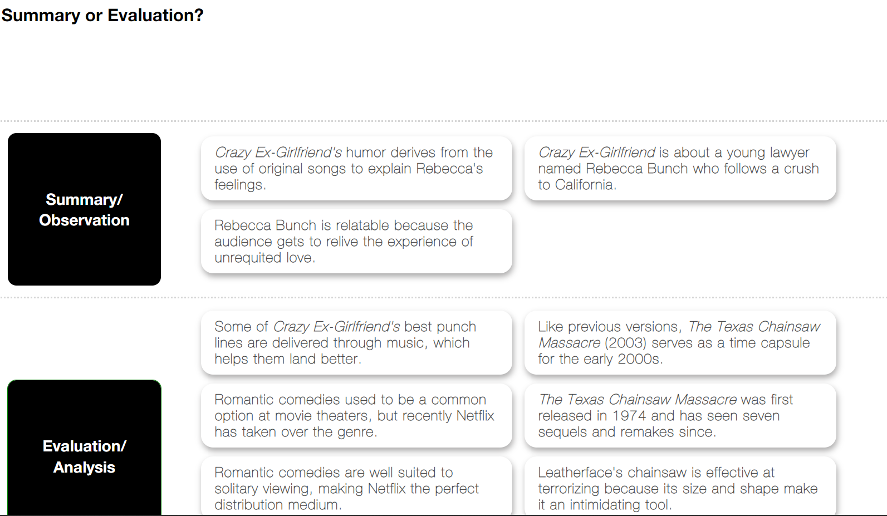 | Open | Fixed (TBD) | Currently, limit added for item cards tin one category set to 6.
a | Global for buttons: Replace alt for "setting "with "Color Scheme Settings". Please use sentence case words for single words and capitalize each word for all words as stated Color Scheme Settings or Try Again. | Global | All Iframe sizes |  | Accessibility | Low |  |  | Open | Fixed | For setting icon screen reader read two alt text. Please replace with one "Color Scheme Settings".
a | Dotted line appears in Desktop view. It is not as per zeplin design. TBD | Global | All Iframe sizes |  | UI | Low |  |  | Open | Fixed | verified and closed
a | Cards disappears when user clicks on the cards. Refer to the video link: https://www.screencast.com/t/l4P9C8AP4x0 Additionally, submit button appears. | Global | All Iframe sizes |  | Functionality | Medium |  |  | Open | Fixed | verified and closed
a | When cards disappeared and user clicks on submit button the card placement stack in the previous position. Refer to the screenshot. | Global | All Iframe sizes |  | UI + Functional | Medium |  | 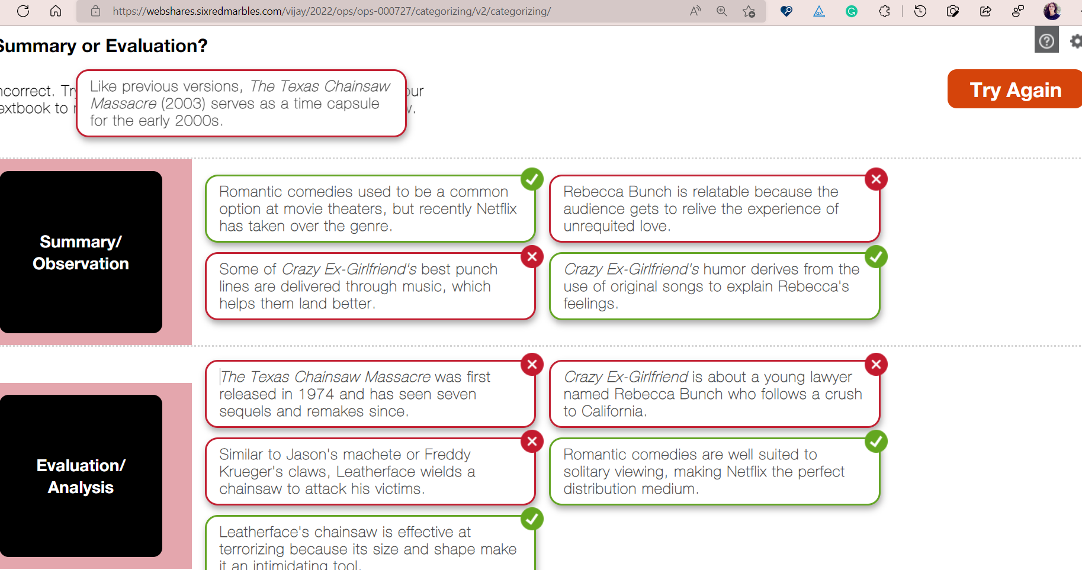 | Open | Fixed | verified and closed
a | As per zeplin there should not be a gap in the categories in case of Incorrect/correct feedback. | Global | All Iframe sizes |  | UI | Medium |  | 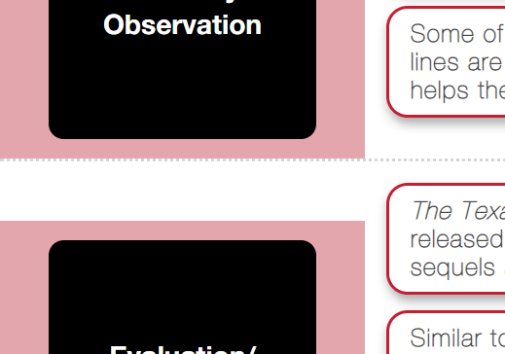 | Open | Fixed | Not Fixed as per Zeplin. Red / green boarder is still haing gape and it is clearly visible while zoom in. Please correct.
a | Cards get cropped. Please correct the layout in 1350*760. Refer to the highlighted screenshot. | Global | 1350*760 |  | UI | Medium |  | 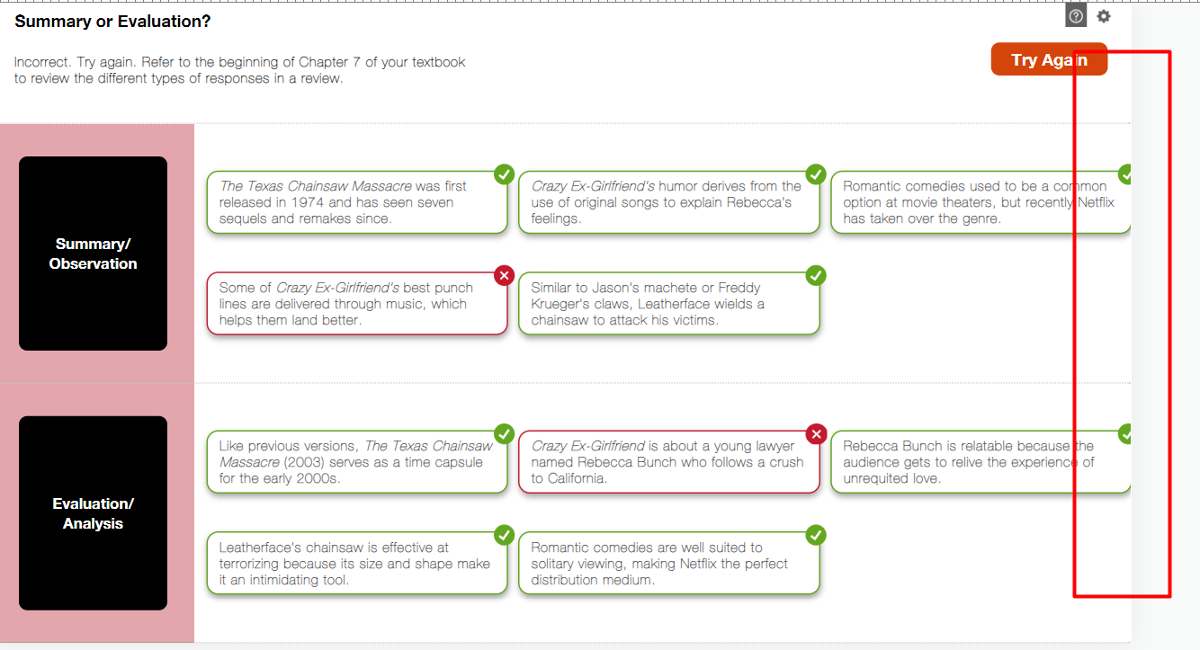 | Open | Fixed | verified and closed
a | Global for all settings button. Please increase the selection boundary and increase the width of the rectangle around the buttons. | Global | All |  | Accessibility | Low |  |  | Open | Fixed | verified and closed
a | All cards are not visible when user placed all the cards in one category. It should be 10 instead of 6. Refer to the screenshot. | Global | 1350*760 |  | UI | High |  | 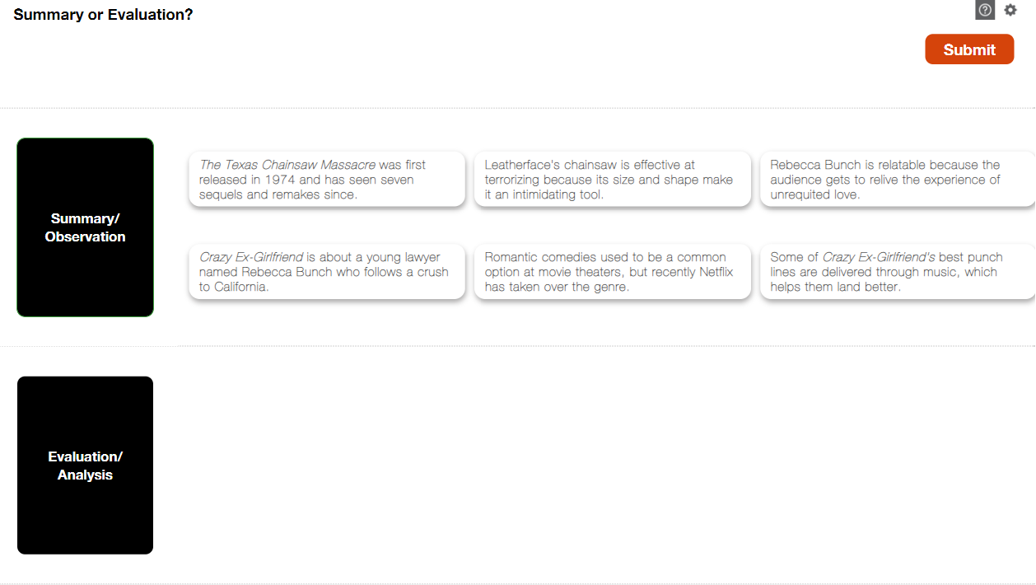 | Open | Fixed | Currently, limit added for item cards tin one category set to 6.
a | Please update heading one instead heading 2 for Main heading (Summary or Evolution?) | Global | All Iframe sizes |  | Accessibility | Medium |  |  | Open | Fixed | verified and closed
a | Close button placement is incorrect. Refer to the highlighted screenshots from zeplin and interactive. | Global | 1350*760 |  | UI | Low |  | 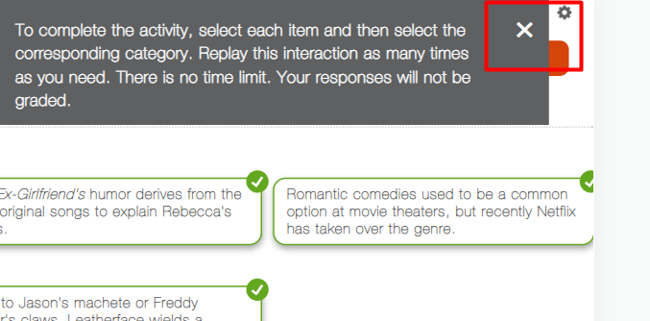 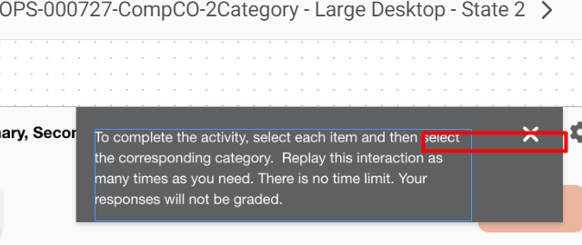 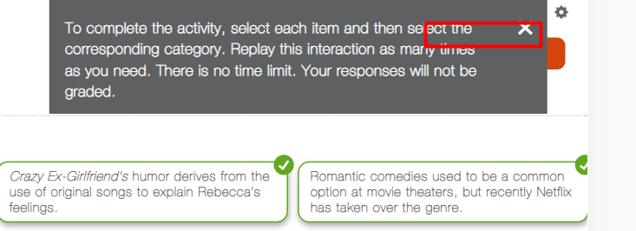 | Open | Fixed | verified and closed
a | Please increase the shadow effect for the cards as per Zeplin. | Global | All Iframe sizes |  | UI | Medium |  |  | Open | Fixed | verified and closed
a | Global for all buttons: Correct the buttons sizes as per zeplin. Example screenshot for Submit button. | Global | All Iframe sizes |  | UI | Medium |  |  | Open | Fixed | verified and closed
a | When user moved the last card position in another category; card snap back in the deck. For more clarity refer to the video URL. https://www.screencast.com/t/0seFeuA6M | Global | All Iframe sizes |  | Functional | Medium |  | 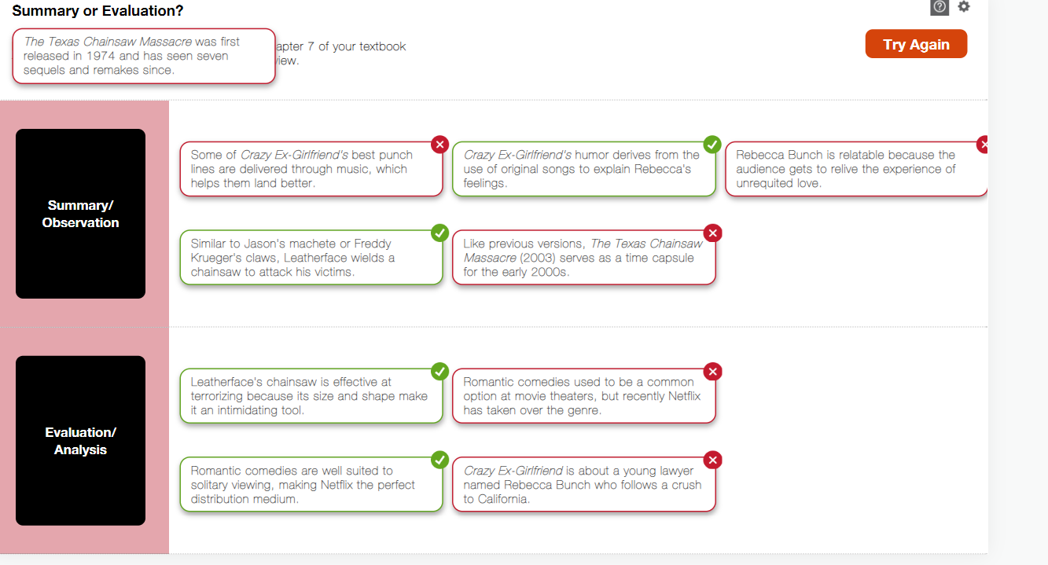 | Open | Fixed | snap back and change card category functionslity is not working.
a | In one category if user moves more than six cards. The cards get disappeared. It should snap back to the initial stack. | Global | All Iframe sizes |  | Functional | Medium |  | 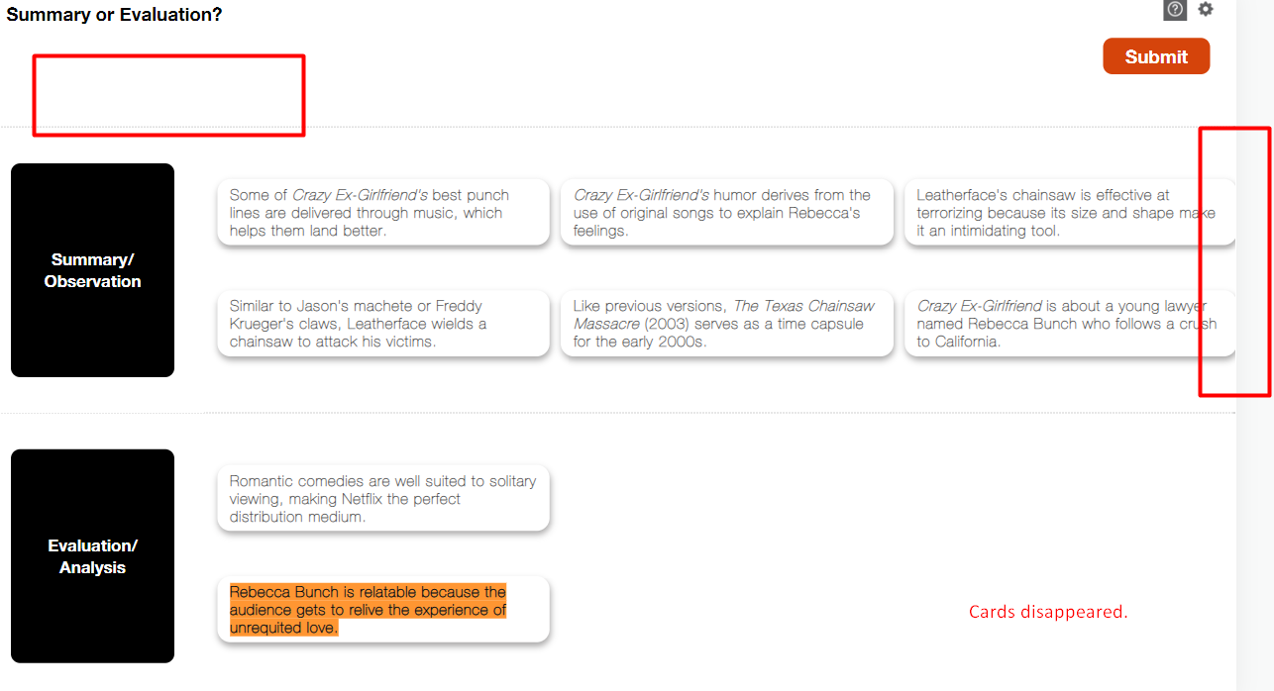 | Open | Fixed | Not Fixed: Now, user unable to move more than 6 cards.
a | TBD this functionality with Vijay Sir as it should collapse the category but currently it is collapsing the cards. | Global | All Iframe sizes |  | Functional | Medium |  | 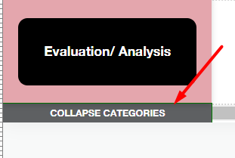 | Open | WIP
a | Arrow icon is missing. Please refer to the screenshots. | Global | 650*365 |  | Functional | Medium |  | 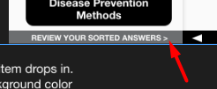 | Open | Fixed | Partially fixed: First time is visible. When usr click on it then it disappeared.
a | Please correct the UI for help text. | Global | 650*365 |  | UI | Low |  | 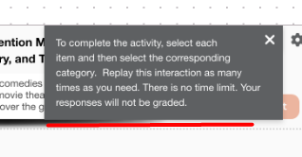 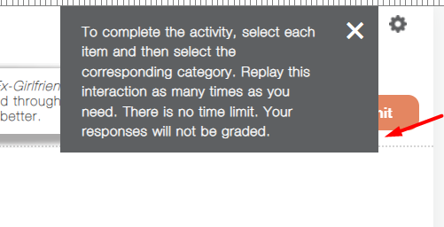 | Open | Fixed | Help text design does not match with Zeplin. Text color is incorrect.
a | Please update the scrolled in the left side too. It is working fine for the right arrow. Please bound the left limit too. | Global | 650*365 |  | Functional | Medium |  |  | Open | Fixed (TBD)
a | Update the scrolled edges "round" instead "square" as per the zeplin design. Refer to the highlighted screenshot from zeplin and interactive. Also, update the width of the scrolled too. | Global | 650*365 |  | UI | Medium |  | 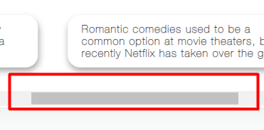 | Open | Fixed
a | Dotted lines are missing for correct/incorrect feedback. Refer to the highlighted screenshot from zeplin and interactive. | Global | 650*365 |  | UI | Medium |  | 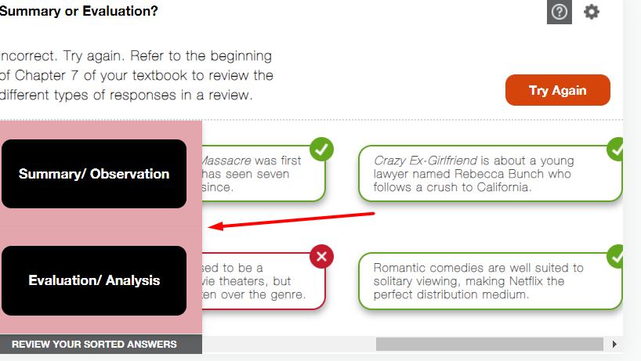 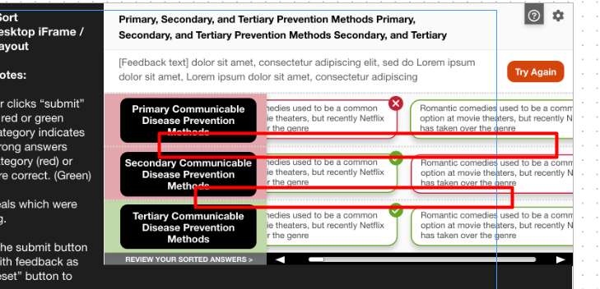 | Open | Fixed (checking) | Verified and closed
a | Button text seems dithered. Please ensure all the text size are as per zeplin. For an example refer to the screenshot. Global for all text font style. | Global | 650*365 |  | UI | Low |  |  | Open | Fixed, It's due to small font size | Card text (both top and bottom cards) font size is still small.
a | Update the feedback text as per the zeplin design. Refer to the highlighted screenshots from zeplin and interactive. | Global | 650*365 |  | UI | Medium |  | 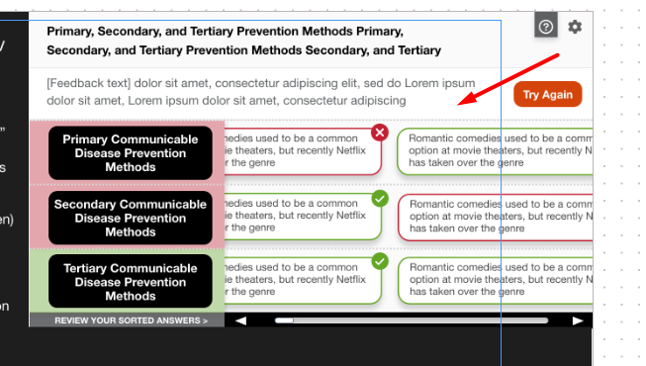 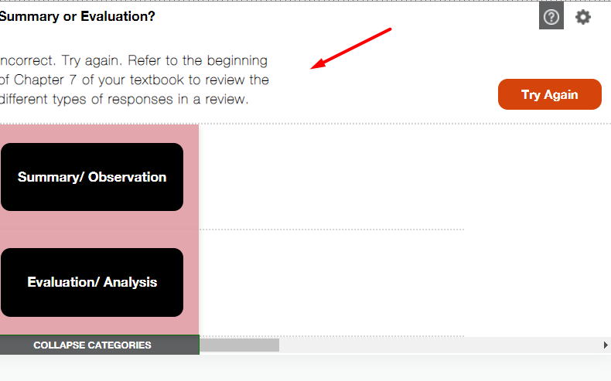 | Open | WIP
a | Correct the help button text as per zeplin design. Refer to the highlighted screenshots from zeplin and interactive. | Global | 650*365 |  | UI | Low |  | 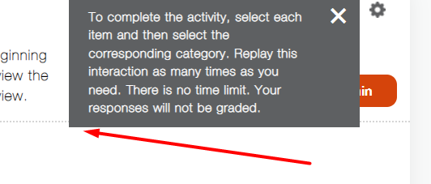 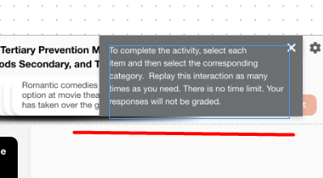 | Open | Fixed | Partially fixed: Text is updated but font size and color is not matched with Zeplin.
a | Increase the cue effect as per zeplin. | Global | 320*565 |  | UI | Low |  | 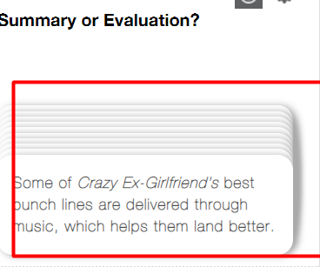 | Open | TBD
a | Please disable the Review Your Sorted Answers button until the user does not move the cards in the specific category. Refer to the video link: https://www.screencast.com/t/aJuNv2W4fFgx | Global | 320*565 (All applicable Iframe sizes) |  | Functional | Medium |  | 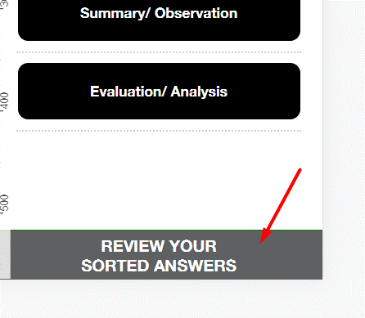 | Open | WIP
a | Correct the UI as per zeplin for the help button text. Refer to the highlighted screenshot from zeplin and interactive. | Global | 320*565 |  | UI | Medium |  | 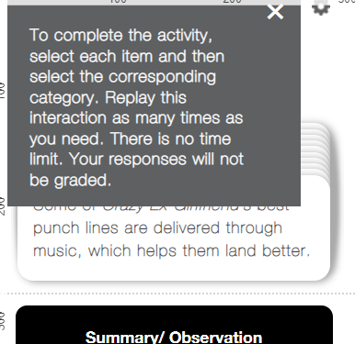 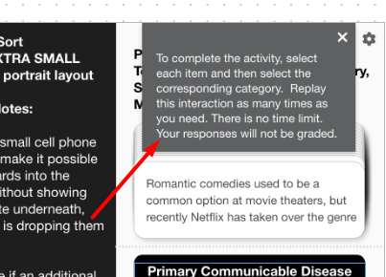 | Open | Fixed | Not fixed: incorrect Help text color and font size.
a | Submit button placement should be followed as per zeplin. Refer to the highlighted screenshot from zeplin and interactive. | Global | 320*565 |  | UI | Medium |  | 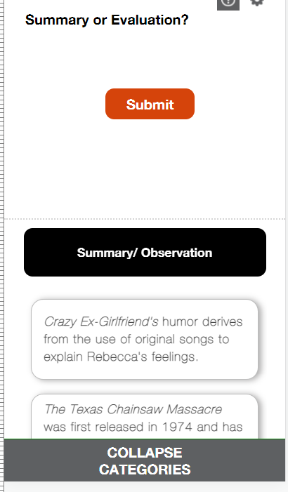 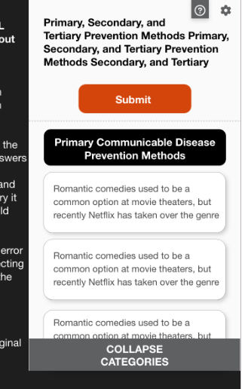 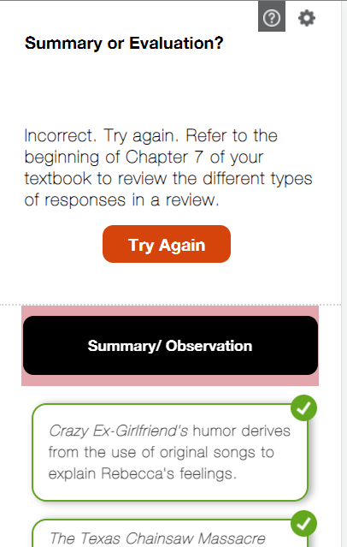 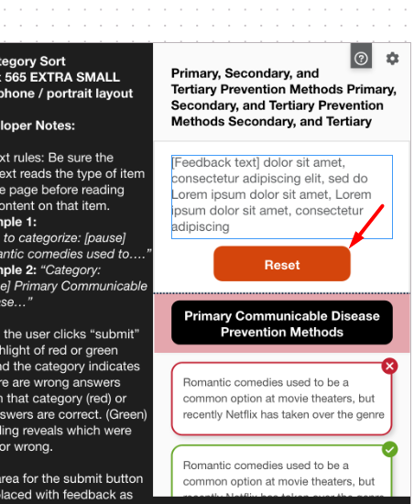 | Open | Fixed
a | There is variability in zeplin design. For an example Reset and Try Again Buttons. Refer to the screenshots. | Global | All Iframe sizes |  | UI | Low |  | 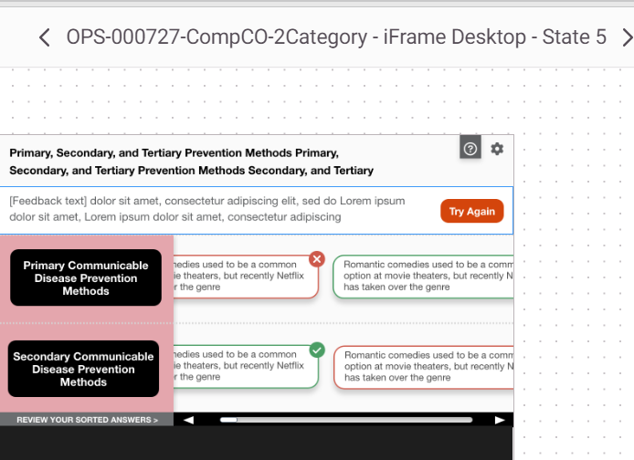 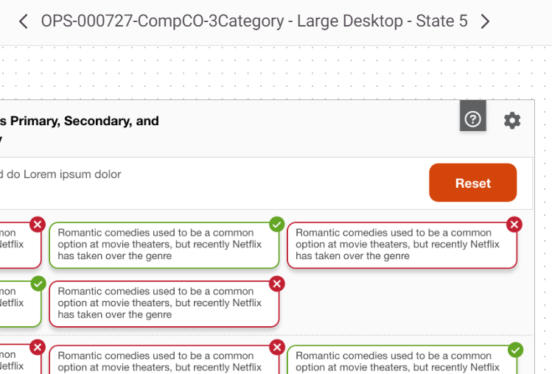 | Open | Fixed
a | Update the highlighted area for the incorrect and correct feedback text as per zeplin. Refer to the highlighted screenshot from zeplin and interactive. | Global | 320*565 |  | UI | Medium |  | 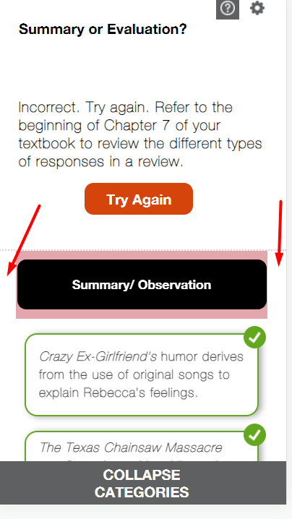 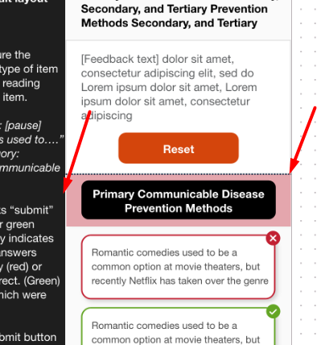 | Open | Fixed
a | Update the cards stack as per zeplin. Small portion of the text is visible. Refer to the highlighted screenshots from zeplin and interactive. | Global | 530*943 |  | UI | Low |  | 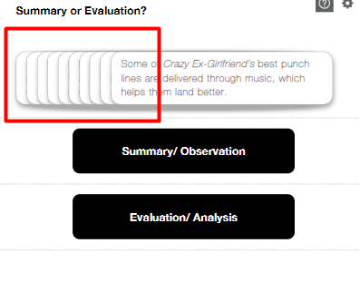 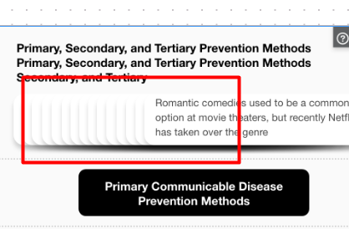 | Open | Small text not visible as mentioned in comment
a | Update the main heading position as per zeplin design. Refer to the highlighted screenshots from zeplin and interactive. | Global | 530*943 |  | UI | Medium |  | 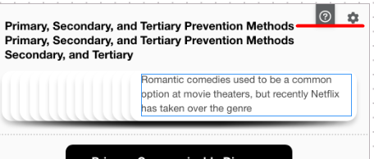 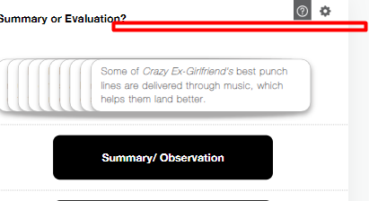 | Open | Fixed
a | Text is not clear. Please ensure the font style as per zeplin design. | Global | 530*943 |  | UI | Medium |  | 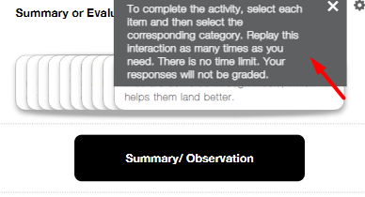 | Open | Style is as per zapline. Text dithers due to samll size
a | Submit Button placement is not as per zeplin design. Refer to the highlighted screenshots from zeplin and interactive. | Global | 530*943 |  | UI | Medium |  |  | Open | Fixed
a | Try Again buttons placement is not as per zeplin design. Also, one line is there above the incorrect and correct feedback text. Refer to the highlighted screenshots from zeplin and interactive. | Global | 530*943 |  | UI | Medium |  | 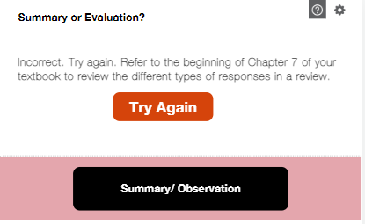 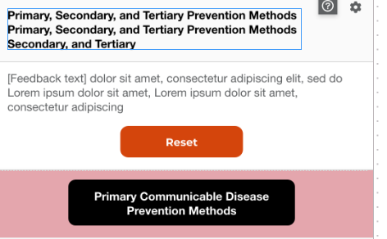 | Open | Fixed
a | Mobile device: the highlighted area should be throughout the page. Refer to the highlighted screenshots from zeplin and interactive. | Global | 530*943 |  | UI | Medium |  | 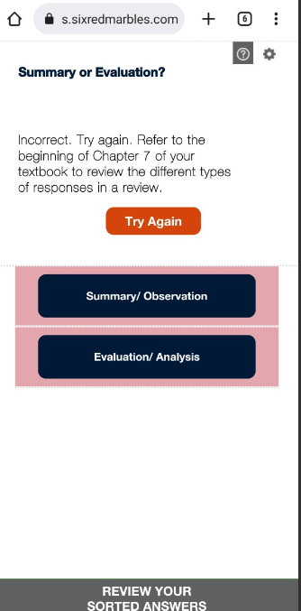 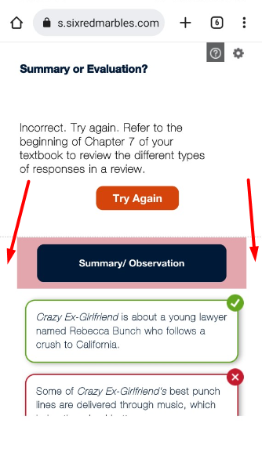 | Open | Fixed
a | Please remove the button from the aria-label. SR defaults read the button. Global for all the buttons. Refer to the example screenshot: | Global | All |  | Accessibility | Medium |  |  | Open | Fixed
a | Screen reader is reading the text "less" Please correct the alt of all the cards. Refer to the example screenshot. Refer to the video URL: https://www.screencast.com/t/TUgzLpCk4DIn | Global | All |  | Accessibility | Medium |  |  | Open | Fixed
a | Screen reader is reading the extra code after the categories. Refer to the screenshot. | Global | All |  | Accessibility | Medium |  | 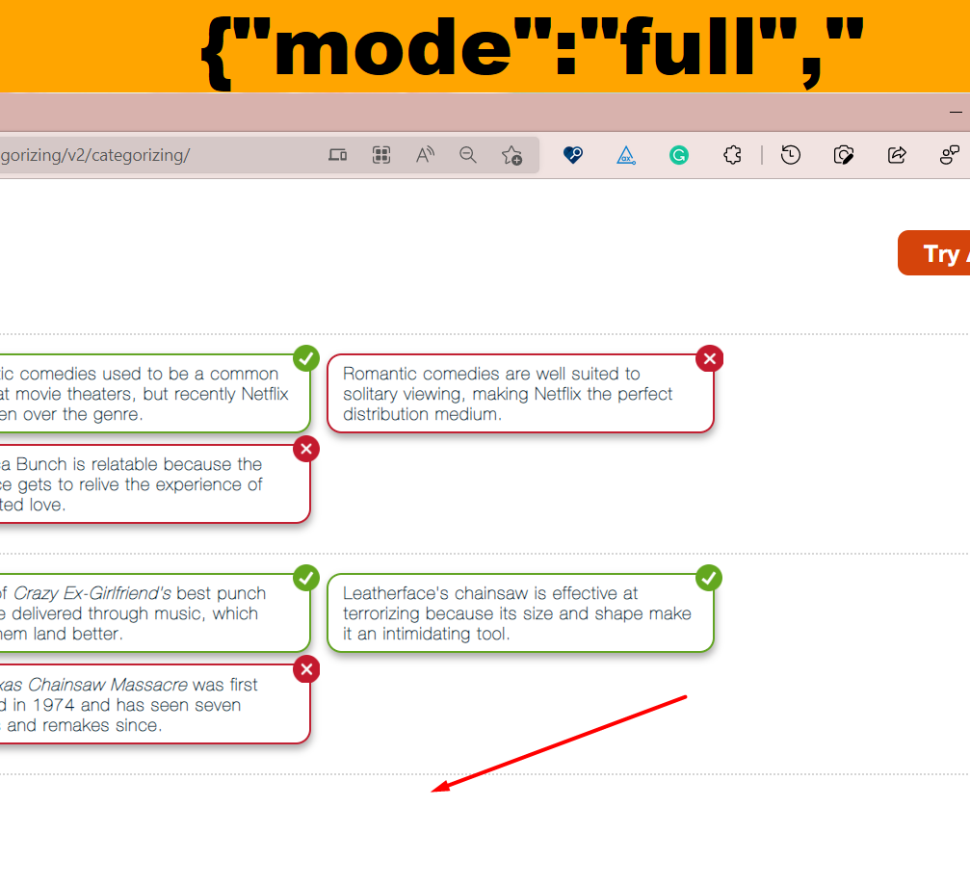 | Open | checking
a | Please check the close functionality for settings and help button. Refer to the video URL: https://www.screencast.com/t/bK8JH6lxPiq9 | Global | All |  | Keyboard (Accessibility) | Low |  |  | Open | change functionality
a | With screen readers and keyboard last card get selected first. Please check and implement . Refer to the video URL: https://www.screencast.com/t/yOwPg9gW | Global | All |  | Accessibility | Medium |  |  | Open | WIP
a | The instruction not followed: If a user selects a card in error while trying to scroll, selecting a second time, can undo the selection. | Global | All |  | Functionality | Medium |  |  | Open | Fixed
a | Please advise if an additional visual cue is possible when the item drops in. Perhaps have the category background color flash to the gray #5E6062 and back to black when the Item drops in. | TBD |  |  |  |  |  |  |  | TBD
a
a | 7072022
a | There should be no gap in between the correct and incoorect outline as per zeplin. | Global | 1350*760 | Landscape mode (Desktop) | UI | Medium | Safari (Mac) |  |  | WIP
a | Cards size should be consistent. Whatever the card size is for the large text it should be adopted by other cards. | Global | 1350*760 | Landscape mode (Desktop) | UI | Medium | Safari (Mac) |  |  | WIP
a | All cards for category 2 is not visible on the screen. | Global | 1350*760 | Landscape mode (Desktop) | UI + Functional | Medium | Safari (Mac) |  |  | WIP
a | Cards stack is not as per the zeplin due to different sizes of the text. Please make the cards size consistent. | Global | 1350*760 | Landscape mode (Desktop) | UI | Medium | Safari (Mac) |  |  | WIP
a | Crads size should be consistent. | Global | 650*365 | Landscape mode (Desktop) | UI | Medium | Safari (Mac) |  |  | WIP
a | Other categories are not visible. | Global | 650*365 | Landscape mode (Desktop) | UI | Medium | Safari (Mac) |  |  | WIP
a | Scroller is not visible for this size. | Global | 650*365 | Landscape mode (Desktop) | UI | Medium | Safari (Mac) |  |  | WIP
a | When help instruction button is open settings buttons get cropped. Setting button changes it's position. | Global | 650*365 | Landscape mode (Desktop) | UI + Functional | Medium | Safari (Mac) |  |  | WIP
a | Cards size is not consistent. Whenever there is a large text all the cards size should be as per that card with the largmaximum text. | Global | 530*943 | Portrait (Tablet) | UI | Medium | Safari (Mac) |  |  | WIP
a | Font style is different. | Global | 530*943 | Portrait (Tablet) | UI | Medium | Safari (Mac) |  |  | WIP
a | Text is dithered in all devices. | Global | 530*943 | Portrait (Tablet) | UI | Medium | Safari (Mac) |  |  | WIP
a | Try again button placement is different compared to zeplin. It should be near the dotted line. | Global | 530*943 | Portrait (Tablet) | UI + Functional | Medium | Safari (Mac) |  |  | WIP
a | when help buttton text is open and user clicks on settings button. The last clicked should be on top of the layer. So color scheme settings button should be visible. Please check with keyboard or touch devices. | Global | All | All devices | UI + Functional | Medium | All browsers |  |  | Fixed
a | Cross button icon seems different than the zeplin design. | Global | Iphone+Tablet | All devices other than desktop | UI | Medium | Safari (Mac) |  |  | Fixed
a | Hightlighted area for correct and incorrect is not as per zeplin. | Global | 320*565 | Portrait (Cell phone) Almost all devices | UI | Medium | Safari (Mac) |  |  | WIP
a | With keyboard when user interact with keyboard focus also moves to the cards while placing the cards in the category. Is it feasible that focus should only move to the category fields only. | Global | All devices | All | Functional | Medium |  |  |  | WIP
a | With keyboard when focus moves to the cards. The cards shifts. | Global | All devices | All | Accessibility | Medium |  |  |  | WIP
a | With keyboard as soon as the last card drops it's place it is feasible to get focus on Submit button. | Global | All devices | All | Accessibility | Medium |  |  |  | Fixed
a | Last card snap back to it's previous stack position. I believe this point will be resolved with the previous point. However, sharing you the screenshot for reference. | Global | All devices | All | Functional | Medium |  | 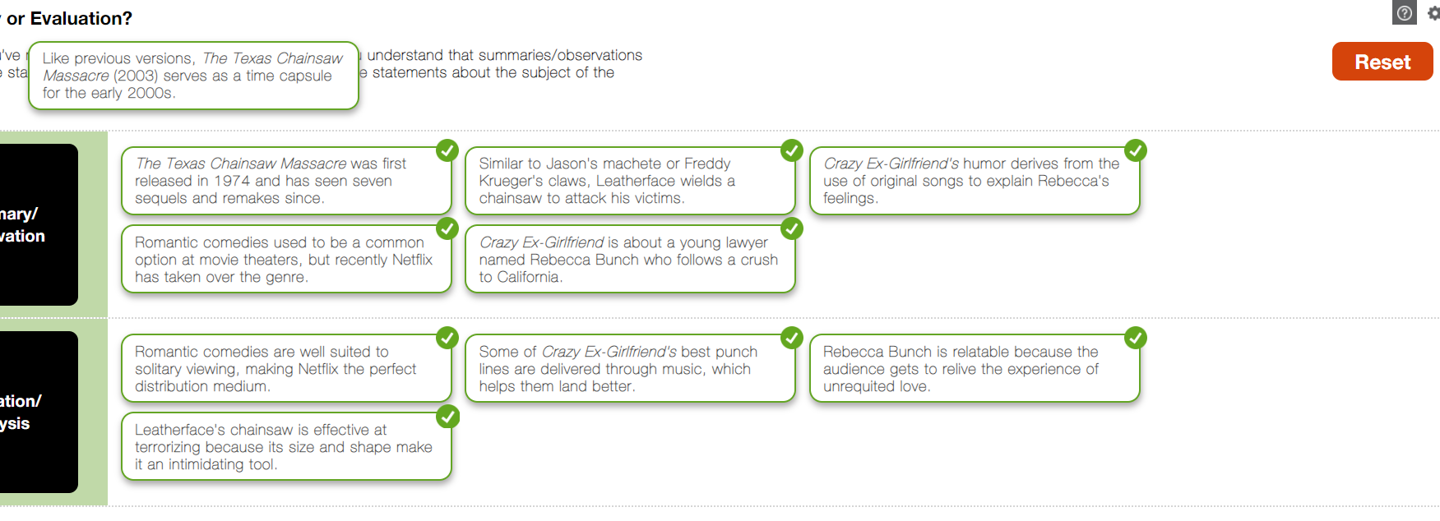 |  | Fixed
a | Screen reader reads the correct feedback in chunks. | Global | All devices | All | Accessibility | Very Low |  |  |  | TBD
a | Correct the UI for all the tickmarks and cross icons. | Global | All | All | UI | Medium | Edge | 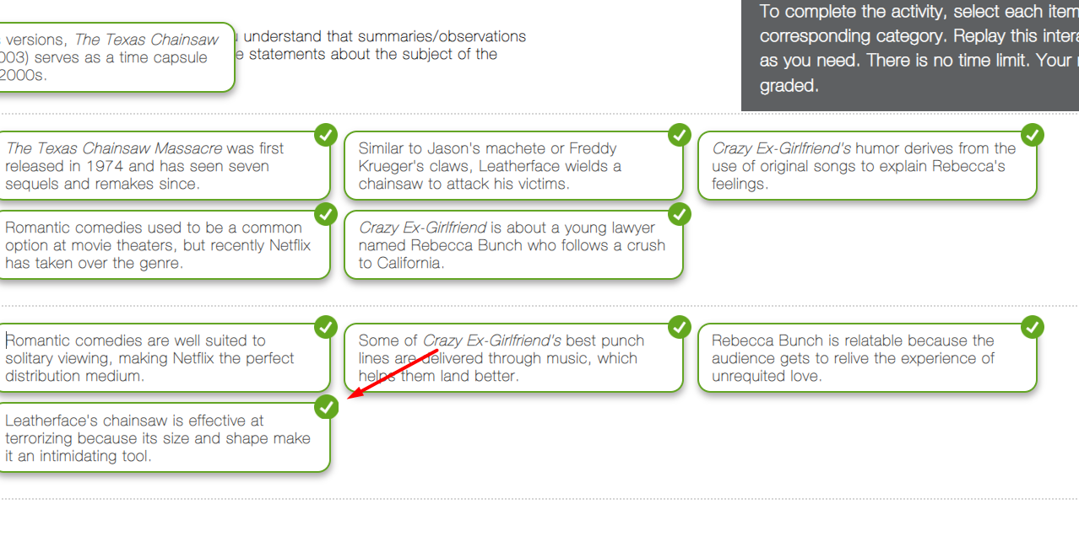 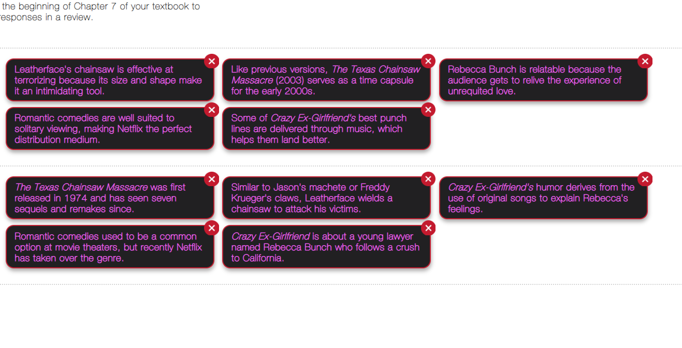 |  | WIP
a | For color scheme buttons screen reader does not read the selected color scheme. Please use aria-pressed="true" for selected one and aria-pressed="false" for non selected. | Global | All | All | Accessibility | Medium | All |  |  | WIP
a | Screen reader announces the extra elemetnts in the cards. Please check and correct it. | Global | All | All | Accessibility | Medium | All |  |  | Fixed
a | Please share the limit for the XML verification. | Global | All | All | XML | Medium | All
a | Please use different aria-label for settings close button and color scheme close button. For Color Scheme Button use Color Scheme Settings Close and for help button use Help instruction Close. Please ensure the screen reader reads the button once instaed twice. | Global | All | All | All | Low | All |  |  | WIP
a | Please increase the stroke width for the focus selection as it is less visible to the user. Also, share the color code you have used for the border selection. Refer to the screenshot. Additionally, please check this link for color contrast selection that will pass in web accessibility. https://webaim.org/resources/contrastchecker/ | Global | All | All | Accessibility | Low | All | 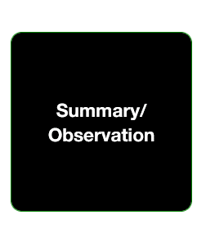 |  | TBD
a | Scroller UI is not as per zeplin design. Please ensure to add the arrow too. | Global | 650*365 | All | UI | Medium | Firefox Browser (Windows) | 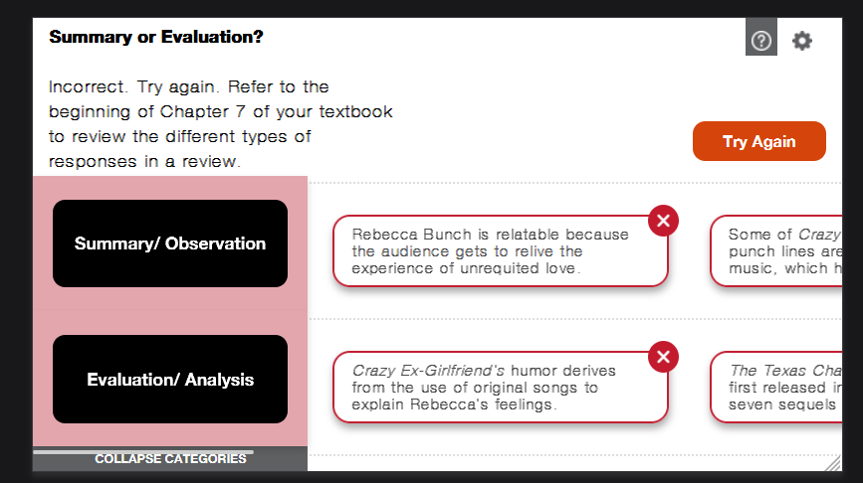 |  | WIP
a | Dotted line is missng in this layout for incorrect and correct area. |  | 650*365 | All | UI | Medium | Firefox Browser (Windows) | 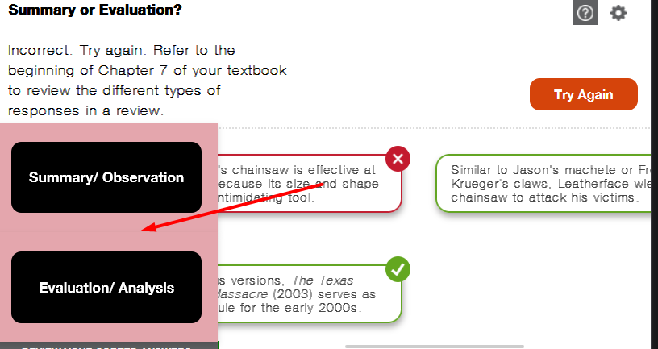 |  | Fixed
a | Cards get cropped. Line seems normal. It should be dotted one.. | Global | 650*365 | All | UI |  | Firefox Browser (Windows) | 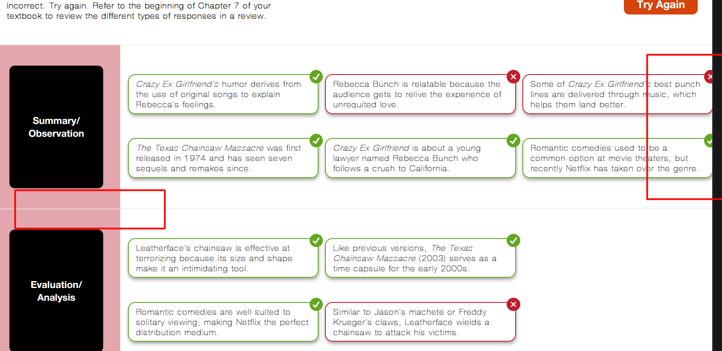 |  | Fixed
a | Cards size should be consistent. | Global | 650*365 | All | UI | Medium | Firefox Browser (Windows) |  |  | Fixed
a | Settings button position displaced. Steps to reproduce: 1: Click on color scheme settings button. 2. Click on help buton. 3. Setting button overlaps. It should not be there. Please check and fix. | All | All | All | All | Medium | All |  |  | Fixed

