ShortCircuit results diagrams
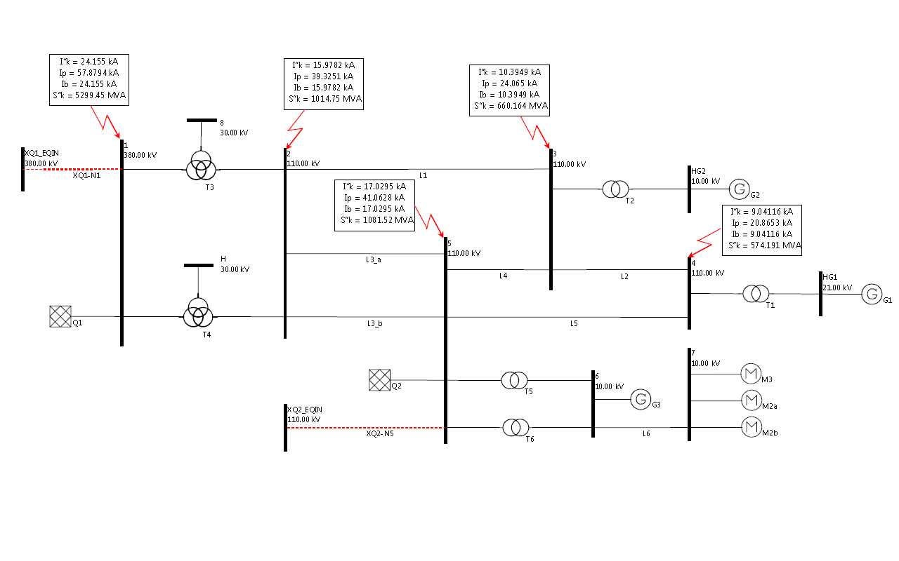
High-voltage a.c. test network 380 kV/110 kV/30 kV/10 kV (IEC 60909-4) with added three phase short circuit results

High-voltage a.c. test network 380 kV/110 kV/30 kV/10 kV (IEC 60909-4) with added one phase short circuit results

Three Phase Short Circuit

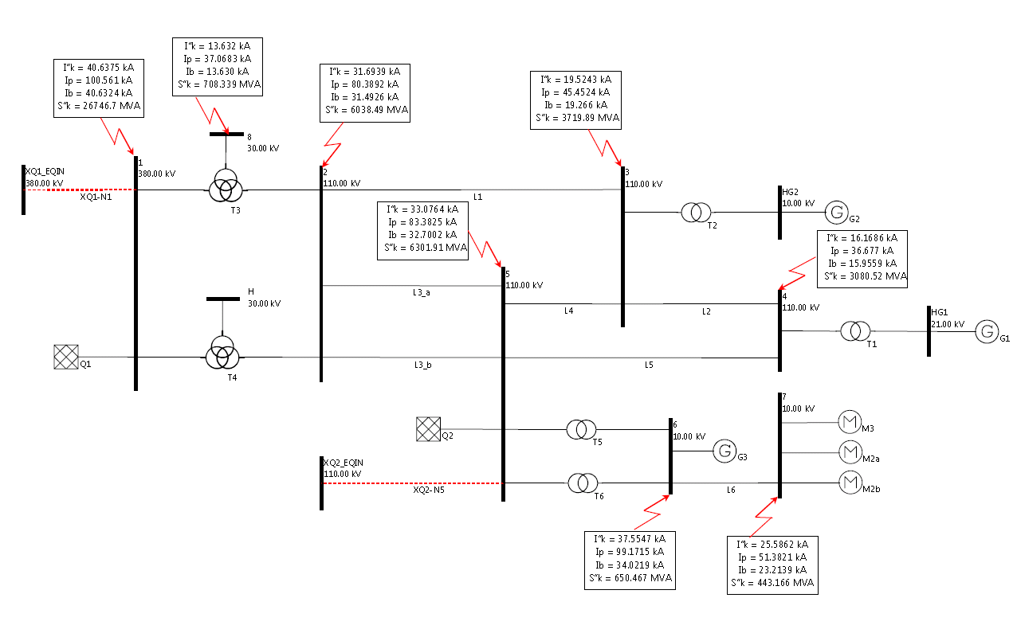

Phase to Ground Short Circuit

