PST_PhaseTapChangerLinear_Type1
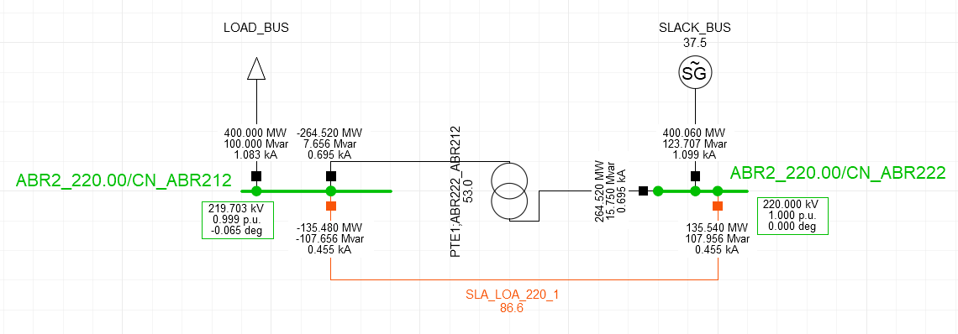
 |  |  |  | Results at step 6, Solution 1 - Application 1 |  | Results at step 6, Solution 2 - Application 2
 | Object | mRID | SvPowerFlow.Terminal | P | Q
 | SvPowerFlow | _4e46f598-ff04-481f-9fc2-7a8dc82eb9f2 | _b13e7060-67e4-4e74-afa5-95c5148ed7ad | 400 | 100
 | SvPowerFlow | _93ab9f7d-5285-40f5-a582-03062b2aac8b | _47ef06be-63f1-4640-a741-7a79aa50ba20 | -135.47 | -107.69
 | SvPowerFlow | _9e676e42-fb03-4fd7-bf3f-01549ccfbf16 | _2539395c-1f50-4273-937a-22dc986e64a5 | 135.51 | 108.04
 | SvPowerFlow | _b8742ddd-b488-45de-a783-65d8394bdf27 | _72f2e79c-db43-4a44-a1c9-14af03824d2f | -264.47 | 7.69
 | SvPowerFlow | _c321b3fa-3d7c-4da2-9504-2d095d2db7e4 | _a4000e5a-9ea0-48a7-86a1-7284daeca14f | 264.51 | 15.79
 | SvPowerFlow | _fee90e1a-6b42-43a3-8f29-eb392b3c9c6b | _8f3dba52-0a67-41f3-9348-bc9acc64c763 | -400.06 | -123.706

 | Object | mRID | SvVoltage.TopologicalNode | V | angle
 | SvVoltage | _78eb5659-6f55-44fe-bed4-49ebbfe552d2 | _240ef58b-1406-4a52-b7ce-d54079b4c079 | 220 | 0
 | SvVoltage | _fee8dde0-a2a1-4faa-8641-92f664ec6bac | _dcff66fd-6bda-4d52-886a-7bdf05bbd9c6 | 219.703 | -0.06538

Results per step
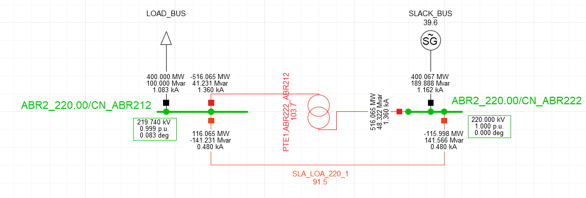
Step 1


Step 2

Step 3
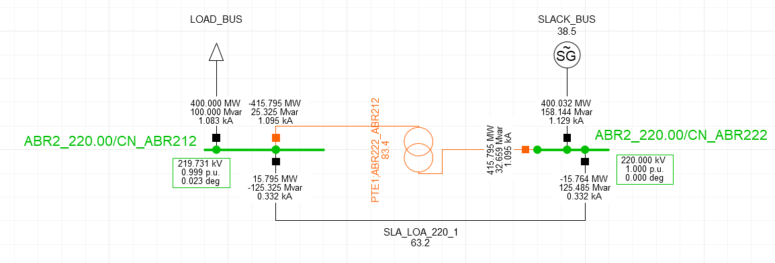

Step 4

Step 5

Step 6

Step 7

Step 8

Step 9

Step 10

Step 11

Step 12

Step 13

Step 14

Step 15

Step 16

Step 17

Step 18

Step 19

Step 20

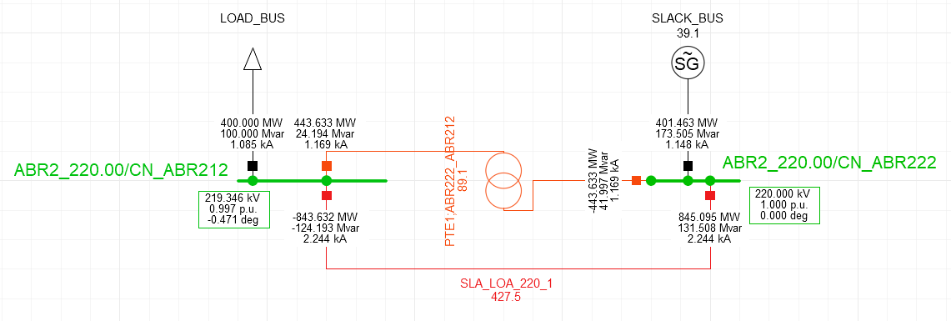

Step 21

PST_PhaseTapChangerLinear_Type2
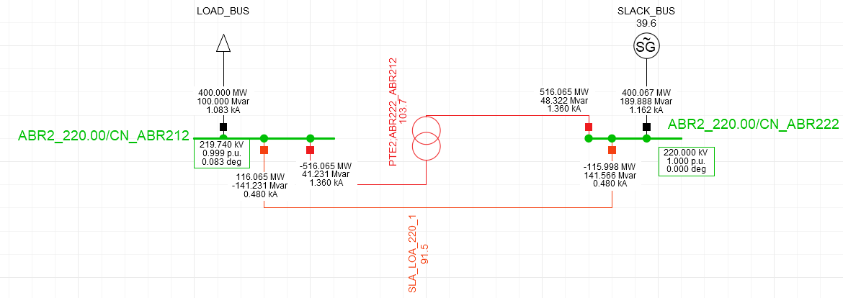
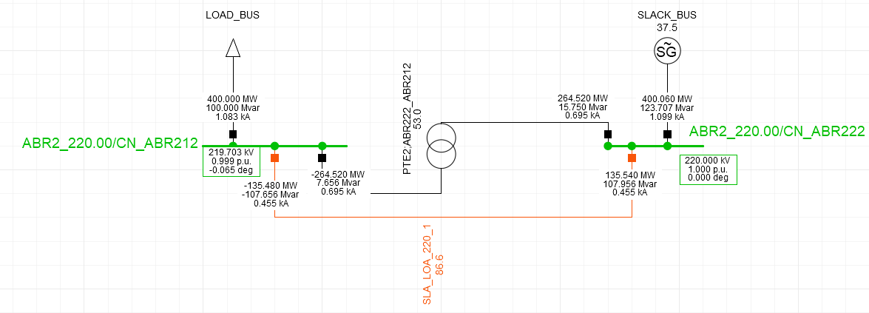
 |  |  |  | Results at step 16, Solution 1 - Application 1 |  | Results at step 16, Solution 2 - Application 2
 | Object | mRID | SvPowerFlow.Terminal | P | Q
 | SvPowerFlow | _5237f150-0191-4f24-9043-4da582c38111 | _b13e7060-67e4-4e74-afa5-95c5148ed7ad | 400 | 100
 | SvPowerFlow | _782b9ee3-9357-4a98-b7b1-9b4f17afb146 | _47ef06be-63f1-4640-a741-7a79aa50ba20 | -135.47 | -107.69
 | SvPowerFlow | _88e33eda-e90a-4eaa-aa8e-29129365a5b0 | _2539395c-1f50-4273-937a-22dc986e64a5 | 135.51 | 108.04
 | SvPowerFlow | _5eb687af-0f48-42b4-8466-def5ec8e9039 | _3b2a24ca-8728-42f3-87f4-5f5e03c73984 | -264.47 | 7.69
 | SvPowerFlow | _5b028d4f-0a72-4105-80b4-c3e8f9120e90 | _f9998014-865c-4027-8f58-f66cda465aa5 | 264.51 | 15.79
 | SvPowerFlow | _ea8cdee8-1ba4-4a3d-865e-370b5533f614 | _8f3dba52-0a67-41f3-9348-bc9acc64c763 | -400.06 | -123.706

 | Object | mRID | SvVoltage.TopologicalNode | V | angle
 | SvVoltage | _40f8af74-5f17-4002-8025-e422a6f7b96d | _240ef58b-1406-4a52-b7ce-d54079b4c079 | 220 | 0
 | SvVoltage | _e7971e4f-b8c6-4c94-a4f3-fca104edb5af | _dcff66fd-6bda-4d52-886a-7bdf05bbd9c6 | 219.703 | -0.06538

Results per step

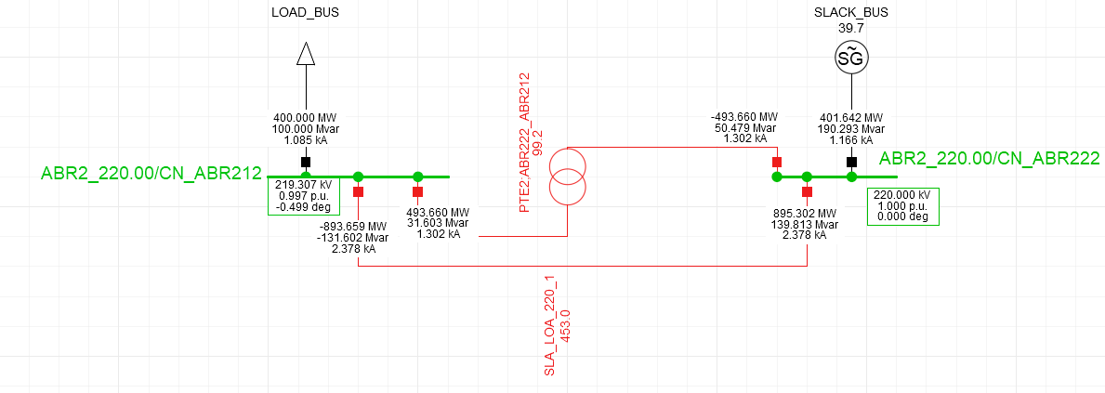
Step 1

Step 2
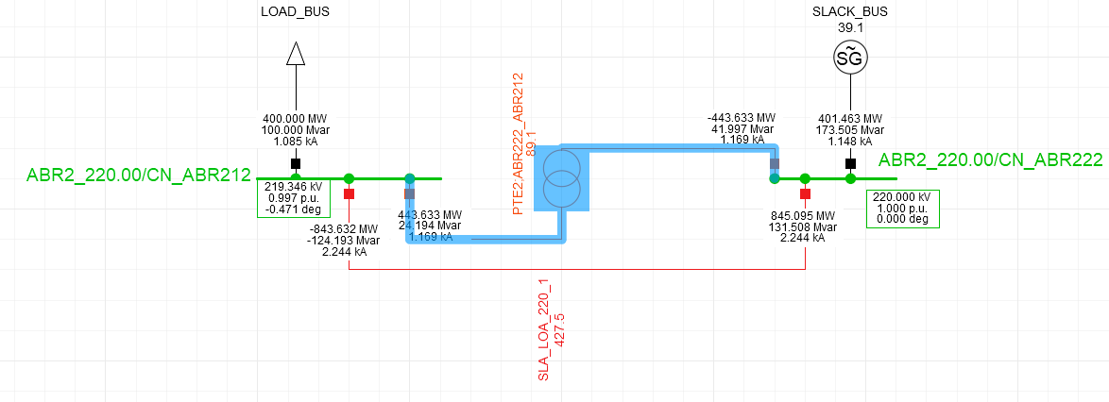

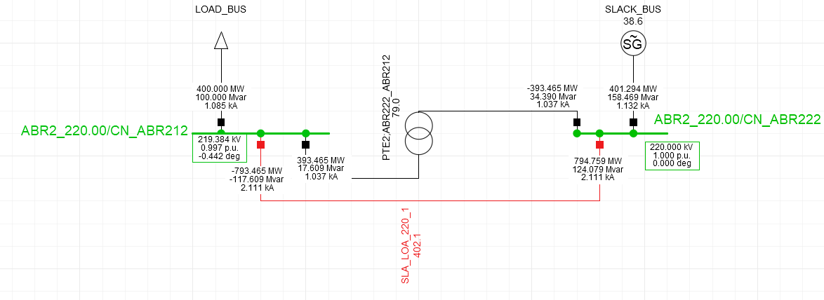
Step 3

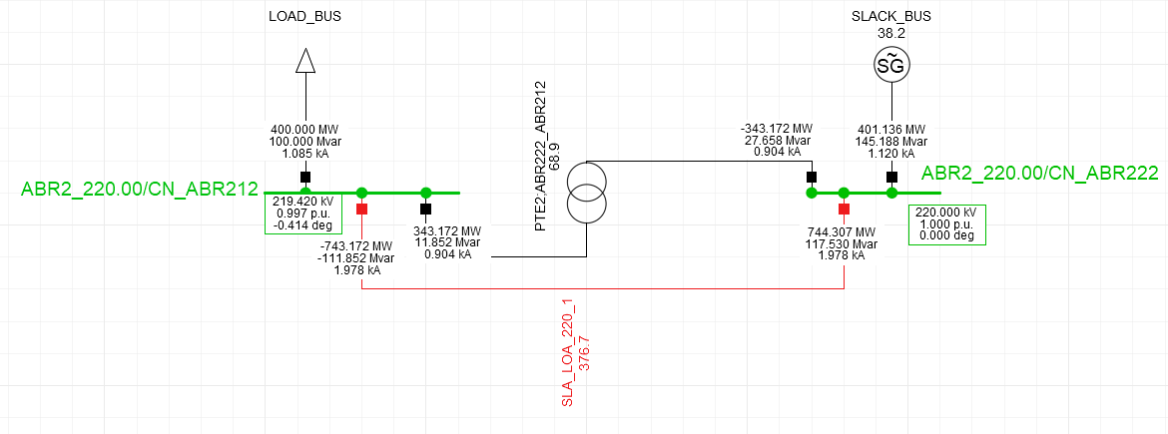
Step 4

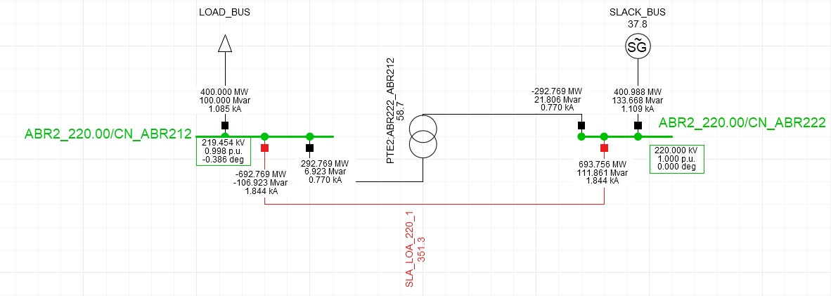
Step 5

Step 6
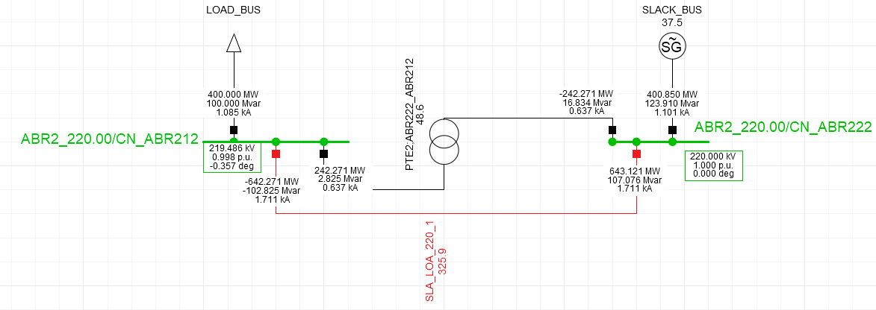

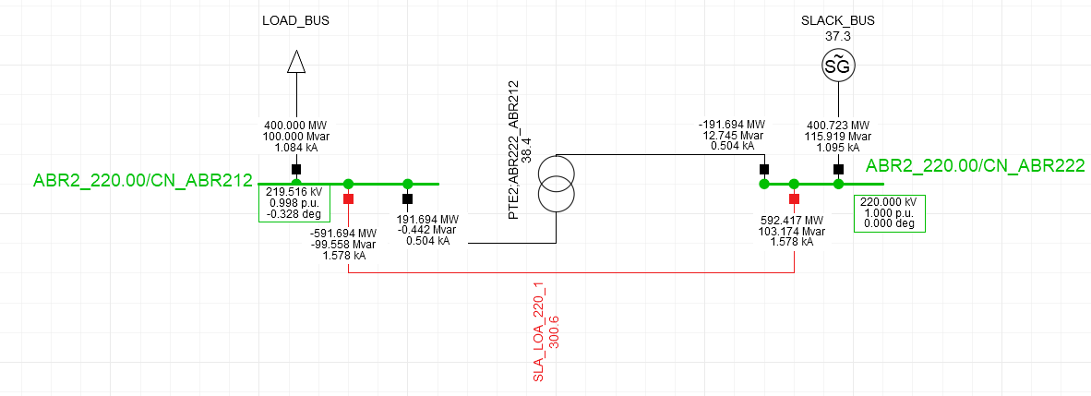
Step 7

Step 8
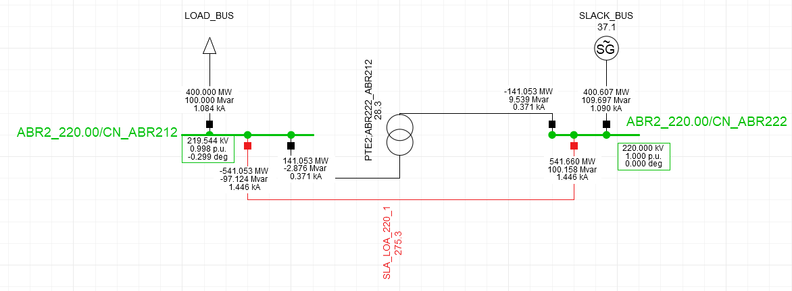

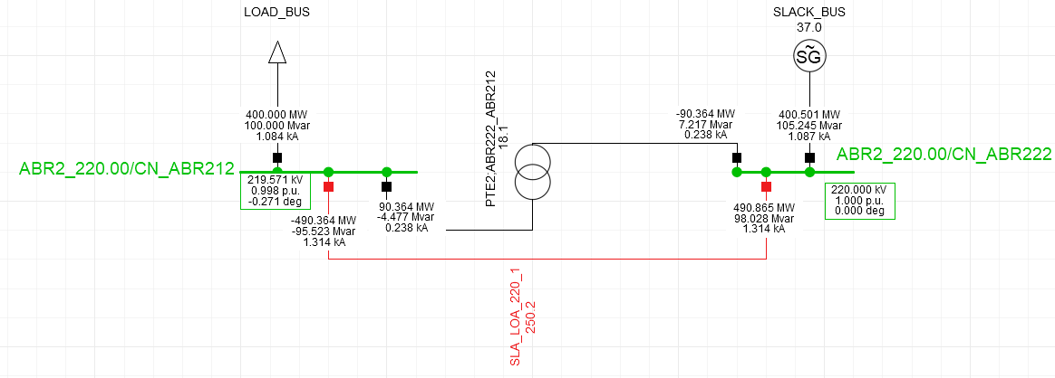
Step 9

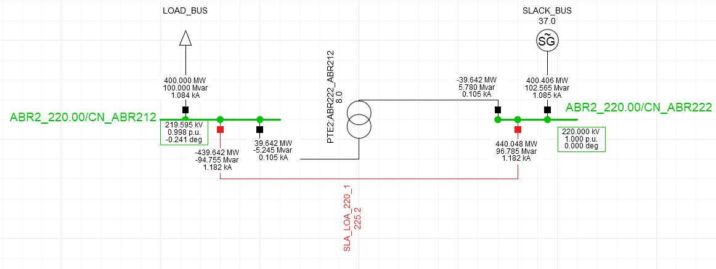
Step 10

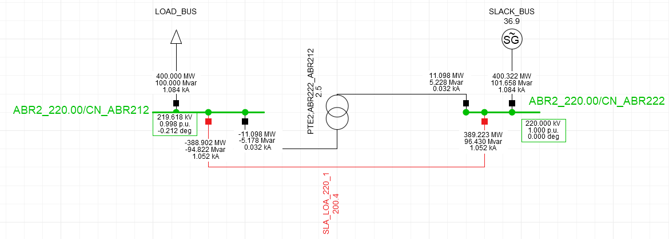
Step 11

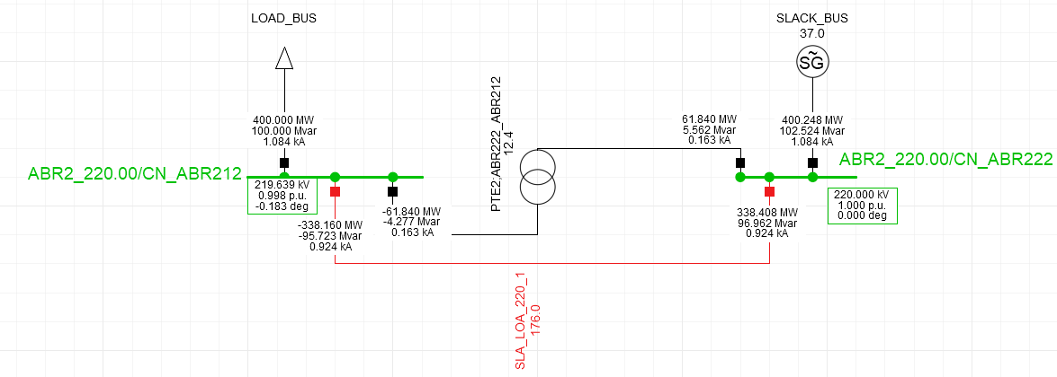
Step 12

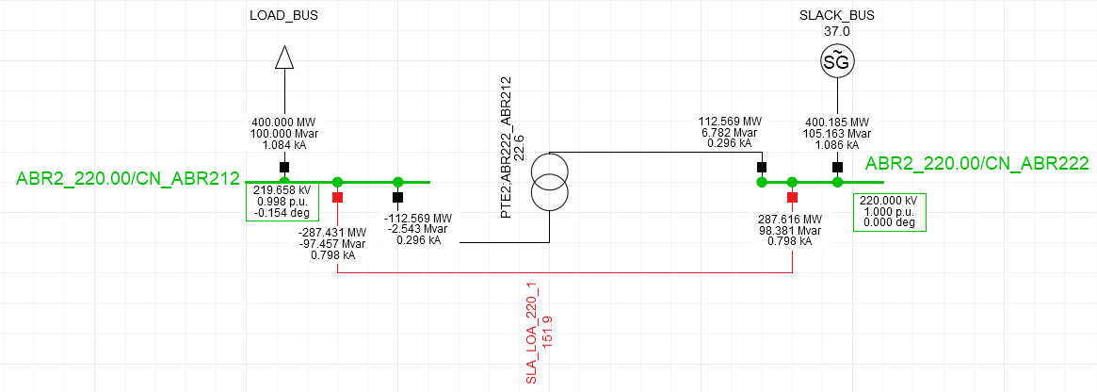
Step 13

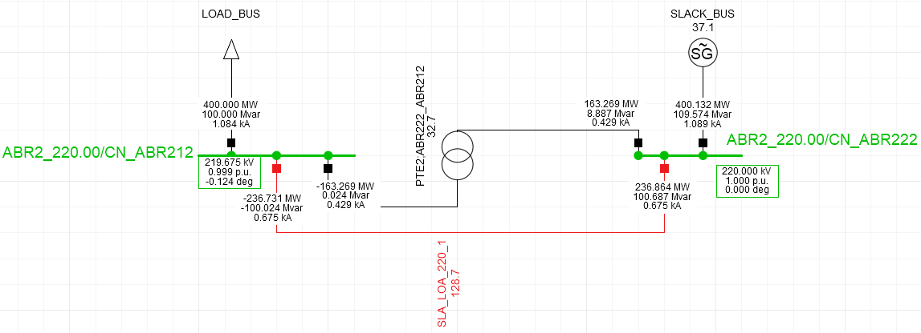
Step 14

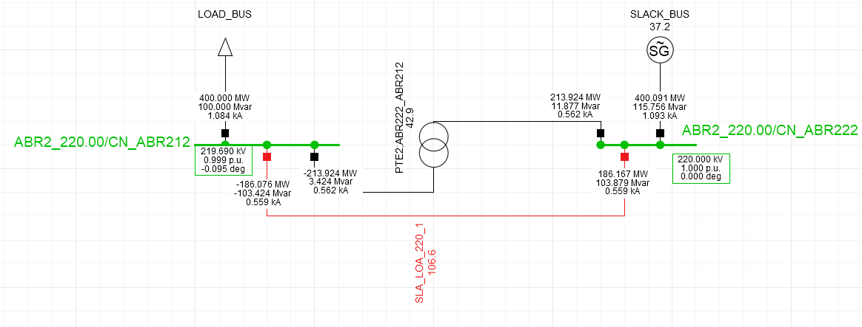
Step 15

Step 16

Step 17
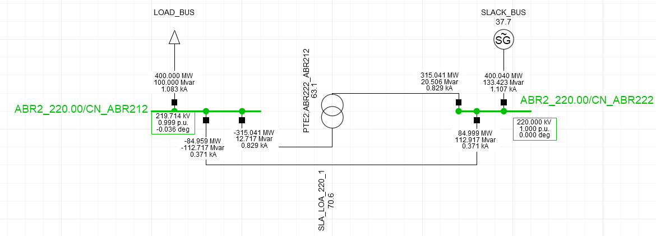

Step 18
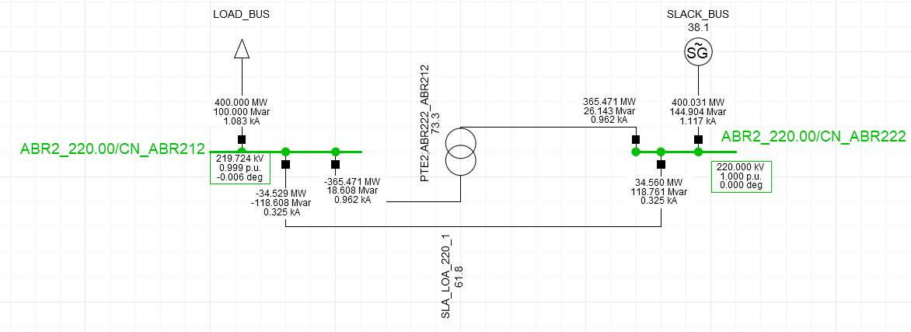

Step 19
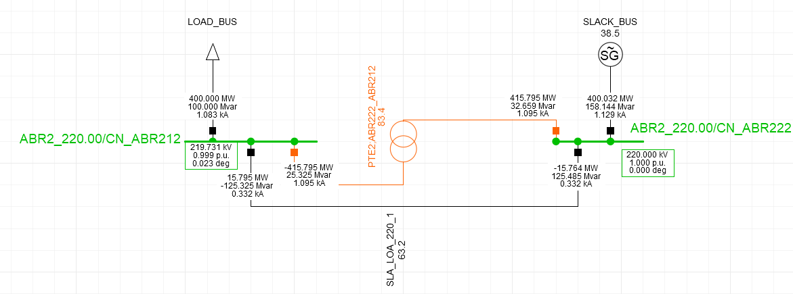

Step 20
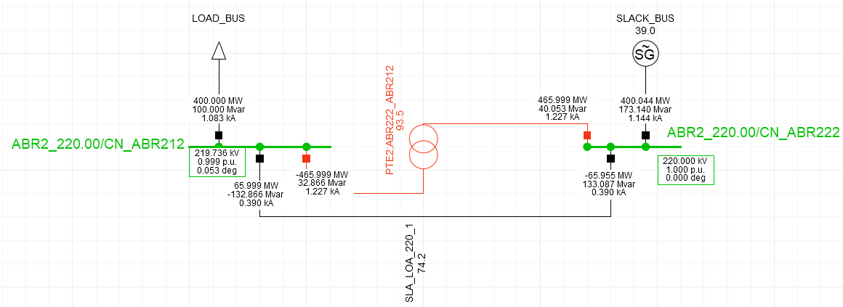

Step 21

PST_PhaseTapChangerLinear_Type3
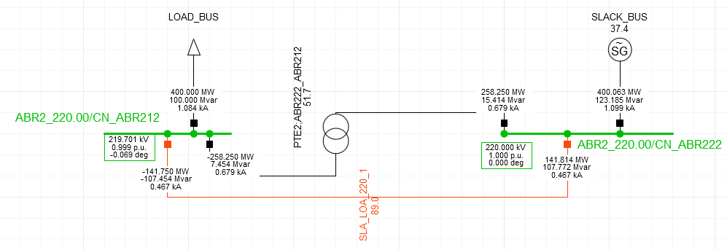
 |  |  |  | Results at step 16, Solution 1 - Application 1 |  | Results at step 16, Solution 2 - Application 2
 | Object | mRID | SvPowerFlow.Terminal | P | Q
 | SvPowerFlow | _d4f34245-7897-4f4c-8ccc-8bd6feb773f7 | _b13e7060-67e4-4e74-afa5-95c5148ed7ad | 400 | 100
 | SvPowerFlow | _3ee711dd-0cd4-499c-90db-60785d1b47e0 | _47ef06be-63f1-4640-a741-7a79aa50ba20 | -141.73 | -107.48
 | SvPowerFlow | _4166651d-8815-49a1-ba67-430349d07d8d | _2539395c-1f50-4273-937a-22dc986e64a5 | 141.81 | 107.79
 | SvPowerFlow | _300e429c-4bdf-459b-aaf9-ce194455df12 | _3b2a24ca-8728-42f3-87f4-5f5e03c73984 | -258.18 | 7.49
 | SvPowerFlow | _36889f09-f92b-432e-8985-3d04731bd2e7 | _f9998014-865c-4027-8f58-f66cda465aa5 | 258.23 | 15.39
 | SvPowerFlow | _348d89a6-c542-4836-8742-0829754f30f2 | _8f3dba52-0a67-41f3-9348-bc9acc64c763 | -400.06 | -123.706

 | Object | mRID | SvVoltage.TopologicalNode | V | angle
 | SvVoltage | _985b8663-b118-4538-8ae7-b2524bae56d6 | _240ef58b-1406-4a52-b7ce-d54079b4c079 | 220 | 0
 | SvVoltage | _484aadff-8af2-433f-89ee-a159a1e85aaa | _dcff66fd-6bda-4d52-886a-7bdf05bbd9c6 | 219.701 | -0.068998

Results per step

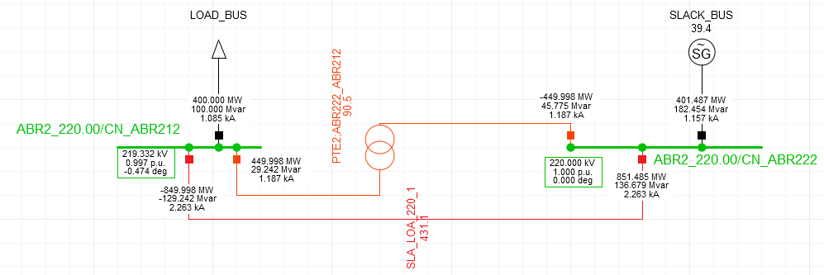
Step 1

Step 2

Step 3
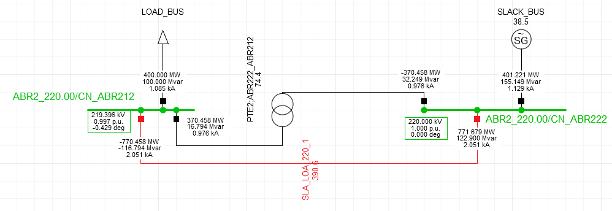

Step 4

Step 5

Step 6

Step 7

Step 8

Step 9
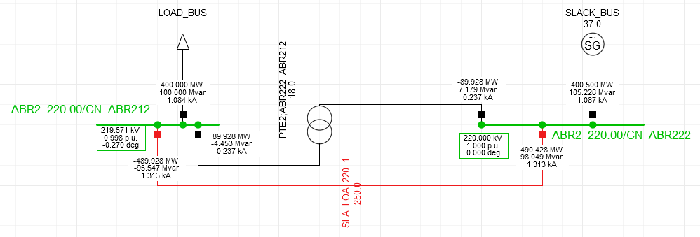

Step 10
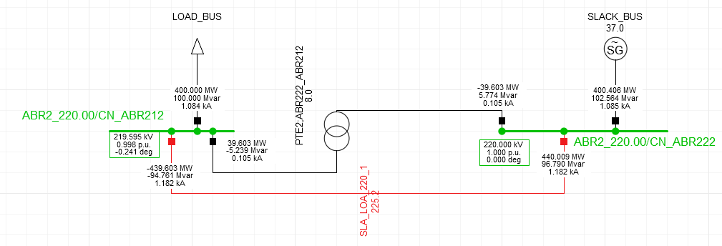

Step 11

Step 12
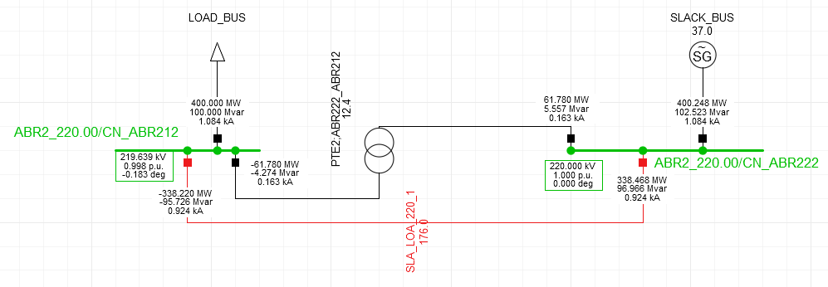

Step 13

Step 14
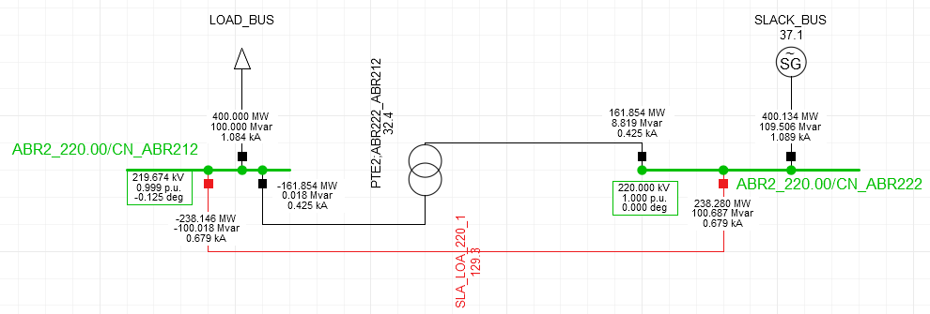

Step 15
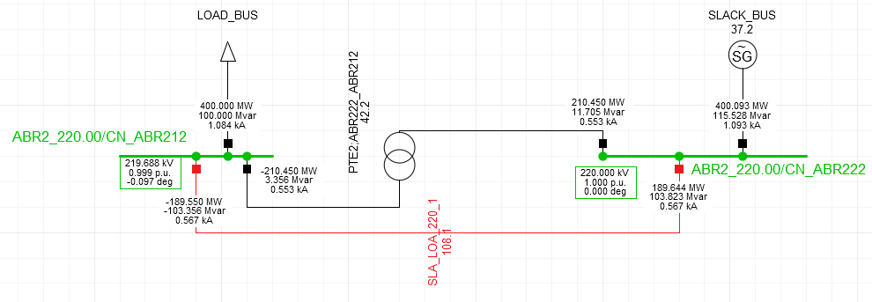

Step 16

Step 17
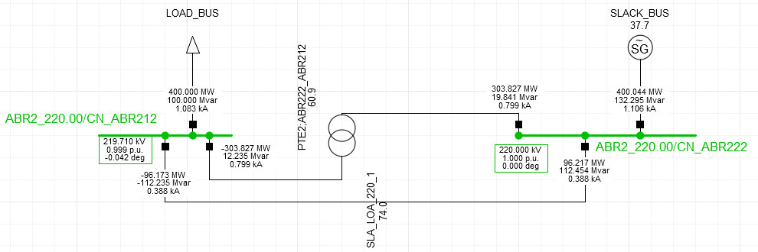

Step 18
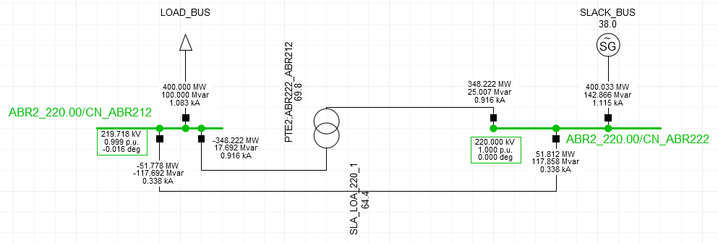

Step 19


Step 20

Step 21

