Interface
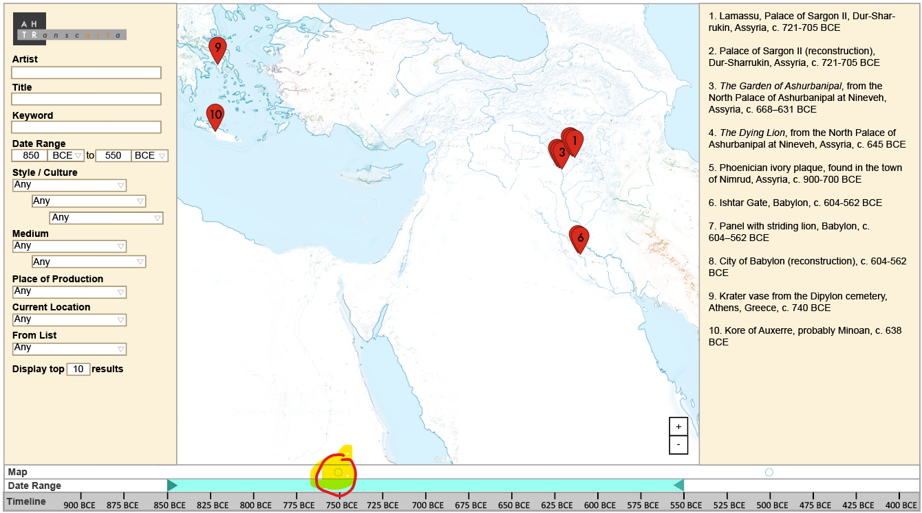
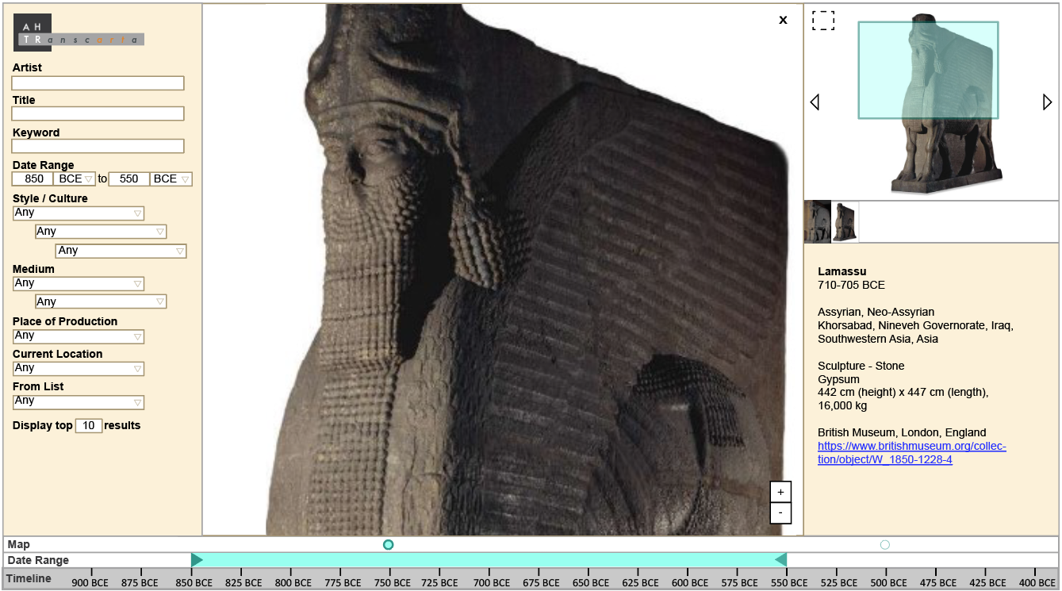
This screenshot shows a map with political boundaries and 10 search results on the right hand side | This screenshot shows the initial artwork view when you click on an artwork.
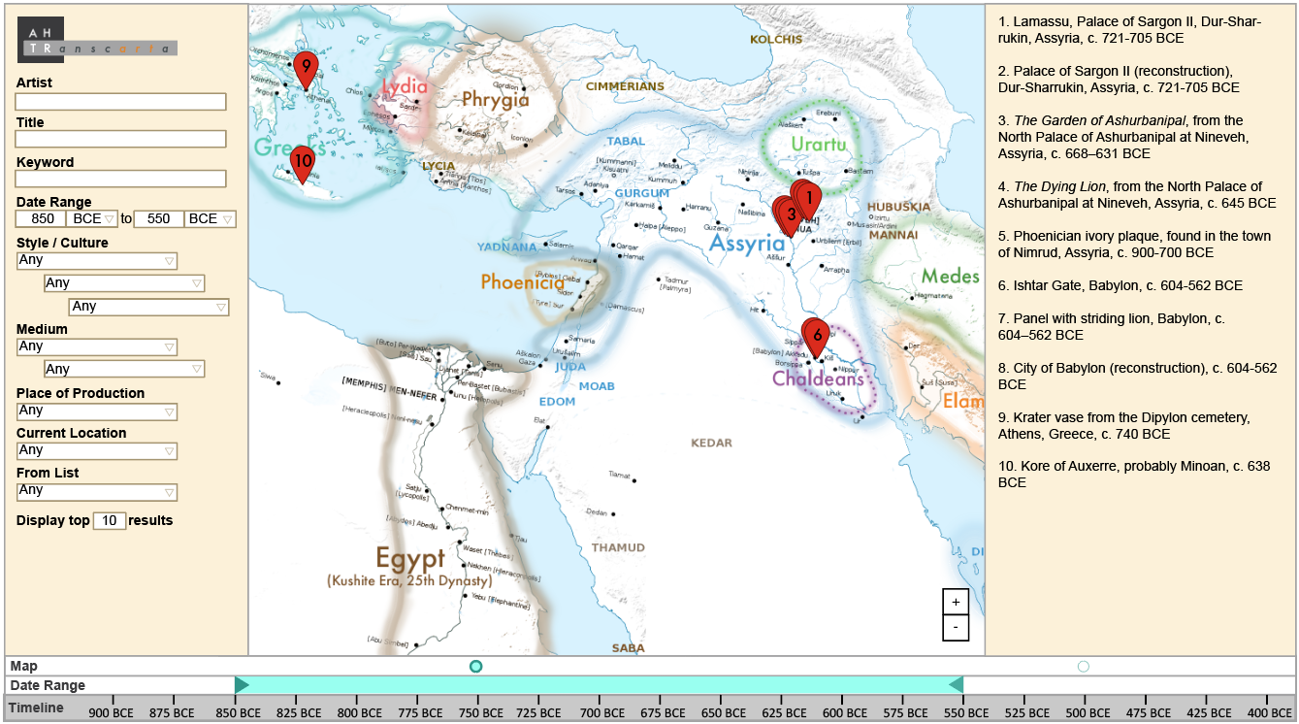
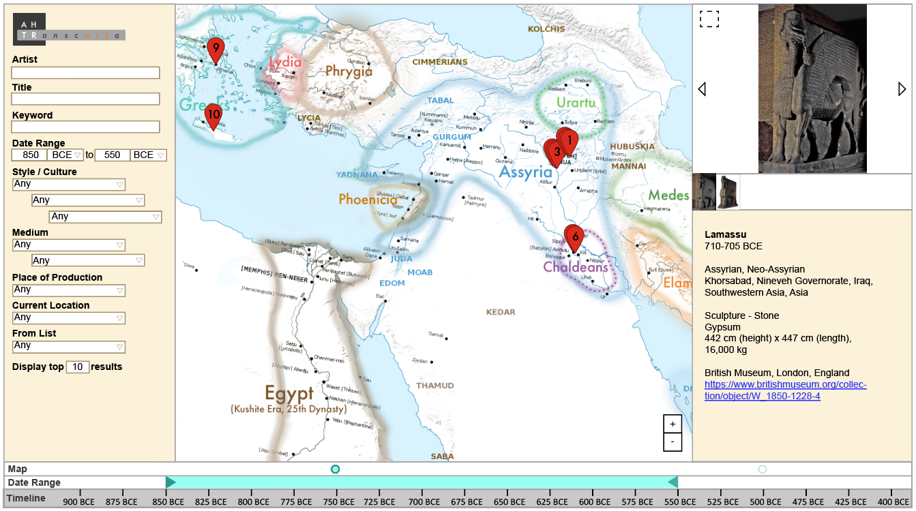

This screenshot shows the same search results as above but with no political map overlay. Users can toggle political maps on and off by clicking the circles above the timeline, which is circled in the screenshot below. | This screenshot shows the image viewer that can zoom in and out of the image.

