Charts3rdS
Overall Time spent by Member
Fabian | 55.75
Luca | 44.75
Nicolas | 74.91
Fabian
Lecture Requirements (h) | 7.25 | 7.25
Analysis & Design (h) | 15.75 | 15.75
Implementation (h) | 26 | 26
Testing (h) | 6.75 | 6.75
Overall Time spent by Type (h)
Lecture Requirements | 51.16
Analysis & Design | 52.75
Implementation | 52.5
Testing | 19

Luca
Lecture Requirements (h) | 13.25
Analysis & Design (h) | 21.25
Implementation (h) | 6.75
Testing (h) | 3.5
Nicolas
Lecture Requirements (h) | 30.66
Analysis & Design (h) | 15.75
Implementation (h) | 19.75
Testing (h) | 8.75

Charts Overall
Overall Time spent by Member
 | 55,75
Fabian | 55.75
Luca | 44.75
Nicolas | 74.91
Fabian
Overall Time spent by Type (h)

Luca
Nicolas

Overall Data

Team Member | Overall Time Spent (h) | Project Management (h) | Analysis & Design (h) | Implementation (h) | Testing (h)
Fabian | 55.75 | 7.25 | 15.75 | 26 | 6.75
Luca | 44.75 | 13.25 | 21.25 | 6.75 | 3.5
Nicolas | 74.91 | 30.66 | 15.75 | 19.75 | 8.75

Type | Overall Time (h)
Project Management | 51.16
Analysis & Design | 52.75
Implementation | 52.5
Testing | 19

FP Calculation
UC1: Start the game from the menu | RET | DET | FTR | Complexity | Amount | RETs | DETs | FTRs | FP-Calculator: | http://groups.umd.umich.edu/cis/course.des/cis525/js/f00/harvey/FP_Calc.html?tCountVal=0#FPCalc
External Inputs | --- | 2 | 1 | low | 3 |  | Play-Button, MainActivity | MainActivity | Complexity: | low | average | high
External Outputs | --- | 3 | 3 | low | 6 |  | Field-Buttons, Moving Tanks, generated Map | GameActivity, MapStructure, Game
External Queries | --- | 0 | 0 | low | 0 |  | --- | --- | RET: Record Element Type
Internal Logical Files | 2 | 5 | --- | low | 7 | Tanks, Map | Tanks, Map, Fields, MatchField, Game |  | DET: Data Element Type
External Interface Files | 0 | 0 | --- | low | 0 | --- | --- |  | FTR: File Type Reference
Function Points | 82

UC2: Start Waves | RET | DET | FTR | Complexity | Amount | RETs | DETs | FTRs
External Inputs | --- | 1 | 2 | low | 3 |  | wave-button | GameActivity, Game, MatchField
External Outputs | --- | 2 | 2 | low | 4 |  | wave-button, Tanks | GameActivity, Game, MatchField
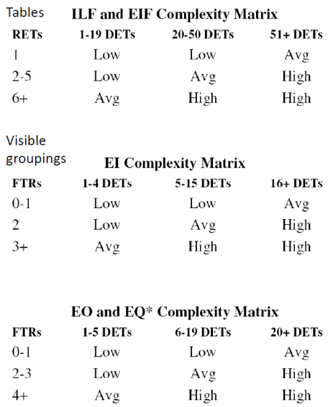
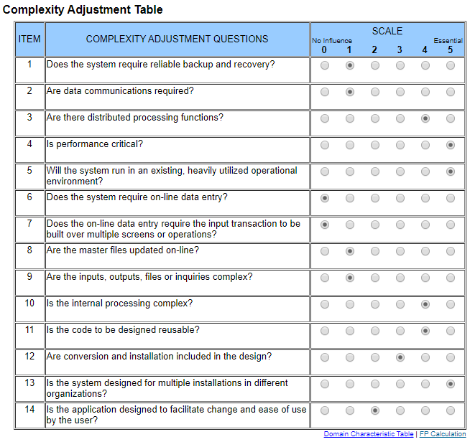
External Queries | --- | 0 | 0 | low | 0 |  | --- | ---
Internal Logical Files | 3 | 5 | --- | low | 8 | Game, MatchField, Enemies | Game, MatchField, Enemies, Tanks, MapStructure
External Interface Files | 0 | 0 | --- | low | 0 | --- | ---
Function Points | 81

UC3: Build Towers on selected Area | RET | DET | FTR | Complexity | Amount | RETs | DETs | FTRs
External Inputs | --- | 2 | 3 | average | 5 |  | Field-Buttons, Plus-Symbol | MatchField, Tower, Plus-Symbol
External Outputs | --- | 2 | 2 | low | 4 |  | Tower, MatchField | MatchField, Tower
External Queries | --- | 0 | 0 | low | 0 |  | --- | ---
Internal Logical Files | 2 | 2 | --- | low | 4 | Game, MatchField | Game, MatchField
External Interface Files | 0 | 0 | --- | low | 0 | --- | ---
Function Points | 64

UC4: Return to main menu | RET | DET | FTR | Complexity | Amount | RETs | DETs | FTRs
External Inputs | --- | 2 | 2 | low | 4 |  | Main-Menu-Button, GameActivity | GameActivity, Game
External Outputs | --- | 1 | 0 | low | 1 |  | MainActivity | ---
External Queries | --- | 0 | 0 | low | 0 |  | --- | ---
Internal Logical Files | 2 | 2 | --- | low | 4 | GameActivity, Game | GameActivity, Game
External Interface Files | 0 | 0 | --- | low | 0 | --- | ---
Function Points | 44

Function Points (Time spent)
 | Time spent |  | Time spent 1-4
12.375 | 80 | 12 | 82
10.125 | 80 | 7.5 | 81
26 | 79 | 6.5 | 64
12.5 | 58 | 1.5 | 44
1.5 | 66
15.5 | 76
UC5: Upgrade Towers | RET | DET | FTR | Complexity | Amount | RETs | DETs | FTRs
External Inputs | --- | 2 | 2 | low | 4 |  | Tower-Selection, Upgrade-Button | Tower, GameActivity
External Outputs | --- | 3 | 2 | low | 5 |  | Tower, MatchField, GameActivity | Tower, GameActivity
External Queries | --- | 1 | 1 | low | 2 |  | Tower-Stats | Tower
Internal Logical Files | 3 | 3 | --- | low | 6 | GameActivity, Tower, Level-Constants | GameActivity, Tower, Upgrade-UI
External Interface Files | 0 | 0 | --- | low | 0 | --- | ---
Function Points | 80
Estimation: 10,1h

UC6: Sell Towers | RET | DET | FTR | Complexity | Amount | RETs | DETs | FTRs
External Inputs | --- | 2 | 2 | low | 4 |  | Tower-Selection, Sell-Button | Tower, GameActivity
External Outputs | --- | 3 | 2 | low | 5 |  | Tower, MatchField, GameActivity | Tower, GameActivity
External Queries | --- | 1 | 1 | low | 2 |  | Tower-Stats | Tower
Internal Logical Files | 3 | 3 | --- | low | 6 | GameActivity, Tower, MatchField | GameActivity, Tower, Sell-UI
External Interface Files | 0 | 0 | --- | low | 0 | --- | ---
Function Points (Estimation)
 | Time spent
10.1 | 80
10.1 | 80
9.86 | 79
4.3 | 58
6.4 | 66
9.1 | 76
Function Points | 80
Estimation: 10,1h

UC7: Select between different Towers | RET | DET | FTR | Complexity | Amount | RETs | DETs | FTRs
External Inputs | --- | 2 | 2 | low | 4 |  | Tower, Position | Tower, Game
External Outputs | --- | 2 | 2 | low | 4 |  | Tower-Selection, Select-Button | Tower, GameActivity
External Queries | --- | 2 | 1 | low | 3 |  | Money, Price | Game
Internal Logical Files | 3 | 3 | --- | low | 6 | GameActivity, Game, Tower-Template | GameActivity, Game, Money
External Interface Files | 0 | 0 | --- | low | 0 | --- | ---
Function Points | 79
Estimation: 9,86h

UC8: Edit Settings | RET | DET | FTR | Complexity | Amount | RETs | DETs | FTRs
External Inputs | --- | 1 | 2 | low | 3 |  | Menu-Button | GameActivity, Game
External Outputs | --- | 1 | 1 | low | 2 |  | Settings-UI | GameActivity
External Queries | --- | 1 | 1 | low | 2 |  | Settings | SharedPreferences
Internal Logical Files | 3 | 2 | --- | low | 5 | SharedPreferences, GameActivity, Game | Settings, GameActivity
External Interface Files | 0 | 0 | --- | low | 0 | --- | ---
Function Points | 58
Estimation: 4,3h

UC9: Toggle Sound & Animations | RET | DET | FTR | Complexity | Amount | RETs | DETs | FTRs
External Inputs | --- | 1 | 1 | low | 2 |  | Settings-Buttons | GameActivity
External Outputs | --- | 2 | 1 | low | 3 |  | Settings-Buttons, changed Settings | GameActivity
External Queries | --- | 1 | 1 | low | 2 |  | Settings | SharedPreferences
Internal Logical Files | 3 | 3 | --- | low | 6 | SharedPreferences, GameActivity, MainActivity | Settings, GameActivity, MainActivity
External Interface Files | 0 | 0 | --- | low | 0 | --- | ---
Function Points | 66
Estimation: 6,4h

UC10: Choose Difficulties | RET | DET | FTR | Complexity | Amount | RETs | DETs | FTRs
External Inputs | --- | 3 | 1 | low | 4 |  | MainActivity, Difficulty, Play-Button | MainActivity
External Outputs | --- | 3 | 1 | low | 4 |  | GameActivity, Game, Game-Settings | GameActivity
External Queries | --- | 1 | 1 | low | 2 |  | Statistics | SharedPreferences
Internal Logical Files | 3 | 3 | --- | low | 6 | SharedPreferences, MainActivity, GameActivity | Statistics, GameActivity, MainActivity
External Interface Files | 0 | 0 | --- | low | 0 | --- | ---
Function Points | 76
Estimation: 9,1h

