numeric
column | user_id | Distribution
sample_value | 209 | 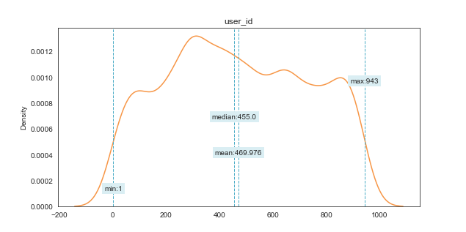
nan_rate | 0
num_uni | 848/5000
value_min | 1
value_mean | 469.9762
value_median | 455
value_max | 943

column | item_id | Distribution
sample_value | 1011 | 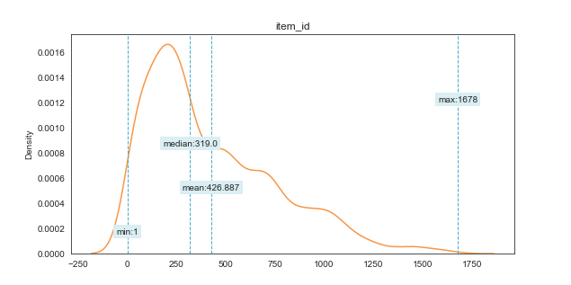
nan_rate | 0
num_uni | 1044/5000
value_min | 1
value_mean | 426.887
value_median | 319
value_max | 1678

column | rating | Distribution
sample_value | 3 | 
nan_rate | 0
num_uni | 5/5000
value_min | 1
value_mean | 3.556
value_median | 4
value_max | 5

column | timestamp | Distribution
sample_value | 874828864 | 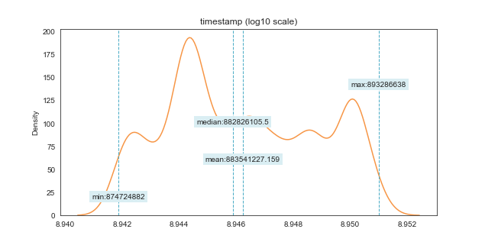
nan_rate | 0
num_uni | 4743/5000
value_min | 874724882
value_mean | 883541227.16
value_median | 882826105.5
value_max | 893286638

