numeric
column | user_id | Distribution
sample_value | 548 | 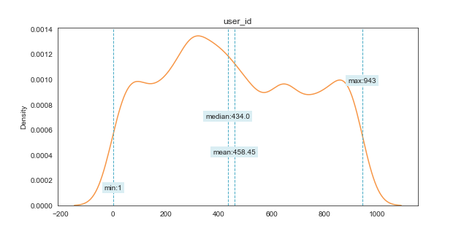
nan_rate | 0
num_uni | 849/5000
value_min | 1
value_mean | 458.4504
value_median | 434
value_max | 943

column | item_id | Distribution
sample_value | 343 | 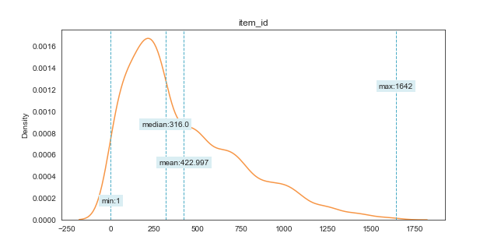
nan_rate | 0
num_uni | 1066/5000
value_min | 1
value_mean | 422.9966
value_median | 316
value_max | 1642

column | rating | Distribution
sample_value | 3 | 
nan_rate | 0
num_uni | 5/5000
value_min | 1
value_mean | 3.5276
value_median | 4
value_max | 5

column | timestamp | Distribution
sample_value | 879440244 | 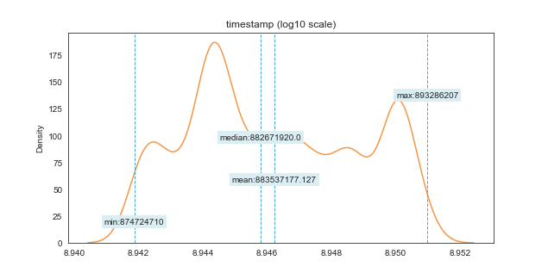
nan_rate | 0
num_uni | 4770/5000
value_min | 874724710
value_mean | 883537177.13
value_median | 882671920
value_max | 893286207

