Use Cases
 |  | Image Search Project Use Cases

Case No | Case Description | Image Input | Matched/Not Matched Screenshot | Matched Image | Similarity Percentage | Folder Images
1 | Horizontal/Vertical Image Upside Down | 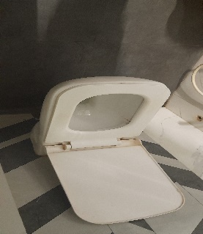 |  | 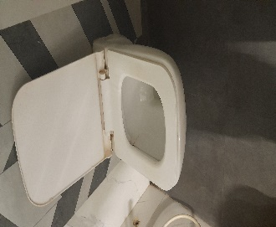 | 68.44%
2 | Whatsapp Send Compressed Image | 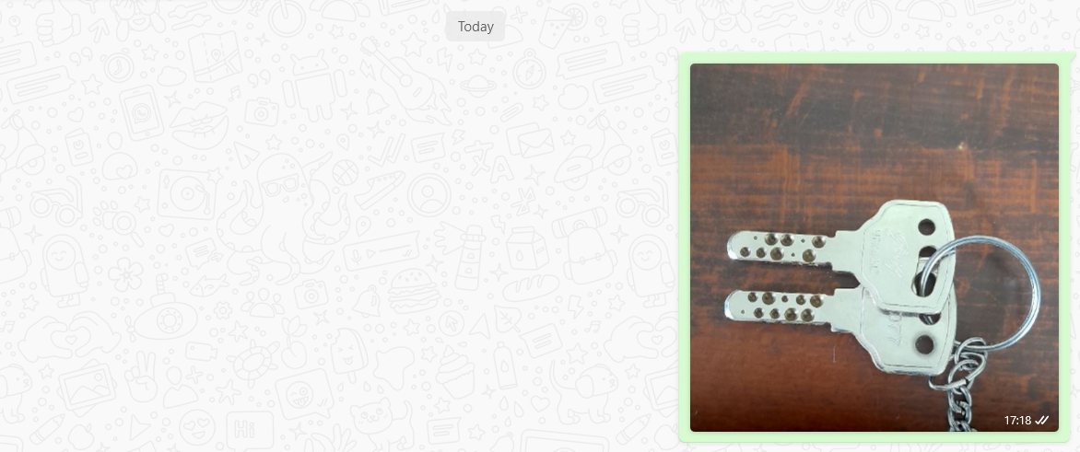 |  | 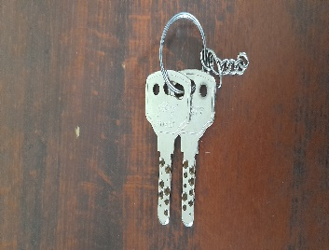 | 61.39%
3 | Dimensionally Smaller Image |  |  |  | 88.37%
4 | Unknown Image (Completely not known) | 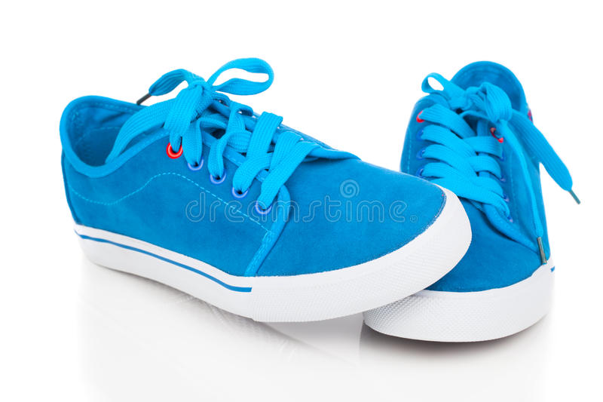 |  |  | AS it falls in < 60% category(44%)

