RETIRED_hist_var_full
...
derived data
pv01 | swap_pv | swap_pnl | total_pnl | 5_percentile
8.1257456698 | -2958502.8911 | -5401404.8909 | -5429323.6937 | 11,561,764.58 | <-- very large VAR coz all of swap_pnl uses 2023-10-30 as benchmark then it becomes N-day position move instead of 1-day
8.1227348522 | -3044883.0962 | -5487785.0961 | -5588870.3832 |  | <-- consider it as "large" coz even 1E5 times Monte Carlo simulation wouldn't have this extreme value
8.1161484148 | -2954225.874 | -5397127.8739 | -5456339.3278 |  | <-- if you check the formula in L4, can see that stocks pnl derived from relative price change is actually using T+1 as benchmark instead of 2023-10-30
8.0860325644 | -2487463.0724 | -4930365.0722 | -4855056.5849 |  | <-- so swap probably should also do the same (check out next sheet)
8.0887798923 | -2367457.5018 | -4810359.5016 | -4757144.2742
8.073569935 | -2071889.3636 | -4514791.3635 | -4502065.7971
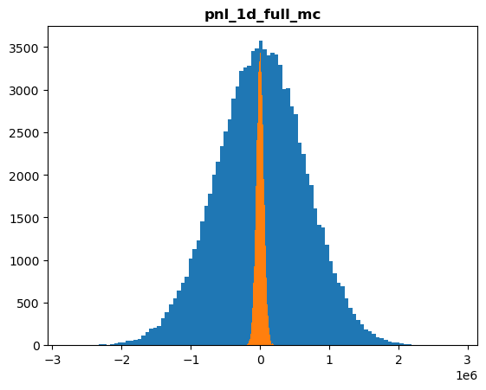
8.1087208772 | -2822088.3019 | -5264990.3017 | -5363012.4181
8.1149520042 | -2769298.1971 | -5212200.1969 | -4931507.7798
8.2426403898 | -5378731.7816 | -7821633.7814 | -7755457.6094
8.2317012461 | -5179811.5638 | -7622713.5637 | -7691830.9288
8.2650749834 | -5853603.8842 | -8296505.884 | -8267417.033
8.3038102639 | -6900996.1166 | -9343898.1164 | -9387396.4288
8.2672787407 | -6159865.4846 | -8602767.4845 | -8594369.1817
8.2399586855 | -5682238.058 | -8125140.0578 | -8116972.1205
8.2332581285 | -5553685.866 | -7996587.8659 | -8014459.7976
8.2668405449 | -6377343.721 | -8820245.7208 | -8779846.4576
8.2846994009 | -6779669.1363 | -9222571.1361 | -9205879.9762
8.2867188567 | -6834917.4711 | -9277819.471 | -9291819.7784
8.2893937444 | -6887012.2813 | -9329914.2812 | -9426470.1709
8.2797346128 | -6558027.6351 | -9000929.635 | -9022737.8897
8.3096684916 | -7026960.4523 | -9469862.4521 | -9325763.132
8.3748705577 | -8517191.6612 | -10960093.661 | -10975716.951
8.3830455172 | -8706084.1231 | -11148986.123 | -11179545.354
8.3356147251 | -7785735.2872 | -10228637.287 | -10334776.232
8.3708037698 | -8744129.0244 | -11187031.024 | -11282824.522
8.4111480382 | -9534350.4003 | -11977252.4 | -12015530.08
8.3711865632 | -8639921.1361 | -11082823.136 | -11065927.446
8.3429603866 | -7920786.4771 | -10363688.477 | -10372402.953
8.3254418248 | -7574664.5044 | -10017566.504 | -9940234.0708
8.3799423152 | -8606980.4344 | -11049882.434 | -11016851.509
8.3795312612 | -8569849.8348 | -11012751.835 | -11048103.449
8.3911654777 | -8916574.9924 | -11359476.992 | -11487431.63
8.3870994549 | -8656228.4511 | -11099130.451 | -11203100.054
8.3508209323 | -7841695.097 | -10284597.097 | -10341957.031
8.320435848 | -7169192.4184 | -9612094.4182 | -9621772.9685
8.3182975802 | -7068677.416 | -9511579.4158 | -9434644.2858
8.3151533565 | -7095339.5836 | -9538241.5834 | -9636314.9557
8.286361305 | -6438663.7599 | -8881565.7597 | -8875206.2736
8.2489394045 | -5616808.2957 | -8059710.2955 | -8093239.4915
8.2373582002 | -5296223.4609 | -7739125.4608 | -7795009.0891
8.2496043857 | -5669972.5332 | -8112874.533 | -7991748.4686
8.2564166407 | -5883249.2181 | -8326151.218 | -8321424.1915
8.2742353791 | -6306367.3382 | -8749269.3381 | -8771600.1524
8.3027909466 | -6954541.7671 | -9397443.7669 | -9383819.1263
8.2909776961 | -6821843.9901 | -9264745.9899 | -9287055.0296
8.364106615 | -8159862.0132 | -10602764.013 | -10517266.71
8.3876726497 | -8658149.389 | -11101051.389 | -11093594.397
...

