安装教程
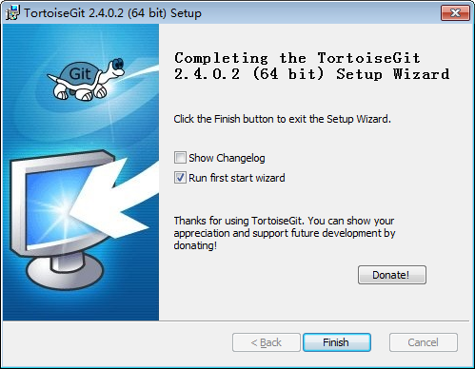
1.git for windows下载
https://git-for-windows.github.io/


2.tortoisegit下载
https://tortoisegit.org/download/
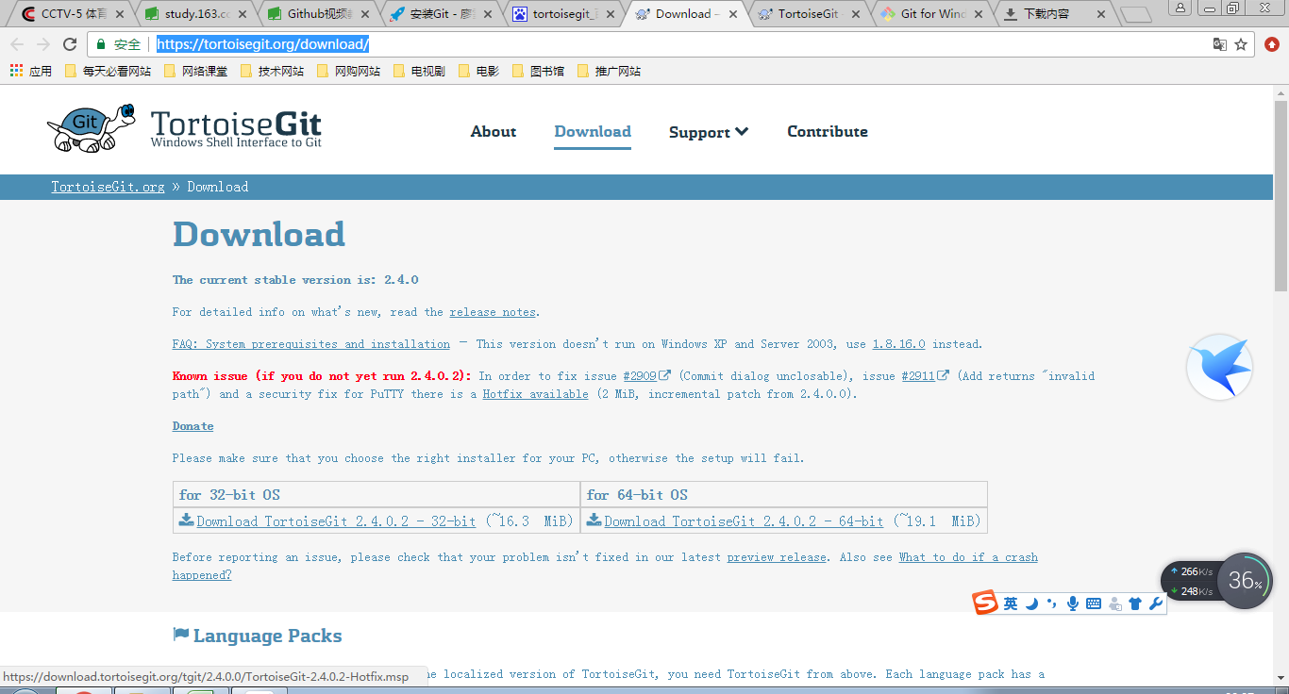

3.Git-2.13.0-64-bit.exe安装
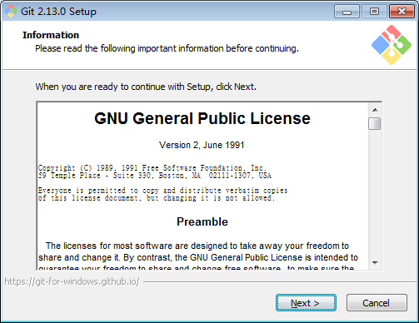

一直默认Next
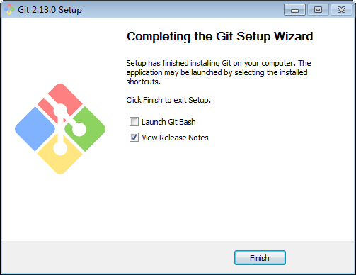

4.TortoiseGit-2.4.0.2-64bit.msi安装
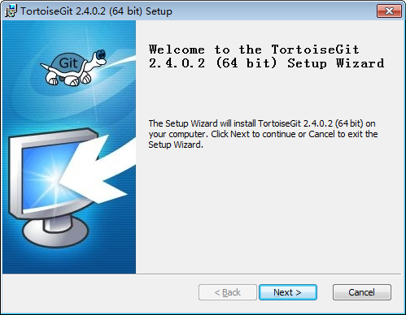

一直默认Next

