Maven
1.JAVA_HOME配置
JAVA_HOME
C:\Program Files\Java\jdk1.8.0_77
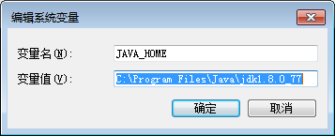

path
%JAVA_HOME%\bin;

ClassPath
.;%JAVA_HOME%\lib;

2.Maven配置
path
C:\Program Files\apache-maven-3.3.9\bin

