QA
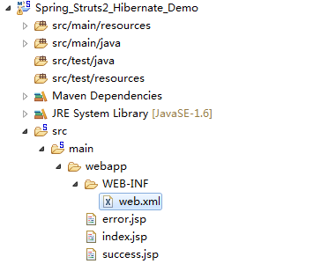
1.解决cannot change version of project facet Dynamic web module to 3.0
 | <?xml version="1.0" encoding="UTF-8"?>
 | <web-app version="3.0" xmlns="http://java.sun.com/xml/ns/javaee"
 |  | xmlns:xsi="http://www.w3.org/2001/XMLSchema-instance"
 |  | xsi:schemaLocation="http://java.sun.com/xml/ns/javaee
 |  | http://java.sun.com/xml/ns/javaee/web-app_3_0.xsd">

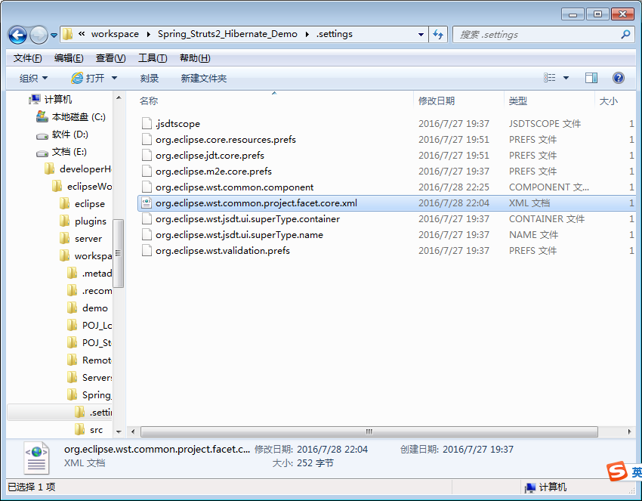

 |  |  | <?xml version="1.0" encoding="UTF-8"?>
 |  |  | <faceted-project>
 |  |  | <fixed facet="wst.jsdt.web"/>
 |  |  | <installed facet="jst.web" version="3.0"/>
 |  |  | <installed facet="wst.jsdt.web" version="1.0"/>
 |  |  | <installed facet="java" version="1.6"/>
 |  |  | </faceted-project>

然后执行项目右键Maven的Update Project...即可。

