Sheet1
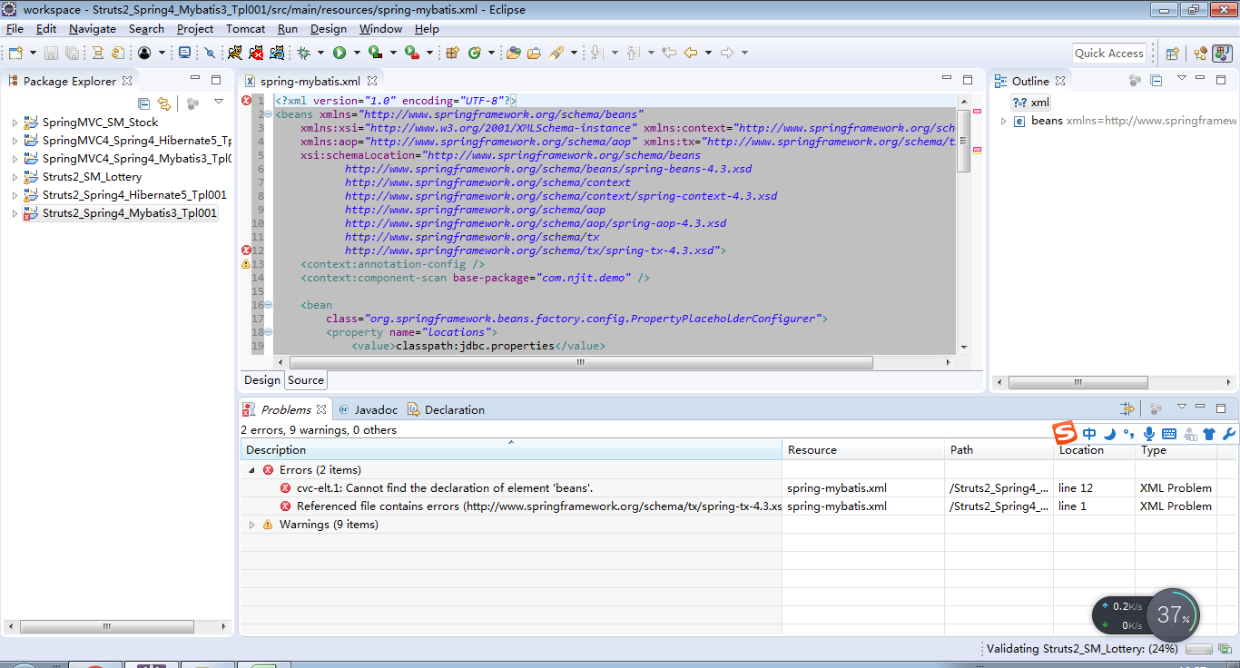

spring-mybatis.xml

<?xml version="1.0" encoding="UTF-8"?>
<beans xmlns="http://www.springframework.org/schema/beans"
 | xmlns:xsi="http://www.w3.org/2001/XMLSchema-instance" xmlns:context="http://www.springframework.org/schema/context"
 | xmlns:aop="http://www.springframework.org/schema/aop" xmlns:tx="http://www.springframework.org/schema/tx"
 | xsi:schemaLocation="http://www.springframework.org/schema/beans
http://www.springframework.org/schema/beans/spring-beans-4.3.xsd
http://www.springframework.org/schema/context
http://www.springframework.org/schema/context/spring-context-4.3.xsd
http://www.springframework.org/schema/aop
http://www.springframework.org/schema/aop/spring-aop-4.3.xsd
http://www.springframework.org/schema/tx
http://www.springframework.org/schema/tx/spring-tx-4.3.xsd">

