Sheet1
SEEP2D Sample Problem
CE En 544 - Brigham Young University
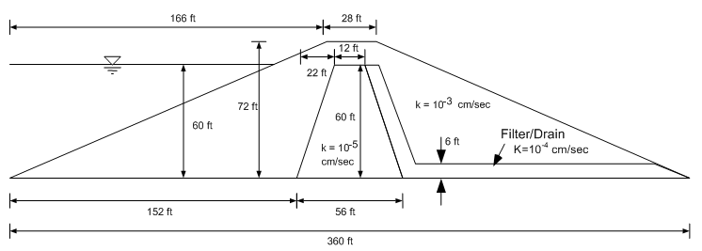
x | y

Material | K [cm/s] | K [ft/d]
Shell
Core
Filter

