Sheet1
SEEP2D Sample Problem
CE En 544 - Brigham Young University
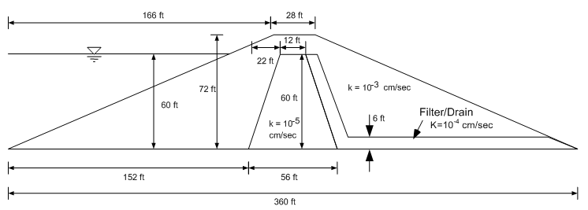
x | y
0.0 | 0.0
138.3 | 60.0
166.0 | 72.0
194.0 | 72.0
346.2 | 6.0
360.0 | 0.0
152.0 | 0.0
174.0 | 60.0
186.0 | 60.0
192.0 | 60.0
208.0 | 0.0
211.8 | 6.0

Material | K [cm/s] | K [ft/d]
Shell | 0.001 | 2.8346
Core | 0.00001 | 0.0283
Filter | 0.0001 | 0.2835

