Sheet1
Geogrid Reinforced Slope Input
CE 544 - Brigham Young University

Part 1) Set up the problem and solve without the reinforcement. Note the factor of safety.

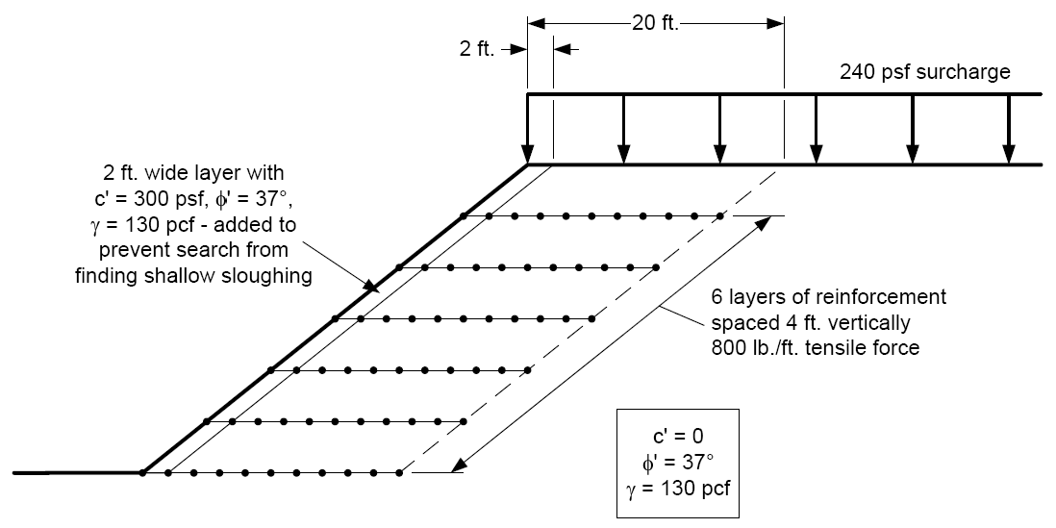
Profile Line #1 |  |  | Distributed Load
x | y |  | x | y | N
0 | 0 |  | 30 | 24 | 240
30 | 24 |  | 100 | 24 | 240
32 | 24

Profile Line #2
x | y
-30 | 0
2 | 0
32 | 24
100 | 24

Part 2) Add the reinforcement and recompute the factor of safety.

Reinforcement Line #1
x | y | FL | FT
0 | 0 | 0 | 0
4 | 0 | 800 | 0
16 | 0 | 800 | 0
20 | 0 | 0 | 0

Reinforcement Line #2
x | y | FL | FT
5 | 4 | 0 | 0
9 | 4 | 800 | 0
21 | 4 | 800 | 0
25 | 4 | 0 | 0

Reinforcement Line #3
x | y | FL | FT
10 | 8 | 0 | 0
14 | 8 | 800 | 0
26 | 8 | 800 | 0
30 | 8 | 0 | 0

Reinforcement Line #4
x | y | FL | FT
15 | 12 | 0 | 0
19 | 12 | 800 | 0
31 | 12 | 800 | 0
35 | 12 | 0 | 0

Reinforcement Line #5
x | y | FL | FT
20 | 16 | 0 | 0
24 | 16 | 800 | 0
36 | 16 | 800 | 0
40 | 16 | 0 | 0

Reinforcement Line #6
x | y | FL | FT
25 | 20 | 0 | 0
29 | 20 | 800 | 0
41 | 20 | 800 | 0
45 | 20 | 0 | 0

