Sheet1
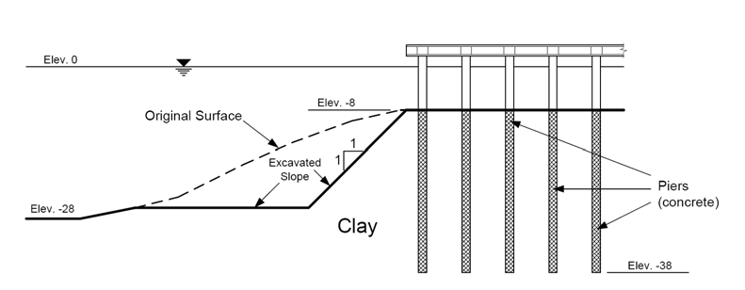
Underwater Concrete Pier Problem
CE 544 - Brigham Young University

Part 1 - Pile Cap Only, Neglect Internal Reinforcement

Profile Line #1 |  |  | Line Load Conversion
x | y |  | Num Loads: | 5
0 | -28 |  | Wt per load: | 2000 | [lb/ft]
10 | -28 |  | Total load: | 10000 | [lb/ft]
20 | -26 |  | Length of dist: | 40 | [ft]
52 | -26 |  | Equiv dist load: | 250 | [psf]
70 | -8
110 | -8 |  | Distributed Load
 |  |  | x | y | N
Starting Circle |  |  | 0 | -28 | 1747.2
xo: | 60 |  | 10 | -28 | 1747.2
yo: | 10 |  | 20 | -26 | 1622.4
ybottom: | -35 |  | 52 | -26 | 1622.4
max depth: | -50 |  | 70 | -8 | 499.2
 |  |  | 70 | -8 | 749.2
 |  |  | 110 | -8 | 749.2

Part 2 - Add Internal Reinforcement

Reinf. Line #1
x | y | LF | TF
73 | -8 | -2000 | 0
73 | -18 | -1600 | 0
73 | -28 | -950 | 0
73 | -38 | 0 | 0

Reinf. Line #2
x | y | LF | TF
81 | -8 | -2000 | 0
81 | -18 | -1600 | 0
81 | -28 | -950 | 0
81 | -38 | 0 | 0

Reinf. Line #3
x | y | LF | TF
89 | -8 | -2000 | 0
89 | -18 | -1600 | 0
89 | -28 | -950 | 0
89 | -38 | 0 | 0

Reinf. Line #4
x | y | LF | TF
97 | -8 | -2000 | 0
97 | -18 | -1600 | 0
97 | -28 | -950 | 0
97 | -38 | 0 | 0

Reinf. Line #5
x | y | LF | TF
105 | -8 | -2000 | 0
105 | -18 | -1600 | 0
105 | -28 | -950 | 0
105 | -38 | 0 | 0

