Sheet1
Flow Through Layered Systems
Brigham Young University - CE 544
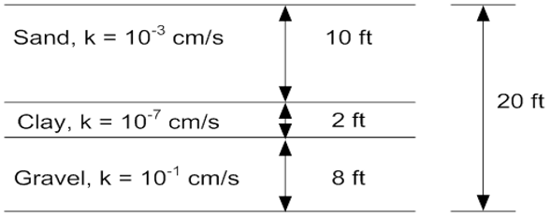
 | Driving head: | 5 | [ft]
 | width (dx): | 100 | [ft]
 | height (dy): | 20 | [ft]

Flow parallel to layering (horizontal)

Lay | ki [cm/s] | ki [ft/day] | Hi | ki*Hi | Dh | Dq
1 | 1.00E-03 | 2.83 | 10
2 | 1.00E-07 | 0.00028 | 2
3 | 1.00E-01 | 283.5 | 8
 |  |  |  |  |  | 0.00
 | Keq: |  | [ft/day]

 | Qtotal: |  | [ft^3/day/ft]

Flow perpindicular to layering (vertical)

Lay | ki [cm/s] | ki [ft/day] | Hi | Hi/ki | Dh | Dq
1 | 1.00E-03 | 2.83 | 10
2 | 1.00E-07 | 0.00028 | 2
3 | 1.00E-01 | 283.5 | 8
 |  |  |  |  | 0.0
 | Keq: |  | [ft/day]

 | Qtotal: |  | [ft^3/day/ft]

