Sheet1
Flow Through Layered Systems
Brigham Young University - CE 544
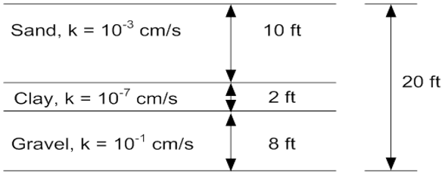
 | Driving head: | 5 | [ft]
 | width (dx): | 100 | [ft]
 | height (dy): | 20 | [ft]

Flow parallel to layering (horizontal)

Lay | ki [cm/s] | ki [ft/day] | Hi | ki*Hi | Dh | Dq
1 | 1.00E-03 | 2.83 | 10 | 28.3 | 5 | 1.42
2 | 1.00E-07 | 0.00028 | 2 | 0.00057 | 5 | 0.0000283
3 | 1.00E-01 | 283.5 | 8 | 2267.7 | 5 | 113.39
 |  |  |  |  |  | 114.80
 | Keq: | 114.80 | [ft/day]

 | Qtotal: | 114.80 | [ft^3/day/ft]

Flow perpindicular to layering (vertical)

Lay | ki [cm/s] | ki [ft/day] | Hi | Hi/ki | Dh | Dq
1 | 1.00E-03 | 2.83 | 10 | 3.53 | 0.00250 | 0.071
2 | 1.00E-07 | 0.00028 | 2 | 7055.6 | 5.00 | 0.071
3 | 1.00E-01 | 283.5 | 8 | 0.03 | 0.000020 | 0.071
 |  |  |  |  | 5.0
 | Keq: | 0.00283 | [ft/day]

 | Qtotal: | 0.071 | [ft^3/day/ft]

