Sheet1
Slope Design Input
CE 544 - Brigham Young University
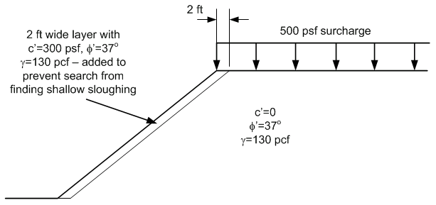
Profile Line #1 |  |  | Starting Circle:
x | y |  | xo: | 0
0 | 0 |  | yo: | 40
30 | 24 |  | ybottom: | 0
32 | 24 |  | ymin: | -50

Profile Line #2 |  |  | Geogrids:
x | y |  | Tforce: | 800 | [lb/ft]
-30 | 0 |  | Dev. Length: | 4 | [ft]
2 | 0 |  | Geogrid Length: | 30 | [ft]
32 | 24 |  | Cost/ft: | $300.00
100 | 24 |  | # geogrid layers: | 6
 |  |  | Spacing: | 4
 |  |  | Total cost: | $54,000.00
Distributed Load
x | y | N | Reinforcement Line # |  |  | 1
30 | 24 | 500 | Elevation: |  | 0
100 | 24 | 500 | x | y | FL | FT
 |  |  | 0 | 0 | 0 | 0
Geometry: |  |  | 4 | 0 | 800 | 0
dy/dx: | 0.8 |  | 26 | 0 | 800 | 0
x at toe: | 0 |  | 30 | 0 | 0 | 0

 |  |  | Reinforcement Line # |  |  | 2
 |  |  | Elevation: |  | 3
 |  |  | x | y | FL | FT
 |  |  | 3.75 | 4 | 0 | 0
 |  |  | 7.75 | 4 | 800 | 0
 |  |  | 29.75 | 4 | 800 | 0
 |  |  | 33.75 | 4 | 0 | 0

 |  |  | Reinforcement Line # |  |  | 3
 |  |  | Elevation: |  | 6
 |  |  | x | y | FL | FT
 |  |  | 7.5 | 8 | 0 | 0
 |  |  | 11.5 | 8 | 800 | 0
 |  |  | 33.5 | 8 | 800 | 0
 |  |  | 37.5 | 8 | 0 | 0

 |  |  | Reinforcement Line # |  |  | 4
 |  |  | Elevation: |  | 9
 |  |  | x | y | FL | FT
 |  |  | 11.25 | 12 | 0 | 0
 |  |  | 15.25 | 12 | 800 | 0
 |  |  | 37.25 | 12 | 800 | 0
 |  |  | 41.25 | 12 | 0 | 0

 |  |  | Reinforcement Line # |  |  | 5
 |  |  | Elevation: |  | 12
 |  |  | x | y | FL | FT
 |  |  | 15 | 16 | 0 | 0
 |  |  | 19 | 16 | 800 | 0
 |  |  | 41 | 16 | 800 | 0
 |  |  | 45 | 16 | 0 | 0

 |  |  | Reinforcement Line # |  |  | 6
 |  |  | Elevation: |  | 16
 |  |  | x | y | FL | FT
 |  |  | 20 | 20 | 0 | 0
 |  |  | 24 | 20 | 800 | 0
 |  |  | 46 | 20 | 800 | 0
 |  |  | 50 | 20 | 0 | 0

 |  |  | Reinforcement Line # |  |  | 7
 |  |  | Elevation: |  | 16
 |  |  | x | y | FL | FT
 |  |  | 20 | 24 | 0 | 0
 |  |  | 24 | 24 | 800 | 0
 |  |  | 46 | 24 | 800 | 0
 |  |  | 50 | 24 | 0 | 0

 |  |  | Reinforcement Line # |  |  | 8
 |  |  | Elevation: |  | 16
 |  |  | x | y | FL | FT
 |  |  | 20 | 28 | 0 | 0
 |  |  | 24 | 28 | 800 | 0
 |  |  | 46 | 28 | 800 | 0
 |  |  | 50 | 28 | 0 | 0

 |  |  | Reinforcement Line # |  |  | 9
 |  |  | Elevation: |  | 16
 |  |  | x | y | FL | FT
 |  |  | 20 | 32 | 0 | 0
 |  |  | 24 | 32 | 800 | 0
 |  |  | 46 | 32 | 800 | 0
 |  |  | 50 | 32 | 0 | 0

 |  |  | Reinforcement Line # |  |  | 10
 |  |  | Elevation: |  | 16
 |  |  | x | y | FL | FT
 |  |  | 20 | 36 | 0 | 0
 |  |  | 24 | 36 | 800 | 0
 |  |  | 46 | 36 | 800 | 0
 |  |  | 50 | 36 | 0 | 0

