Sheet1
slice | alpha (deg) | alpha (rad) | N_eff' | sigma' | dl | dx | u | u*dl | w | cm | tan_phi_m | Z_left | Z_right | X_left | X_right | E_left | E_right | delta_y_left | delta_y_right | fx_residual | fy_residual | moment_residual | Sum(Fx) | Sum(Fy) | dy_left | dy_right
0 | -44.7 | -0.78 | 17,126.7 | 1,214.2 | 14.1 | 10.0 | 329.0 | 4,641.3 | 6,976.91 | 207.7 | 0.265 | - | 20,870.4 | - | 20,616.9 | - | 3,242.9 | 0.0 | 31.9 | 0.0 | 0.0 | 0.0 | 0.054060801776 | -0.34367390258 | 0.0 | 31.9
1 | -38.3 | -0.67 | 26,393.5 | 2,065.8 | 12.8 | 10.0 | 882.8 | 11,278.4 | 18,718.16 | 207.7 | 0.265 | 20,870.4 | 52,168.7 | 20,616.9 | 51,535.0 | 3,242.9 | 8,106.2 | 31.9 | 57.4 | 0.0 | 0.0 | 0.0 | 0.081072472924 | -0.51539178555 | 31.9 | 57.4
2 | -32.4 | -0.57 | 30,590.6 | 2,575.4 | 11.9 | 10.0 | 1,327.0 | 15,762.3 | 28,137.86 | 207.7 | 0.265 | 52,168.7 | 86,364.1 | 51,535.0 | 85,315.1 | 8,106.2 | 13,419.6 | 57.4 | 85.8 | 0.0 | 0.0 | 0.0 | 0.088576789349 | -0.56309802806 | 57.4 | 85.8
3 | -26.9 | -0.47 | 32,499.2 | 2,890.5 | 11.2 | 10.0 | 1,683.7 | 18,930.1 | 35,700.23 | 207.7 | 0.265 | 86,364.1 | 119,813.6 | 85,315.1 | 118,358.4 | 13,419.6 | 18,617.1 | 85.8 | 116.6 | 0.0 | 0.0 | 0.0 | 0.086644940107 | -0.55081692721 | 85.8 | 116.6
4 | -21.7 | -0.38 | 33,169.0 | 3,074.9 | 10.8 | 10.0 | 1,966.2 | 21,209.2 | 41,691.16 | 207.7 | 0.265 | 119,813.6 | 150,512.4 | 118,358.4 | 148,684.3 | 18,617.1 | 23,387.2 | 116.6 | 150.1 | 0.0 | 0.0 | 0.0 | 0.07951946152 | -0.50551902182 | 116.6 | 150.1
5 | -16.6 | -0.29 | 33,075.7 | 3,162.0 | 10.5 | 10.0 | 2,183.4 | 22,839.1 | 46,296.37 | 207.7 | 0.265 | 150,512.4 | 177,291.5 | 148,684.3 | 175,138.2 | 23,387.2 | 27,548.2 | 150.1 | 186.3 | 0.0 | 0.0 | 0.0 | 0.069366304291 | -0.44097363976 | 150.1 | 186.3
6 | -11.7 | -0.20 | 34,936.3 | 3,467.1 | 10.1 | 9.9 | 2,589.6 | 26,094.4 | 53,576.09 | 51.9 | 0.324 | 177,291.5 | 201,589.4 | 175,138.2 | 199,140.9 | 27,548.2 | 31,323.7 | 186.3 | 222.8 | 0.0 | 0.0 | 0.0 | 0.062939067226 | -0.40011457731 | 186.3 | 222.8
7 | -6.9 | -0.12 | 38,956.7 | 3,919.4 | 9.9 | 9.9 | 3,189.9 | 31,706.3 | 65,158.85 | 51.9 | 0.324 | 201,589.4 | 223,451.3 | 199,140.9 | 220,737.3 | 31,323.7 | 34,720.7 | 222.8 | 260.7 | 0.0 | 0.0 | 0.0 | 0.056629259489 | -0.36000203415 | 222.8 | 260.7
8 | -2.2 | -0.04 | 44,324.8 | 4,489.0 | 9.9 | 9.9 | 3,523.4 | 34,789.9 | 75,659.46 | 51.9 | 0.324 | 223,451.3 | 241,607.8 | 220,737.3 | 238,673.3 | 34,720.7 | 37,541.9 | 260.7 | 301.5 | 0.0 | 0.0 | 0.0 | 0.047031147958 | -0.29898517321 | 260.7 | 301.5
9 | 3.1 | 0.05 | 62,371.0 | 5,042.9 | 12.4 | 12.3 | 3,823.1 | 47,284.2 | 108,518.51 | 103.8 | 0.276 | 241,607.8 | 254,320.4 | 238,673.3 | 251,231.4 | 37,541.9 | 39,517.2 | 301.5 | 362.9 | 0.0 | 0.0 | 0.0 | 0.03292942082 | -0.20933804502 | 301.5 | 362.9
10 | 9.0 | 0.16 | 71,242.4 | 5,697.2 | 12.5 | 12.3 | 3,972.5 | 49,675.3 | 122,436.37 | 103.8 | 0.276 | 254,320.4 | 256,078.2 | 251,231.4 | 252,967.9 | 39,517.2 | 39,790.4 | 362.9 | 438.7 | 0.0 | 0.0 | 0.0 | 0.0045533991652 | -0.028946748695 | 362.9 | 438.7
11 | 14.5 | 0.25 | 58,104.2 | 5,660.4 | 10.3 | 9.9 | 4,036.5 | 41,435.2 | 101,962.12 | 103.8 | 0.276 | 256,078.2 | 247,679.9 | 252,967.9 | 244,671.7 | 39,790.4 | 38,485.4 | 438.7 | 517.8 | 0.0 | 0.0 | 0.0 | -0.021754181362 | 0.13829510742 | 438.7 | 517.8
12 | 19.4 | 0.34 | 53,281.2 | 5,055.3 | 10.5 | 9.9 | 4,007.4 | 42,236.7 | 97,988.90 | 103.8 | 0.276 | 247,679.9 | 230,608.4 | 244,671.7 | 227,807.5 | 38,485.4 | 35,832.8 | 517.8 | 621.7 | 0.0 | 0.0 | 0.0 | -0.044220528129 | 0.28111757474 | 517.8 | 621.7
13 | 24.5 | 0.43 | 48,538.5 | 4,442.0 | 10.9 | 9.9 | 3,889.9 | 42,505.6 | 92,723.73 | 103.8 | 0.276 | 230,608.4 | 205,705.7 | 227,807.5 | 203,207.2 | 35,832.8 | 31,963.3 | 621.7 | 764.0 | 0.0 | 0.0 | 0.0 | -0.06450595535 | 0.41007555707 | 621.7 | 764.0
14 | 29.9 | 0.52 | 43,474.1 | 3,792.2 | 11.5 | 9.9 | 3,703.8 | 42,460.9 | 86,017.22 | 103.8 | 0.276 | 205,705.7 | 173,941.0 | 203,207.2 | 171,828.3 | 31,963.3 | 27,027.6 | 764.0 | 972.5 | 0.0 | 0.0 | 0.0 | -0.082280643226 | 0.52307233409 | 764.0 | 972.5
15 | 35.5 | 0.62 | 38,503.7 | 3,152.6 | 12.2 | 9.9 | 3,382.6 | 41,311.9 | 77,643.24 | 103.8 | 0.276 | 173,941.0 | 136,793.6 | 171,828.3 | 135,132.2 | 27,027.6 | 21,255.5 | 972.5 | 1308.3 | 0.0 | 0.0 | 0.0 | -0.096223279892 | 0.61170809608 | 972.5 | 1308.3
16 | 41.6 | 0.73 | 33,106.4 | 2,490.8 | 13.3 | 9.9 | 2,938.4 | 39,056.1 | 67,246.55 | 103.8 | 0.276 | 136,793.6 | 96,258.8 | 135,132.2 | 95,089.7 | 21,255.5 | 14,957.0 | 1308.3 | 1935.7 | 0.0 | 0.0 | 0.0 | -0.10499789513 | 0.66748984819 | 1308.3 | 1935.7
17 | 48.3 | 0.84 | 26,610.1 | 1,780.6 | 14.9 | 9.9 | 2,369.5 | 35,409.6 | 54,248.53 | 103.8 | 0.276 | 96,258.8 | 55,367.8 | 95,089.7 | 54,695.3 | 14,957.0 | 8,603.2 | 1935.7 | 3451.9 | 0.0 | 0.0 | 0.0 | -0.10592066195 | 0.67335603718 | 1935.7 | 3451.9
18 | 56.1 | 0.98 | 19,840.2 | 1,114.6 | 17.8 | 9.9 | 1,620.7 | 28,848.2 | 38,974.46 | 103.8 | 0.276 | 55,367.8 | 18,621.7 | 54,695.3 | 18,395.5 | 8,603.2 | 2,893.5 | 3451.9 | 10389.0 | 0.0 | 0.0 | 0.0 | -0.095183873618 | 0.60510040978 | 3451.9 | 10389.0
19 | 65.8 | 1.15 | 10,045.7 | 413.7 | 24.3 | 9.9 | 514.4 | 12,491.3 | 16,948.91 | 103.8 | 0.276 | 18,621.7 | (0.0) | 18,395.5 | (0.0) | 2,893.5 | (0.0) | 10389.0 | -47062254395.2 | 0.0 | 0.0 | 0.0 | -0.04823605667 | 0.30664498657 | 10389.0 | -47062254395.2

 |  |  |  |  |  |  |  |  | theta: | 8.94 | deg
 |  |  |  |  |  |  |  |  |  | 0.15603243513 | rad
N_eff
Z_left

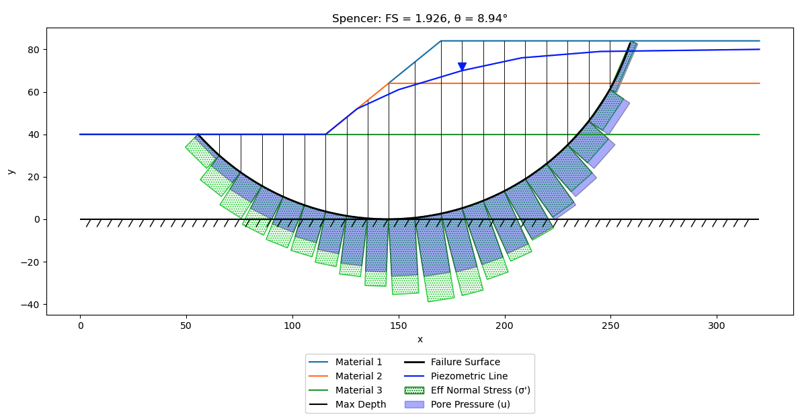
sigma'

