Sheet1
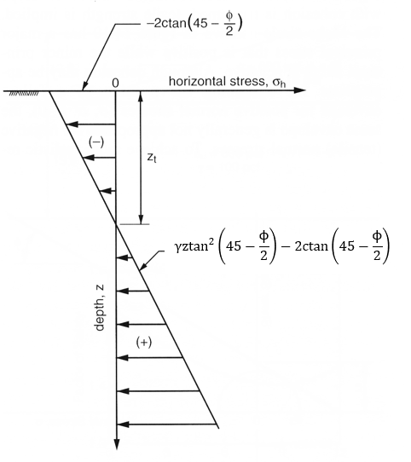
gamma | 125
C | 300
phi | 25

Depth | 25

Sigma_top | -382.24215648
Sigma_bot | 886.06570978
z_t | 7.5344907702

Top triangle
x | -2.5114969234
F | -1440

Bottom triangle
x | -19.17816359
F | 7737.7944162

Resultant | -22.989021553 | SUM(fi*xi)/SUM(fi)

Need to add distributed loads to the top and reformulate.
(dload + gamm*z)*Ko - 2C*Ko^0.5 = 0
dload*Ko + gam*z*Ko -2C*Ko^0.5 = 0
gamz*Ko = 2C*Ko^0.5 = 0 -dload*Ko
z = (2C*Ko^0.5 = 0 -dload*Ko )/(gam*Ko)
BUT WHAT ABOUT MULTIPLE MATERIALS/LAYERS? I would assume that for each latyer you calculate sigma_top and sigma_bot and compute a force trapezoil.
Do this in the generate slices code? Or as post-proccessing step?

