Sheet1
Headloss

You want to find the major headloss in a 1 foot section of pipe. The flow is turbulent. Create figures and equations similar to those shown in the example. Then solve for the unknown values.
Tip: log is written as log(value.to.log,base.of.log)

CCE 170 - Brigham Young University

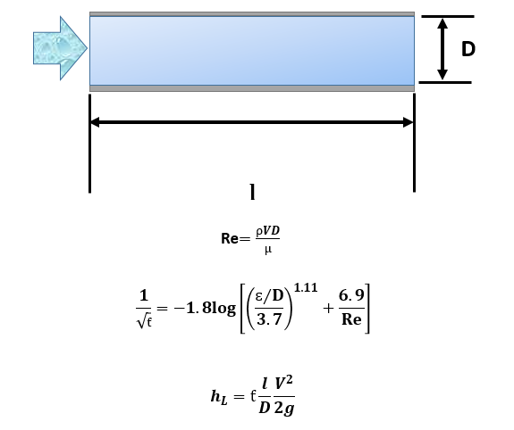
 |  |  |  |  | Place Annotation Here | Example
 | Diameter | D | 0.400 | [ft]
 | Speed | V | 1.000 | [ft/s]
 | Density | ρ | 1.940 | [slugs/ft^3]
 | Gravity | g | 32.200 | [ft/s^2]
 | Length | l | 1.000 | ft
 | Viscosity | μ | 0.000 | [lb*s/ft^2]
 | Roughness | ɛ | 0.012 | [ft]

 | Reynolds Number | Re

 | Friction Coefficient | ƭ

 | Headloss Major | hL |  | [ft]

