Sheet1
Headloss

You want to find the major headloss in a 1 foot section of pipe. The flow is turbulent. Create figures and equations similar to those shown in the example. Then solve for the unknown values.
Tip: log is written as log(value.to.log,base.of.log)

CCE 170 - Brigham Young University

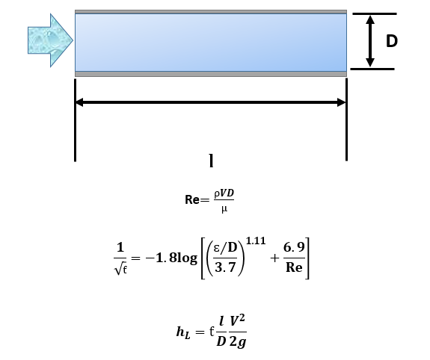
D
 |  |  |  |  | Place Annotation Here | Example
 | Diameter | D | 0.400 | [ft]
 | Speed | V | 1.000 | [ft/s]
 | Density | ρ | 1.940 | [slugs/ft^3]
 | Gravity | g | 32.200 | [ft/s^2]
 | Length | l | 1.000 | ft
 | Viscosity | μ | 0.000 | [lb*s/ft^2]
 | Roughness | ɛ | 0.012 | [ft]

 | Reynolds Number | Re | 33162.39
l
 | Friction Coefficient | ƭ | 0.05635
Re$=\frac{ρVD}{μ}$
 | Headloss Major | hL | 0.002 | [ft]

$$\frac{1}{\sqrt{ƭ}}=−1.8log\left[{\left(\frac{ɛ/D}{3.7}\right)}^{1.11}+\frac{6.9}{Re}\right]$$

$$h_{L}=ƭ\frac{l}{D}\frac{V^{2}}{2g}$$

