Sheet1
Unit Weight
Use shapes and text boxes to create a soil profile similar to the picture shown to the right. Add equations with symbols similar to those also shown to the right. Solve for the unit weights of A and B.

CCE 170 - Brigham Young University

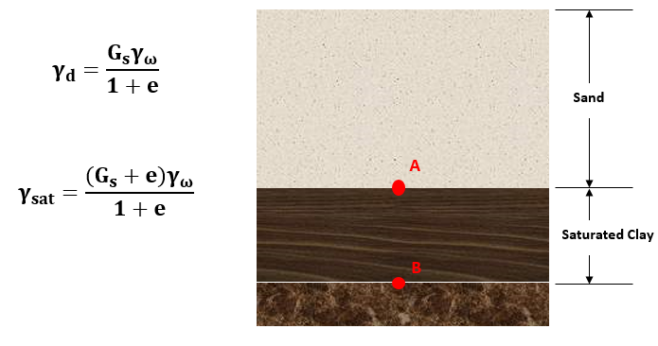
 | A |  | Sand |  | Equations | Soil Profile | Examples
 | Specific Gravity | Gs | 2.65
 | Unit Weight of Water | γω | 62.4 | [lb/ft^3]
$$γ_{d}=\frac{G_{s}γ_{ω}}{1+e}$$
 | Void Ratio | e | 0.5

Sand
 | Unit Weight | γd | 110.24 | [lb/ft^3]

$$γ_{sat}=\frac{(G_{s}+e)γ_{ω}}{1+e}$$
A
 | B |  | Clay
 | Specific Gravity | Gs | 2.71
 | Unit Weight of Water | γω | 62.4 | [lb/ft^3]
 | Void Ratio | e | 1.14
Saturated Clay
 | Unit Weight | γsat | 112.30 | [lb/ft^3]
B

