Sheet1
Crater Settlement
Below is real survey data taken from a blast induced eartquake simulation. At various times throughout the day a survey level and elevation rod where used to take elevations at 31 locations. The total ground surface soil settlements are recorded below.
Create a smooth line XY scatter plot with markers in the orange outlined square to the right. Use the distance from center as the x values and the corresponding settlements as the y values. You will need to add 4 seperate series each with their time as their series name. Add a legend and format the graph so that it looks just like the picture below.

CCE 170 - Brigham Young University

 |  | 2016-05-18 | 2016-05-18 | 2016-05-18 | 2016-05-18 | 2016-05-18 | 2016-05-19

 |  | 14:19:50 | 16:39:50 | 18:52:50 | 19:31:00 | 20:33:00 | 9:40:00

 |  | 0:00:00 | 2:20:00 | 4:33:00 | 0:00:00 | 1:02:00 | 1900-01-01 14:09:00
 | Distance From Center (m) | BLAST | Settlement (cm) | Settlement (cm) | BLAST | Settlement (cm) | Settlement (cm)
 | 0.000 |  | 17.831 | 18.745 |  | 29.413 | 32.461
 | 0.500 |  | 18.288 | 18.593 |  | 30.175 | 33.223
 | 1.000 |  | 17.678 | 18.288 |  | 29.566 | 32.309
 | 1.500 |  | 17.069 | 17.678 |  | 28.042 | 31.090
 | 2.000 |  | 15.850 | 16.764 |  | 27.127 | 29.870
 | 2.500 |  | 13.411 | 14.630 |  | 24.689 | 27.432
 | 3.000 |  | 14.021 | 14.326 |  | 23.165 | 25.298
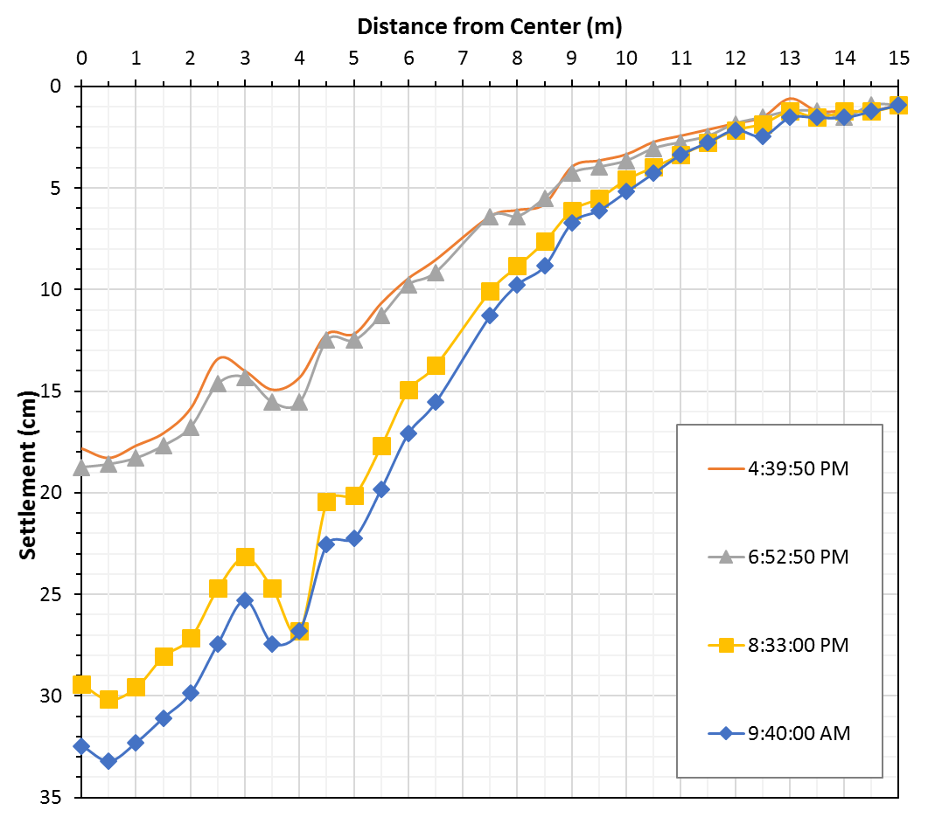
 | 3.500 |  | 14.935 | 15.545 |  | 24.689 | 27.432
 | 4.000 |  | 14.326 | 15.545 |  | 26.822 | 26.822
 | 4.500 |  | 12.192 | 12.497 |  | 20.422 | 22.555
 | 5.000 |  | 12.192 | 12.497 |  | 20.117 | 22.250
 | 5.500 |  | 10.668 | 11.278 |  | 17.678 | 19.812
 | 6.000 |  | 9.449 | 9.754 |  | 14.935 | 17.069
 | 6.500 |  | 8.534 | 9.144 |  | 13.716 | 15.545
 | 7.500 |  | 6.401 | 6.401 |  | 10.058 | 11.278
 | 8.000 |  | 6.096 | 6.401 |  | 8.839 | 9.754
 | 8.500 |  | 5.791 | 5.486 |  | 7.620 | 8.839
 | 9.000 |  | 3.962 | 4.267 |  | 6.096 | 6.706
 | 9.500 |  | 3.658 | 3.962 |  | 5.486 | 6.096
 | 10.000 |  | 3.353 | 3.658 |  | 4.572 | 5.182
 | 10.500 |  | 2.743 | 3.048 |  | 3.962 | 4.267
 | 11.000 |  | 2.438 | 2.743 |  | 3.353 | 3.353
 | 11.500 |  | 2.134 | 2.438 |  | 2.743 | 2.743
 | 12.000 |  | 1.829 | 1.829 |  | 2.134 | 2.134
 | 12.500 |  | 1.524 | 1.524 |  | 1.829 | 2.438
 | 13.000 |  | 0.610 | 1.219 |  | 1.219 | 1.524
 | 13.500 |  | 1.219 | 1.219 |  | 1.524 | 1.524
 | 14.000 |  | 1.219 | 1.524 |  | 1.219 | 1.524
 | 14.500 |  | 1.219 | 0.914 |  | 1.219 | 1.219
 | 15.000 |  | 0.914 | 0.914 |  | 0.914 | 0.914

