Sheet1
Material Price Trends

CCE 170 - Brigham Young University
Below is a chart of the prices of material over a date range. Create a smooth line XY scatter plot in the green outlined square to the right. Add each material as a different series with the dates as the x values and the corresponding prices as the y values. Format the plot so that it look similar to the one shown in the picture below.

 | Price
Date (mm/dd/yyyy) | Concrete | Steel | Wood | Plastic | Poly-Foam | Carbon Fiber
2016-06-05 | $12.30 | $24.20 | $16.34 | $23.60 | $60.16 | $100.00
2016-06-09 | $12.40 | $24.21 | $18.59 | $25.86 | $82.46 | $81.00
2016-06-13 | $12.50 | $23.60 | $14.30 | $21.38 | $40.17 | $200.00
2016-06-17 | $12.60 | $23.40 | $14.50 | $21.52 | $41.37 | $210.00
2016-06-21 | $12.70 | $23.10 | $15.00 | $21.93 | $44.92 | $100.00
2016-06-25 | $12.80 | $22.80 | $16.40 | $23.24 | $56.75 | $246.00
2016-06-29 | $12.90 | $22.50 | $19.00 | $25.75 | $81.33 | $89.00
2016-07-03 | $13.00 | $23.00 | $19.20 | $26.10 | $84.94 | $65.00
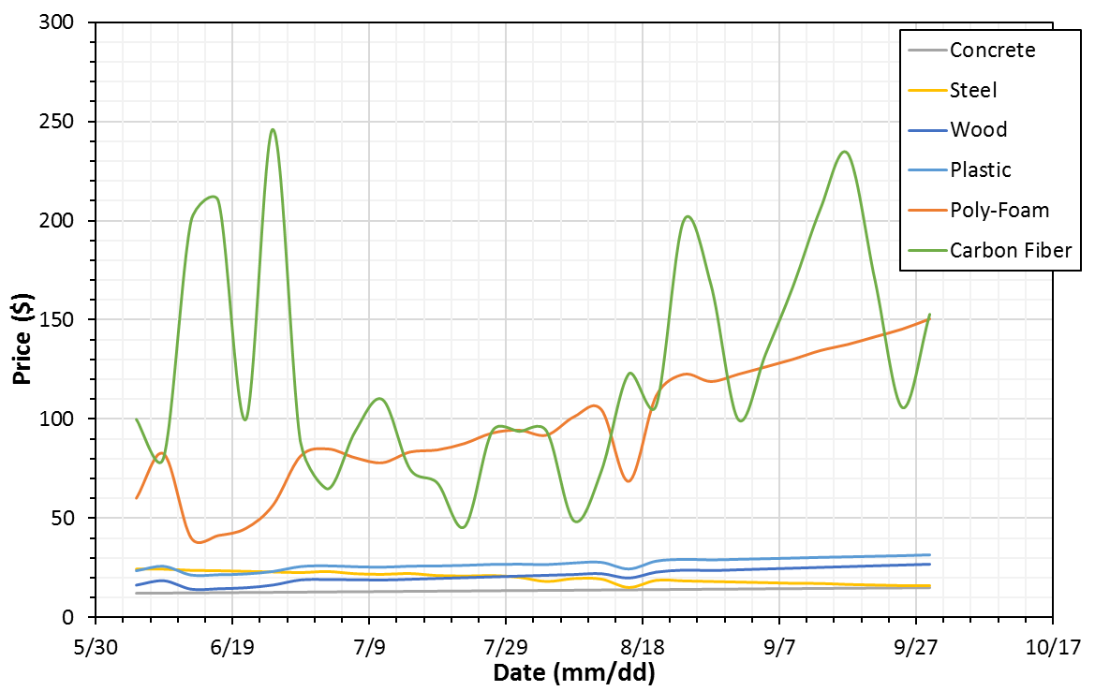
2016-07-07 | $13.10 | $21.90 | $19.10 | $25.67 | $80.49 | $94.00
2016-07-11 | $13.20 | $21.60 | $18.95 | $25.43 | $78.03 | $110.00
2016-07-15 | $13.30 | $22.00 | $19.35 | $25.95 | $83.38 | $75.00
2016-07-19 | $13.40 | $21.00 | $19.76 | $26.06 | $84.45 | $68.00
2016-07-23 | $13.50 | $20.70 | $20.16 | $26.37 | $87.72 | $46.00
2016-07-27 | $13.60 | $21.00 | $20.56 | $26.86 | $92.95 | $94.00
2016-07-31 | $13.70 | $20.10 | $20.96 | $26.99 | $94.38 | $94.00
2016-08-04 | $13.80 | $18.00 | $21.37 | $26.77 | $91.91 | $94.00
2016-08-08 | $13.90 | $19.50 | $21.77 | $27.62 | $101.19 | $48.84
2016-08-12 | $14.00 | $19.20 | $22.17 | $27.93 | $104.65 | $74.17
2016-08-16 | $14.10 | $15.00 | $20.00 | $24.50 | $68.64 | $123.00
2016-08-20 | $14.20 | $18.60 | $22.98 | $28.56 | $111.70 | $107.00
2016-08-24 | $14.30 | $18.30 | $24.00 | $29.49 | $122.51 | $200.00
2016-08-28 | $14.40 | $18.00 | $23.78 | $29.18 | $118.90 | $168.00
2016-09-01 | $14.50 | $17.70 | $24.19 | $29.50 | $122.56 | $100.00
2016-09-05 | $14.60 | $17.40 | $24.59 | $29.81 | $126.26 | $133.00
2016-09-09 | $14.70 | $17.10 | $25.00 | $30.13 | $130.11 | $167.00
2016-09-13 | $14.80 | $17.00 | $25.39 | $30.49 | $134.49 | $206.00
2016-09-17 | $14.90 | $16.50 | $25.80 | $30.75 | $137.59 | $234.00
2016-09-21 | $15.00 | $16.20 | $26.20 | $31.06 | $141.44 | $170.00
2016-09-25 | $15.10 | $15.90 | $26.60 | $31.37 | $145.34 | $106.00
2016-09-29 | $15.20 | $15.90 | $27.00 | $31.78 | $150.41 | $153.00

