Sheet1
Annotation
As a baseball flies through the air, there is a force that pushes back opposite to the direction of the movement of the ball. This force is called drag. Create a figure similar to the one shown in the example by using shapes. Create an equation with symbols similar to the one also shown below. Once the annotation has been created, solve for the drag force.
Tip: π is written as pi()

CCE 170 - Brigham Young University

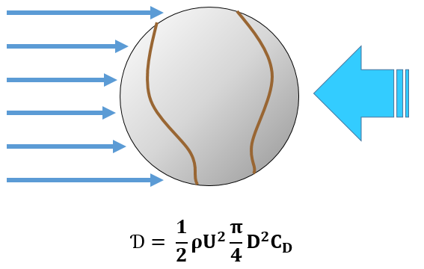
 |  |  |  |  | Place Annotation Here | Example
 | Diameter | D | 0.250 | [ft]
 | Weight | W | 0.099 | [lb]
 | Speed | U | 200.000 | [ft/s]
 | Density of Air | ρ | 0.002 | [slugs/ft^3]
 | Kinematic Viscosity | ν | 0.000 | [ft^2/s]
 | Drag Coefficient | CD | 0.300

 | Drag | Ɗ | 0.701 | [lb]

$$Ɗ= \frac{1}{2}ρU^{2}\frac{π}{4}D^{2}C_{D}$$

