Sheet1
Excess Pore Pressure
Step 1: Solve for the Excess Pore Pressure in E13:E33 by subtracting the Static Pore Pressure from the Pore Pressure.
Step 2: Create a straight line XY scatter plot with markers in the grey square below. The Depths will be the y values and the Excess Pore Pressures will be the x values.
Step 3: Go into the formatting options for the graph and try to make it look just like the picture shown on the right.

CCE 170 - Brigham Young University

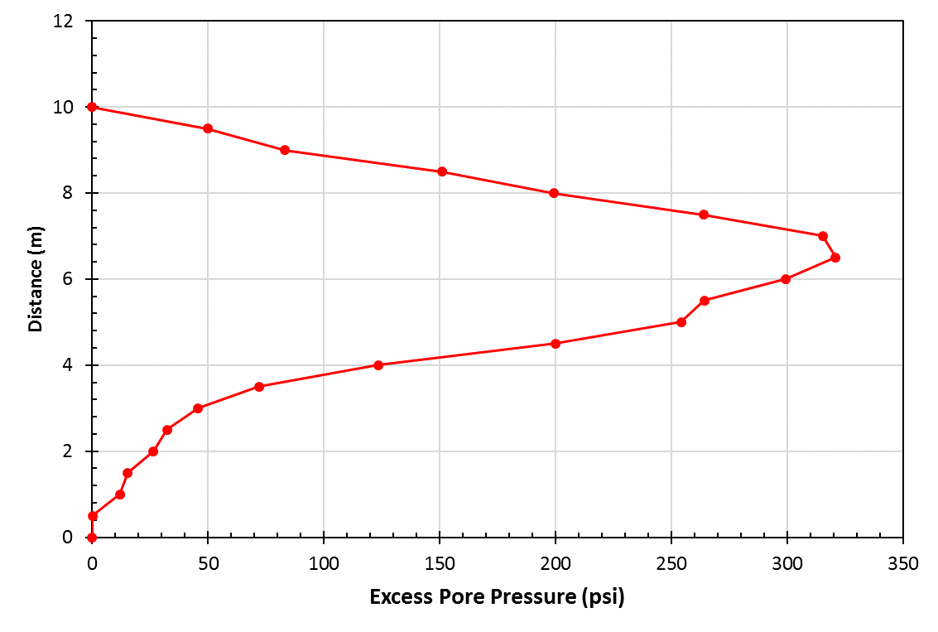
 | Distance (m) | Pore Pressure (psi) | Static Pore Pressure (psi) | Excess Pore Pressure (psi)
 | 0 | 0.121 | 0.121 | 0
 | 0.5 | 0.2445 | 0.121 | 0.1235
 | 1 | 12 | 0.121 | 11.879
 | 1.5 | 15.4 | 0.121 | 15.279
 | 2 | 26.6 | 0.121 | 26.479
 | 2.5 | 32.5 | 0.121 | 32.379
 | 3 | 45.9 | 0.121 | 45.779
 | 3.5 | 72.1 | 0.121 | 71.979
 | 4 | 123.6 | 0.121 | 123.479
 | 4.5 | 200.1 | 0.121 | 199.979
 | 5 | 254.3 | 0.121 | 254.179
 | 5.5 | 264.3 | 0.121 | 264.179
 | 6 | 299.6 | 0.121 | 299.479
 | 6.5 | 321 | 0.121 | 320.879
 | 7 | 315.4 | 0.121 | 315.279
 | 7.5 | 264.2 | 0.121 | 264.079
 | 8 | 199.4 | 0.121 | 199.279
 | 8.5 | 151.2 | 0.121 | 151.079
 | 9 | 83.4 | 0.121 | 83.279
 | 9.5 | 50 | 0.121 | 49.879
 | 10 | 0.121 | 0.121 | 0

