Solar Data
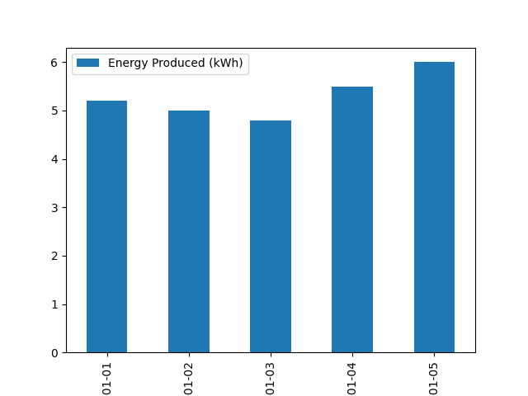
Date | Energy Produced (kWh) | Peak Sunlight Hours
2024-01-01 | 5.2 | 4.5
2024-01-02 | 5 | 4.3
2024-01-03 | 4.8 | 4.2
2024-01-04 | 5.5 | 4.7
2024-01-05 | 6 | 5

