シール貼り付け位置
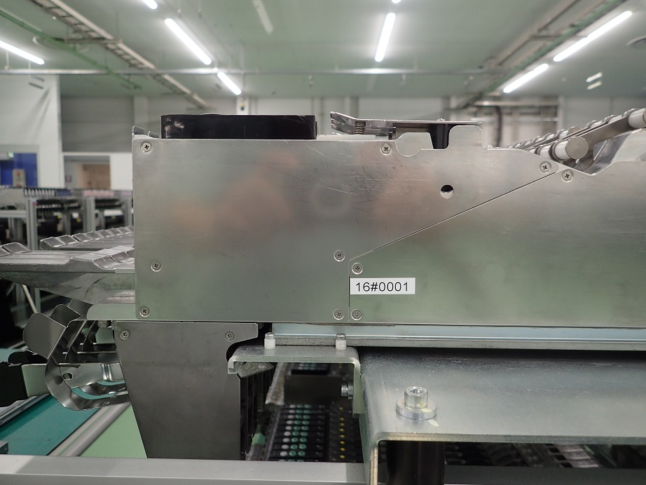
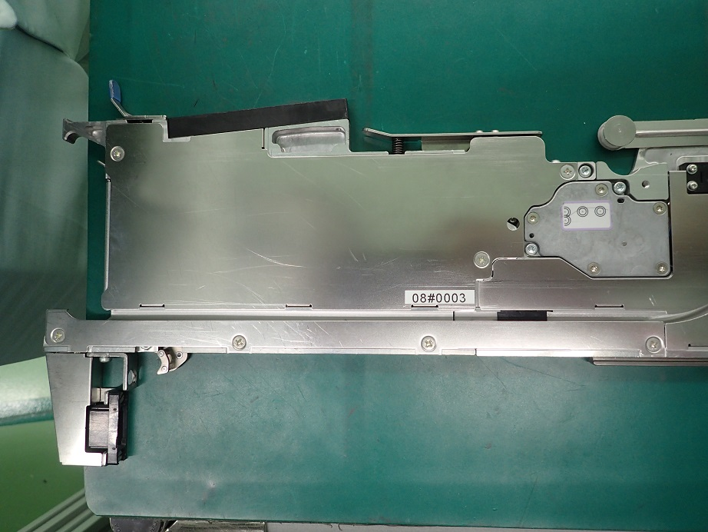
8ｍｍシール貼り付け位置 | 16mm以上シール貼り付け位置

