tradeoff DS1
 |  |  |  | 3 | 176 | total papers | 528
total bids until closure | 146 |  |  |  | 146 | n
price weight | 2
matching algorithm | MockAllocationAll
fallback probability | 0 |  |  |  |  | R | bids | Bidder side | System side | F score | Social cost
input json file used | greedy_test_2020.json
 |  |  |  |  | Original | Grand Total | 0 | 0 | 0 | 0 | 0
Row Labels | Average of total bids | Average of mean_bid_cost_ratio | Average of total_excess_papers
3 | 659.66666667 | 0.56652774585 | 75.288979985 |  | Greedy | 3 | 4.5 | 0.56652774585 | 0.14259276512 | 0.011266635158 | 0
3.6 | 829 | 0.48081664191 | 51.959961755 |  |  | 3.6 | 5.7 | 0.48081664191 | 0.098409018475 | 0.0095702720495 | 0
4 | 959.66666667 | 0.43549369285 | 50.089063988 |  |  | 4 | 6.6 | 0.43549369285 | 0.094865651493 | 0 | 0
5 | 1365.6666667 | 0.35646198897 | 56.829999515 |  |  | 5 | 9.4 | 0.35646198897 | 0.10763257484 | 0
Grand Total | 953.5 | 0.45982501739 | 58.542001311
 |  |  |  |  | Uniform | 5 | 5 | 0.59684831646 | 0.23944318481 | 0.011865974475 | 0
 |  |  |  |  |  | 6 | 6 | 0.5069491337 | 0.20263066221 | 0.010087739133 | 0
 |  |  |  |  |  | 7 | 7 | 0.45110585251 | 0.17669792487 | 0.0089815291287 | 0
 |  |  |  |  |  | 8 | 8 | 0.40410764741 | 0.15267999774 | 0.0080495742618 | 0
 |  |  |  |  |  | 10 | 10 | 0.34327504519 | 0.12112812884 | 0.006841985591 | 0
price weight | 2 |  |  |  |  | 12 | 12 | 0.30453892582 | 0.09802895233 | 0.0060722679511 | 0
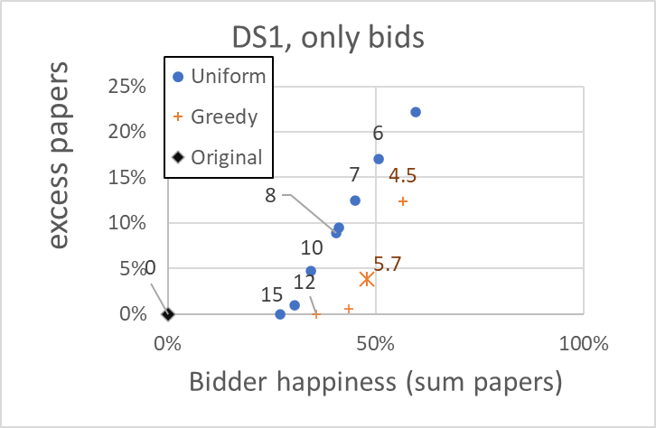
fallback bidding requirement | 100 |  |  |  |  | 15 | 15 | 0.26964085553 | 0.075719504111 | 0.0053783040164 | 0
matching algorithm | MockAllocationAll |  |  |  |  | Grand Total | 9 | 0.41092368237 | 0.15233262213 | 0.0081847890982 | 0
DS1, only bids
fallback probability | 100 |  | n
input json file used | original_bids.json
cost matrix used | .//cost_matrices//cost_matrix_m176_n146.json

Row Labels | Average of total bids | Average of total_excess_papers
Grand Total

matching algorithm | MockAllocationAll
price weight | 2
fallback probability | 100
input json file used | uniform_test_2020.json
cost matrix used | .//cost_matrices//cost_matrix_m176_n146.json

Row Labels | Average of total bids | Average of mean_bid_cost_ratio | Average of total_excess_papers
5 | 730 | 0.59684831646 | 126.42600158
6 | 876 | 0.5069491337 | 106.98898965
7 | 1022 | 0.45110585251 | 93.296504331
8 | 1168 | 0.40410764741 | 80.615038808
10 | 1460 | 0.34327504519 | 63.955652027
12 | 1752 | 0.30453892582 | 51.75928683
15 | 2190 | 0.26964085553 | 39.979898171
Grand Total | 1314 | 0.41092368237 | 80.431624485

