dim_location
Test Scenario | Expected Result / Validation Status | query | bronze table count | silver table count | gold table count | image
1.initial load | bronze and gold table counts are need to similar | EXEC gold.sp_load_dim_location | 264 | 264 | 264
2.Rerun the load | no any changes ,same count in gold table as initial load | EXEC gold.sp_load_dim_location | 264 | 0 | 264
3. Change data record in dim_location table | update already available record as is_current flag into 'N' and add new updated record | update bronze.raw_location set borough ='king' where borough ='queens' and zone_name ='Jamaica Bay'; EXEC gold.sp_load_dim_location; select count(*) from gold.dim_location where cast(ingested_at as date) = cast(getdate() as date) ; select * from gold.dim_location where location_id=2; | 264 | 2 | 265 | 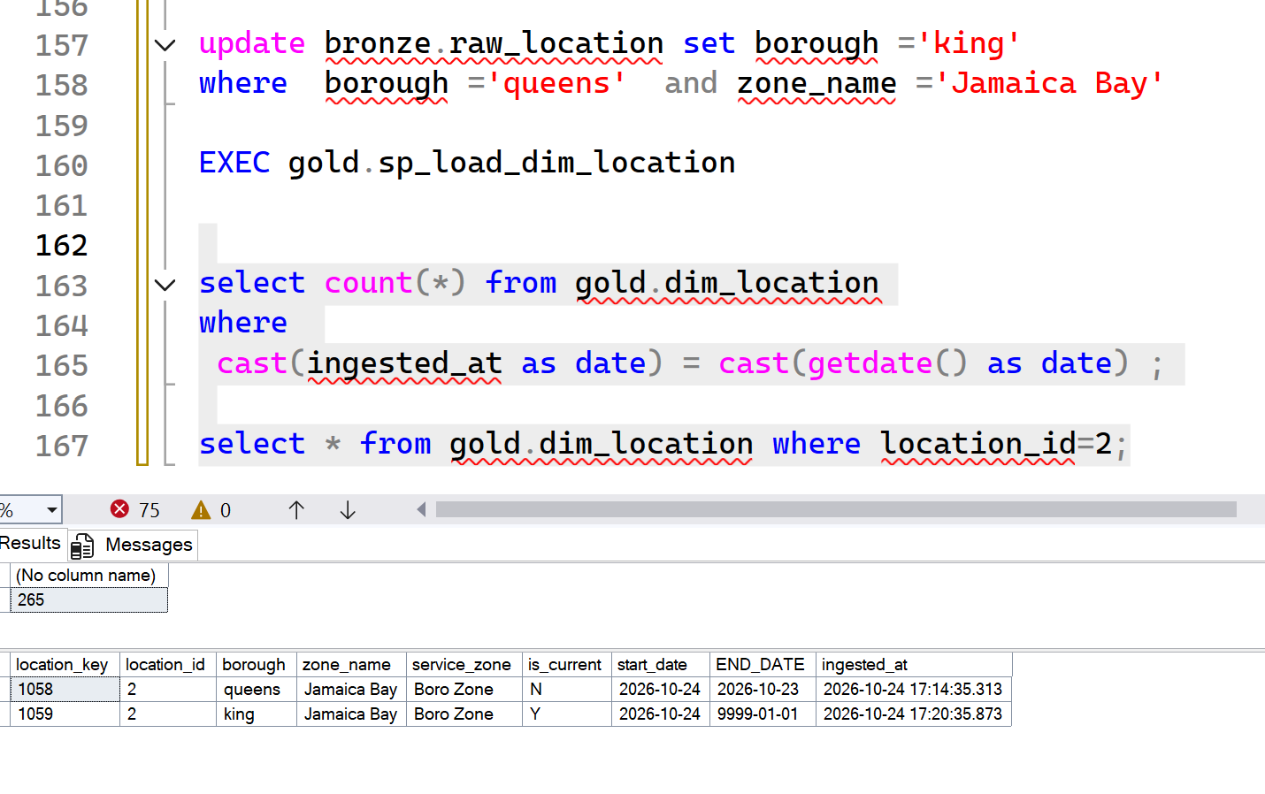
4. Adding new record | newly added record insert into the table with similar details | insert into bronze.raw_location values (265,'N/A','Outside of NYC','N/A'); EXEC gold.sp_load_dim_location; select count(*) from bronze.raw_location; select count(*) from silver.dim_location; select count(*) from gold.dim_location where cast(ingested_at as date) = cast(getdate() as date) ; select * from gold.dim_location where location_id=265; | 265 | 1 | 266 | 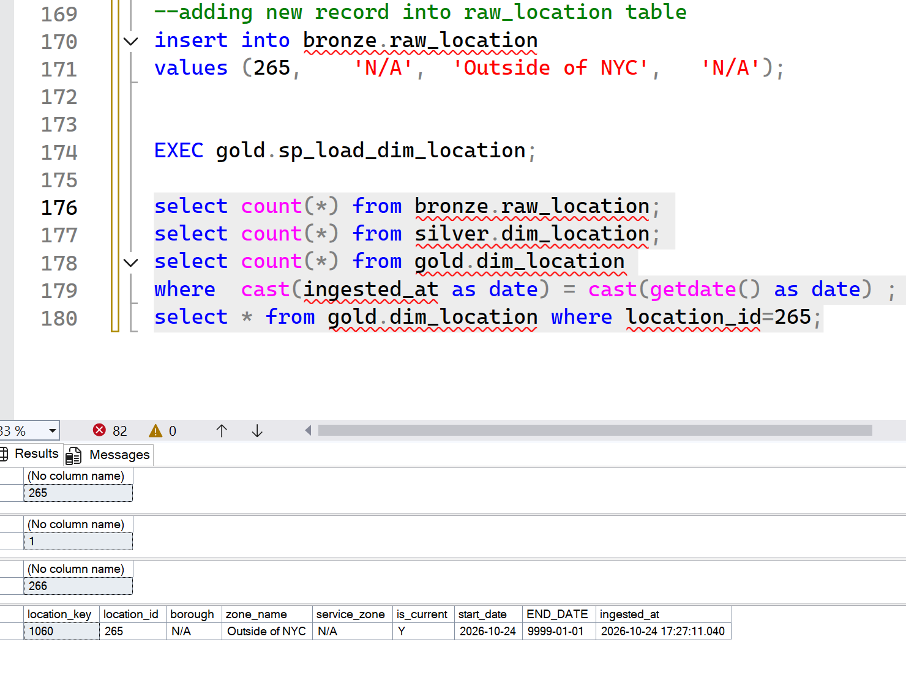
5. Removing one record (Delete location id 2 from source file) | in this scenario,it is not effected to the table data.but with the business need we can update soft deletion update into the sp to update deleted records in source systems | delete from bronze.raw_location where location_id=2; EXEC gold.sp_load_dim_location; select count(*) from bronze.raw_location; select count(*) from silver.dim_location; select count(*) from gold.dim_location where cast(ingested_at as date) = cast(getdate() as date) ; select * from gold.dim_location where location_id=2; | 264 | 0 | 266 | 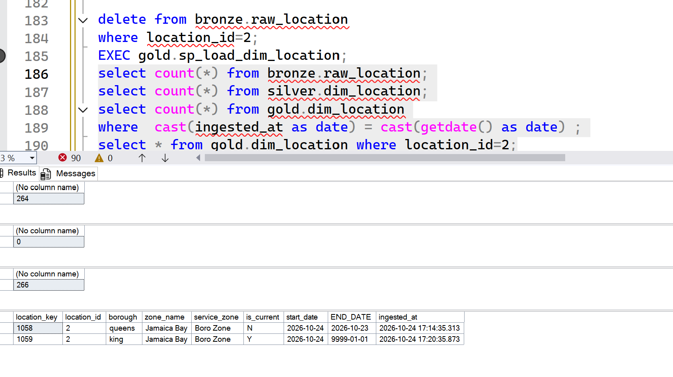
6.. Add same record again / Idempotency Test | after adding removed record once again into the source table,it check if any changes compared to existing,if any then apply scd type 2 and create one record | insert into bronze.raw_location values (2, 'queens', 'Jamaica Bay', 'Boro Zone'); EXEC gold.sp_load_dim_location; select count(*) from bronze.raw_location; select count(*) from silver.dim_location; select count(*) from gold.dim_location where cast(ingested_at as date) = cast(getdate() as date) ; select * from gold.dim_location where location_id=2; | 265 | 2 | 267 | 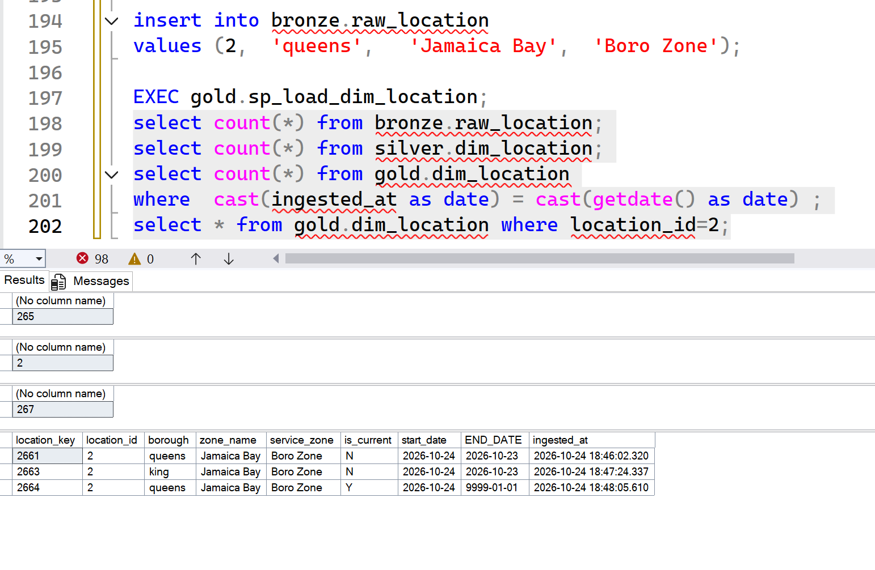

dim_vendor
Test Scenario | Expected Result / Validation Status | query | bronze table count | silver table count | gold table count | image
1.initial load | bronze and gold table counts are need to similar | EXEC gold.sp_load_dim_vendor; SELECT COUNT(*) AS initial_load_count FROM gold.dim_vendor WHERE CAST(ingested_at AS DATE) = CAST(GETDATE() AS DATE); | 4 | 4 | 4
2.Rerun the load | no any changes ,same count in gold table as initial load | EXEC gold.sp_load_dim_vendor; SELECT COUNT(*) AS initial_load_count FROM gold.dim_vendor WHERE CAST(ingested_at AS DATE) = CAST(GETDATE() AS DATE); | 4 | 0 | 4
3. Change data record in dim_location table | update already available record as is_current flag into 'N' and add new updated record | UPDATE bronze.raw_vendor SET vendor_name = 'Helix1' WHERE vendor_id = '7' ; EXEC gold.sp_load_dim_vendor; SELECT COUNT(*) AS bronze_cnt FROM bronze.raw_vendor; SELECT COUNT(*) AS silver_cnt FROM silver.dim_vendor; SELECT COUNT(*) AS gold_cnt FROM gold.dim_vendor; SELECT * FROM gold.dim_vendor WHERE vendor_id = 7; | 4 | 2 | 5 | 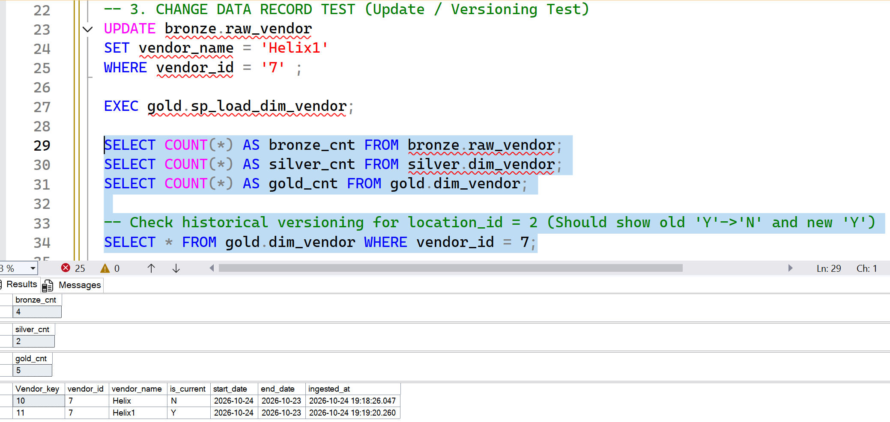
4. Adding new record | newly added record insert into the table with similar details | INSERT INTO bronze.raw_vendor (vendor_id, vendor_name) VALUES (10, 'Abans'); EXEC gold.sp_load_dim_vendor; SELECT COUNT(*) AS bronze_cnt FROM bronze.raw_vendor; SELECT COUNT(*) AS silver_cnt FROM silver.dim_vendor; SELECT COUNT(*) AS gold_cnt FROM gold.dim_vendor WHERE CAST(ingested_at AS DATE) = CAST(GETDATE() AS DATE); -SELECT * FROM gold.dim_vendor WHERE vendor_id = 10; | 5 | 1 | 6 | 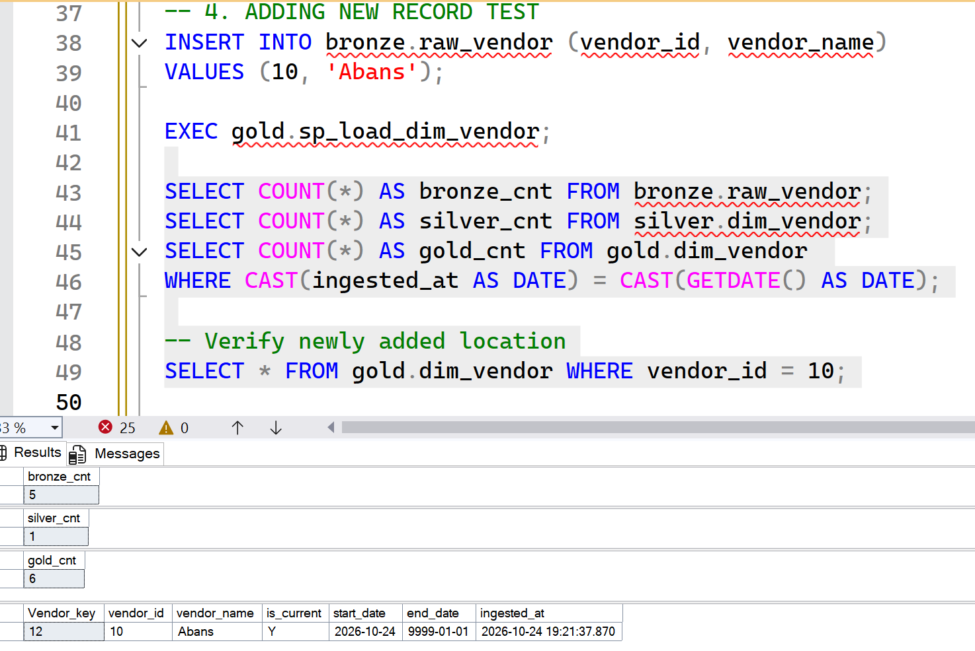
5. Removing one record (Delete location id 2 from source file) | in this scenario,it is not effected to the table data.but with the business need we can update soft deletion update into the sp to update deleted records in source systems | DELETE FROM bronze.raw_vendor WHERE vendor_id = 10; EXEC gold.sp_load_dim_vendor; SELECT COUNT(*) AS bronze_cnt FROM bronze.raw_vendor; SELECT COUNT(*) AS silver_cnt FROM silver.dim_vendor; SELECT COUNT(*) AS gold_cnt FROM gold.dim_vendor WHERE CAST(ingested_at AS DATE) = CAST(GETDATE() AS DATE); SELECT * FROM gold.dim_vendor WHERE vendor_id = 10; | 4 | 0 | 6 | 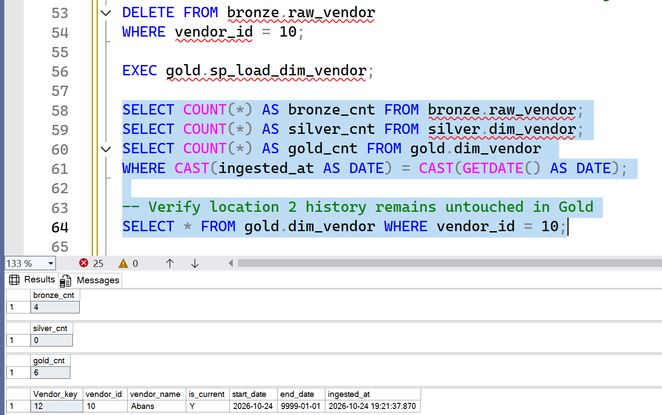
6.. Add same record again / Idempotency Test | after adding removed record once again into the source table,it check if any changes compared to existing,if any then apply scd type 2 and create one record |  | 5 | 2 | 7 | 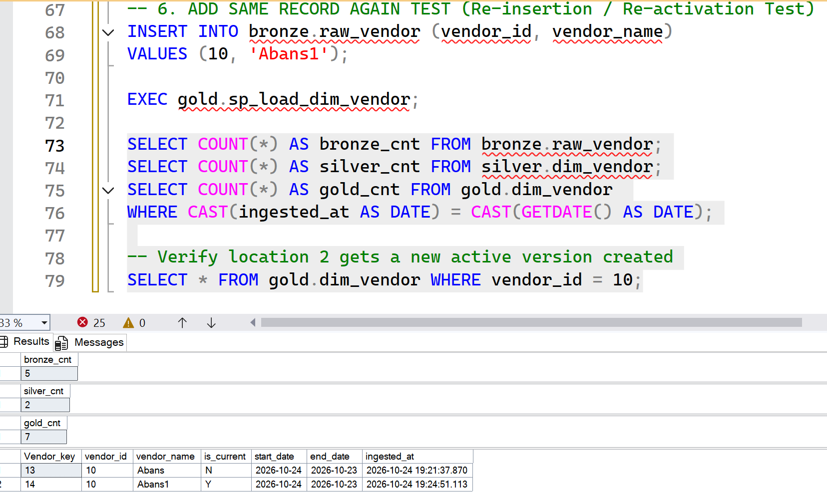

dim_payment
Test Scenario | Expected Result / Validation Status | query | bronze table count | silver table count | gold table count | image
1.initial load | bronze and gold table counts are need to similar | EXEC gold.sp_load_gold_master; SELECT COUNT(*) AS rerun_row_count FROM gold.dim_payment; | 7 | 7 | 7 | 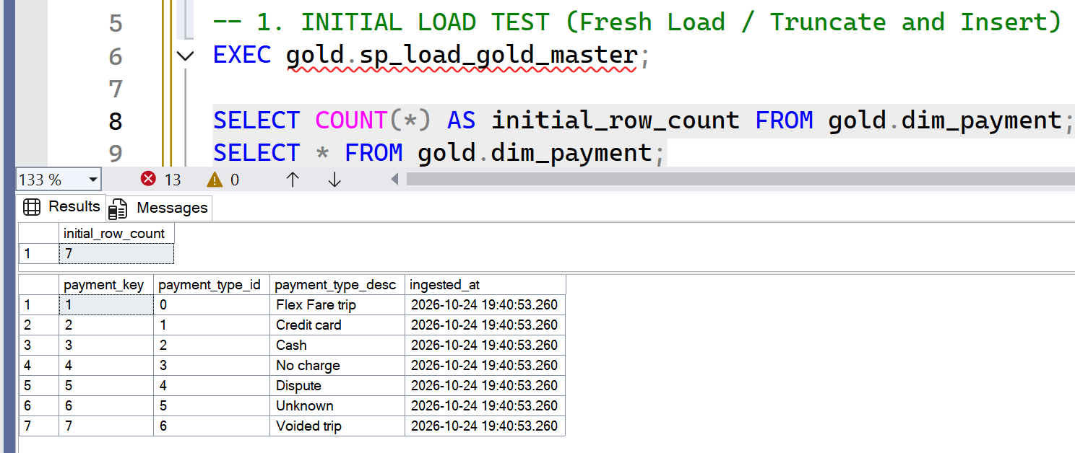
2.Rerun the load | no any changes ,same count in gold table as initial load | EXEC gold.sp_load_gold_master; SELECT COUNT(*) AS rerun_row_count FROM gold.dim_payment; | 7 | 7 | 7
3. CHANGE DATA RECORD TEST (SCD Type 1 Overwrite Test) | changes apply but no any old histry keeping | UPDATE silver.dim_payment SET payment_type_desc = 'Cash (Updated)' WHERE payment_type_id = 2; EXEC gold.sp_load_gold_master; SELECT COUNT(*) AS new_count FROM gold.dim_payment; SELECT * FROM gold.dim_payment WHERE payment_type_id = 2; | 7 | 7 | 7 | 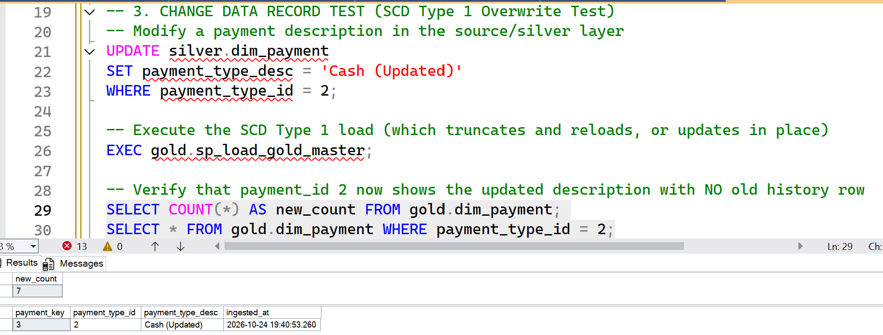
4.Adding new Record | adding new record from silver to gold layer | SELECT COUNT(*) AS new_count FROM gold.dim_payment; SELECT * FROM gold.dim_payment WHERE payment_type_id = 8; | 7 | 8 | 8 | 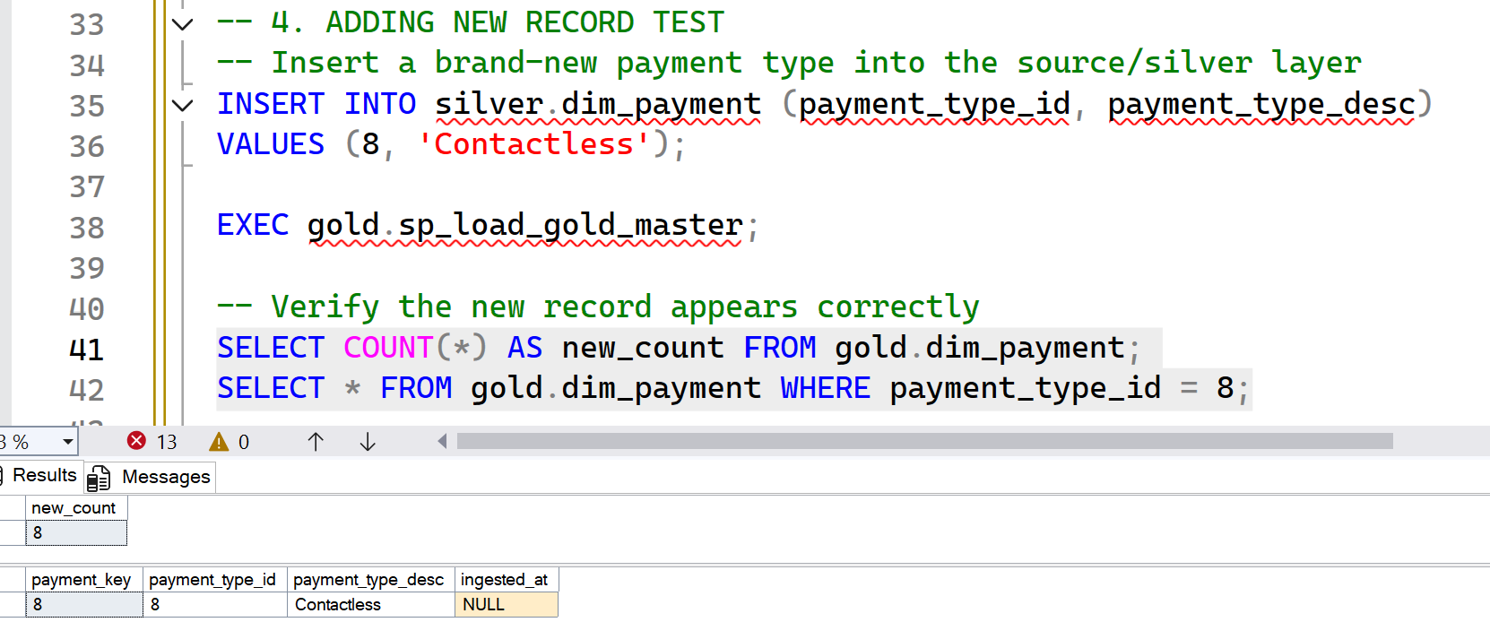
5. REMOVING ONE RECORD TEST (Source Deletion Handling) | in here we refering the full table truncating method,so if source data delete,then gold table anyway remove the record | SELECT * FROM gold.dim_payment WHERE payment_type_id = 8; | 7 | 7 | 7

dim_rate_code
Test Scenario | Expected Result / Validation Status | query | bronze table count | silver table count | gold table count | image
1.initial load | bronze and gold table counts are need to similar | EXEC gold.sp_load_gold_master; SELECT COUNT(*) AS rerun_row_count FROM gold.dim_rate_code; | 7 | 7 | 7 | 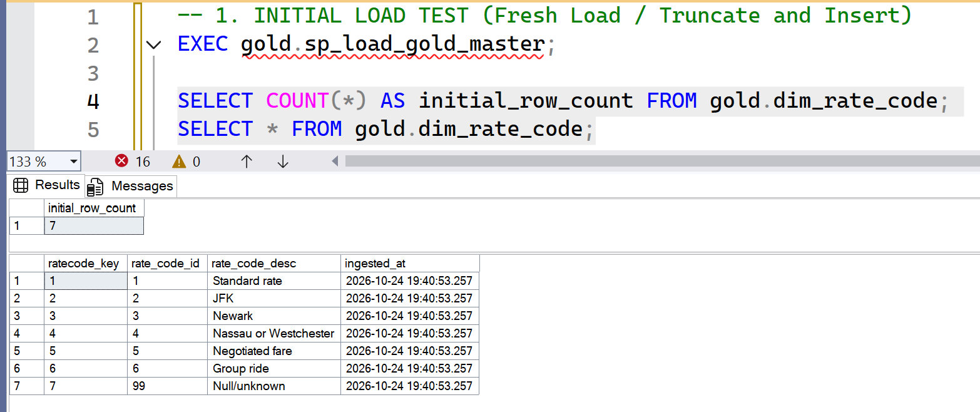
2.Rerun the load | no any changes ,same count in gold table as initial load | EXEC gold.sp_load_gold_master; SELECT COUNT(*) AS rerun_row_count FROM gold.dim_rate_code; | 7 | 7 | 7
3. CHANGE DATA RECORD TEST (SCD Type 1 Overwrite Test) | changes apply but no any old histry keeping | UPDATE silver.dim_rate_code SET rate_code_desc = 'JFK (Updated)' WHERE rate_code_id = 2; EXEC gold.sp_load_gold_master; SELECT COUNT(*) AS new_count FROM gold.dim_rate_code; SELECT * FROM gold.dim_rate_code WHERE rate_code_id = 2; | 7 | 7 | 7 | 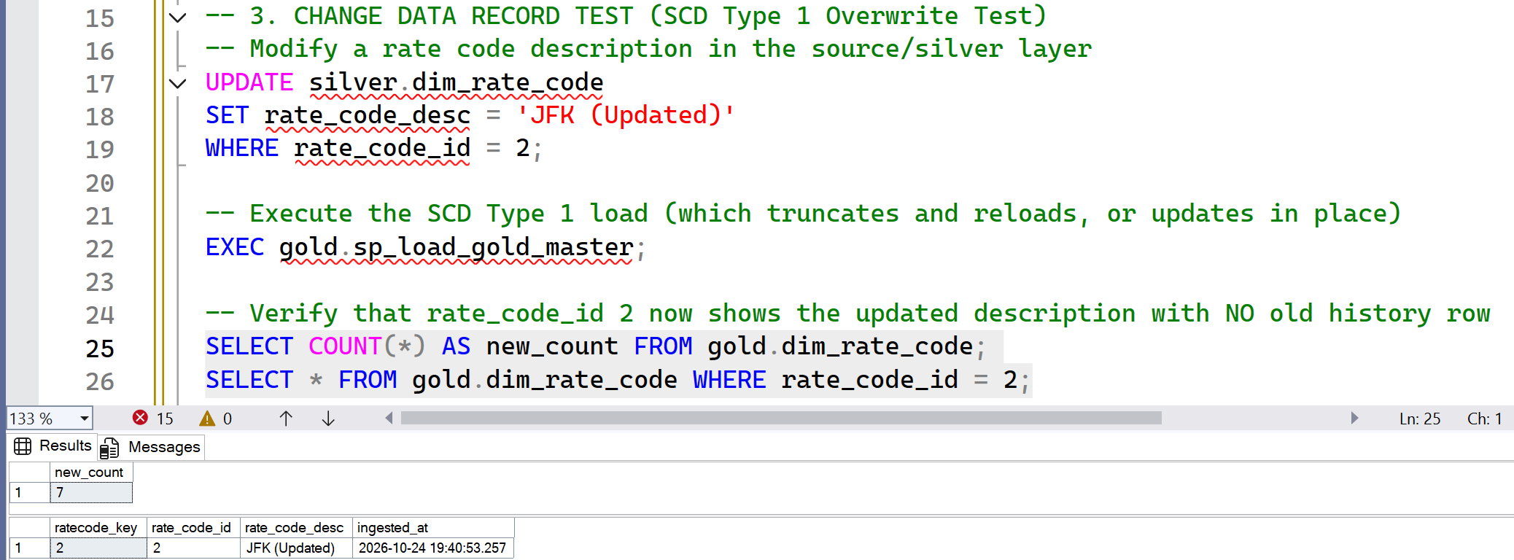
4.Adding new Record | adding new record from silver to gold layer | INSERT INTO silver.dim_rate_code (rate_code_id, rate_code_desc) VALUES (8, 'TEST'); EXEC gold.sp_load_gold_master; SELECT COUNT(*) AS new_count FROM gold.dim_rate_code; SELECT * FROM gold.dim_rate_code WHERE rate_code_id = 8; | 7 | 8 | 8 | 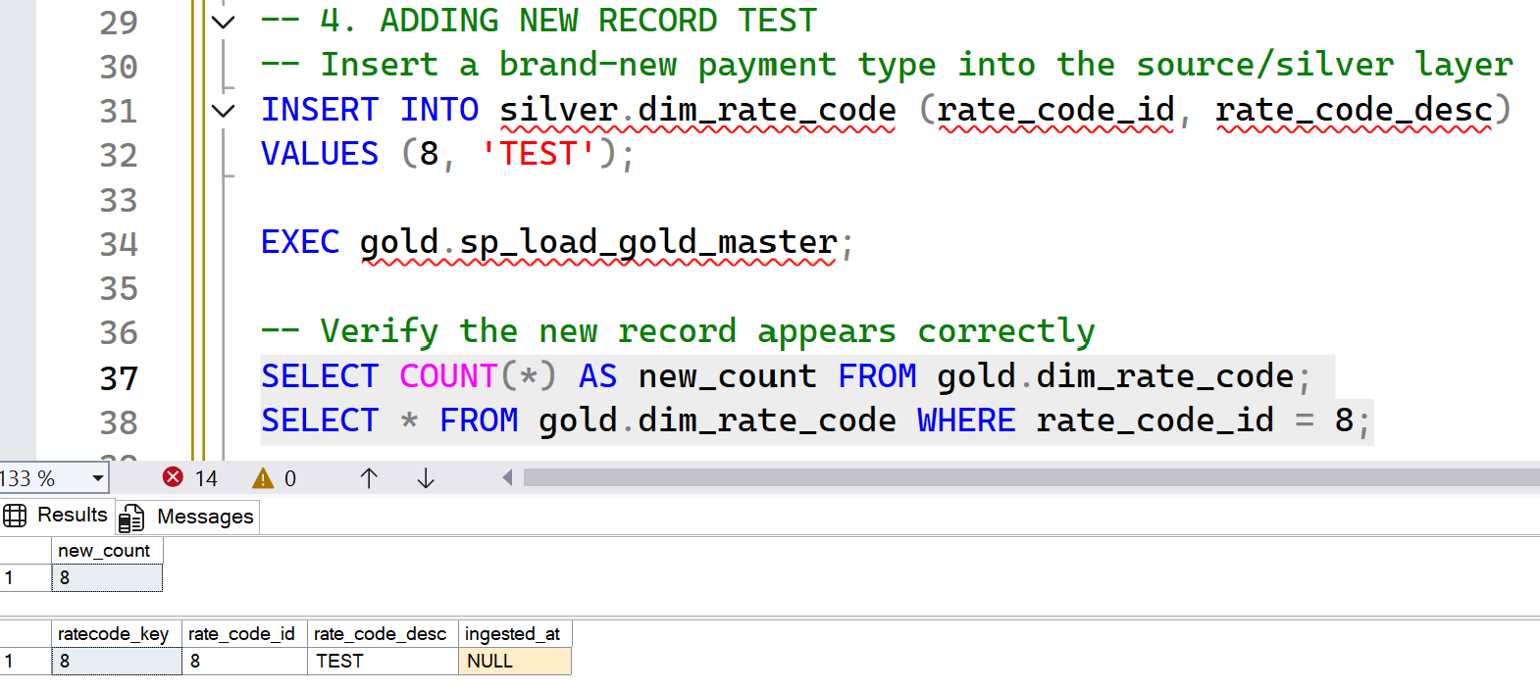
5. REMOVING ONE RECORD TEST (Source Deletion Handling) | in here we refering the full table truncating method,so if source data delete,then gold table anyway remove the record | DELETE FROM silver.dim_rate_code WHERE rate_code_id = 8 ; EXEC gold.sp_load_gold_master; SELECT * FROM gold.dim_rate_code WHERE rate_code_id = 8;

