WindProfile
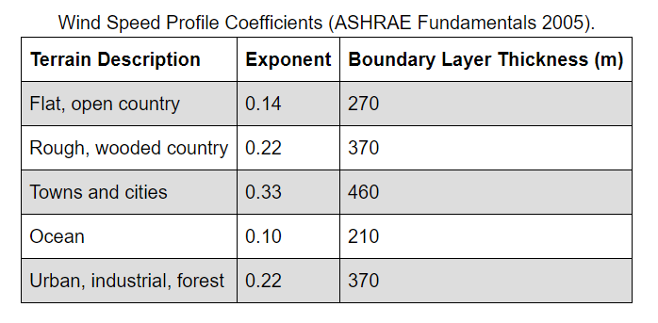
Air temperature is measured at approximately 1.5 m above ground
Wind speed is measured at 10 m above ground
Weather station is in a flat, open field with little protection from the wind

IDF has 'city' terrain

ASHRAE
Temp decreases linearly approx 1 C per 150 m
Hourly average wind speed is altered by height
$$U_{H}=U_{met}×{\left(\frac{δ_{met}}{H_{met}}\right)}^{α_{met}}×{\left(\frac{H}{δ}\right)}^{α}$$

$${\left(\frac{H_{1}}{δ_{1}}\right)}^{α_{1}}×{\left(\frac{H_{2}}{δ_{2}}\right)}^{{−α}_{2}}$$
What is this factor

 | Height (m) | Towns and cities |  | Height (m) | Urban
 | 2 | 0.26364572951 | 1.9443310734 | 2 | 0.50305230899 | 1.5578063792
 | 5 | 0.35673107614 |  | 5 | 0.61540348122
 | 7.5 | 0.40780360388 |  | 7.5 | 0.67282175523
 | 10 | 0.44841573382 |  | 10 | 0.71678110381
 | 12 | 0.47622331488 |  | 12 | 0.74611611777
 | 15 | 0.51261458426 |  | 15 | 0.78365809603

Consider up to 5 stories
 |  |  |  | Max temp difference K |  | Max Pa difference
 |  |  |  | -0.09 |  | 0.0015870250159

CurveCubic
Curve:Cubic,
CoilClgDXEIRRatio_fQFrac, !- Name
0, !- Coefficient1 Constant
5.1091, !- Coefficient2 x
-8.5515, !- Coefficient3 x**2
4.4744, !- Coefficient4 x**3
0.7, !- Minimum Value of x {BasedOnField A2}
1; !- Maximum Value of x {BasedOnField A2}
Part Load Correlation Curve

 | x | y
 | 0.7 | 0.9208542
 |  | 0.9180868284
 |  | 0.9155152512
 |  | 0.9131663148
 |  | 0.9110668656
 |  | 0.90924375
 |  | 0.9077238144
 |  | 0.9065339052
 |  | 0.9057008688
 |  | 0.9052515516
 | 0.8 | 0.9052128
 |  | 0.9056114604
 |  | 0.9064743792
 |  | 0.9078284028
 |  | 0.9097003776
 |  | 0.91211715
 |  | 0.9151055664
 |  | 0.9186924732
 |  | 0.9229047168
 |  | 0.9277691436
 | 0.9 | 0.9333126
 |  | 0.9395619324
 |  | 0.9465439872
 |  | 0.9542856108
 |  | 0.9628136496
 |  | 0.97215495
 |  | 0.9823363584
 |  | 0.9933847212
 |  | 1.0053268848
 |  | 1.0181896956
 | 1 | 1.032

