WindProfile
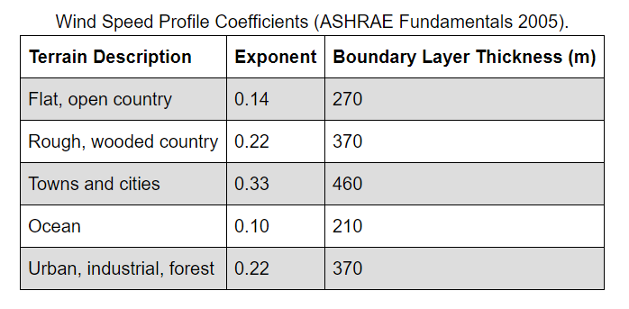
Air temperature is measured at approximately 1.5 m above ground
Wind speed is measured at 10 m above ground
Weather station is in a flat, open field with little protection from the wind

IDF has 'city' terrain

ASHRAE
Temp decreases linearly approx 1 C per 150 m
Hourly average wind speed is altered by height
$$U_{H}=U_{met}×{\left(\frac{δ_{met}}{H_{met}}\right)}^{α_{met}}×{\left(\frac{H}{δ}\right)}^{α}$$

$${\left(\frac{H_{1}}{δ_{1}}\right)}^{α_{1}}×{\left(\frac{H_{2}}{δ_{2}}\right)}^{{−α}_{2}}$$
What is this factor

 | Height (m) | Towns and cities |  | Height (m) | Urban
 | 2 | 0.26364572951 | 1.9443310734 | 2 | 0.50305230899 | 1.5578063792
 | 5 | 0.35673107614 |  | 5 | 0.61540348122
 | 7.5 | 0.40780360388 |  | 7.5 | 0.67282175523
 | 10 | 0.44841573382 |  | 10 | 0.71678110381
 | 12 | 0.47622331488 |  | 12 | 0.74611611777
 | 15 | 0.51261458426 |  | 15 | 0.78365809603

Consider up to 5 stories
 |  |  |  | Max temp difference K |  | Max Pa difference
 |  |  |  | -0.09 |  | 0.0015870250159

