Executive Summary
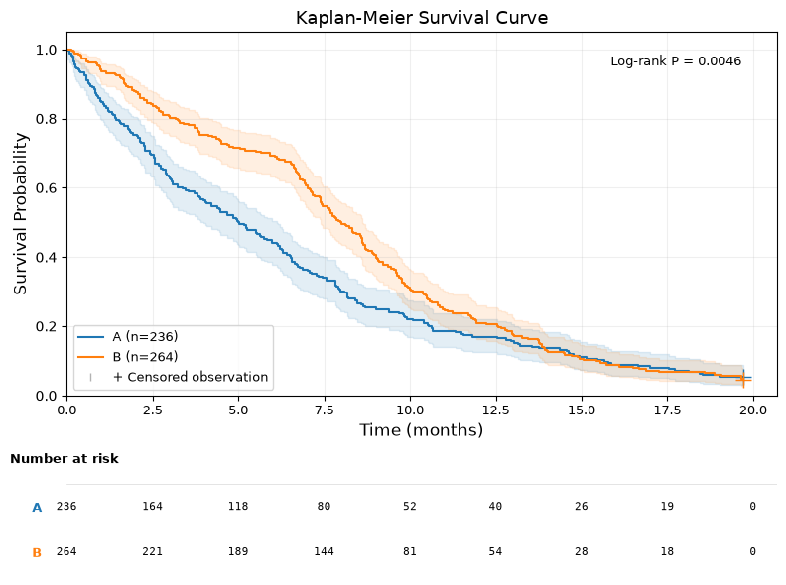
STUDY SUMMARY REPORT

Study ID | integration_ph_violation
Study Title | PH Violation Test
Design Type | cohort
Locked Plan | v1 (locked: 2026-07-27)
STROBE Compliance | 32/33 items satisfied
Created | 2025-01-01

PRIMARY OUTCOME
Test Name | Statistic | P-Value | Pre-Registered | Result | Rationale
kaplan_meier_logrank | 8.0465 | 0.0046 | YES | Significant | Pre-registered primary protocol
cox_ph_model | 10.0462 | 0.0033 | YES | Significant — ⚠ assumption violation | Pre-registered primary protocol

