2018
 | 14 GPa |  |  | 21 GPa |  |  |  | 23 GPa |  | 30 GPa |  |  | 40 GPa
 | S wt% | T |  | S wt% | T |  |  | S wt% | T | S wt% | T |  | S wt% | T
14 | 0 | 2246.766591 | 21 | 0 |  |  | 23 | 0 | 2424.289494 |  |  | 40 | 0 | 2666.437375
 | 14 GPa |  | 40 GPa |  | 30 GPa |  | 20GPa (pommier) |  | 21 GPa |  | 23 GPa
0 | 2246.766591 | 0 | 2666.437375 | 14.1 | 1455 | 0 | 2,369.15 | 0 |  | 0 | 2424.289494
1 | 2071 | 1 | 2564.6178 | 15 | 1575 | 1 | 2,233.91 | 3 |  | 1 | 2339.267
2 | 1954 | 2 | 2478.3516 | 16 | 1646 | 2 | 2,140.99 | 6 |  | 2 | 2256.912
3 | 1863 | 3 | 2403.912 | 17 | 1707 | 3 | 2,063.16 | 9 |  | 3 | 2192.041
4 | 1793 | 4 | 2337.6096 | 18 | 1759 | 4 | 1,998.03 | 12 |  | 4 | 2141.06
5 | 1743 | 5 | 2275.755 | 19 | 1804 | 5 | 1,943.24 | 15.4 |  | 5 | 2100.375
6 | 1708 | 6 | 2214.6588 | 20 | 1842 | 6 | 1,896.39 | 15.4 |  | 6 | 2066.392
7 | 1685 | 7 | 2150.6316 | 21 | 1876 | 7 | 1,855.10 | 16 | 1327 | 7 | 2035.517
8 | 1669 | 8 | 2079.984 | 22 | 1906 | 8 | 1,816.99 | 17 | 1390 | 8 | 2004.156
9 | 1658 | 9 | 1999.0266 | 23 | 1934 | 9 | 1,779.69 | 18 | 1420 | 9 | 1968.715
10 | 1648 | 10 | 1904.07 | 24 | 1958 | 10 | 1,740.80 | 19 | 1443 | 10 | 1925.6
11 | 1635 | 11 | 1791.4248 | 25 | 1982 | 11 | 1,697.95 | 20 | 1454 | 11 | 1871.217
12 | 1615 | 12 | 1657.4016 | 26 | 2003 | 12 | 1,648.76 | 21 | 1461 | 12 | 1801.972
13 | 1585 | 12.43069 | 1597.2 | 27 | 2023 | 13 | 1,590.84 | 22 | 1467 | 13 | 1714.271
14 | 1542 |  |  | 28 | 2042 | 14 | 1,521.82 | 23 | 1472 | 14 | 1604.52
15 | 1482 | 13 | 1647 | 29 | 2060 | 15 | 1,439.31 | 24 | 1475 | 15 | 1469.125
16 | 1400 | 14 | 1730 | 30 | 2077 | 16.26449 | 1,312.50 | 25 | 1480 | 15.56753 | 1355.205
17 | 1294 | 15 | 1787 | 31 | 2093 |  |  | 26 | 1532
18 | 1160 | 16 | 1833 | 32 | 2109 |  |  | 27 | 1586 | 15.6 | 1355
18.27 | 1119 | 17 | 1873 | 33 | 2124 |  |  | 28 | 1637 | 16 | 1400
 |  | 18 | 1908 | 34 | 2138 |  |  | 29 | 1685 | 17 | 1440
19 | 1144 | 19 | 1941 | 35 | 2151 |  |  | 30 | 1731 | 18 | 1461
20 | 1160 | 20 | 1971 | 36 | 2164 |  |  | 31 | 1775 | 19 | 1472
20.8 | 1173 | 21 | 1999 |  |  |  |  | 32 | 1818 | 20 | 1482
 |  | 22 | 2026 |  |  |  |  | 33 | 1859 | 21 | 1492
21 | 1236 | 23 | 2051 |  |  |  |  | 34 | 1898 | 22 | 1555
22 | 1394 | 24 | 2075 |  |  |  |  | 35 | 1937 | 23 | 1614
23 | 1471 | 25 | 2098 |  |  |  |  | 36 | 1974 | 24 | 1669
24 | 1528 | 26 | 2120 |  |  |  |  |  |  | 25 | 1720
25 | 1576 | 27 | 2142 |  |  |  |  |  |  | 26 | 1768
26 | 1618 | 28 | 2162 |  |  |  |  |  |  | 27 | 1812
27 | 1656 | 29 | 2182 |  |  |  |  |  |  | 28 | 1852
28 | 1690 | 30 | 2202 |  |  |  |  |  |  | 29 | 1888
29 | 1722 | 31 | 2220 |  |  |  |  |  |  | 30 | 1921
30 | 1752 | 32 | 2239 |  |  |  |  |  |  | 31 | 1950
31 | 1781 | 33 | 2256 |  |  |  |  |  |  | 32 | 1976
32 | 1808 | 34 | 2274 |  |  |  |  |  |  | 33 | 1997
33 | 1834 | 35 | 2291 |  |  |  |  |  |  | 34 | 2015
34 | 1858 | 36 | 2308 |  |  |  |  |  |  | 35 | 2029
35 | 1882 |  |  |  |  |  |  |  |  | 36 | 2040
36 | 1905
 | 1 | 2071 |  | 3 |  |  |  | 1 | 2339.267 |  |  |  | 1 | 2564.6178
 | 2 | 1954 |  | 6 |  |  |  | 2 | 2256.912 |  |  |  | 2 | 2478.3516
 | 3 | 1863 |  | 9 |  |  |  | 3 | 2192.041 |  |  |  | 3 | 2403.912
 | 4 | 1793 |  | 12 |  |  |  | 4 | 2141.06 |  |  |  | 4 | 2337.6096
 | 5 | 1743 |  | 15.4 |  |  |  | 5 | 2100.375 |  |  |  | 5 | 2275.755
 | 6 | 1708 |  | 15.4 |  |  |  | 6 | 2066.392 |  |  |  | 6 | 2214.6588
 | 7 | 1685 |  | 16 | 1327 |  |  | 7 | 2035.517 | 14.1 | 1455 |  | 7 | 2150.6316
 | 8 | 1669 |  | 17 | 1390 |  |  | 8 | 2004.156 | 15 | 1575 |  | 8 | 2079.984
 | 9 | 1658 |  | 18 | 1420 |  |  | 9 | 1968.715 | 16 | 1646 |  | 9 | 1999.0266
 | 10 | 1648 |  | 19 | 1443 |  |  | 10 | 1925.6 | 17 | 1707 |  | 10 | 1904.07
 | 11 | 1635 |  | 20 | 1454 |  |  | 11 | 1871.217 | 18 | 1759 |  | 11 | 1791.4248
 | 12 | 1615 |  | 21 | 1461 |  |  | 12 | 1801.972 | 19 | 1804 |  | 12 | 1657.4016
 | 13 | 1585 |  | 22 | 1467 |  |  | 13 | 1714.271 | 20 | 1842 |  | 12.43069 | 1597.2
 | 14 | 1542 |  | 23 | 1472 |  |  | 14 | 1604.52 | 21 | 1876
 | 15 | 1482 |  | 24 | 1475 |  |  | 15 | 1469.125 | 22 | 1906 |  | 13 | 1647
 | 16 | 1400 |  | 25 | 1480 |  |  | 15.56753 | 1355.205 | 23 | 1934 |  | 14 | 1730
 | 17 | 1294 |  | 26 | 1532 |  |  |  |  | 24 | 1958 |  | 15 | 1787
 | 18 | 1160 |  | 27 | 1586 |  |  | 15.6 | 1355 | 25 | 1982 |  | 16 | 1833
 | 18.27 | 1119 |  | 28 | 1637 |  |  | 16 | 1400 | 26 | 2003 |  | 17 | 1873
 |  |  |  | 29 | 1685 |  |  | 17 | 1440 | 27 | 2023 |  | 18 | 1908
 | 19 | 1144 |  | 30 | 1731 |  |  | 18 | 1461 | 28 | 2042 |  | 19 | 1941
 | 20 | 1160 |  | 31 | 1775 |  |  | 19 | 1472 | 29 | 2060 |  | 20 | 1971
 | 20.8 | 1173 |  | 32 | 1818 |  |  | 20 | 1482 | 30 | 2077 |  | 21 | 1999
 |  |  |  | 33 | 1859 |  |  | 21 | 1492 | 31 | 2093 |  | 22 | 2026
 | 21 | 1236 |  | 34 | 1898 |  |  | 22 | 1555 | 32 | 2109 |  | 23 | 2051
 | 22 | 1394 |  | 35 | 1937 |  |  | 23 | 1614 | 33 | 2124 |  | 24 | 2075
 | 23 | 1471 |  | 36 | 1974 |  |  | 24 | 1669 | 34 | 2138 |  | 25 | 2098
 | 24 | 1528 |  |  |  |  |  | 25 | 1720 | 35 | 2151 |  | 26 | 2120
 | 25 | 1576 |  |  |  |  |  | 26 | 1768 | 36 | 2164 |  | 27 | 2142
 | 26 | 1618 |  |  |  |  |  | 27 | 1812 |  |  |  | 28 | 2162
 | 27 | 1656 |  |  |  |  |  | 28 | 1852 |  |  |  | 29 | 2182
 | 28 | 1690 |  |  |  |  |  | 29 | 1888 |  |  |  | 30 | 2202
 | 29 | 1722 |  |  |  |  |  | 30 | 1921 |  |  |  | 31 | 2220
 | 30 | 1752 |  |  |  |  |  | 31 | 1950 |  |  |  | 32 | 2239
 | 31 | 1781 |  |  |  |  |  | 32 | 1976 |  |  |  | 33 | 2256
 | 32 | 1808 |  |  |  |  |  | 33 | 1997 |  |  |  | 34 | 2274
 | 33 | 1834 |  | eutectic | S wt % | T (K) |  | 34 | 2015 |  |  |  | 35 | 2291
 | 34 | 1858 |  | 14 | 17.8 | 1227 |  | 35 | 2029 |  |  |  | 36 | 2308
 | 35 | 1882 |  | 20 | 16.3 | 1313 |  | 36 | 2040
 | 36 | 1905 |  | 21 | 16.0 | 1327
 |  |  |  | 23 | 15.6 | 1355 |  | 14.29 | 1250
 |  |  |  | 30 | 14.1 | 1455
 |  |  |  | 40 | 12.4 | 1597

2014
14 GPa |  | 21 GPa |  | 23 GPa |  | 30 GPa |  | 40 GPa
S wt% | T | S wt% | T | S wt% | T | S wt% | T | S wt% | T
0 | 2219 | 0 | 2271 | 0 | 2308 |  |  | 0 | 2498
1 | 2071 | 3 | 2185 | 3 | 2211 |  |  | 3 | 2372
2 | 1954 | 6 | 2081 | 6 | 2106 |  |  | 6 | 2215
3 | 1863 | 9 | 1949 | 9 | 1985 |  |  | 9 | 1997
4 | 1793 | 12 | 1758 | 12 | 1819 |  |  | 12 | 1565
5 | 1743 | 15.4 | 1348 | 16 | 1435
6 | 1708 |  |  |  |  |  |  | 13 | 1647
7 | 1685 | 16 | 1370 | 16 | 1435 | 14 | 1500 | 14 | 1730
8 | 1669 | 17 | 1405 | 17 | 1450 | 15 | 1575 | 15 | 1787
9 | 1658 | 18 | 1428 | 18 | 1461 | 16 | 1646 | 16 | 1833
10 | 1648 | 19 | 1443 | 19 | 1470 | 17 | 1707 | 17 | 1873
11 | 1635 | 20 | 1454 | 20 | 1485 | 18 | 1759 | 18 | 1908
12 | 1615 | 21 | 1461 | 21 | 1492 | 19 | 1804 | 19 | 1941
13 | 1585 | 22 | 1467 | 22 | 1555 | 20 | 1842 | 20 | 1971
14 | 1542 | 23 | 1472 | 23 | 1614 | 21 | 1876 | 21 | 1999
15 | 1482 | 24 | 1477 | 24 | 1669 | 22 | 1906 | 22 | 2026
16 | 1400 | 25 | 1480 | 25 | 1720 | 23 | 1934 | 23 | 2051
17 | 1294 | 26 | 1532 | 26 | 1768 | 24 | 1958 | 24 | 2075
18 | 1160 | 27 | 1586 | 27 | 1812 | 25 | 1982 | 25 | 2098
18.27 | 1119 | 28 | 1637 | 28 | 1852 | 26 | 2003 | 26 | 2120
 |  | 29 | 1685 | 29 | 1888 | 27 | 2023 | 27 | 2142
19 | 1144 | 30 | 1731 | 30 | 1921 | 28 | 2042 | 28 | 2162
20 | 1160 | 31 | 1775 | 31 | 1950 | 29 | 2060 | 29 | 2182
20.8 | 1173 | 32 | 1818 | 32 | 1976 | 30 | 2077 | 30 | 2202
 |  | 33 | 1859 | 33 | 1997 | 31 | 2093 | 31 | 2220
21 | 1236 | 34 | 1898 | 34 | 2015 | 32 | 2109 | 32 | 2239
22 | 1394 | 35 | 1937 | 35 | 2029 | 33 | 2124 | 33 | 2256
23 | 1471 | 36 | 1974 | 36 | 2040 | 34 | 2138 | 34 | 2274
24 | 1528 |  |  |  |  | 35 | 2151 | 35 | 2291
25 | 1576 |  |  |  |  | 36 | 2164 | 36 | 2308
26 | 1618
 | 14 GPa |  | 21 GPa |  | 23 GPa |  | 30 GPa |  | 40 GPa
0 | 2219 | 0 | 2271 | 0 | 2308 | 14 | 1500 | 0 | 2498
1 | 2071 | 3 | 2185 | 3 | 2211 | 15 | 1575 | 3 | 2372
2 | 1954 | 6 | 2081 | 6 | 2106 | 16 | 1646 | 6 | 2215
3 | 1863 | 9 | 1949 | 9 | 1985 | 17 | 1707 | 9 | 1997
4 | 1793 | 12 | 1758 | 12 | 1819 | 18 | 1759 | 12 | 1565
5 | 1743 | 15.4 | 1348 | 16 | 1435 | 19 | 1804
6 | 1708 |  |  |  |  | 20 | 1842 | 13 | 1647
7 | 1685 | 16 | 1370 | 16 | 1435 | 21 | 1876 | 14 | 1730
8 | 1669 | 17 | 1405 | 17 | 1450 | 22 | 1906 | 15 | 1787
9 | 1658 | 18 | 1428 | 18 | 1461 | 23 | 1934 | 16 | 1833
10 | 1648 | 19 | 1443 | 19 | 1470 | 24 | 1958 | 17 | 1873
11 | 1635 | 20 | 1454 | 20 | 1485 | 25 | 1982 | 18 | 1908
12 | 1615 | 21 | 1461 | 21 | 1492 | 26 | 2003 | 19 | 1941
13 | 1585 | 22 | 1467 | 22 | 1555 | 27 | 2023 | 20 | 1971
14 | 1542 | 23 | 1472 | 23 | 1614 | 28 | 2042 | 21 | 1999
15 | 1482 | 24 | 1477 | 24 | 1669 | 29 | 2060 | 22 | 2026
16 | 1400 | 25 | 1480 | 25 | 1720 | 30 | 2077 | 23 | 2051
17 | 1294 | 26 | 1532 | 26 | 1768 | 31 | 2093 | 24 | 2075
18 | 1160 | 27 | 1586 | 27 | 1812 | 32 | 2109 | 25 | 2098
18.27 | 1119 | 28 | 1637 | 28 | 1852 | 33 | 2124 | 26 | 2120
 |  | 29 | 1685 | 29 | 1888 | 34 | 2138 | 27 | 2142
19 | 1144 | 30 | 1731 | 30 | 1921 | 35 | 2151 | 28 | 2162
20 | 1160 | 31 | 1775 | 31 | 1950 | 36 | 2164 | 29 | 2182
20.8 | 1173 | 32 | 1818 | 32 | 1976 |  |  | 30 | 2202
 |  | 33 | 1859 | 33 | 1997 |  |  | 31 | 2220
21 | 1236 | 34 | 1898 | 34 | 2015 |  |  | 32 | 2239
22 | 1394 | 35 | 1937 | 35 | 2029 |  |  | 33 | 2256
23 | 1471 | 36 | 1974 | 36 | 2040 |  |  | 34 | 2274
24 | 1528 |  |  |  |  |  |  | 35 | 2291
25 | 1576 |  |  |  |  |  |  | 36 | 2308
26 | 1618
27 | 1656
28 | 1690
29 | 1722
30 | 1752
31 | 1781
32 | 1808
33 | 1834
34 | 1858
35 | 1882
36 | 1905
27 | 1656
28 | 1690
29 | 1722
30 | 1752
31 | 1781
32 | 1808
33 | 1834
34 | 1858
35 | 1882
36 | 1905

Pommier2018
Pommier2018, 20 GPa, based on new measurements

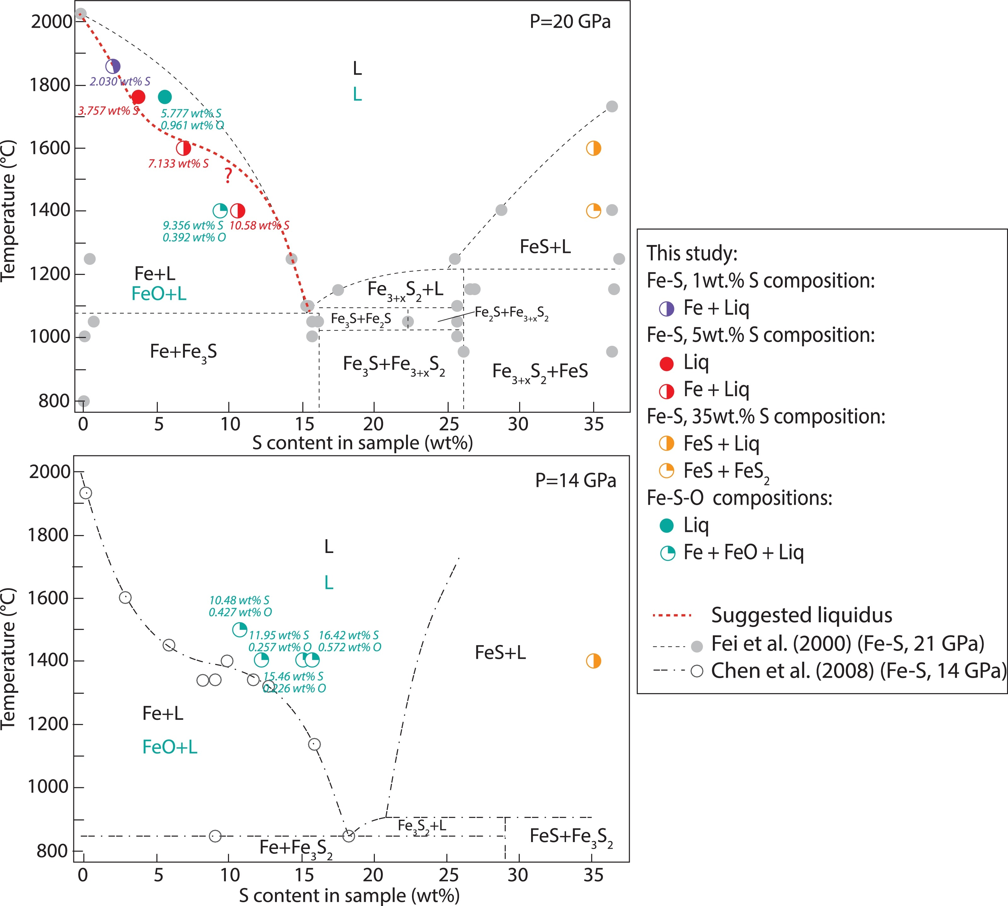
S (wt%) | Temp © | Temp (K)
-0.17595 | 2,023.88 | 2,297.03
0.12429 | 2,003.94 | 2,277.09
0.42456 | 1,985.00 | 2,258.15
0.72478 | 1,964.07 | 2,237.22
0.98207 | 1,945.13 | 2,218.28
1.28228 | 1,924.20 | 2,197.35
1.56101 | 1,903.26 | 2,176.41
1.81827 | 1,883.33 | 2,156.48
2.4613 | 1,829.51 | 2,102.66
2.80422 | 1,799.61 | 2,072.76 | Data
2.93282 | 1,788.65 | 2,061.80 | S (wt%) | T C | Temp (K)
3.19005 | 1,767.72 | 2,040.87 | 1.95255 | 1,858.62 | 2,131.77 | melt+Fe
3.40437 | 1,748.78 | 2,021.93 | 3.74206 | 1,764.05 | 2,037.20 | melt
3.57595 | 1,737.82 | 2,010.97 | 6.82532 | 1,598.79 | 1,871.94 | melt+Fe
3.81181 | 1,720.87 | 1,994.02 | 10.51233 | 1,400.68 | 1,673.83 | melt+Fe
4.09069 | 1,704.92 | 1,978.07 | 34.78348 | 1,603.51 | 1,876.66 | FeS+liq
 |  |  | data |  | 14 GPa Buono |  | 14 GPa Chen |  | new interp
-0.17595 | 2,297.03 | 1.95255 | 2,131.77 | 0.00E+00 | 2,133.39 | 0 | 2246.766591 | 0 | 2,369.15
0.12429 | 2,277.09 | 3.74206 | 2,037.20 | 6.24E-01 | 2,102.65 | 1 | 2071 | 1 | 2,233.91
0.42456 | 2,258.15 | 6.82532 | 1,871.94 | 1.06E+00 | 2,076.00 | 2 | 1954 | 2 | 2,140.99
0.72478 | 2,237.22 | 10.51233 | 1,673.83 | 1.61E+00 | 2,046.29 | 3 | 1863 | 3 | 2,063.16
0.98207 | 2,218.28 |  |  | 2.43E+00 | 2,009.39 | 4 | 1793 | 4 | 1,998.03
1.28228 | 2,197.35 |  |  | 3.26E+00 | 1,976.60 | 5 | 1743 | 5 | 1,943.24
1.56101 | 2,176.41 |  |  | 4.24E+00 | 1,943.81 | 6 | 1708 | 6 | 1,896.39
1.81827 | 2,156.48 |  |  | 5.00E+00 | 1,918.19 | 7 | 1685 | 7 | 1,855.10
2.4613 | 2,102.66 |  |  | 5.94E+00 | 1,887.45 | 8 | 1669 | 8 | 1,816.99
2.80422 | 2,072.76 |  |  | 6.88E+00 | 1,855.68 | 9 | 1658 | 9 | 1,779.69
2.93282 | 2,061.80 |  |  | 7.89E+00 | 1,821.86 | 10 | 1648 | 10 | 1,740.80
3.19005 | 2,040.87 |  |  | 8.37E+00 | 1,801.37 | 11 | 1635 | 11 | 1,697.95
3.40437 | 2,021.93 |  |  | 9.08E+00 | 1,775.75 | 12 | 1615 | 12 | 1,648.76
3.57595 | 2,010.97 |  |  | 9.77E+00 | 1,746.03 | 13 | 1585 | 13 | 1,590.84
3.81181 | 1,994.02 |  |  | 1.03E+01 | 1,719.39 | 14 | 1542 | 14 | 1,521.82
4.09069 | 1,978.07 |  |  | 1.10E+01 | 1,685.57 | 15 | 1482 | 15 | 1,439.31
4.41261 | 1,964.11 |  |  | 1.19E+01 | 1,642.53 | 16 | 1400 | 16.26449 | 1,312.50
4.77741 | 1,947.15 |  |  | 1.30E+01 | 1,580.02 | 17 | 1294
5.18526 | 1,932.19 |  |  | 1.35E+01 | 1,547.22 | 18 | 1160
5.63615 | 1,919.21 |  |  | 1.39E+01 | 1,519.56 | 18.27 | 1119
6.06567 | 1,910.22 |  |  | 1.46E+01 | 1,476.52
6.55963 | 1,900.23 |  |  | 1.52E+01 | 1,437.57
7.20405 | 1,891.23 |  |  | 1.57E+01 | 1,397.61
7.59069 | 1,885.23 |  |  | 1.63E+01 | 1,354.57
8.08465 | 1,875.23 |  |  | 1.68E+01 | 1,315.63
8.57867 | 1,867.23 |  |  | 1.74E+01 | 1,268.49
9.02959 | 1,855.25 |  |  | 1.79E+01 | 1,229.55
9.48054 | 1,844.27 |  |  | 1.84E+01 | 1,192.66
9.93146 | 1,832.29 |  |  | 1.88E+01 | 1,160.89
10.36082 | 1,818.32 |  |  | 1.92E+01 | 1,135.27
10.72569 | 1,803.36
11.09056 | 1,788.40
11.49831 | 1,770.44
11.79865 | 1,753.49
12.12041 | 1,734.55
12.42065 | 1,714.61
12.69941 | 1,694.68
12.97813 | 1,673.75
13.19241 | 1,653.82
13.40664 | 1,631.89
13.59937 | 1,609.97
13.79204 | 1,586.06
13.96325 | 1,563.14
14.15595 | 1,540.22
14.3057 | 1,518.31
14.47688 | 1,494.39
14.60502 | 1,468.49
14.77626 | 1,446.57
14.94744 | 1,422.66
15.07571 | 1,400.74
...
4.41261 | 1,690.96 | 1,964.11 | 34.79567 | 1,405.91 | 1,679.06 | FeS+FeS2
4.77741 | 1,674.00 | 1,947.15
5.18526 | 1,659.04 | 1,932.19
5.63615 | 1,646.06 | 1,919.21 | P | S | T (K)
6.06567 | 1,637.07 | 1,910.22 | 20 | 0.00 | 2369.152935 | Fe melt
6.55963 | 1,627.08 | 1,900.23 | 20 | 1 | 2,233.91 | melt+Fe
7.20405 | 1,618.08 | 1,891.23 | 20 | 2 | 2,140.99 | melt+Fe
7.59069 | 1,612.08 | 1,885.23 |  | 3 | 2,063.16
8.08465 | 1,602.08 | 1,875.23 |  | 4 | 1,998.03
8.57867 | 1,594.08 | 1,867.23 |  | 5 | 1,943.24
9.02959 | 1,582.10 | 1,855.25 | 20 | 6 | 1,896.39 | melt+Fe
9.48054 | 1,571.12 | 1,844.27 |  | 7 | 1,855.10
9.93146 | 1,559.14 | 1,832.29 |  | 8 | 1,816.99
10.36082 | 1,545.17 | 1,818.32 |  | 9 | 1,779.69
10.72569 | 1,530.21 | 1,803.36 |  | 10 | 1,740.80
11.09056 | 1,515.25 | 1,788.40 | 20 | 11 | 1,697.95 | melt+Fe
11.49831 | 1,497.29 | 1,770.44 | 20 | 12.0 | 1649
11.79865 | 1,480.34 | 1,753.49 |  | 13 | 1,590.84
12.12041 | 1,461.40 | 1,734.55 |  | 14 | 1521.82
12.42065 | 1,441.46 | 1,714.61 |  | 15 | 1,439.31
12.69941 | 1,421.53 | 1,694.68 | 20 | 16.3 | 1313 | eutectic
12.97813 | 1,400.60 | 1,673.75
13.19241 | 1,380.67 | 1,653.82
13.40664 | 1,358.74 | 1,631.89
13.59937 | 1,336.82 | 1,609.97
13.79204 | 1,312.91 | 1,586.06
13.96325 | 1,289.99 | 1,563.14
14.15595 | 1,267.07 | 1,540.22
14.3057 | 1,245.16 | 1,518.31
14.47688 | 1,221.24 | 1,494.39
14.60502 | 1,195.34 | 1,468.49
14.77626 | 1,173.42 | 1,446.57
14.94744 | 1,149.51 | 1,422.66
15.07571 | 1,127.59 | 1,400.74
15.26841 | 1,104.68 | 1,377.83
15.43968 | 1,083.75 | 1,356.90

stewart2007
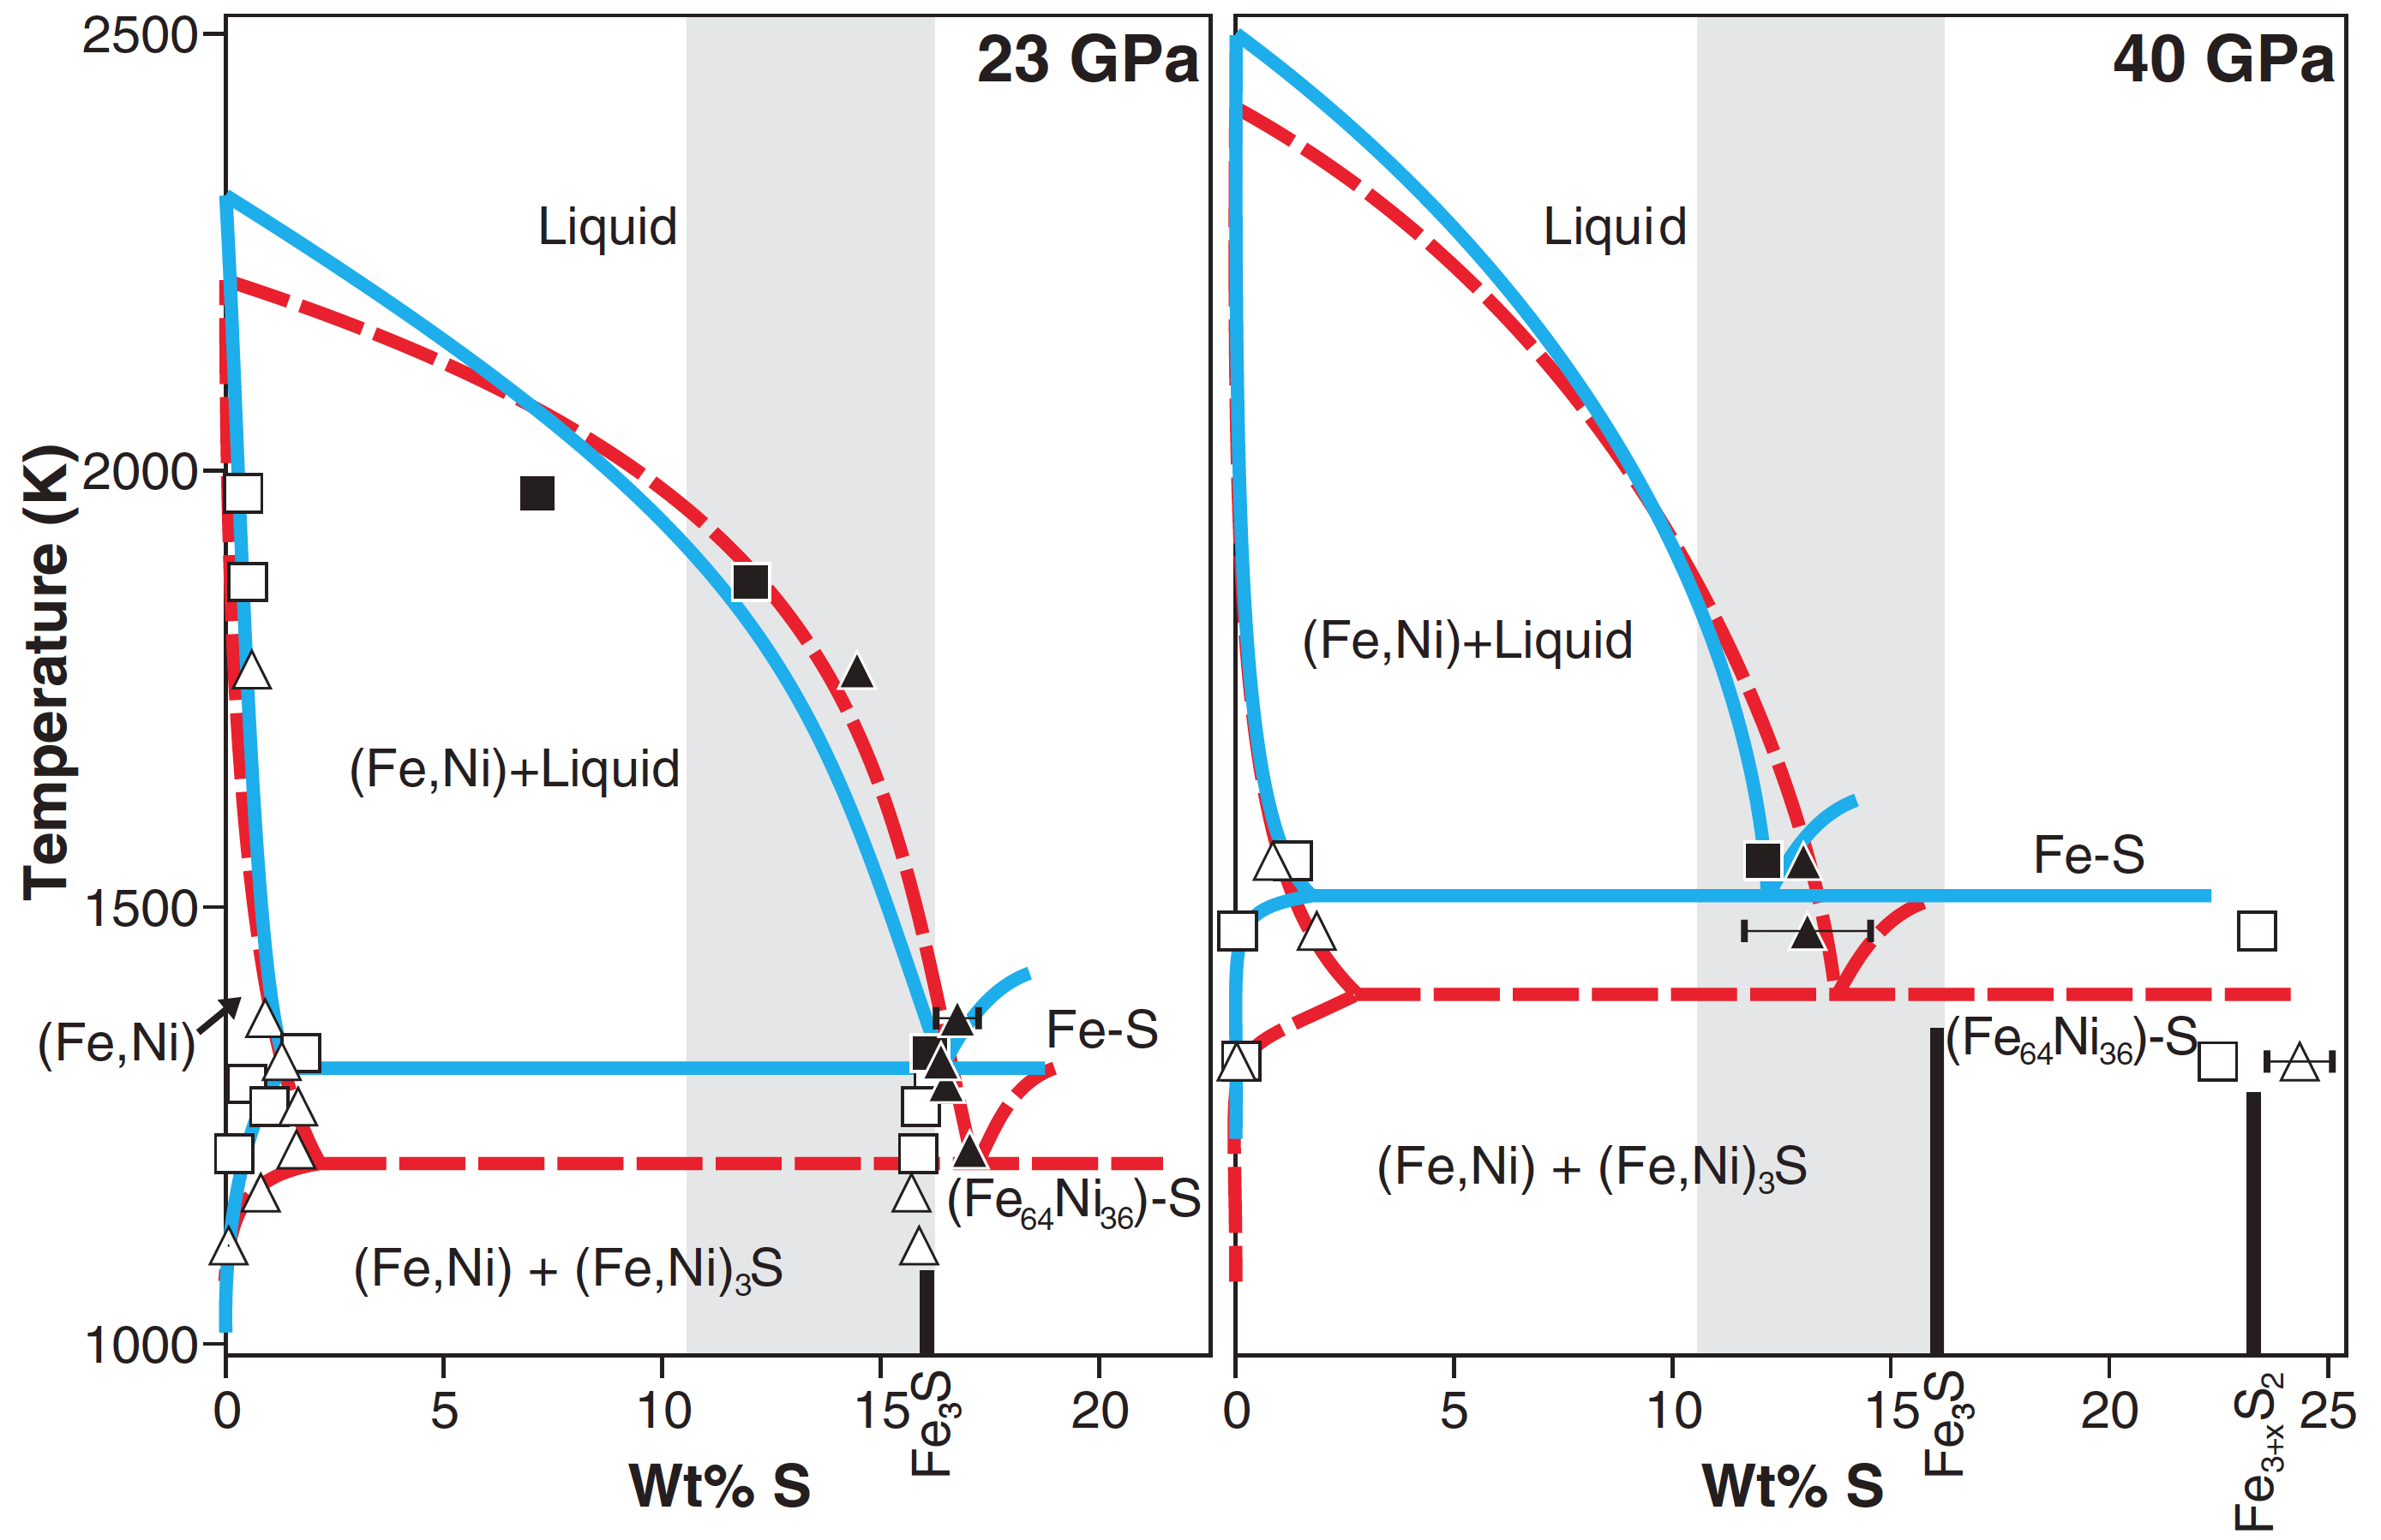
23 GPa |  |  | 40 GPa |  |  | 23 GPa liquidus datathief |  | 40 GPa liquidus datathief
 |  |  |  |  |  | S | T
wt%S | Temp (K) |  | wt%S | Temp (K) |  | 0.04569 | 2,316.54 | -0.01959 | 2,500.98
-0.02608 | 2,314.59 | Fe melt | -0.06716 | 2,502.79 |  | 0.92749 | 2,288.05 | 0.43103 | 2,485.29
1.34776 | 1,317.92 | max solubility in Fe | 1.65143 | 1,516.65 |  | 1.75046 | 2,259.56 | 1.01881 | 2,460.78
16.3625 | 1,316.70 | eutectic | 12.20864 | 1,519.44 |  | 2.78904 | 2,227.14 | 1.58699 | 2,437.25
0.39279 | 1,973.21 | Fe-rich | 1.23817 | 1,553.87 |  | 3.78837 | 2,192.75 | 2.46865 | 2,400.00
7.12488 | 1,973.54 | S-rich liquid | 12.03089 | 1,555.70 |  | 4.92485 | 2,153.45 | 3.15439 | 2,368.63
0.4733 | 1,871.18 | Fe-rich solid | 0.80668 | 1,546.98 |  | 6.12002 | 2,107.29 | 3.80094 | 2,339.22
12.01398 | 1,873.71 | S-rich liquid | 12.91415 | 1,548.91 |  | 7.17804 | 2,066.03 | 4.48668 | 2,304.90
0.57354 | 1,764.25 | Fe-rich solid | -0.03481 | 1,473.38 |  | 8.25561 | 2,021.83 | 5.05486 | 2,275.49
14.4106 | 1,765.91 | S-rich liquid | 23.3364 | 1,475.22 |  | 9.31352 | 1,975.67 | 5.58386 | 2,244.12
 |  |  |  |  |  | 10.2538 | 1,929.52 | 6.09326 | 2,215.69
 |  |  |  |  |  | 11.35058 | 1,865.70 | 6.58307 | 2,184.31
Fe melt from Boehler |  |  |  |  |  | 12.03603 | 1,823.48 | 7.07288 | 2,153.92
 |  |  |  |  |  | 12.52548 | 1,785.19 | 7.64107 | 2,114.71
 |  |  |  |  |  | 12.91704 | 1,754.76 | 8.05251 | 2,085.29
0 | 2,666.44 |  |  |  |  | 13.40639 | 1,711.57 | 8.50313 | 2,048.04
3.5 | 2,370.00 |  |  |  |  | 13.93467 | 1,653.67 | 9.09091 | 2,002.94
4 |  |  |  |  |  | 14.26725 | 1,615.39 | 9.40439 | 1,972.55
 | stewart data |  | stewart fit |  | 20 |  | 14 |  | new 23 GPa Stewart |  | to "fit" |  | 40 GPa Stewart fit |  | new 40 GPa Stewart
7.12488 | 1,973.54 | 0.04569 | 2,316.54 | 0 | 2,369.15 | 0 | 2246.766591 | 0 | 2,424.29 | 0 | 2,666.44 | -0.01959 | 2,500.98 | 0 | 2,666.44
12.01398 | 1,873.71 | 0.92749 | 2,288.05 | 1 | 2,233.91 | 1 | 2071 | 1 | 2,339.27 | 3.5 | 2,370.00 | 0.43103 | 2,485.29 | 1 | 2,564.62
 | 1,316.70 | 1.75046 | 2,259.56 | 2 | 2,140.99 | 2 | 1954 | 2 | 2,256.91 | 4 |  | 1.01881 | 2,460.78 | 2 | 2,478.35
 |  | 2.78904 | 2,227.14 | 3 | 2,063.16 | 3 | 1863 | 3 | 2,192.04 | 9.7 |  | 1.58699 | 2,437.25 | 3 | 2,403.91
 |  | 3.78837 | 2,192.75 | 4 | 1,998.03 | 4 | 1793 | 4 | 2,141.06 | 8 | 2,080.00 | 2.46865 | 2,400.00 | 4 | 2,337.61
 |  | 4.92485 | 2,153.45 | 5 | 1,943.24 | 5 | 1743 | 5 | 2,100.38 | 12.4 | 1,597.00 | 3.15439 | 2,368.63 | 5 | 2,275.76
 |  | 6.12002 | 2,107.29 | 6 | 1,896.39 | 6 | 1708 | 6 | 2,066.39 |  |  | 3.80094 | 2,339.22 | 6 | 2,214.66
 |  | 7.17804 | 2,066.03 | 7 | 1,855.10 | 7 | 1685 | 7 | 2,035.52 |  |  | 4.48668 | 2,304.90 | 7 | 2,150.63
 |  | 8.25561 | 2,021.83 | 8 | 1,816.99 | 8 | 1669 | 8 | 2,004.16 |  |  | 5.05486 | 2,275.49 | 8 | 2,079.98
 |  | 9.31352 | 1,975.67 | 9 | 1,779.69 | 9 | 1658 | 9 | 1,968.72 |  |  | 5.58386 | 2,244.12 | 9 | 1,999.03
 |  | 10.2538 | 1,929.52 | 10 | 1,740.80 | 10 | 1648 | 10 | 1,925.60 |  |  | 6.09326 | 2,215.69 | 10 | 1,904.07
 |  | 11.35058 | 1,865.70 | 11 | 1,697.95 | 11 | 1635 | 11 | 1,871.22 |  |  | 6.58307 | 2,184.31 | 11 | 1,791.42
 |  | 12.03603 | 1,823.48 | 12 | 1,648.76 | 12 | 1615 | 12 | 1,801.97 |  |  | 7.07288 | 2,153.92 | 12 | 1,657.40
 |  | 12.52548 | 1,785.19 | 13 | 1,590.84 | 13 | 1585 | 13 | 1,714.27 |  |  | 7.64107 | 2,114.71 | 12.43069 | 1,597.20
 |  | 12.91704 | 1,754.76 | 14 | 1,521.82 | 14 | 1542 | 14 | 1,604.52 |  |  | 8.05251 | 2,085.29
 |  | 13.40639 | 1,711.57 | 15 | 1,439.31 | 15 | 1482 | 15 | 1,469.13 |  |  | 8.50313 | 2,048.04
 |  | 13.93467 | 1,653.67 | 16.26449 | 1,312.50 | 16 | 1400 | 15.56753 | 1,355.21 |  |  | 9.09091 | 2,002.94
 |  | 14.26725 | 1,615.39 |  |  | 17 | 1294 |  |  |  |  | 9.40439 | 1,972.55
 |  | 14.6585 | 1,569.26 |  |  | 18 | 1160 |  |  |  |  | 9.73746 | 1,938.24
 |  | 15.0105 | 1,521.17 |  |  | 18.27 | 1119 |  |  |  |  | 10.12931 | 1,899.02
 |  | 15.34285 | 1,471.12 |  |  |  |  |  |  |  |  | 10.40361 | 1,868.63
 |  | 15.65577 | 1,429.91 |  |  |  |  |  |  |  |  | 10.73668 | 1,828.43
 |  | 15.9294 | 1,384.76 |  |  |  |  |  |  |  |  | 11.01097 | 1,794.12
 |  | 16.22278 | 1,347.47 |  |  |  |  |  |  |  |  | 11.24608 | 1,757.84
 |  | 16.41827 | 1,317.05 |  |  |  |  |  |  |  |  | 11.42241 | 1,723.53
 |  |  |  |  |  |  |  |  |  |  |  | 11.67712 | 1,674.51
 |  |  |  |  |  |  |  |  |  |  |  | 11.93182 | 1,620.59
 |  |  |  |  |  |  |  |  |  |  |  | 12.02978 | 1,587.25
 |  |  |  |  |  |  |  |  |  |  |  | 12.20611 | 1,514.71
9.7 |  |  |  |  |  | 14.6585 | 1,569.26 | 9.73746 | 1,938.24
8 | 2,080.00 |  |  |  |  | 15.0105 | 1,521.17 | 10.12931 | 1,899.02
12.4 | 1597 |  |  |  |  | 15.34285 | 1,471.12 | 10.40361 | 1,868.63
 |  |  |  |  |  | 15.65577 | 1,429.91 | 10.73668 | 1,828.43
 |  |  |  |  |  | 15.9294 | 1,384.76 | 11.01097 | 1,794.12
 |  |  |  |  |  | 16.22278 | 1,347.47 | 11.24608 | 1,757.84
 | wt%S | Temp (K) |  | wt%S | Temp (K) | 16.41827 | 1,317.05 | 11.42241 | 1,723.53
23 | 0 | 2424.289494 | 40 | 0 | 2666.437375 |  |  | 11.67712 | 1,674.51
 | 1 | 2,339.27 |  | 1 | 2,564.62 |  |  | 11.93182 | 1,620.59
 | 2 | 2,256.91 |  | 2 | 2,478.35 |  |  | 12.02978 | 1,587.25
 | 3 | 2,192.04 |  | 3 | 2,403.91 |  |  | 12.20611 | 1,514.71
 | 4 | 2,141.06 |  | 4 | 2,337.61
 | 5 | 2,100.38 |  | 5 | 2,275.76
 | 6 | 2,066.39 |  | 6 | 2,214.66
 | 7 | 2,035.52 |  | 7 | 2,150.63
23 GPa
 | stewart data |  | stewart fit |  | 20 |  | 14 |  | new Stewart |  | to "fit"
7.12488 | 1,973.54 | 0.04569 | 2,316.54 | 0 | 2,369.15 | 0 | 2246.766591 | 0 | 2,424.29 | 0 | 2,666.44
12.01398 | 1,873.71 | 0.92749 | 2,288.05 | 1 | 2,233.91 | 1 | 2071 | 1 | 2,339.27 | 3.5 | 2,370.00
 | 1,316.70 | 1.75046 | 2,259.56 | 2 | 2,140.99 | 2 | 1954 | 2 | 2,256.91 | 4
 |  | 2.78904 | 2,227.14 | 3 | 2,063.16 | 3 | 1863 | 3 | 2,192.04 | 9.7
 |  | 3.78837 | 2,192.75 | 4 | 1,998.03 | 4 | 1793 | 4 | 2,141.06 | 8 | 2,080.00
 |  | 4.92485 | 2,153.45 | 5 | 1,943.24 | 5 | 1743 | 5 | 2,100.38 | 12.4 | 1,597.00
 |  | 6.12002 | 2,107.29 | 6 | 1,896.39 | 6 | 1708 | 6 | 2,066.39
 |  | 7.17804 | 2,066.03 | 7 | 1,855.10 | 7 | 1685 | 7 | 2,035.52
 |  | 8.25561 | 2,021.83 | 8 | 1,816.99 | 8 | 1669 | 8 | 2,004.16
 |  | 9.31352 | 1,975.67 | 9 | 1,779.69 | 9 | 1658 | 9 | 1,968.72
 |  | 10.2538 | 1,929.52 | 10 | 1,740.80 | 10 | 1648 | 10 | 1,925.60
 |  | 11.35058 | 1,865.70 | 11 | 1,697.95 | 11 | 1635 | 11 | 1,871.22
 |  | 12.03603 | 1,823.48 | 12 | 1,648.76 | 12 | 1615 | 12 | 1,801.97
 |  | 12.52548 | 1,785.19 | 13 | 1,590.84 | 13 | 1585 | 13 | 1,714.27
 |  | 12.91704 | 1,754.76 | 14 | 1,521.82 | 14 | 1542 | 14 | 1,604.52
 |  | 13.40639 | 1,711.57 | 15 | 1,439.31 | 15 | 1482 | 15 | 1,469.13
 |  | 13.93467 | 1,653.67 | 16.26449 | 1,312.50 | 16 | 1400 | 15.56753 | 1,355.21
 |  | 14.26725 | 1,615.39 |  |  | 17 | 1294
 |  | 14.6585 | 1,569.26 |  |  | 18 | 1160
 |  | 15.0105 | 1,521.17 |  |  | 18.27 | 1119
 |  | 15.34285 | 1,471.12
 |  | 15.65577 | 1,429.91
 |  | 15.9294 | 1,384.76
 |  | 16.22278 | 1,347.47
 |  | 16.41827 | 1,317.05
 | 8 | 2,004.16 |  | 8 | 2,079.98
 | 9 | 1,968.72 |  | 9 | 1,999.03
 | 10 | 1,925.60 |  | 10 | 1,904.07
 | 11 | 1,871.22 |  | 11 | 1,791.42
 | 12 | 1,801.97 |  | 12 | 1,657.40
 | 13 | 1,714.27 | 40 | 12.4 | 1597
 | 14 | 1,604.52
 | 15 | 1,469.12
23 | 15.6 | 1355

Fei2000
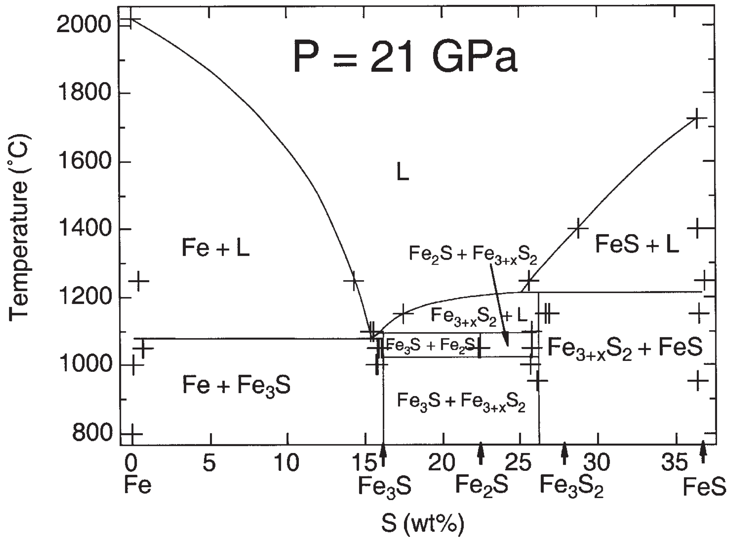
Fei2000. 21 GPa

T ( C ) | S wt% | T (K)
1250 | 14.29 | 1,523.15 | melt
1250 | 0.4 | 1,523.15 | Fe
1,079.93 | 15.43864 | 1,353.08 | eutectic
 |  |  |  | 16 | 1327
 |  |  |  | 17 | 1390
 |  |  |  | 18 | 1420
21 | 0 | 2387.970962 |  | 19 | 1443
 | 3 | 2185 |  | 20 | 1454
 | 6 | 2081 |  | 21 | 1461
 | 9 | 1949 |  | 22 | 1467
 | 12 | 1758 |  | 23 | 1472
21 | 16.0 | 1327 |  | 24 | 1475
 |  |  |  | 25 | 1480
 |  |  |  | 26 | 1532
 |  |  |  | 27 | 1586
constraints |  |  |  | 28 | 1637
S | T (K) |  |  | 29 | 1685
15.48139 | 1,374.88 |  |  | 30 | 1731
17.41194 | 1,426.40 |  |  | 31 | 1775
25.48224 | 1,523.87 |  |  | 32 | 1818
28.68196 | 1,676.77 |  |  | 33 | 1859
 | stewart data |  | stewart fit |  | 20 |  | 14 |  | new 23 GPa Stewart |  | 21 GPa |  | Fei constraints
7.12488 | 1,973.54 | 0.04569 | 2,316.54 | 0 | 2,369.15 | 0 | 2246.766591 | 0 | 2,424.29 | 0 | 2387.970962 | 14.29 | 1,523.15
12.01398 | 1,873.71 | 0.92749 | 2,288.05 | 1 | 2,233.91 | 1 | 2071 | 1 | 2,339.27 | 3 | 2185 | 15.43864 | 1,353.08
 | 1,316.70 | 1.75046 | 2,259.56 | 2 | 2,140.99 | 2 | 1954 | 2 | 2,256.91 | 6 | 2081
 |  | 2.78904 | 2,227.14 | 3 | 2,063.16 | 3 | 1863 | 3 | 2,192.04 | 9 | 1949
 |  | 3.78837 | 2,192.75 | 4 | 1,998.03 | 4 | 1793 | 4 | 2,141.06 | 12 | 1758
 |  | 4.92485 | 2,153.45 | 5 | 1,943.24 | 5 | 1743 | 5 | 2,100.38 | 16 | 1327
 |  | 6.12002 | 2,107.29 | 6 | 1,896.39 | 6 | 1708 | 6 | 2,066.39
 |  | 7.17804 | 2,066.03 | 7 | 1,855.10 | 7 | 1685 | 7 | 2,035.52
 |  | 8.25561 | 2,021.83 | 8 | 1,816.99 | 8 | 1669 | 8 | 2,004.16
 |  | 9.31352 | 1,975.67 | 9 | 1,779.69 | 9 | 1658 | 9 | 1,968.72
 |  | 10.2538 | 1,929.52 | 10 | 1,740.80 | 10 | 1648 | 10 | 1,925.60
 |  | 11.35058 | 1,865.70 | 11 | 1,697.95 | 11 | 1635 | 11 | 1,871.22
 |  | 12.03603 | 1,823.48 | 12 | 1,648.76 | 12 | 1615 | 12 | 1,801.97
 |  | 12.52548 | 1,785.19 | 13 | 1,590.84 | 13 | 1585 | 13 | 1,714.27
 |  | 12.91704 | 1,754.76 | 14 | 1,521.82 | 14 | 1542 | 14 | 1,604.52
 |  | 13.40639 | 1,711.57 | 15 | 1,439.31 | 15 | 1482 | 15 | 1,469.13
 |  | 13.93467 | 1,653.67 | 16.26449 | 1,312.50 | 16 | 1400 | 15.56753 | 1,355.21
 |  | 14.26725 | 1,615.39 |  |  | 17 | 1294
 |  | 14.6585 | 1,569.26 |  |  | 18 | 1160
 |  | 15.0105 | 1,521.17 |  |  | 18.27 | 1119
 |  | 15.34285 | 1,471.12
 |  | 15.65577 | 1,429.91
 |  | 15.9294 | 1,384.76
 |  | 16.22278 | 1,347.47
 |  | 16.41827 | 1,317.05
36.29007 | 2,000.29 |  |  | 34 | 1898
 |  |  |  | 35 | 1937
 |  |  |  | 36 | 1974

Fe_melt
 | Komabayashi2010b |  |  |  | Stewart (Boehler) |  | Pommier2018 |  | Anzellini2013 |  | Andrault2009 |  | Buono2011
6.17021 | 2,047.36 | 6.17021 | 2061.5345138 | 23 | 2,314.59 | 20 | 2,297.03 | 20 | 2387.2732929 | 18.5 | 2220 | 6 | 2078
8.29787 | 2,117.78 | 8.29787 | 2114.8247919 | 40 | 2,502.79 |  |  | 30 | 2610.4557099 | 20.6 | 2270
11.06383 | 2,175.00 | 11.06383 | 2180.7779867 |  |  |  |  | 40 | 2809.9920673
12.76596 | 2,227.82 | 12.76596 | 2219.5307072
15.53191 | 2,289.44 | 15.53191 | 2279.5840223
18.7234 | 2,346.66 | 18.7234 | 2344.4832523
21.06383 | 2,399.47 | 21.06383 | 2389.1571169
24.68085 | 2,452.29 | 24.68085 | 2453.4734981
28.08511 | 2,509.51 | 28.08511 | 2508.9168703
31.2766 | 2,557.92 | 31.2766 | 2556.5578102
35.10638 | 2,601.94 | 35.10638 | 2608.3759783
39.78724 | 2,659.16 | 39.78724 | 2664.0974623
43.61702 | 2,698.77 | 43.61702 | 2703.7314603
48.51064 | 2,747.18 | 48.51064 | 2746.9609505
52.12766 | 2,764.79 | 52.12766 | 2773.8236372
55.95745 | 2,795.60 | 55.95745 | 2797.789137
60.21276 | 2,822.01 | 60.21276 | 2819.2882984
65.31915 | 2,839.61 | 65.31915 | 2838.3869051
69.3617 | 2,852.82 | 69.3617 | 2848.657755
73.61702 | 2,857.22 | 73.61702 | 2855.1598851
77.87234 | 2,861.62 | 77.87234 | 2857.5495397
81.70213 | 2,861.62 | 81.70213 | 2856.4423688
85.10638 | 2,852.82 | 85.10638 | 2853.0584487
88.93617 | 2,844.01 | 88.93617 | 2846.7589908
91.48936 | 2,835.21 | 91.48936 | 2841.2009827
Komabayashi2010b, using plotdigitizer
P (GPa) | T (K) | calc
6.17021 | 2,047.36 | 2061.5345138
8.29787 | 2,117.78 | 2114.8247919
11.06383 | 2,175.00 | 2180.7779867
12.76596 | 2,227.82 | 2219.5307072
15.53191 | 2,289.44 | 2279.5840223
18.7234 | 2,346.66 | 2344.4832523
21.06383 | 2,399.47 | 2389.1571169
24.68085 | 2,452.29 | 2453.4734981
28.08511 | 2,509.51 | 2508.9168703
31.2766 | 2,557.92 | 2556.5578102
35.10638 | 2,601.94 | 2608.3759783
39.78724 | 2,659.16 | 2664.0974623
43.61702 | 2,698.77 | 2703.7314603
48.51064 | 2,747.18 | 2746.9609505
52.12766 | 2,764.79 | 2773.8236372
55.95745 | 2,795.60 | 2797.789137
60.21276 | 2,822.01 | 2819.2882984
65.31915 | 2,839.61 | 2838.3869051
69.3617 | 2,852.82 | 2848.657755
73.61702 | 2,857.22 | 2855.1598851
77.87234 | 2,861.62 | 2857.5495397
81.70213 | 2,861.62 | 2856.4423688
85.10638 | 2,852.82 | 2853.0584487
88.93617 | 2,844.01 | 2846.7589908
91.48936 | 2,835.21 | 2841.2009827

20 |  | 2369.152935

Stewart2007 |  |  | Andrault2009
23 | 2,314.59 |  | 18.5 | 2220
40 | 2,502.79 |  | 20.6 | 2270

Pommier2018 |  |  | Buono2011
20 | 2,297.03 |  | 6 | 2078

Anzellini2013
20 | 2387.2732929
30 | 2610.4557099
40 | 2809.9920673

eutectic
 | Morard2008 |  |  |  | to "fit"
23.91409 | 1,379.78 | 23 | 1,316.70 | 23 | 1,316.70
26.29236 | 1,420.30 | 40 | 1,519.44 | 40 | 1,519.44
28.47244 | 1,457.44 | 21 | 1,353.08 | 21 | 1,353.08
30.52037 | 1,491.21 | 14 | 1,119.00 | 32.2 | 1,500.00
32.63441 | 1,528.35 | 14 | 1,135.27 | 34.5 | 1,547.00
34.68239 | 1,563.81 | 32.2 | 1,500.00 | 41.8 | 1,596.00
36.79634 | 1,597.57 | 34.5 | 1,547.00 | 34.64764 | 1,521.00
38.84426 | 1,631.33 | 41.8 | 1,596.00 | 42.12489 | 1,702.00
40.89219 | 1,665.10
43.07217 | 1,698.86
45.18622 | 1,736.00
47.43219 | 1,768.07
49.41418 | 1,805.22
51.59417 | 1,838.98
53.57586 | 1,865.99
56.02016 | 1,906.50
58.06794 | 1,935.20
59.25703 | 1,953.77
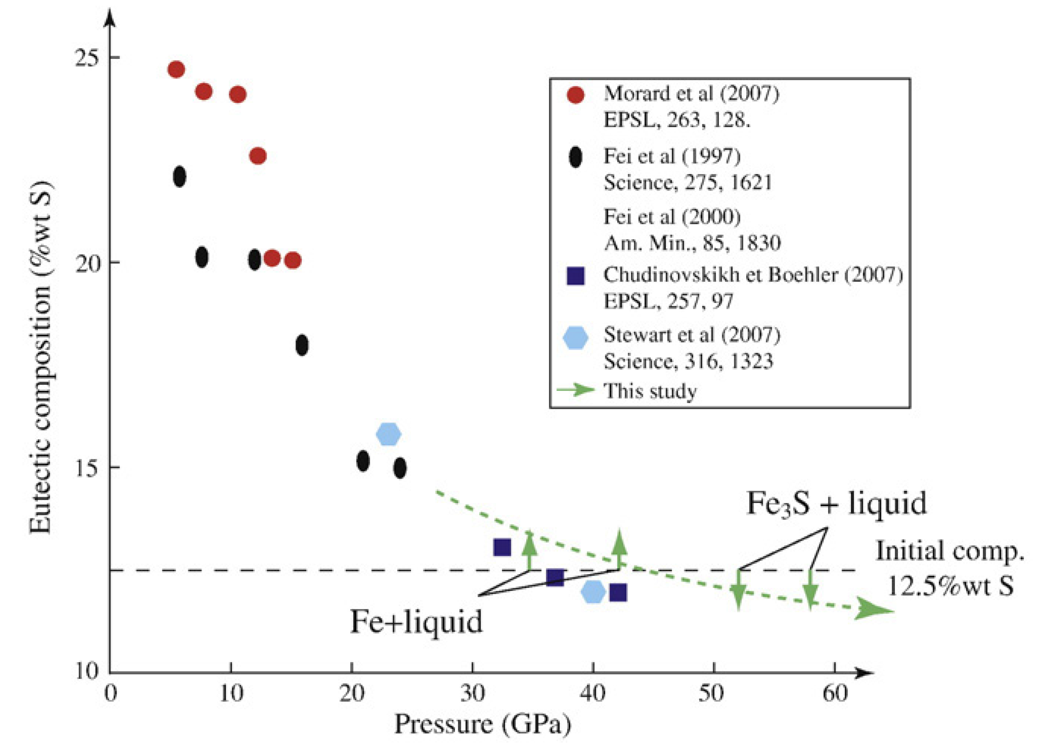
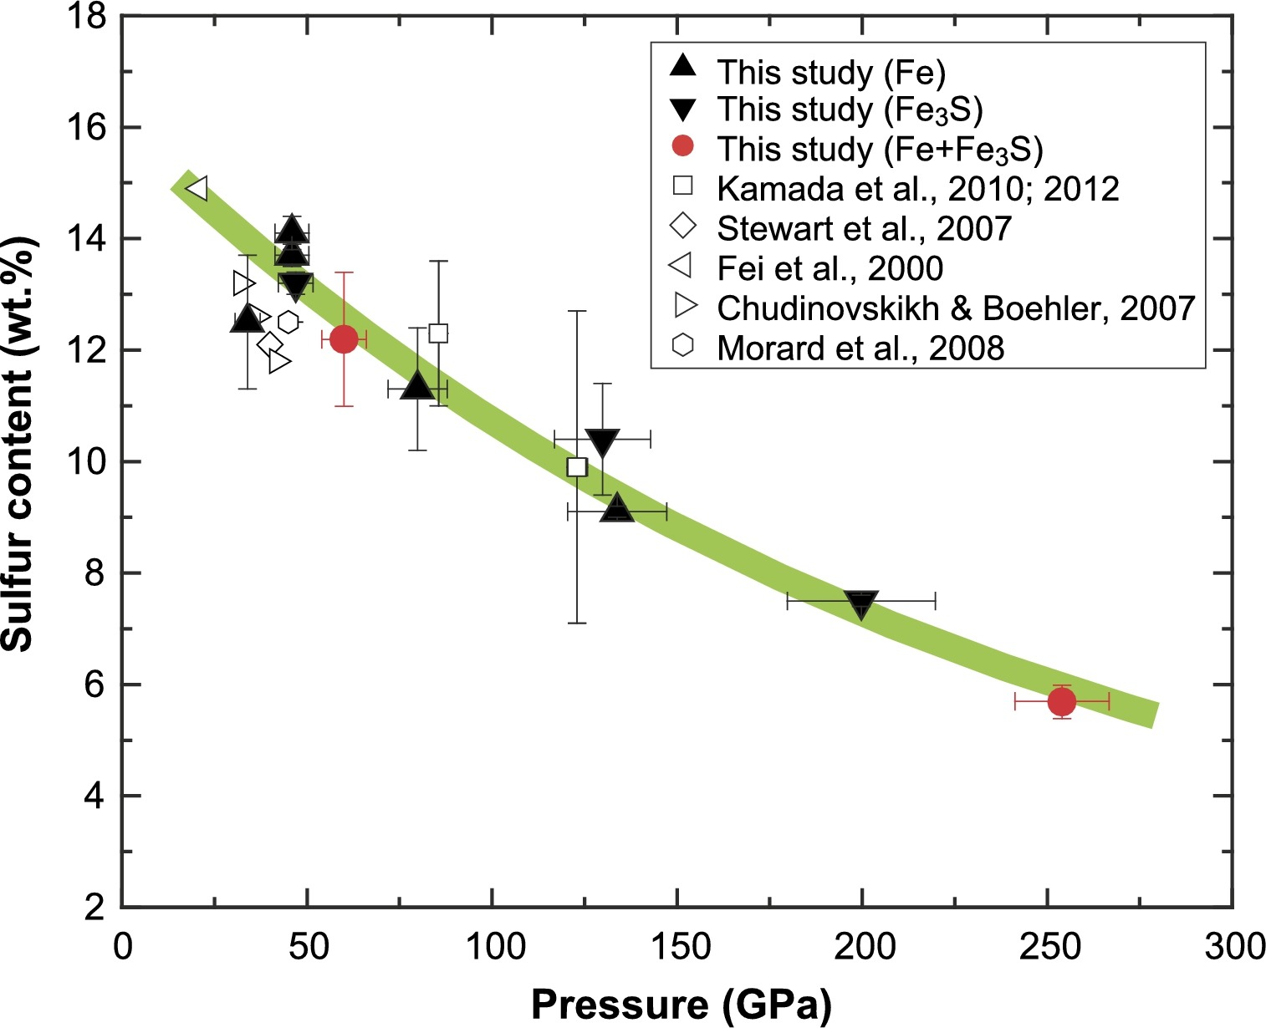
 |  |  |  |  |  |  | Mori2017?

 |  |  |  | datathief trends

eutectic data |  |  |  | Morard 2008, P&T
 |  |  |  | P | T (K) | calc
P | wt%S | K |  | 23.91409 | 1,379.78 | 1385.4809316
23 | 16.3625 | 1,316.70 | stewart2007 | 26.29236 | 1,420.30 | 1424.1563583
40 | 12.20864 | 1,519.44 | stewart2007 | 28.47244 | 1,457.44 | 1459.6088193
21 | 15.43864 | 1,353.08 | Fei2000 | 30.52037 | 1,491.21 | 1492.9122569
14 | 18.27 | 1119 | Chen2007 | 32.63441 | 1,528.35 | 1527.2907754
14 | 19.2 | 1,135.27 | Buono2011 | 34.68239 | 1,563.81 | 1560.5950262
32.2 | 13.2 | 1,500.00 | Chudinovskikh2007 | 36.79634 | 1,597.57 | 1594.9720811
34.5 | 13.5 | 1,547.00 | Chudinovskikh2007 | 38.84426 | 1,631.33 | 1628.2753561
41.8 | 11.8 | 1,596.00 | Chudinovskikh2007 | 40.89219 | 1,665.10 | 1661.5787938
18.5 | 14.5 | 1,073.00 | Andrault2009 | 43.07217 | 1,698.86 | 1697.0296285
 |  |  |  | 45.18622 | 1,736.00 | 1731.4083096
not "data", but what morard interprets at P |  |  |  | 47.43219 | 1,768.07 | 1767.9322738
34.64764 | 13.39988 | 1521 | Morard2008 | 49.41418 | 1,805.22 | 1800.1633952
42.12489 | 12.65082 | 1702 |  | 51.59417 | 1,838.98 | 1835.6143925
52.00848 | 11.9775 |  |  | 53.57586 | 1,865.99 | 1867.8406353
57.95279 | 11.71086 |  |  | 56.02016 | 1,906.50 | 1907.5898419
 |  |  |  | 58.06794 | 1,935.20 | 1940.8908403
 |  |  |  | 59.25703 | 1,953.77 | 1960.2278219

 | Morard2008 |  | Fei |  | Stewart2007 |  | Chen2008 |  | Buono2011 |  | Chudinovskikh2007 |  | Andrault2009 |  | to "fit"
27.02365 | 14.41104 | 24.07582 | 14.99035 | 23 | 16.3625 | 14 | 18.27 | 14 | 19.2 | 32.2 | 13.2 | 18.5 | 14.5 | 23 | 16.3625
28.33394 | 14.21788 | 21 | 15.43864 | 40 | 12.20864 |  |  |  |  | 34.5 | 13.5 |  |  | 40 | 12.20864
29.4622 | 14.03547 |  |  |  |  |  |  |  |  | 41.8 | 11.8 |  |  | 21 | 15.43864
30.7725 | 13.85303 |  |  |  |  |  |  |  |  |  |  |  |  | 32.2 | 13.2
32.15565 | 13.68129 |  |  |  |  |  |  |  |  |  |  |  |  | 34.5 | 13.5
33.61156 | 13.48811 |  |  |  |  |  |  |  |  |  |  |  |  | 41.8 | 11.8
34.99477 | 13.34852 |  |  |  |  |  |  |  |  |  |  |  |  | 34.64764 | 13.39988
36.15953 | 13.20898 |  |  |  |  |  |  |  |  |  |  |  |  | 42.12489 | 12.65082
37.43356 | 13.09085
38.74395 | 12.95128
40.018 | 12.84387
41.40125 | 12.72573
42.60244 | 12.5969
43.98578 | 12.52162
45.25983 | 12.41421
46.64313 | 12.3175
47.95361 | 12.22081
49.26409 | 12.12411
50.57463 | 12.05957
53.19571 | 11.91976
54.57907 | 11.85521
55.85318 | 11.77995
57.16373 | 11.71541
58.58355 | 11.67229
59.82127 | 11.60775
61.31395 | 11.58605
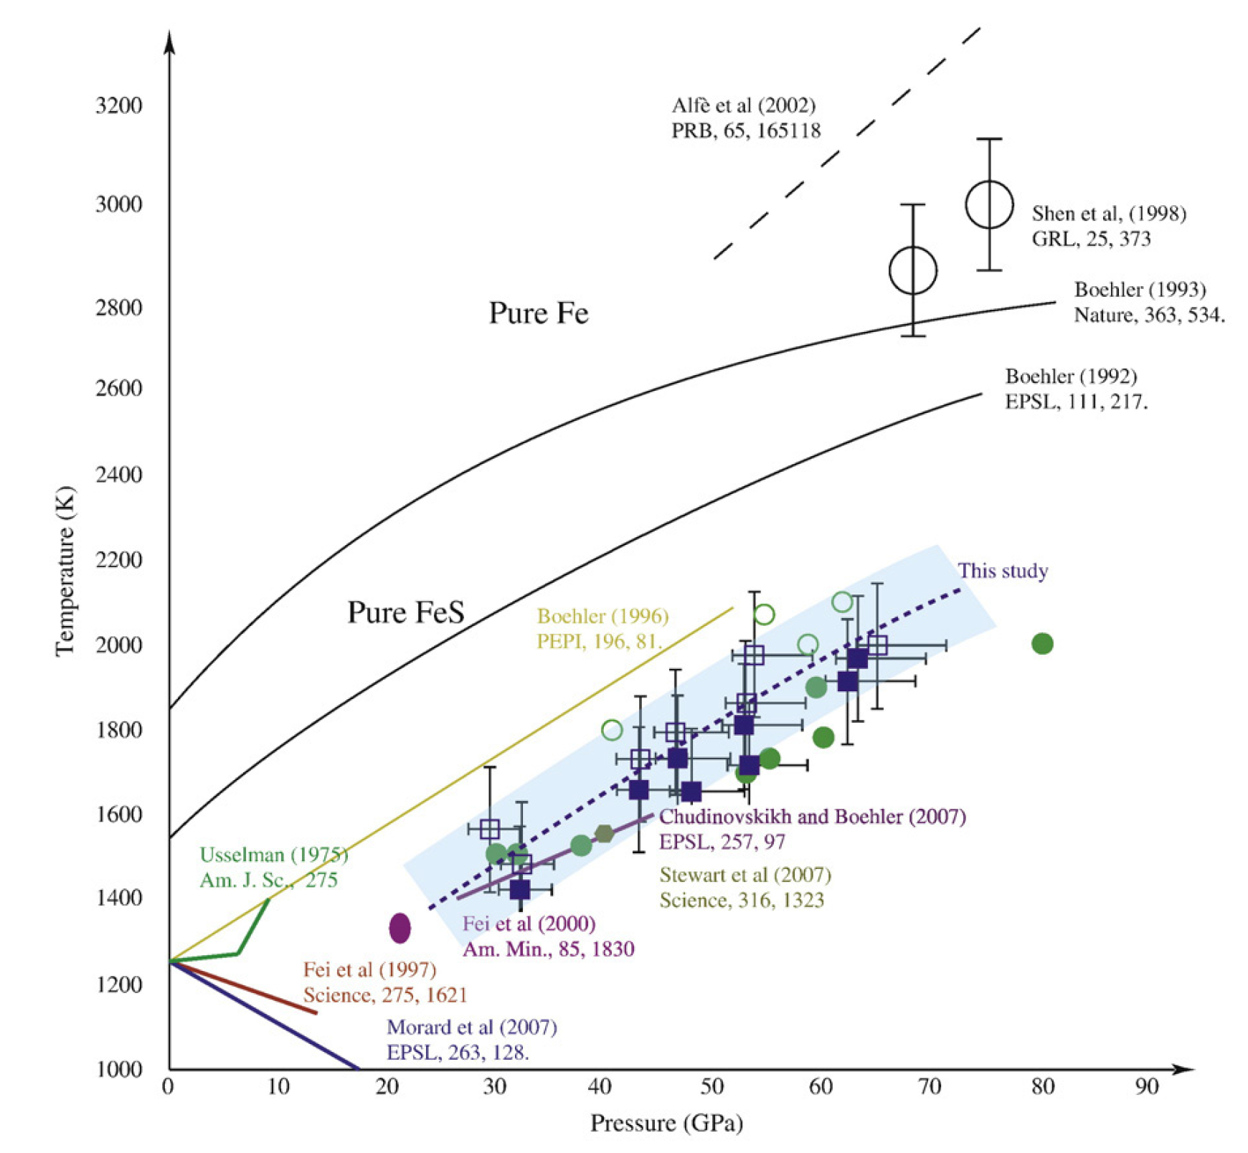
predict | S wt % | T (K) |  | Morard 2008, P&S
14 | 17.8 | 1227 |  | P | S wt % | calc
20 | 16.3 | 1313 |  | 27.02365 | 14.41104 | 14.414140101
21 | 16.0 | 1327 |  | 28.33394 | 14.21788 | 14.207694127
23 | 15.6 | 1355 |  | 29.4622 | 14.03547 | 14.040452821
30 | 14.1 | 1455 |  | 30.7725 | 13.85303 | 13.857534798
40 | 12.4 | 1597 |  | 32.15565 | 13.68129 | 13.676607724
 |  |  |  | 33.61156 | 13.48811 | 13.498505773
 |  |  |  | 34.99477 | 13.34852 | 13.339995079
hack to compromise on the eutectic |  |  |  | 36.15953 | 13.20898 | 13.213923016
20 | 16 |  |  | 37.43356 | 13.09085 | 13.08315397
40 | 12.7 |  |  | 38.74395 | 12.95128 | 12.95581787
 |  |  |  | 40.018 | 12.84387 | 12.838430031
 |  |  |  | 41.40125 | 12.72573 | 12.717582489
 |  |  |  | 42.60244 | 12.5969 | 12.617810844
 |  |  |  | 43.98578 | 12.52162 | 12.508451208
 |  |  |  | 45.25983 | 12.41421 | 12.412660598
 |  |  |  | 46.64313 | 12.3175 | 12.313715881
 |  |  |  | 47.95361 | 12.22081 | 12.224631675
 |  |  |  | 49.26409 | 12.12411 | 12.139935402
 |  |  |  | 50.57463 | 12.05957 | 12.059552645
 |  |  |  | 53.19571 | 11.91976 | 11.911775865
 |  |  |  | 54.57907 | 11.85521 | 11.840959983
 |  |  |  | 55.85318 | 11.77995 | 11.780349419
 |  |  |  | 57.16373 | 11.71541 | 11.72286936
 |  |  |  | 58.58355 | 11.67229 | 11.666526937
 |  |  |  | 59.82127 | 11.60775 | 11.622809897
 |  |  |  | 61.31395 | 11.58605 | 11.577336958

 |  |  |  | 24.07582 | 14.99035 | Fei

 |  |  |  | predict | S wt % | T (K)
 |  |  |  | 14 | 17.4 | 1224
 |  |  |  | 20 | 15.8 | 1322
 |  |  |  | 21 | 15.6 | 1338
 |  |  |  | 23 | 15.1 | 1371
 |  |  |  | 30 | 14.0 | 1484
 |  |  |  | 40 | 12.8 | 1647

Buono2011
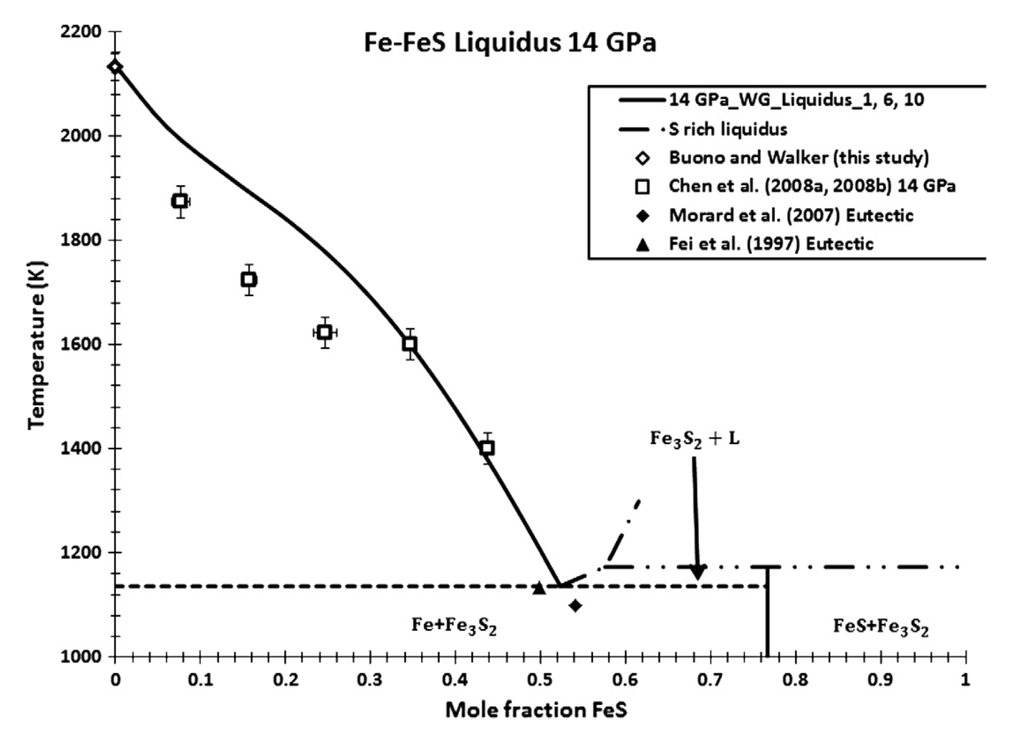
mol frac FeS | S (wt%) | Temp (K)
0.00E+00 | 0 | 2,133.39
1.70E-02 | 6.24E-01 | 2,102.65
2.89E-02 | 1.06E+00 | 2,076.00
4.40E-02 | 1.61E+00 | 2,046.29
6.66E-02 | 2.43E+00 | 2,009.39
8.92E-02 | 3.26E+00 | 1,976.60
1.16E-01 | 4.24E+00 | 1,943.81
1.37E-01 | 5.00E+00 | 1,918.19
1.63E-01 | 5.94E+00 | 1,887.45
1.88E-01 | 6.88E+00 | 1,855.68
2.16E-01 | 7.89E+00 | 1,821.86
2.29E-01 | 8.37E+00 | 1,801.37
2.49E-01 | 9.08E+00 | 1,775.75
2.68E-01 | 9.77E+00 | 1,746.03
2.83E-01 | 1.03E+01 | 1,719.39
3.03E-01 | 1.10E+01 | 1,685.57
3.26E-01 | 1.19E+01 | 1,642.53
3.56E-01 | 1.30E+01 | 1,580.02
3.70E-01 | 1.35E+01 | 1,547.22
3.82E-01 | 1.39E+01 | 1,519.56
3.99E-01 | 1.46E+01 | 1,476.52
4.16E-01 | 1.52E+01 | 1,437.57
4.30E-01 | 1.57E+01 | 1,397.61
4.47E-01 | 1.63E+01 | 1,354.57
4.60E-01 | 1.68E+01 | 1,315.63
4.78E-01 | 1.74E+01 | 1,268.49
4.91E-01 | 1.79E+01 | 1,229.55
5.04E-01 | 1.84E+01 | 1,192.66
5.14E-01 | 1.88E+01 | 1,160.89
5.25E-01 | 1.92E+01 | 1,135.27
1.00E+00 | 36.47

 | how the fuck do you go from mol frac to wt % S. take it from Kavner
 |  | mol frac FeS | wt% S
 |  | 0 | 0
 |  | 0.2 | 7.3
 |  | 0.6 | 21.9
 |  | 0.8 | 29.2
 |  | 1 | 36.47

mass S | 32.06 | 0.3647119049 | wt%
mass Fe | 55.845

