Table 4
Table 6 | Electricity
eGRID Subregion Acronym |  | Total Output Emission Factors |  |  |  | Non-Baseload Emission Factors
 |  | eGRID Subregion Name | CO2 Factor | CH4 Factor | N2O Factor | CO2 Factor | CH4 Factor | N2O Factor
 |  |  | (lb / MWh) | (lb / MWh) | (lb / MWh) | (lb / MWh) | (lb / MWh) | (lb / MWh)
AKGD |  | AKGD (ASCC Alaska Grid) | 1,067.7 | 0.091 | 0.012 | 1,229.6 | 0.120 | 0.016
AKMS |  | AKMS (ASCC Miscellaneous) | 485.2 | 0.025 | 0.004 | 1,531.3 | 0.066 | 0.012
AZNM |  | AZNM (WECC Southwest) | 819.7 | 0.052 | 0.007 | 1,227.6 | 0.067 | 0.009
CAMX |  | CAMX (WECC California) | 531.7 | 0.031 | 0.004 | 1,047.5 | 0.049 | 0.006
ERCT |  | ERCT (ERCOT All) | 813.6 | 0.054 | 0.008 | 1,177.4 | 0.065 | 0.009
FRCC |  | FRCC (FRCC All) | 832.9 | 0.053 | 0.007 | 1,016.5 | 0.054 | 0.007
HIMS |  | HIMS (HICC Miscellaneous) | 1,134.4 | 0.135 | 0.021 | 1,649.4 | 0.176 | 0.027
HIOA |  | HIOA (HICC Oahu) | 1,633.1 | 0.176 | 0.027 | 1,784.0 | 0.172 | 0.027
MROE |  | MROE (MRO East) | 1,582.1 | 0.148 | 0.022 | 1,555.9 | 0.133 | 0.019
MROW |  | MROW (MRO West) | 995.8 | 0.107 | 0.015 | 1,808.3 | 0.183 | 0.026
NEWE |  | NEWE (NPCC New England) | 539.4 | 0.072 | 0.009 | 900.5 | 0.073 | 0.009
NWPP |  | NWPP (WECC Northwest) | 634.6 | 0.058 | 0.008 | 1,545.7 | 0.139 | 0.020
NYCW |  | NYCW (NPCC NYC/Westchester) | 816.8 | 0.019 | 0.002 | 930.8 | 0.020 | 0.002
NYLI |  | NYLI (NPCC Long Island) | 1,210.9 | 0.126 | 0.016 | 1,317.3 | 0.040 | 0.005
NYUP |  | NYUP (NPCC Upstate NY) | 233.1 | 0.015 | 0.002 | 880.7 | 0.047 | 0.006
PRMS |  | PRMS (Puerto Rico Miscellaneous) | 1,558.0 | 0.081 | 0.013 | 1,618.1 | 0.060 | 0.011
RFCE |  | RFCE (RFC East) | 672.8 | 0.049 | 0.007 | 1,357.3 | 0.106 | 0.015
RFCM |  | RFCM (RFC Michigan) | 1,214.1 | 0.115 | 0.016 | 1,717.0 | 0.160 | 0.023
RFCW |  | RFCW (RFC West) | 1,046.1 | 0.095 | 0.014 | 1,798.8 | 0.172 | 0.025
RMPA |  | RMPA (WECC Rockies) | 1,158.9 | 0.109 | 0.016 | 1,614.2 | 0.128 | 0.018
SPNO |  | SPNO (SPP North) | 991.7 | 0.108 | 0.016 | 1,926.2 | 0.204 | 0.029
SPSO |  | SPSO (SPP South) | 1,031.6 | 0.080 | 0.012 | 1,584.6 | 0.116 | 0.017
SRMV |  | SRMV (SERC Mississippi Valley) | 772.7 | 0.040 | 0.006 | 1,177.0 | 0.066 | 0.009
SRMW |  | SRMW (SERC Midwest) | 1,543.0 | 0.171 | 0.025 | 1,763.2 | 0.179 | 0.026
SRSO |  | SRSO (SERC South) | 891.9 | 0.067 | 0.010 | 1,384.6 | 0.101 | 0.015
SRTV |  | SRTV (SERC Tennessee Valley) | 931.6 | 0.087 | 0.013 | 1,636.2 | 0.151 | 0.022
SRVC |  | SRVC (SERC Virginia/Carolina) | 639.7 | 0.052 | 0.007 | 1,357.0 | 0.116 | 0.016
US Average |  | US Average | 852.3 | 0.071 | 0.010 | 1,410.0 | 0.110 | 0.016
Source: EPA eGRID2021, February 2023 (Table 1. Subregion Output Emission Rates)
https://www.epa.gov/egrid/download-data
Notes:
Total output emission factors can be used as default factors for estimating GHG emissions from electricity use when developing a carbon footprint or emissions inventory. Annual non-baseload output emission factors should not be used when developing a carbon footprint or emissions inventory, but can be used to estimate GHG emissions reductions on the grid from changes in electricity use. For technical information, reference the EPA's eGRID Technical Guide
https://www.epa.gov/system/files/documents/2023-01/eGRID2021_technical_guide.pdf
The factors represented in the table above represent combustion emissions only (tank-to-wheel) and do not represent upstream emissions or well-to-wheel emissions.

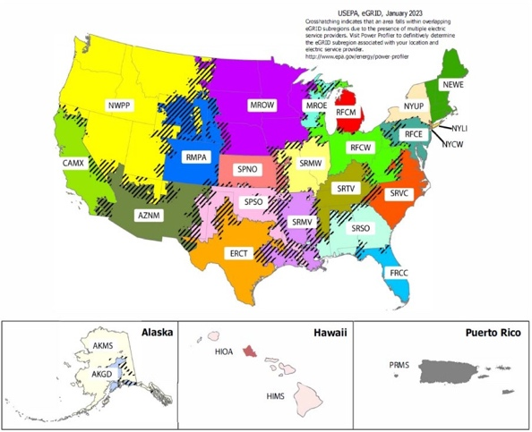
Table 7 | Steam and Heat

 |  | CO2 Factor (kg / mmBtu) | CH4 Factor (g / mmBtu) | N2O Factor (g / mmBtu)
Steam and Heat |  | 66.33 | 1.250 | 0.125
Notes:
Emission factors are per mmBtu of steam or heat purchased. These factors assume natural gas fuel is used to generate steam or heat at 80 percent thermal efficiency.
The factors represented in the table above represent combustion emissions only (tank-to-wheel) and do not represent upstream emissions or well-to-wheel emissions.

