Sheet1
Dataset | Queries | Visualization Recommendation from NL4DV-LLM
movies-w-year.csv | plot average worldwide growth over major genre | 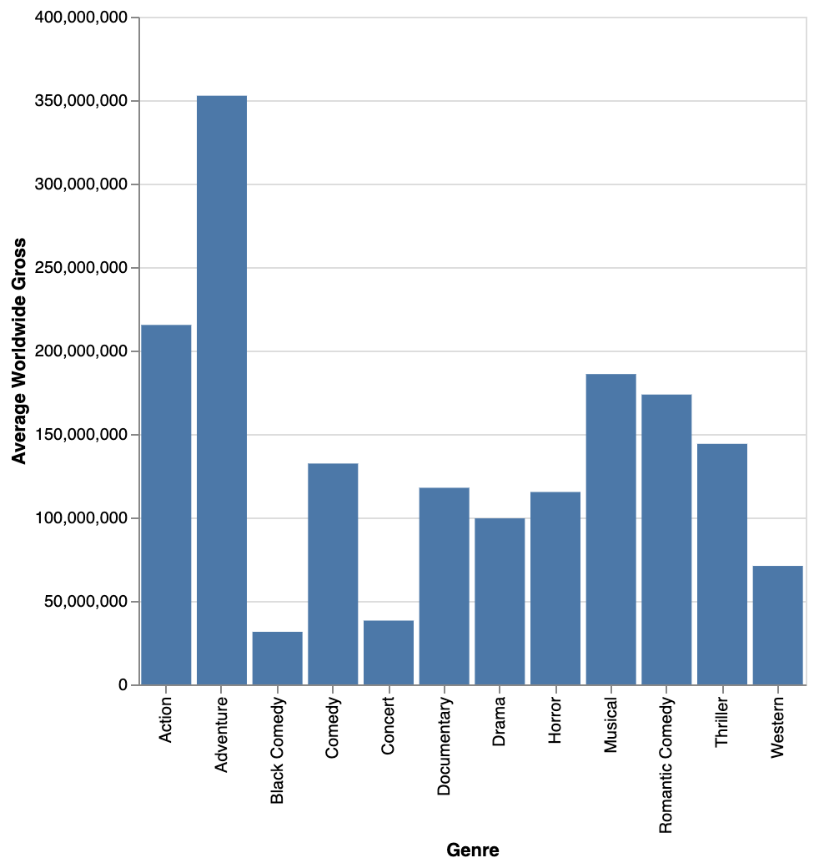
movies-w-year.csv | Show average worldwide gross by genre. | 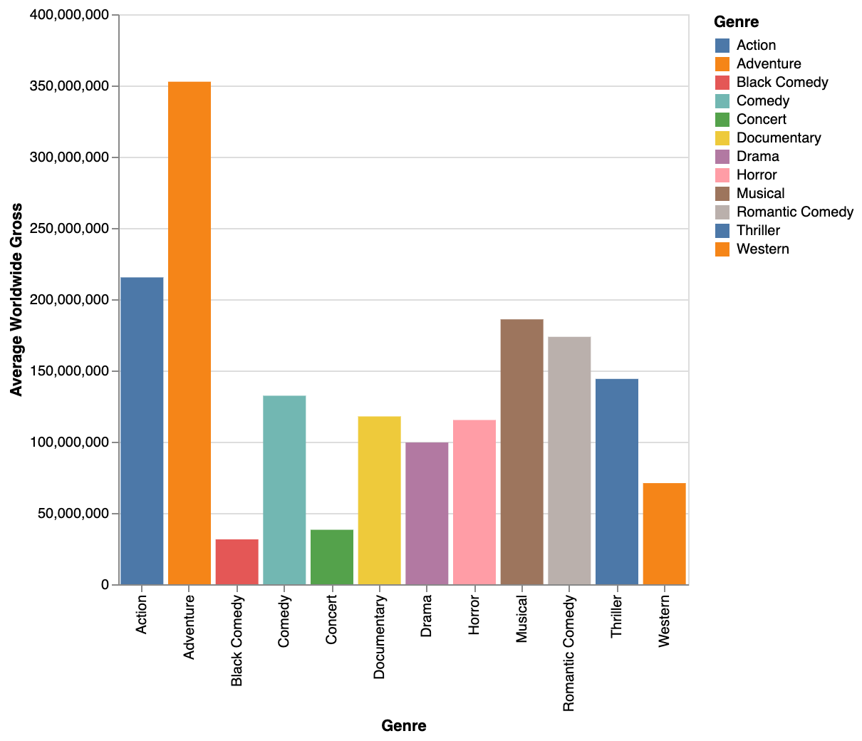
movies-w-year.csv | What major genre had the highest average worldwide gross? | 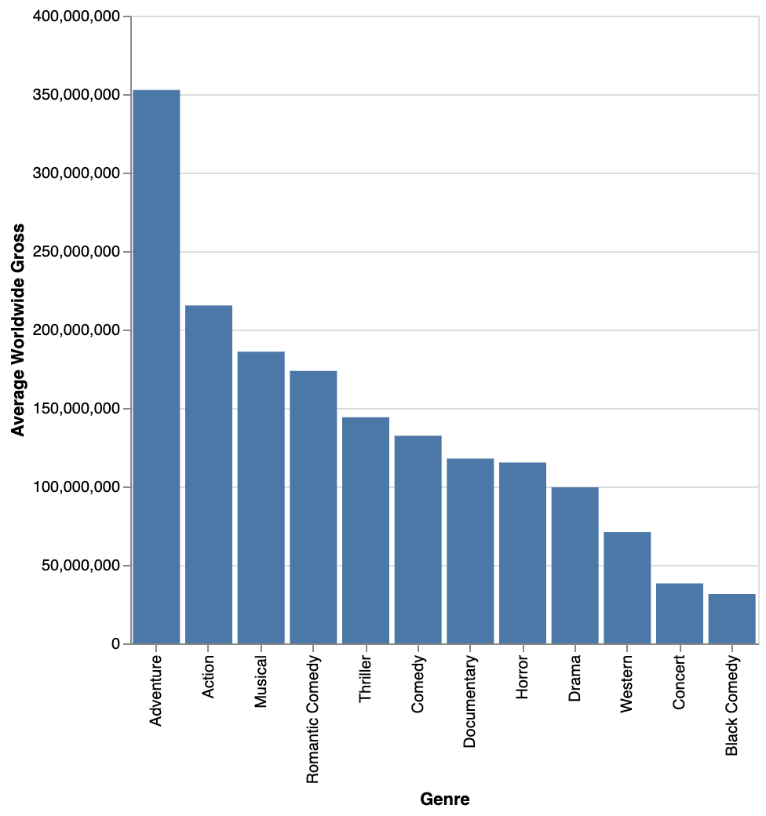
movies-w-year.csv | Which genre movie makes most worldwide gross | 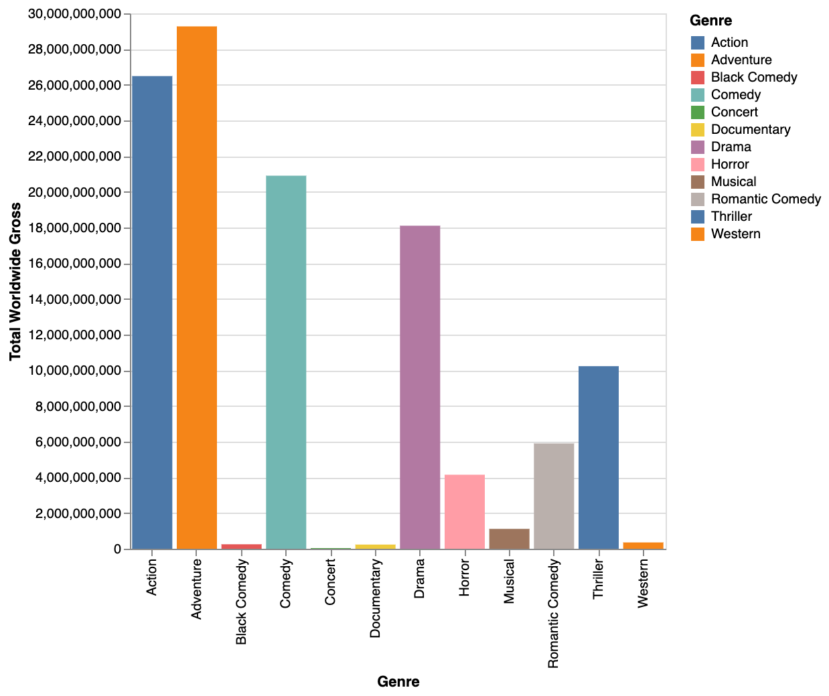
movies-w-year.csv | show me average budget split by content rating colored by creative type | 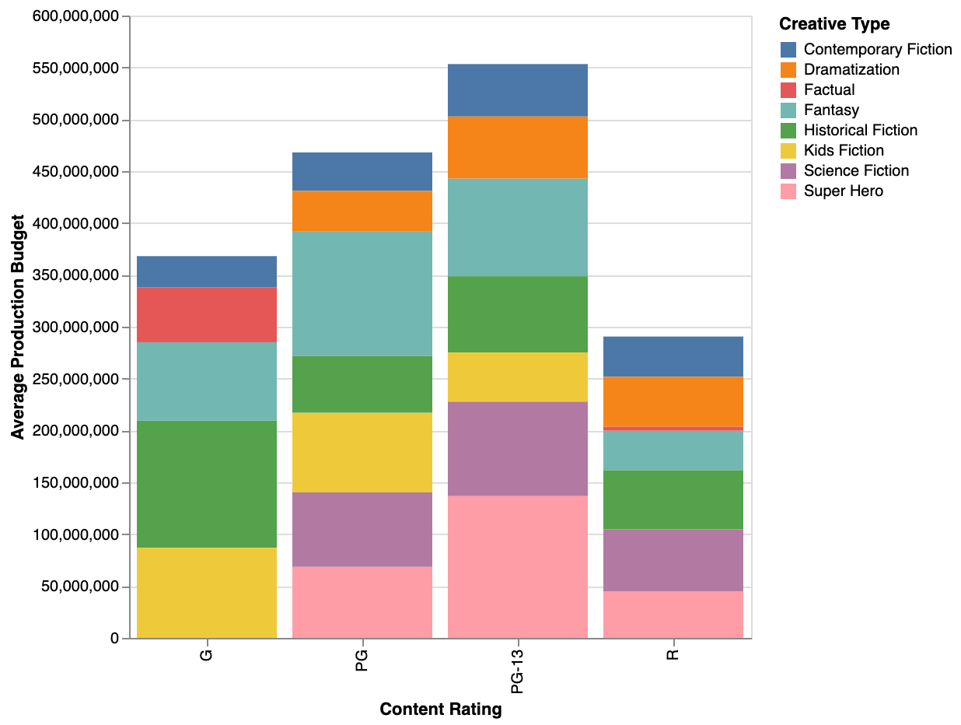
movies-w-year.csv | show me bar charts of average production budget by creative types grouped by content rating | 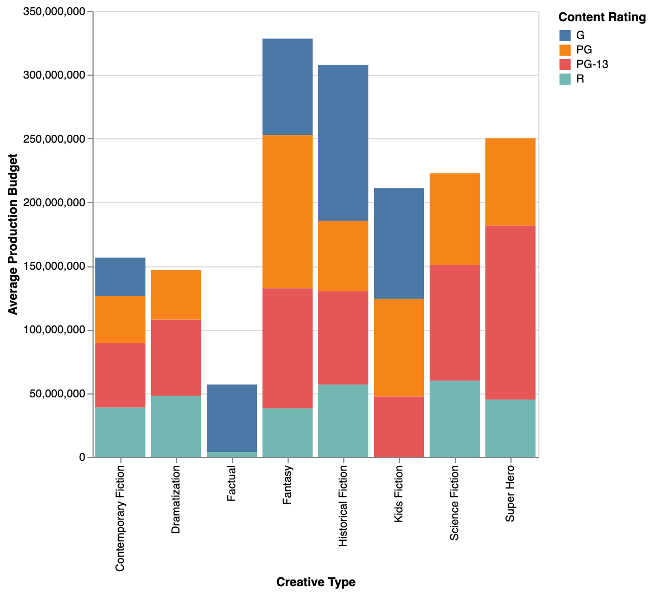
movies-w-year.csv | Show me the average production budget for each movie type, broken down by content rating. | 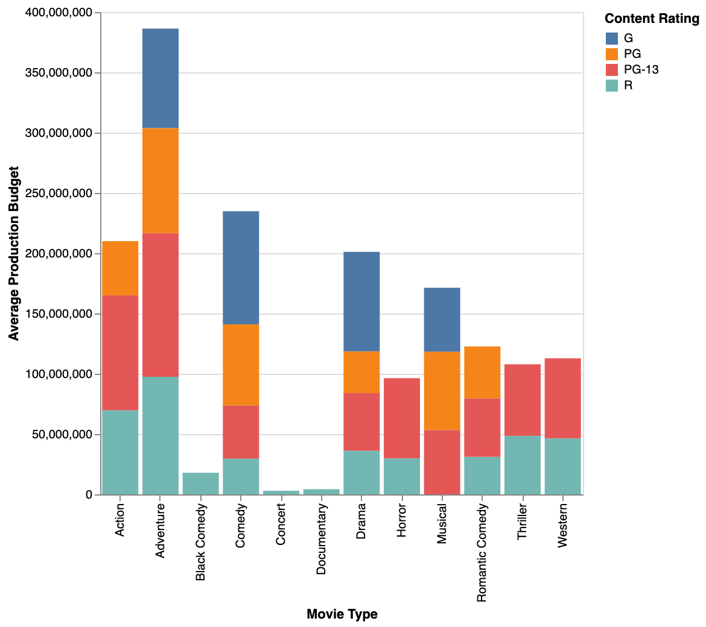
movies-w-year.csv | histogram of running time | 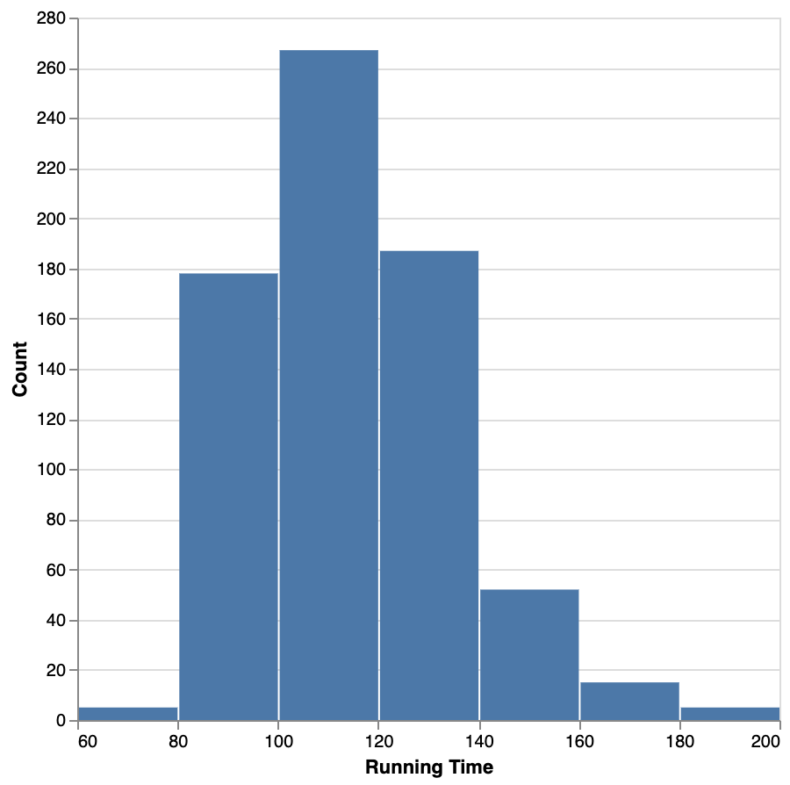

cars-w-year.csv | Cylinders average mpg | 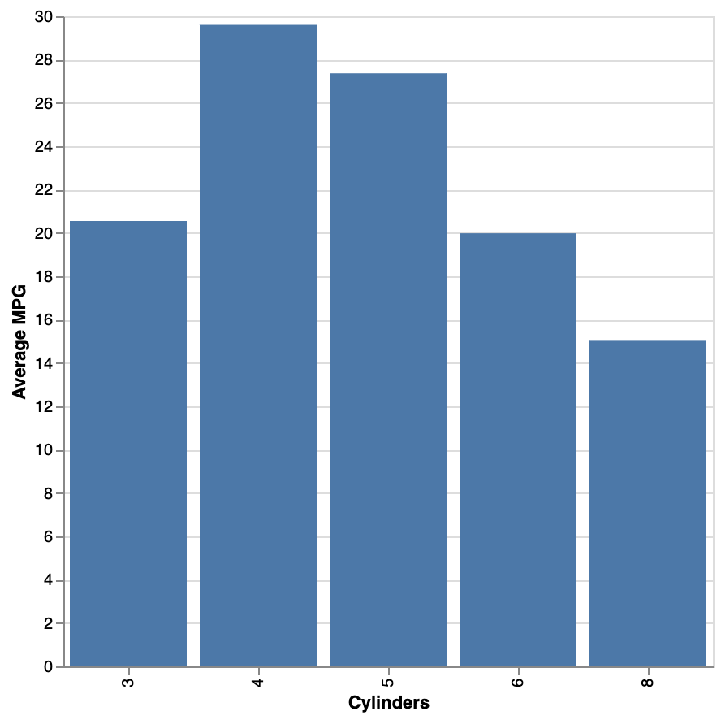
cars-w-year.csv | Which countries have the highest acceleration for cars of different cylinders? | 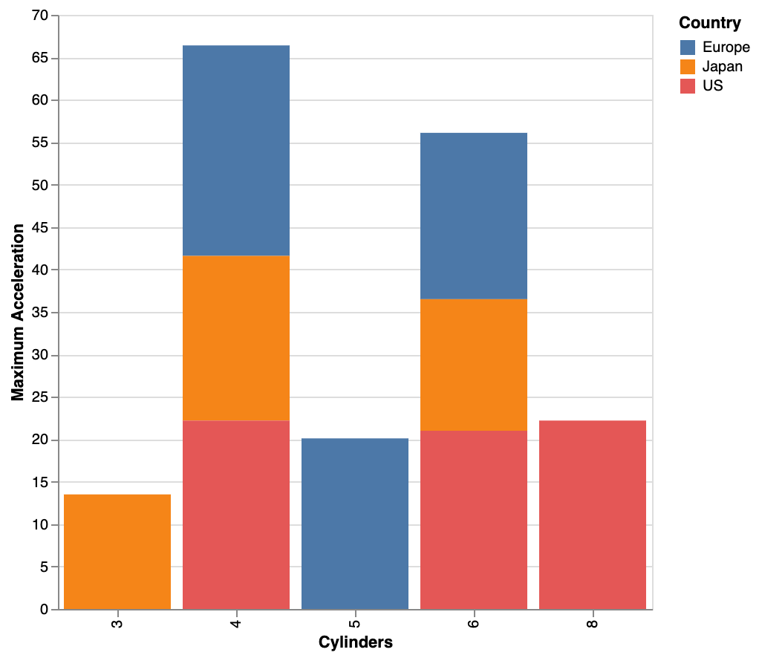
cars-w-year.csv | Compare car cylinder count against acceleration across countries | 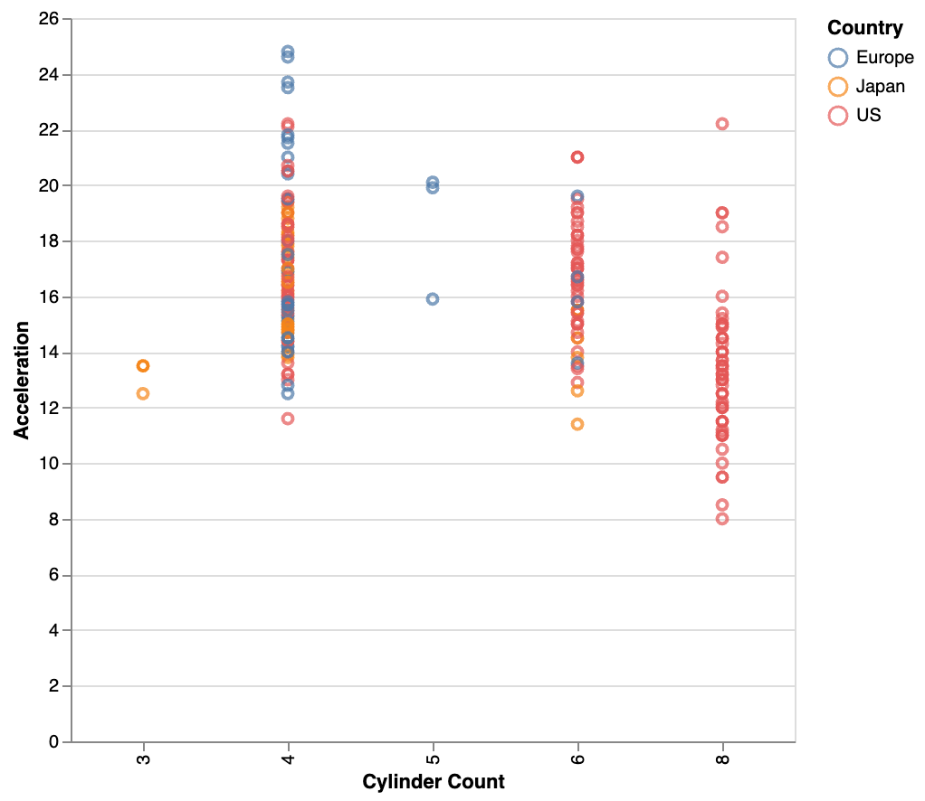
cars-w-year.csv | For each country show the relationship between average acceleration and number of cylinders | 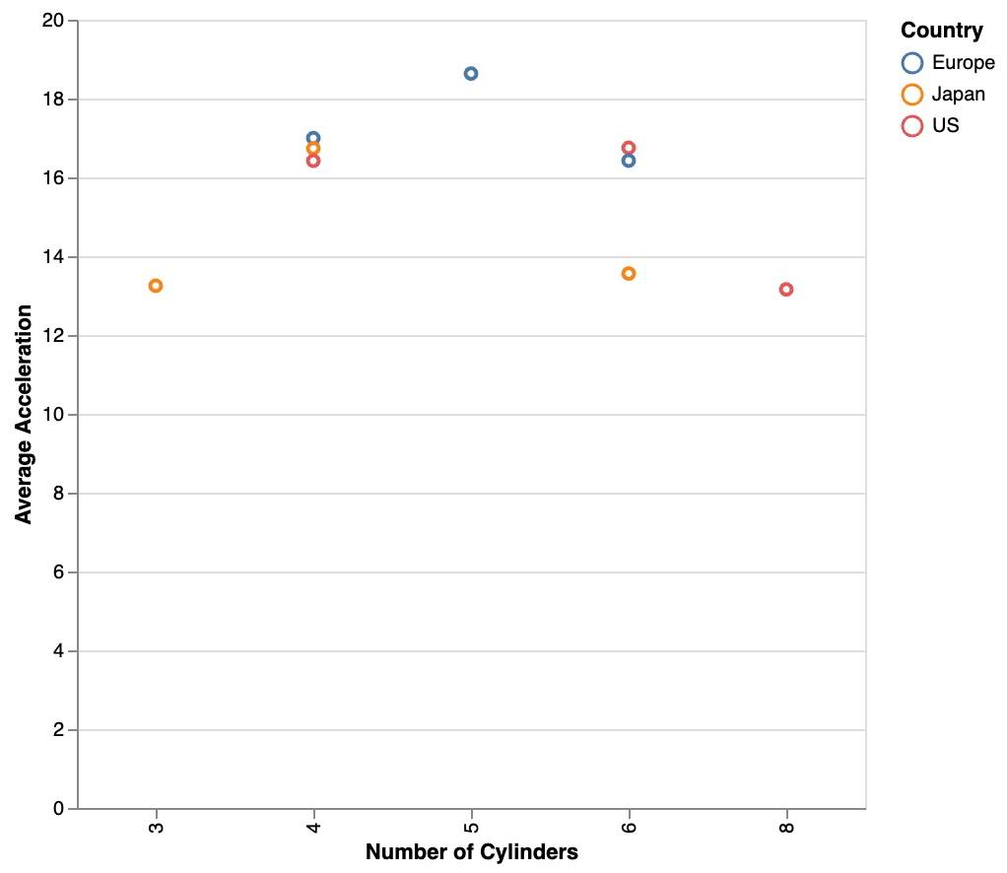
cars-w-year.csv | How many heavy cars are in the dataset? | 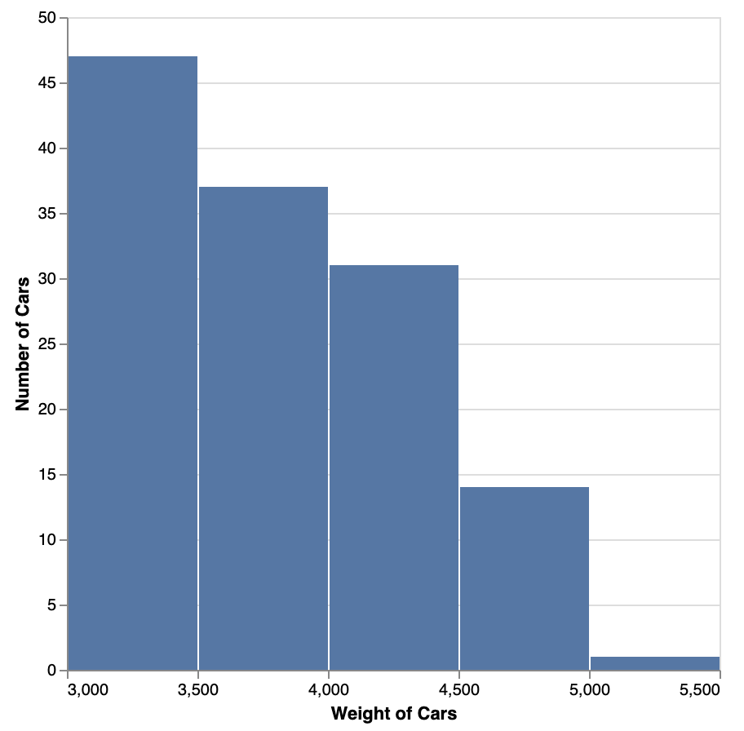
cars-w-year.csv | show me the categorization of weights | 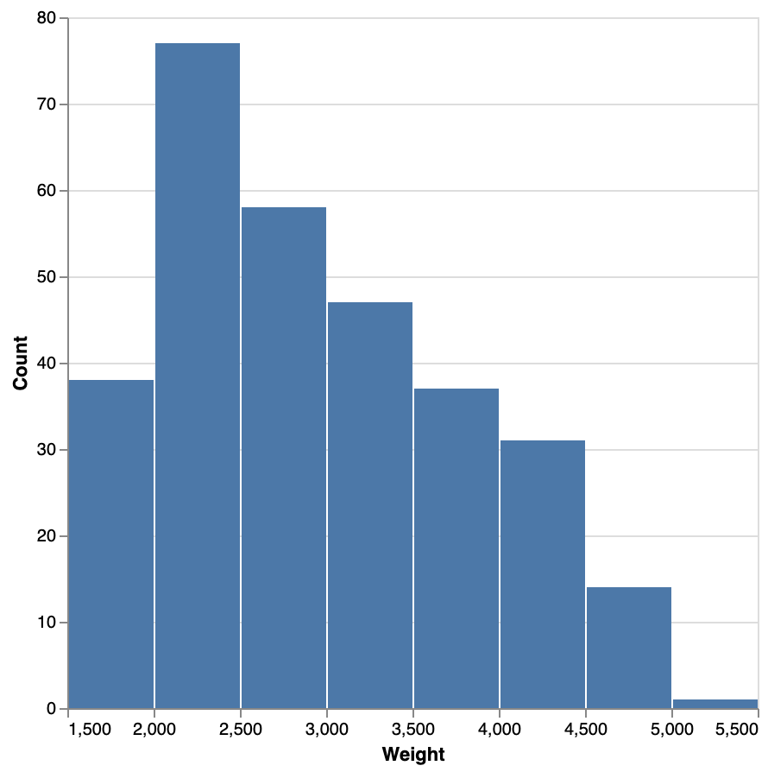
cars-w-year.csv | average weight over year | 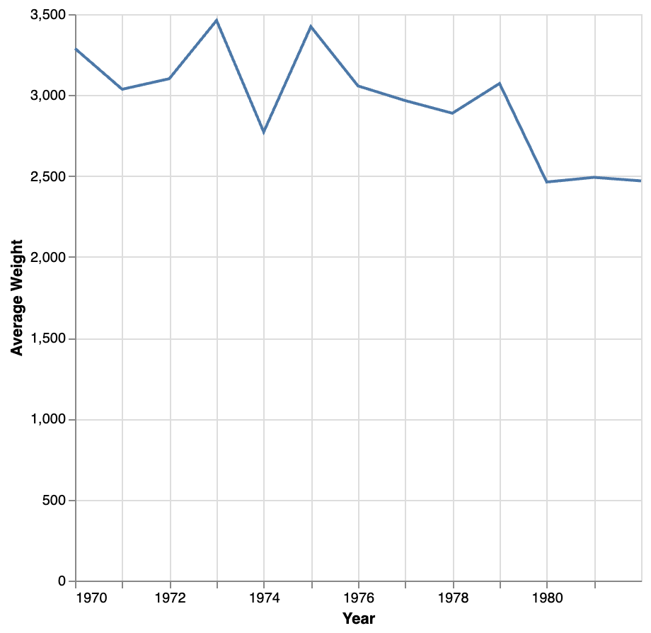
cars-w-year.csv | Line chart avg horsepower per year Color by origin | 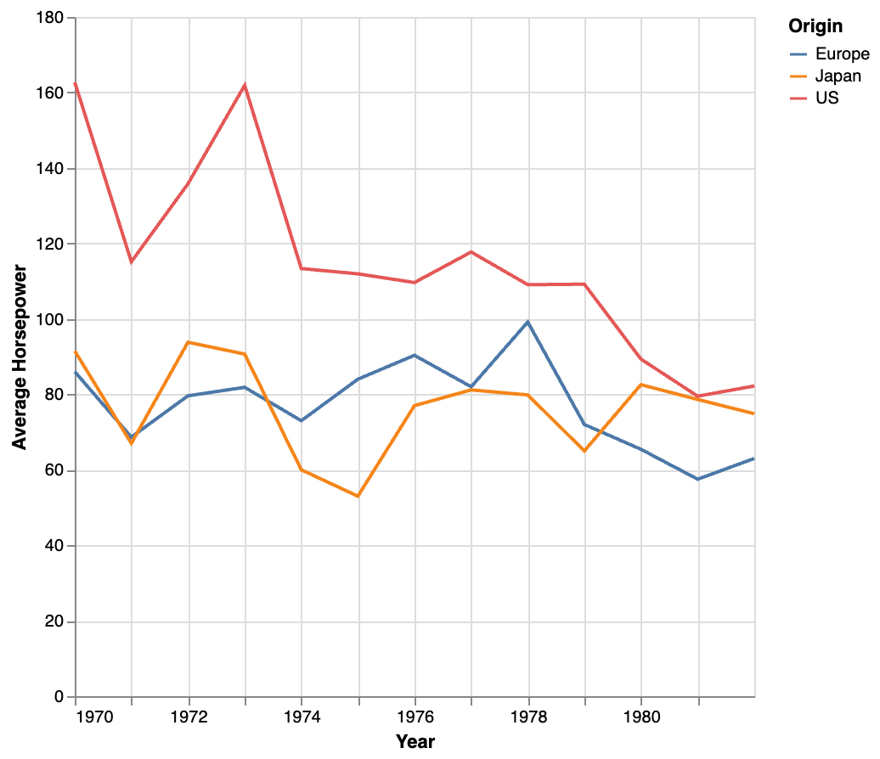
cars-w-year.csv | Average Horsepower per year and origin | 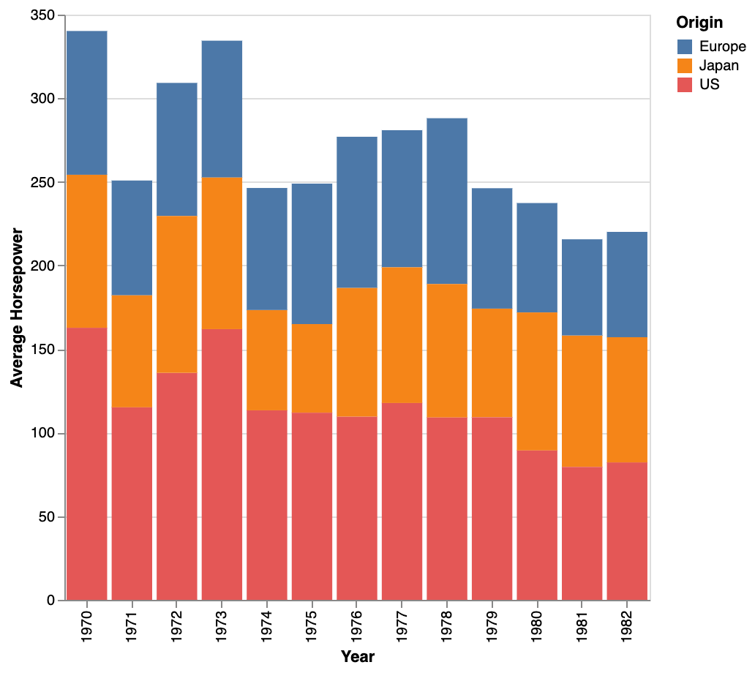

superstore.csv | Column chart, Average of profit by state | 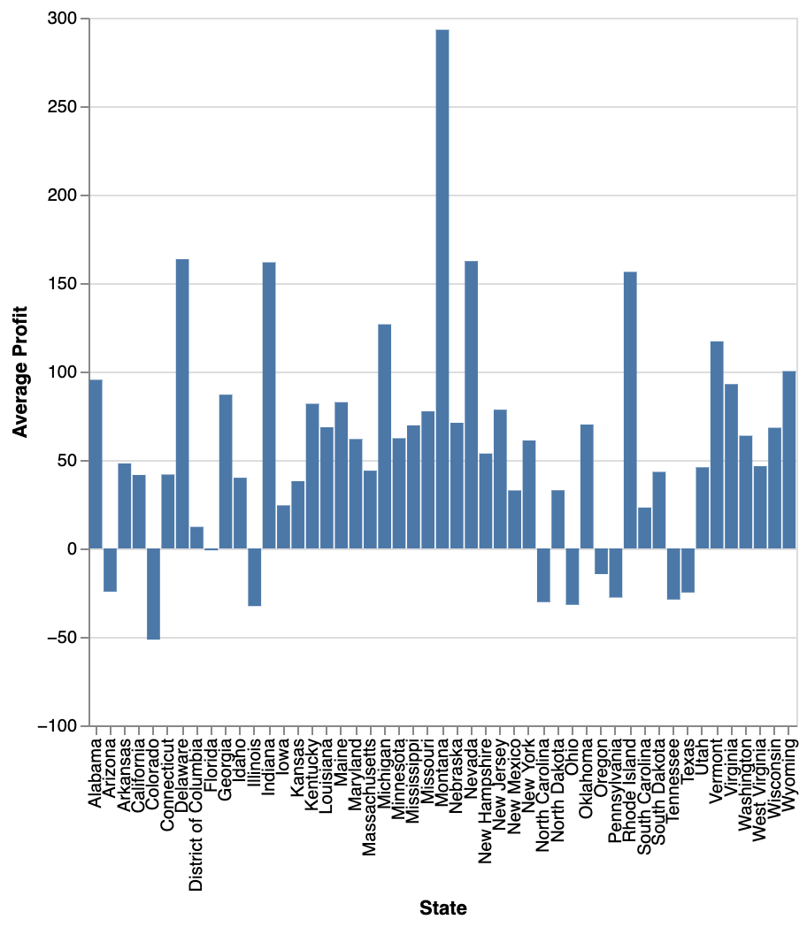
superstore.csv | Show Avg(Profit) by state asc | 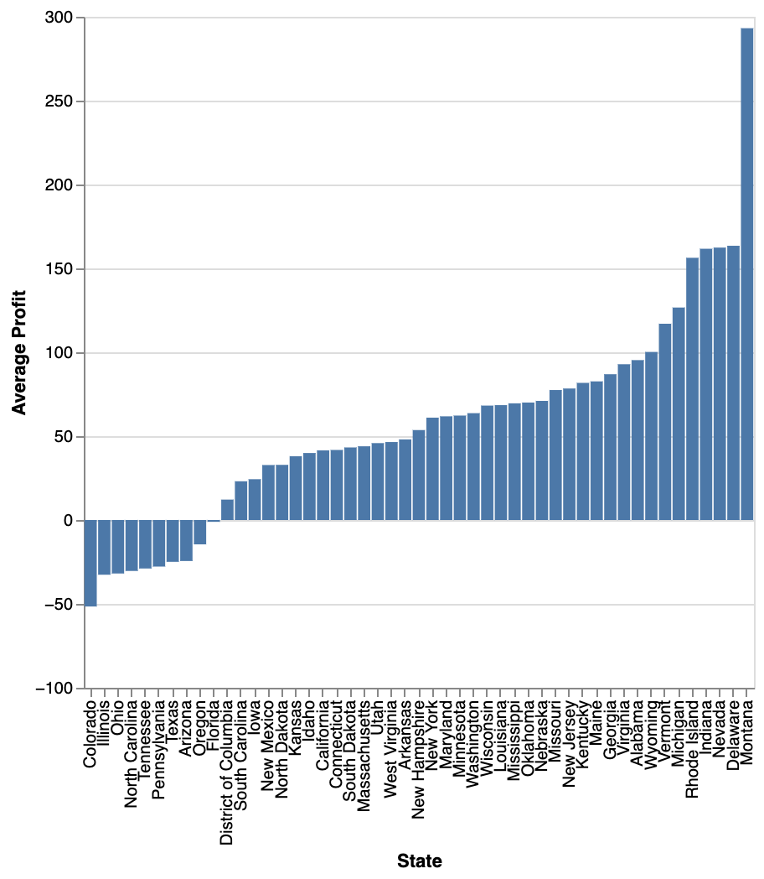
superstore.csv | Show me a bar chart showing the average profitability for orders by shipping mode and segment. | 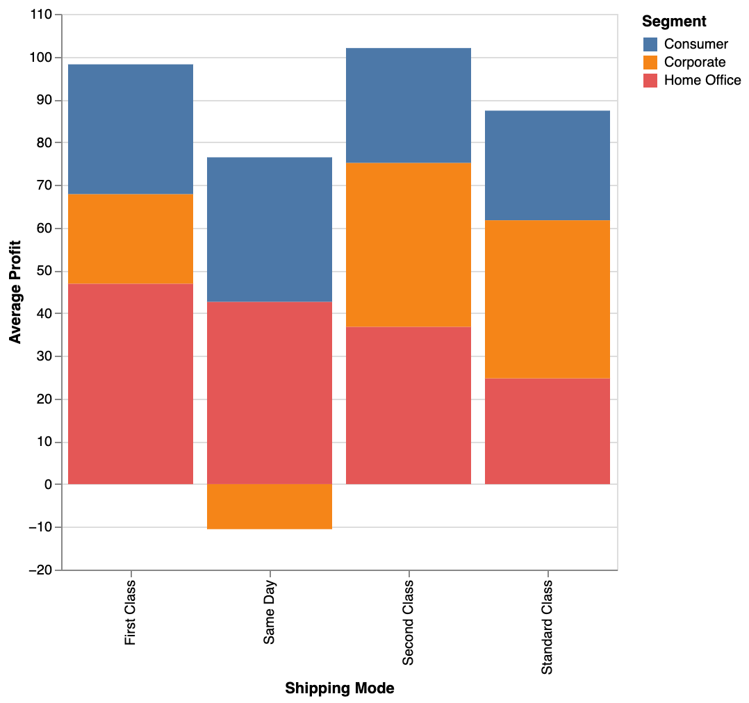
superstore.csv | What is our profit based on shipping mode by customer segment? | 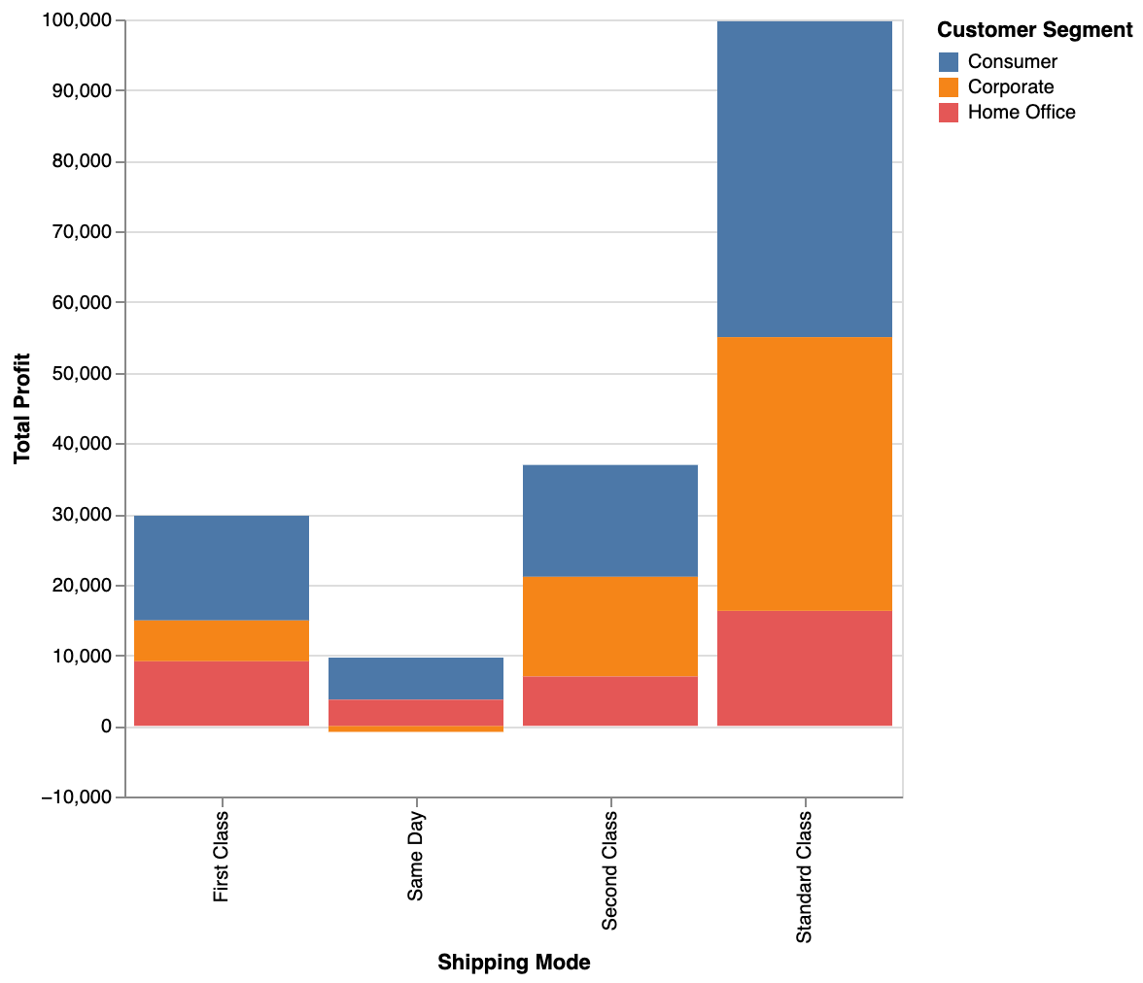
superstore.csv | count of orders by order quantity | 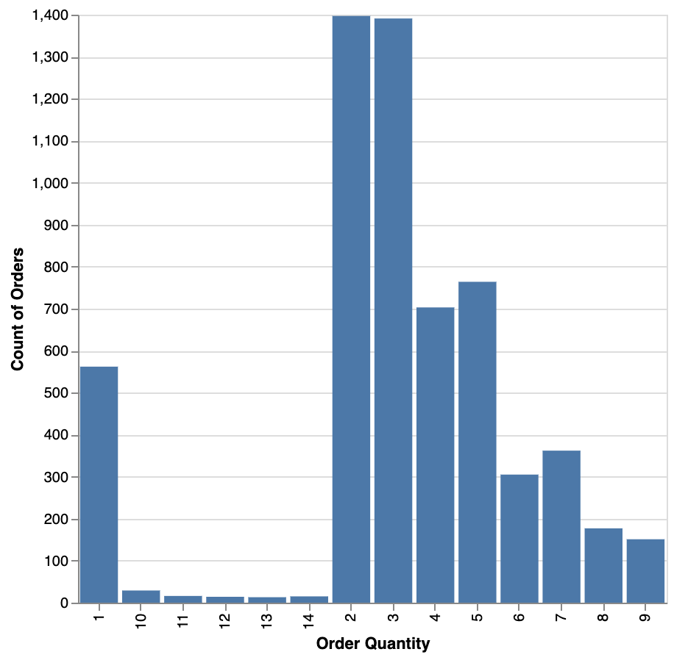
superstore.csv | Create a line chart showing total sales forecast over time | 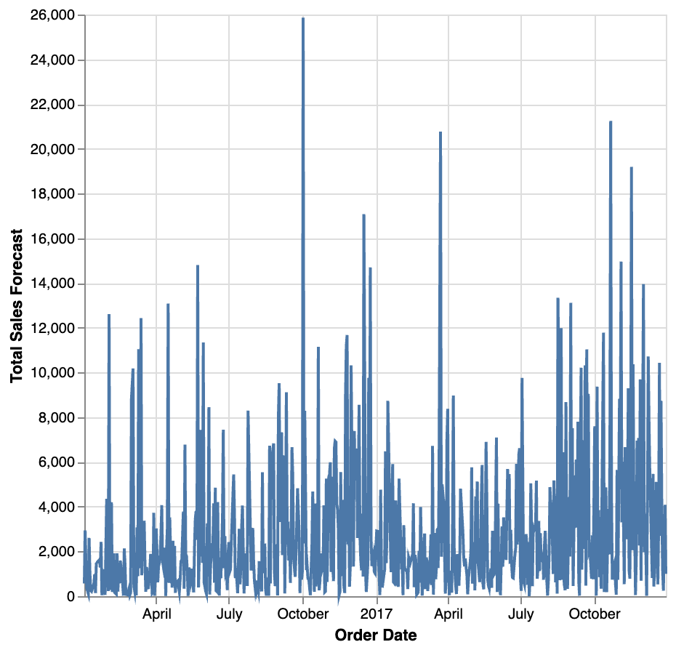
superstore.csv | draw a line chart of monthly sales by order date, with a different colored line for each category | 